springboot
 | Spring Boot Interview Questions | Spring Boot 2.2.3 released 16 jan 2020
 |  | Spring Boot 2.3.0 available now 15 may 2020 | supported java 8 and java 11

1 | Spring Boot ? | A framework provides by spring , that helps to easily create stand-alone,production-grade application.
 |  | Recomanded for building Microservices.
2 | Any hands on spring boot? | Yes , I worked on spring boot . We have used spring boot to create microservice. These microservice are based on the REST architecture so we have created REST Webservice.

 |  | It provides opinionated view of dependencies, for simplification of build configuration.
2 | Why used Spring Boot ? Or Spring Boot vs Spring MVC vs Spring - How do they compare? | 1) It is easy to create Standalon, Production grade application.
 |  | 2) Provides different starters templates, for simplification of dependencies and build configuration.
 | Spring mvc there is no requirement of xml basd configuation | 3)It has Embeded tomcat Server Supports (you can deploy to any external servlet container or used embeded server.)
 | 4) no requirement of XML based configuration like web.xml, string.xml.
 |  | 5) Provide production ready features such as health- checks,information ofapplication and other metrickcs also.
 |  | 6) Absolutely no code generation and no requirement for XML configuration
3 | Which version of spring boot you have worked? | Spring Boot 2.0, or above , latest version is spring boot 2.3.0, relesed on 15 May 2020 | I have worked on spring boot 2.0
4 | whatis the java version you are working? | java 1.8 suppose spring boot above 2.0 so spring boot supported java 1.8 and maven 3.3 suport.
5 | What is sprng Initializer? Other words how do u generate project structure? | generaly we generate the project structure using a sring initializer.
Ans | It is used to quickly create project structure. We need to add dependency, selsct build tool like maven or gradel and then generate project structure. | so spring initializer is basicaly used to quickly create project structure.
 |  | we need to add dependency, select build tool like either maven or gradel and then generate project struture.
 |  | so it will give u quick start development.
6 | What is Spring Boot Starter ? What are the common starters u have used in your project? | Starter r templates provided by spring boot, that provide dependencies to our application. They r generally , bundle of many dependencies.
 |  | Spring-boot-starter-web, spring-boot-starter-parent, spring-boot-starter-jpa.
 |  | in case u wan to creating webbased application u would be using springboot starter web ,
 |  | if u want have interaction with database and default implementation u want to have hibernate, then u can used spring boot start at jpa

7 | which is default embeded server in spring boot? | default embeded server in the spring boot is Tomcat

 | can u tell me Dfault port of tomcat in spring boot? How can u change server port? Or what r the methods or ways which | I can change the server port . The default port for tomcat is 8080 now when r using application.properties file , return use server.port in application.properties (server.port:8080) or using command line -Dserver.port = 8081 or --server.port=8080

8 | my project is requirement is to use another server than tomcat. Is it possible? How can we change embeded server | yes we can change default embeded server. Remove dependecy of tomcat from spring-boot-starter-web. Add dependency to pom.xml of any server like undertow, jetty, Netty.

9 | I need to add some properties. Where do I can add in spring boot? | We can use application.properties file.

10 | Where do u deploy your spring boot application? | 1) In my project , we r cloud-based deployment, so we have pivotal Cloud Foundary(PCF) for deployment. 2) Othr could be AWS, 3) Tomcat or Weblogic

11 | How do you deploy your spring boot app? As a jar or war? | in my previous project we are deploying as a jar. If external servlet container, like standalon tomcat, deploy it as war.

12 | I need to generate war from spring boot app. How can I do that? | to generate war in spring boot appli u need to add packaging as war . You can change in pom.xml file 2) Provided scop of tomcate as "Provided" 3) Extends springBoot main application class with "SpringBootServlet Initializer" | Add <Packaging> as war

13 | Have u used logger in spring boot? | yes

14 | What is the default logging that SB provides? | Logback … different ways to implement logging you can use Log4j , u can use java.util.logging
 |  | provided as transitive dependency in Spring-boot-starter-web

15 | what r the common annotation used in SB? | ,@SpringBootApplication, @service, @Controller, @Repository, @RequestMappping,@GetMapping,POSt,PUT, DELETE, @Consume, @Produce, @Pathvariable, @Exception, @ControllerAdvice

16 | @SpringBootApplication | This annoation consist of @ComponentScan, @EnableAutoConfiguration, @Configuration. Also it marks the main class in spring boot from where Application would start.

17 | What is @ComponentScan ? | It Scan the classpath for classes and dependencies , so that all the classes that are marked as component, would be registerd as bean in Spring Appication context.

18 | @EnableAutoConfiguration | It will provide best opiniated configuration , based on the dependency added to classpath.
 |  | @EnableAutoConfiguration automatically configures the Spring application based on its included jar files, it sets up defaults or helper based on dependencies in pom. xml.

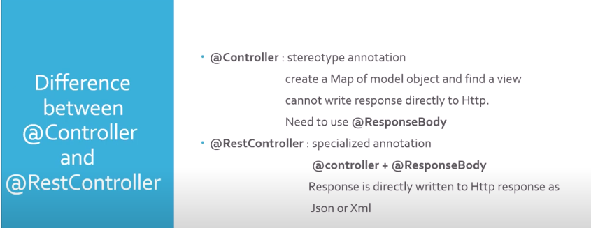
19 | difference between @RestController vs @Controller | It @RestController is introduced spring mvc | It @Controller
 | 1 | IT @Restcontroller it is specialized annotation | It is stereotype(standard) annotation
 | 2 | yo can see combination of@Controller +@ResponseBody | It create map of model objct and find a view.
 | 3 | the response is directly writte to http response json or xml. | If a springboot write a response direclty to http , it will give u error. So @controller you need to use @responseBody at the class level also

20 | difference between @CrudRepository vs @JpaRepository | CrudRepository : | JpaRepository :
 |  | Provides methods that support for basic crud operations. | extends pagingAndSortinggRepository, that extends crudrepository.
 |  | like findByOne, findAll, leadById, orderdByOne, this kind of basic operations | provides useful metod that support jpa implementation.
 |  |  | so jpaRepository is preferable

21 | How can I use any other logging frameworks like log4j? | 1) Remove default support for logback in pom.xml
 |  | 2) Add dependency for logging framework in pom.xml
 |  | 3) Add configuration file for logging framwork in classpath under src/main/resources
 |  | Ex : I have configuration file named under src/main/resources log4j.xml
 |  | 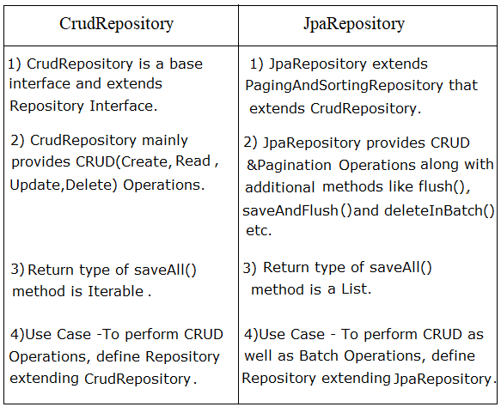

 |  | Let’s consider an example starter - Spring Boot Starter Web. | As a developer, I would not need to worry about either these dependencies or their compatible versions.

 |  | If you want to develop a web application or an application to expose restful services, Spring Boot Start Web is the starter to pick. Lets create a quick project with Spring Boot Starter Web using Spring Initializr.

 | Q : What is the difference between RequestMapping and GetMapping? | RequestMapping is generic - you can use with GET, POST, PUT or any of the other request methods using the method attribute on the annotation.
 |  | GetMapping is specific to GET request method. It’s just an extension of RequestMapping to improve clarity.

 | Q : What is the difference between JPA and Hibernate? | JPA is a specification/Interface
 |  | Hibernate is a JPA implementations

 |  | When we use JPA, we use the annotation and interfaces from javax.persistence package, without using the hibernate import packages.

 |  | We recommend using JPA annotations as we are not tied to Hibernate as implementation. Later (I know - <1% Chance), we can use another JPA implementation.

 | Q : How do we connect to a external database like MSSQL or oracle?
 | Let’s consider one of those as an example - MySQL

 | Step 1 - Add dependency for mqsql connector to pom.xml
 | <dependency>
 | <groupId>mysql</groupId>
 | <artifactId>mysql-connector-java</artifactId>
 | </dependency>

 | Step 2 - Remove H2 Dependency from pom.xml
 | Or atleast make its scope as test

 | <!--
 | <dependency>
 | <groupId>com.h2database</groupId>
 | <artifactId>h2</artifactId>
 | <scope>test</scope>
 | </dependency>
 | -->

 | Step 3 - Setup your My SQL Database
 | For more check out - https://github.com/in28minutes/jpa-with-hibernate#installing-and-setting-up-mysql

 | Step 4 - Configure your connection to My SQL Database
 | Configure application.properties

 | spring.jpa.hibernate.ddl-auto=none
 | spring.datasource.url=jdbc:mysql://localhost:3306/todo_example
 | spring.datasource.username=todouser
 | spring.datasource.password=YOUR_PASSWORD

 | Step 5 - Restart and You are ready!
 | That’s it

java
 |  | 1. Expalin about Exception Hierarchy?
 |  |  |  |  | 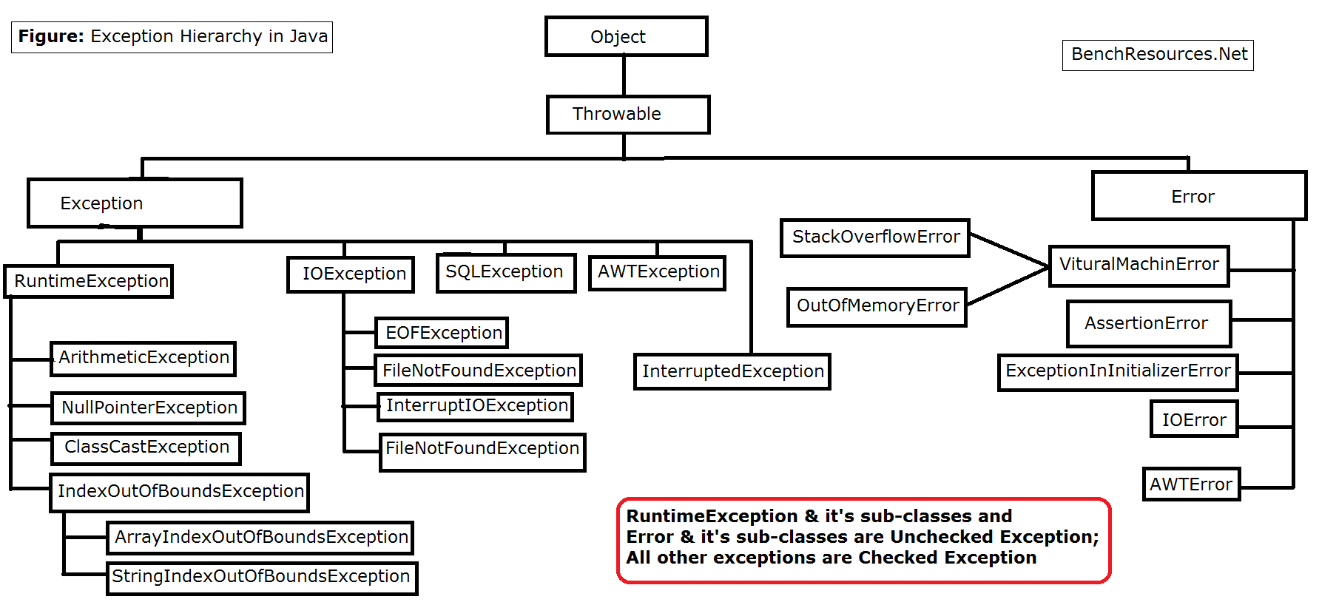 |  |  |  |  | 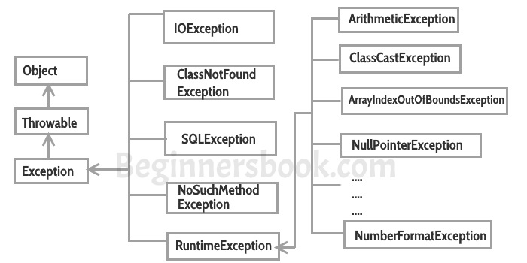

 | 3 | How you can achieve Security through Encapsulation? Type of security? |  |  |  |  |  | Encapsulation is wrapping the data(variables) and methods together as a single unit. The variables of class will be hidden from other class. ->declare variable as a private.
 |  |  |  |  |  |  |  | Encapsulation in java is achieved by using private members and public methods.
 |  |  |  |  |  |  |  | 1. Make members of a class as private.
 |  |  |  |  |  |  |  | 2. Define public setter and getter methods to modify and view the variables' values and access them outside the class only through getters and setters.

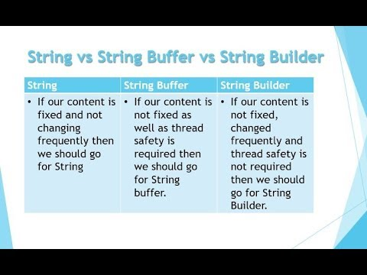

 |  | 4. String, StringBuffer,StringBuilder differences?

 | 5 | Life cycle of thread? | 1 | new | Once we create a thread object then it is said to be in new state or born state.

 |  |  | 2 | Runnable | I we call the start() method then the thread will be enter into ready or runnable state.

 |  |  | 3 | Running | thread scheduler allocate cpu then the thread will enter into runnung state.

 |  |  | 4 | non-runnable(Blocked) |  |  | This is the state when the thread is still alive, but is currently not eligible to run.

 |  |  | 5 | terminate |  | If run method completes then the thread will entered into deadstate.

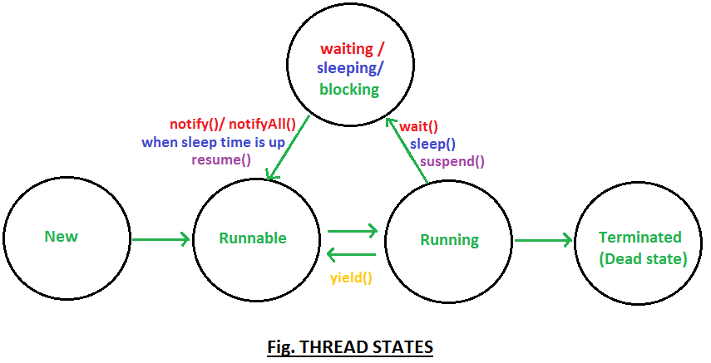

 | 6 | Is it possible to write concrete method in the interfaces? |  |  |  |  | A concrete method means, the method have complete definition. but it can be overridden in the inherited class, if we make this method "final" then it can not be overrided. declaring method or class "final" means it's implementation is complete. It is compulsory to overrided the abstract methods.

 |  |  |  |  |  |  | interface cannot have any concrete methods

 | 7 | Explain about OOPS? |  | They are an abstraction, encapsulation, inheritance, and polymorphism

 | 8 | How can you provide lock to block of code? (Asked to write code) |  |  |  |  |  | https://www.geeksforgeeks.org/object-level-class-level-lock-java/

 | 9 | Explain about Assertions? How can you enable or disable assertions?
 | 10 | Will you enable or disable assertions at the time of production? Why?
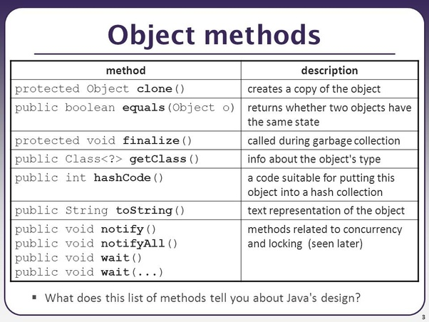

 | 11 | Explain about Object class?

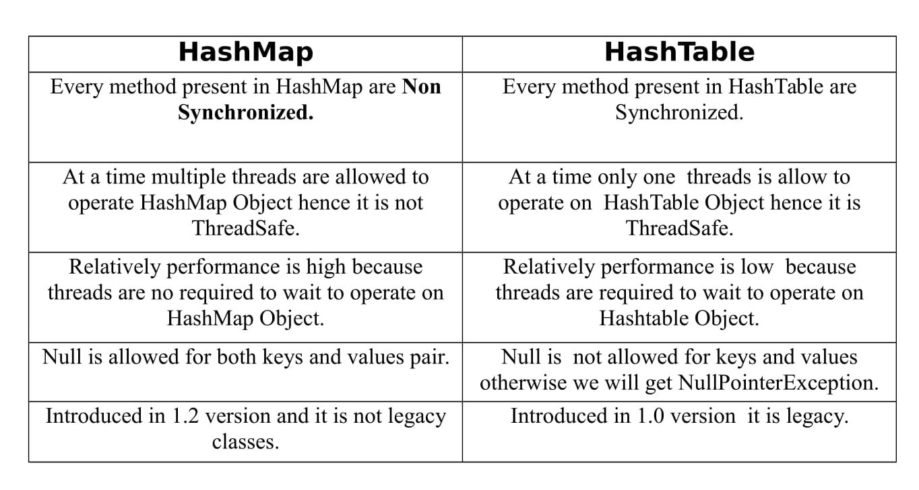
 | 12 | What is the difference between HashMap and Hashtable?

 | . HashMap is non synchronized. It is not-thread safe and can't be shared between many threads without proper synchronization code whereas Hashtable is synchronized. ... HashMap allows one null key and multiple null values whereas Hashtable doesn't allow any null key or value.

 | 13 | what is difference between Collection and Collections? |  |  |  |  | The Collection is an interface whereas Collections is a class. The Collection interface provides the standard functionality of data structure to List, Set, and Queue. However, Collections class is to sort and synchronize the collection elements.

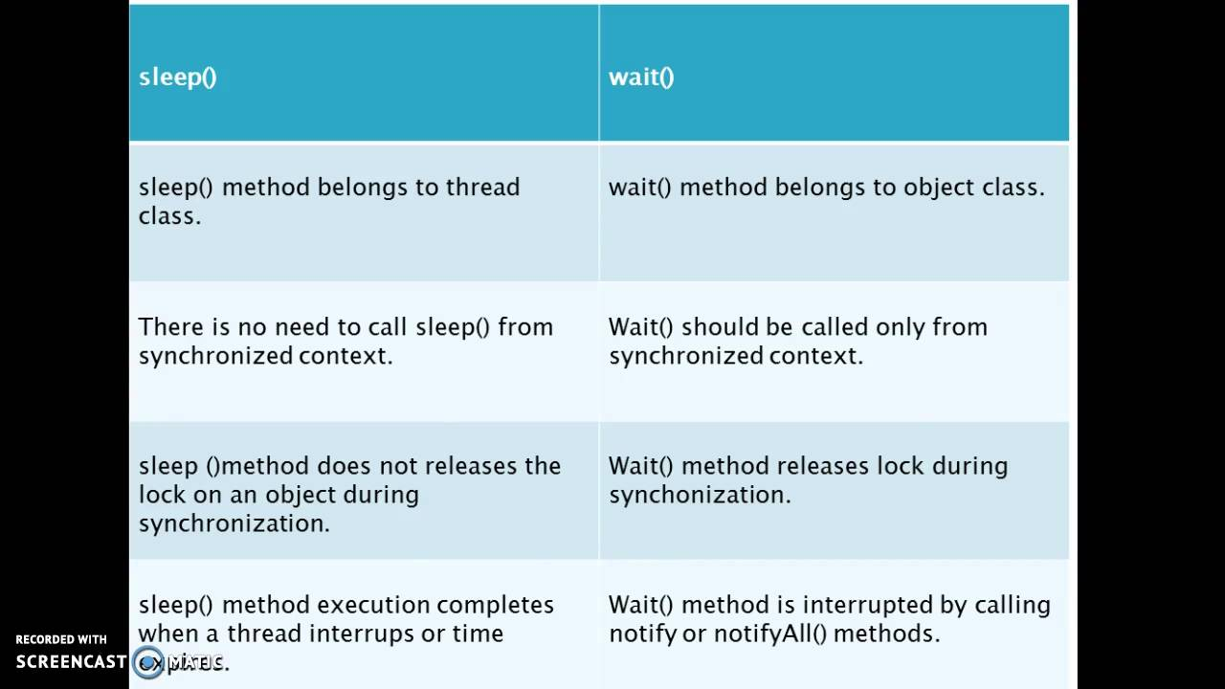
 | 14 | Collection framework hierarchy?
 | 15 | What is the difference between wait() and sleep()?
 |  |  |  |  |  | The major difference is that wait() releases the lock or monitor while sleep() doesn't releases the lock or monitor while waiting. wait() is used for inter-thread communication while sleep() is used to introduce pause on execution, generally. Thread.

 | 16 | write a code on Singleton design pattern? |  |  |  | https://dzone.com/articles/singleton-in-java
 | 17 | how to make normal class as a immutable class? |  |  |  | https://www.journaldev.com/129/how-to-create-immutable-class-in-java
 | 18 | write a code on Method overloading and method overriding?
 | 19 | How many ways to create a thread class?
 | 20 | what is the difference between web server and application server? Web server is part of application server why we need go for web server? |  |  |  | 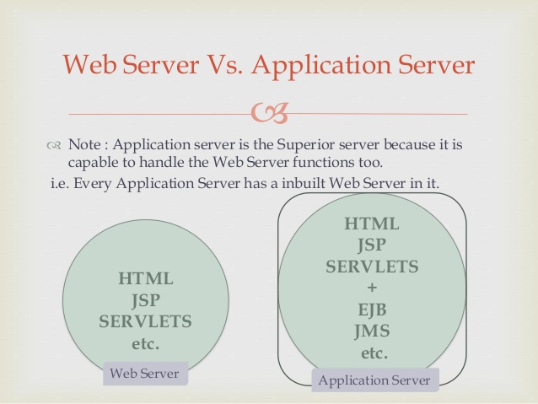 |  |  | 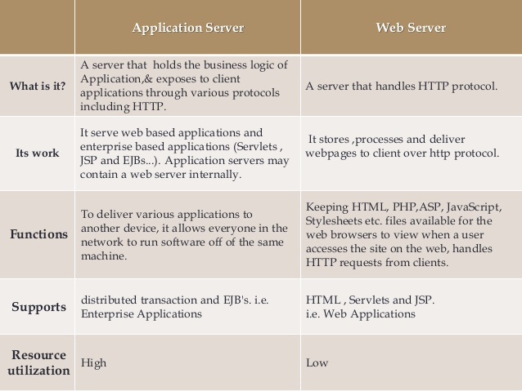
 | 21 | Difference between HttpServlet and GenericServlet? |  |  |  |  | The main difference is that, HttpServlet is a protocol dependent whereas GenericServlet is protocol independent. So GenericServlet can handle all types of protocols, but HttpServlet handle only HTTP specific protocols.
 | 22 | what is abstraction,ploymorphism and Inheritence with real time examples?
 | 23 | what is synchronization? with examples?
 | 24 | difference between final ,finally and finalize?
 | 25 | difference between throw and throws keywords?
 | 26 | what are checked and uncked exceptions?
 | 27

1

hibernate
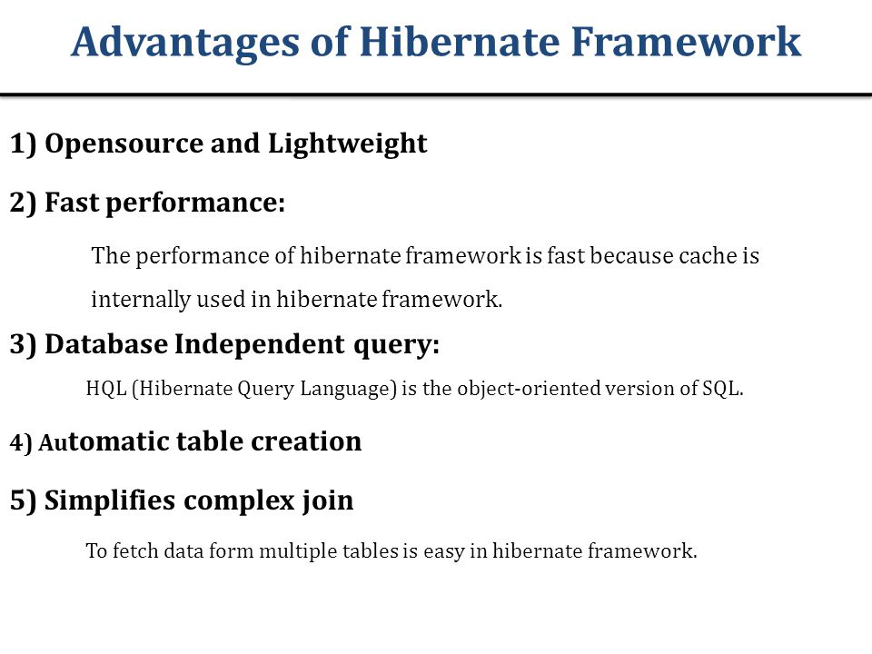
1 | Explain components of hibernate? |  |  | SessionFactory, session,transaction,query,criteria,configuration |  | https://www.tutorialspoint.com/hibernate/hibernate_architecture.htm
2 | Advantages of hibernate?

3 | Flow of hibernate from Configuration to session. Close ()?
 |  |  |  |  | https://www.java4s.com/hibernate/steps-to-use-hibernate-in-any-java-application/
 |  | 1 | Load configuration file . Create object of configuration
 |  | 2 | it will automaticaly load all hibernate file
 |  | 3 | crete sessionFactory object from configuration object
 |  | 4 | get session from sessionfactory
 |  | 5 | create sql/hql query
 |  | 6 | execute query
 |  | 7 | close session

spring
1 | Explain spring MVC flow?(in this they will ask cross questions) |  |  |  | https://codenuclear.com/spring-mvc-flow-with-example/#:~:text=Spring%20MVC%20is%20mostly%20used%20with%20Spring%20for%20any%20web%20application%20development.&text=It%20is%20responsible%20to%20manage,is%20applied%20on%20the%20method.

2 | Types of Controllers, ViewResolvers, Handlers?

 |  |  | http://www.javachain.com/spring/introduction-to-spring-mvc/spring-handlermapping/

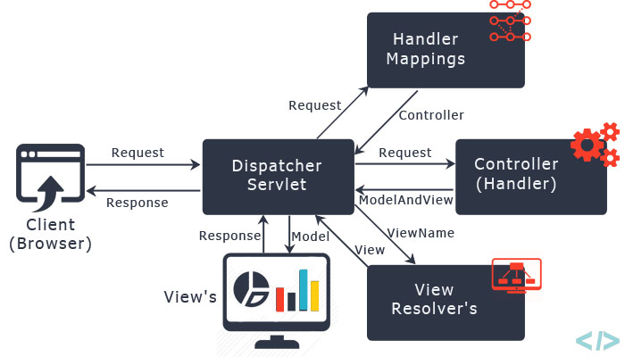
3 | Which view resolver you prefer? Why?
 | Spring provides view resolvers, which enable you to render models in a browser …
 | The ViewResolver provides a mapping between view names and actual views. ...
 | view resolution mechanism, but rather as it has been given the (redirect)

 | ViewResolver is an interface to be implemented by objects that can resolve views by name. There are plenty of ways using which you can resolve view names. ... Most commonly used implementation is InternalResourceViewResolver class. It defines prefix and suffix properties to resolve the view component.

4 | Need of form backing or command object?

 | Form Backing Object/Command Object This is a POJO that is used to collect all information on a form. It contains data only. It is also called a Command Object in some Spring tutorials. For example, an add a new car form page will have a Car form backing object with attribute data such as Year, Make and Model. You'll notice that it contains the same attributes as a domain object, thus typically, your domain object can double as a form backing object.

 | Springframework
 | 1) In which spring version are you used in your project? |  |  |  |  | Latest version 5.2 | 5.2 used |  | spring boot 2.3
 | 2)what is Dependency injection with real time example and types of dependency injections?
 | 3)What is autowiring and types of autowiring?
 | 4)spring life cycle?
 | 5)what is difference between BeanFactory and ApplicationContext container?
 | 6)Spring mvc working flow?
 | 7)Explain @Controller,@RequestMapping ,@Autowired,@Qualifier,@Queryparam,@Pathparam? |  |  |  |  |  |  | athParam are used to read values ​​from the request.
 | 8)@Service annotation is there why we go for @Autowired?
 | 9)what is DAO design pattern? |  |  | https://www.baeldung.com/java-dao-pattern#:~:text=The%20Data%20Access%20Object%20(DAO,mechanism)%20using%20an%20abstract%20API.
 | 10)what is difference between @Controller and @Restcontroller?

 |  | @QueryParam is used to read the values ​​from QueryParameters of a URI call. These are after? listed in a URI.
 |  | PathParams are location-dependent, while QueryParams are passed as a key value pair and therefore their order is irrelevant to more than one QueryParam.

 |  | The @PathVariable annotation is used for data passed in the URI (e.g. RESTful web services)

 |  | The @Qualifier annotation is used to resolve the autowiring conflict, when there are multiple beans of same type.

