NBr_TS_Ext
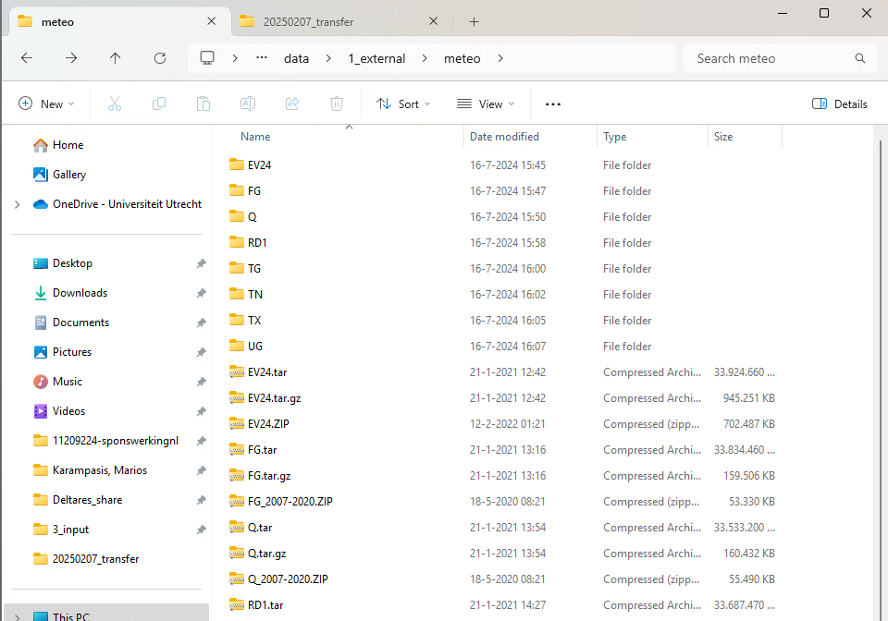
Parameter | N of files present | File Type | Min Av Date | Max Av Date | Last Date - Exception | TS | Data extend needed? | Extended? | Reference extend needed? | Referenced extended files? | Details
Precipitation |  | .asc | 1980-01-01 | 2020-10-05 |  | Daily | Proably no |  | Yes
Evaporation |  | .asc | 1980-01-01 | 2020-10-05 |  | Daily | Proably no |  | Yes
meteo-other | 4749 | .asc | 2007-01-01 | 2020-01-01 |  | Daily | Proably no
WEL-Ind_Aa_and_Maas | 17 | .txt | 1976-01-01 | 2018-01-01 | 2026-01-01 | Yearly | Maybe |  | No |  | There is one value for the 1st date of each year, until 2018. Then for 2026. Don't know why 2026, I imagine there might be some relevant regulation or smth.
WEL-BrWa | 860 | .txt | 1994-01-01 | 2017-01-01 | 2025-01-01 | Quarterly | Probably |  | No |  | Similar story to Ind_Aa_and_Maas.
WEL-Ind_Br | 826 | .txt | 1976-01-01 | 2020-04-30 | 2026-01-01 | Monthly | Proably no |  | No
CHD | 11656 | .IDF | 1993-01-01 | 2018-12-28 |  | twice per month | Maybe

iMOD_bugs
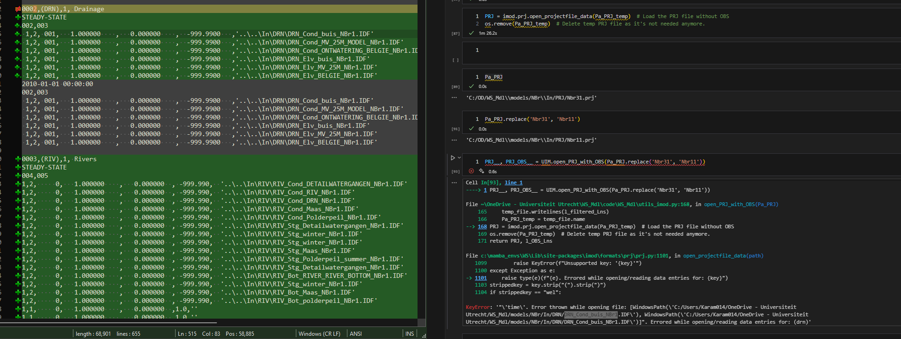
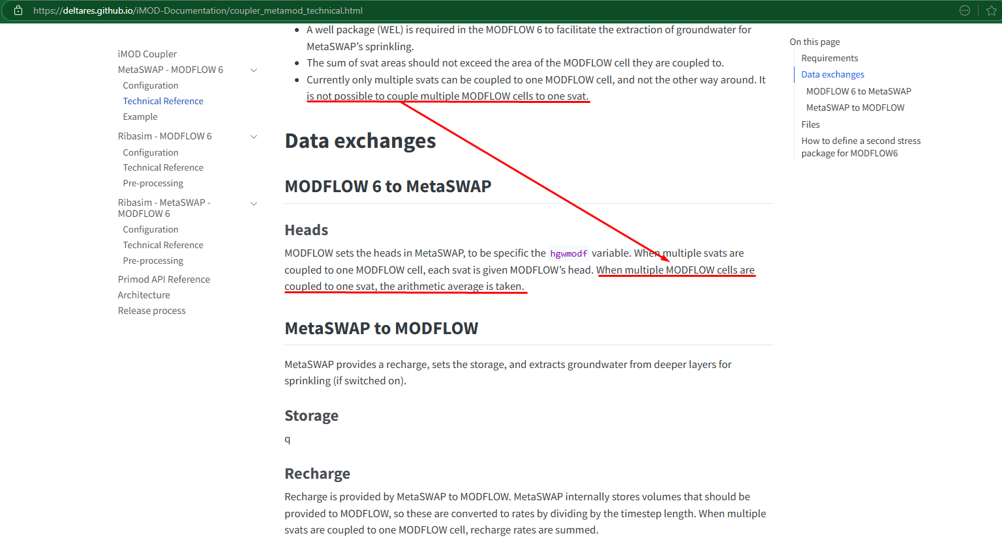
2 | Can't read OBS file (I had to make a my modified function to read a PRJ file with OBS) | imod python bugs/potential improvements: | Problem | Details
 |  | 1 | imod.formats.prj.open_projectfile_data | doesn't return dictionary, but tuple. First item is the dict, second item is the period_data dict.
3 | SHD array cannot have nan values, even when the layer thickness is 0 (so those cells become innactive) for some reason. | 2 | loading imod takes an eternity. Modularizing it would fix that. | It's modularized, but a lot of modules use import imod instead of importing specific libraries, which makes it much slower.
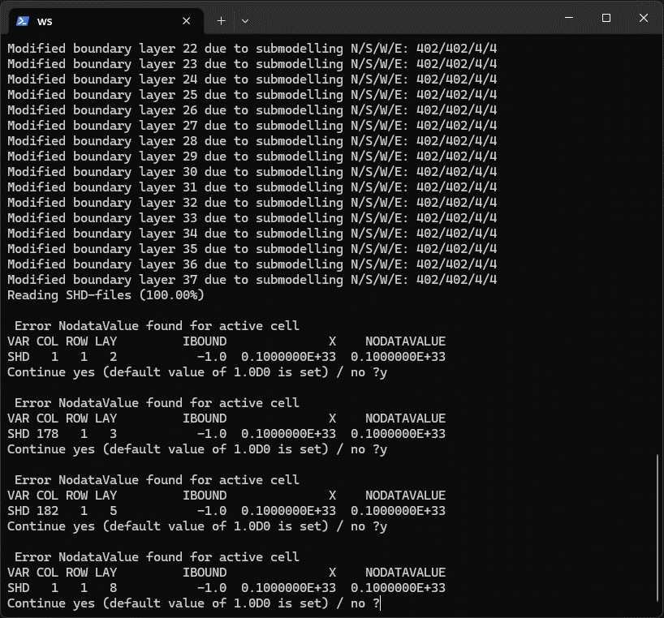
 |  | 3 | Can't load SS Sim where there is time in it's params. | I think time should be discarted in this case.

