NBr_TS_Ext
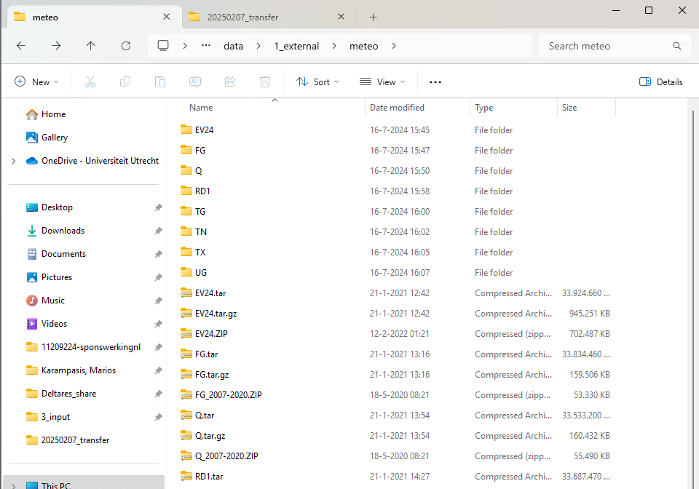
Parameter | Available for 1990-2003? | N of files present | File Type | Min Av Date | Max Av Date | Last Date - Exception | TS | Data extend needed? | Extended? | Reference extend needed? | Referenced extended files? | Details
Precipitation | YES |  | .asc | 1980-01-01 | 2020-10-05 |  | Daily | Proably no |  | Yes
Evaporation | YES |  | .asc | 1980-01-01 | 2020-10-05 |  | Daily | Proably no |  | Yes
meteo-other |  | 4749 | .asc | 2007-01-01 | 2020-01-01 |  | Daily | Proably no
WEL-Ind_Aa_and_Maas | YES | 17 | .txt | 1976-01-01 | 2018-01-01 | 2026-01-01 | Yearly | Maybe |  | No |  | There is one value for the 1st date of each year, until 2018. Then for 2026. Don't know why 2026, I imagine there might be some relevant regulation or smth.
WEL-BrWa | YES | 860 | .txt | 1994-01-01 | 2017-01-01 | 2025-01-01 | Quarterly | Probably |  | No |  | Similar story to Ind_Aa_and_Maas.
WEL-Ind_Br | YES | 826 | .txt | 1976-01-01 | 2020-04-30 | 2026-01-01 | Monthly | Proably no |  | No
CHD | 1993-2003 | 11656 | .IDF | 1993-01-01 | 2018-12-28 |  | twice per month | Maybe

iMOD_bugs
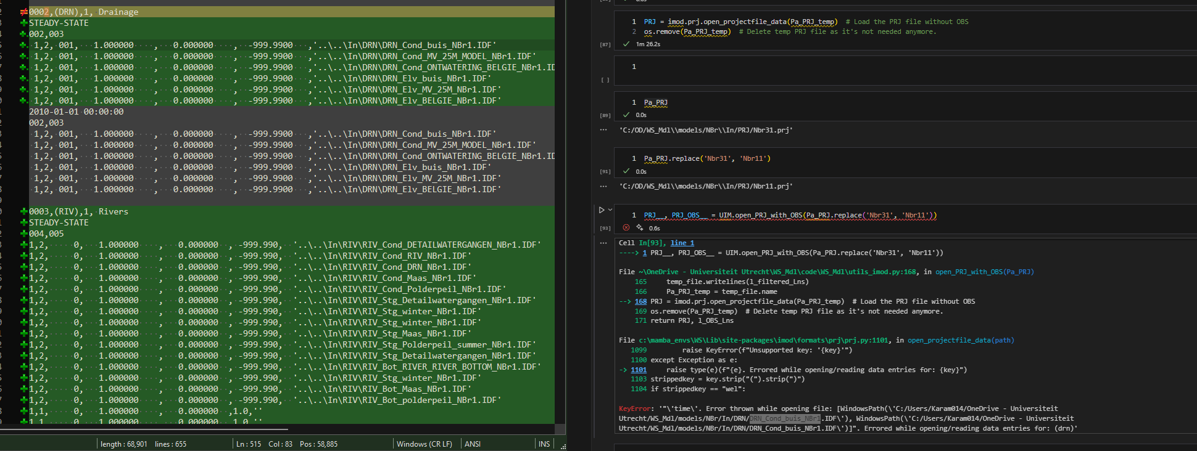
 |  |  |  | imod python bugs/potential improvements: |  | Screenshots related to bugs
# | Image # | Date Registered | Main problem | Problem | Details | Image # | Screenshot
1 |  |  |  | imod.formats.prj.open_projectfile_data | doesn't return dictionary, but tuple. First item is the dict, second item is the period_data dict. | 1
2 |  |  |  | loading imod takes an eternity. Modularizing it would fix that. | It's modularized, but a lot of modules use import imod instead of importing specific libraries, which makes it much slower.
3 | 1 |  |  | Can't load SS Sim where there is time in it's params. | I think time should be discarted in this case.
4 | 2 |  |  | Sentence of coupler documentation doesn't make sense. | Chech screenshot
5 |  |  |  | imod.open_projectfile_data + SS | PRJ file with SS block(s) causes an error.
6 |  |  |  | mf6.Modflow6Simulation + winter/summer | winter/summer can be loaded from PRJ, but when you try to make a sim
7 | 3 |  |  | Sim_MF6 = mf6.Modflow6Simulation.from_imod5_data(PRJ_regrid, period_data, times) | Gives Keyerror: 0. This is related to a WEL file of my PRJ file. I've found a fix - need to insert: well_rate = well_rate.reset_index(drop=True) before intermediate_df = pd.merge(... C:\mamba_envs\WS\Lib\site-packages\imod\util\expnd_repetitions.py
8 | 4 |  |  | idf_svat.inp made from imod python differs from imod5's. Same goes for other MSW files. | row1 col1 items present in MSW, unlike imod5. Also there are some duplicates, which I think are for places where there are 2 SVAT's per 1 MF cell. Those are present in the old file, but not the new one. But more investigation is necessary to be sure about what's going on.
9 | 5 | 2025-09-03 | imod python run giving errors on execution | metamod.write()'s para_sim.inp | Some parameters are missing. Check: C:\OD\WS_Mdl\code\Jupyter\explore\para_sim_comparisson\compare_para_sim.ipynb for more details. Although the image should be sufficient.

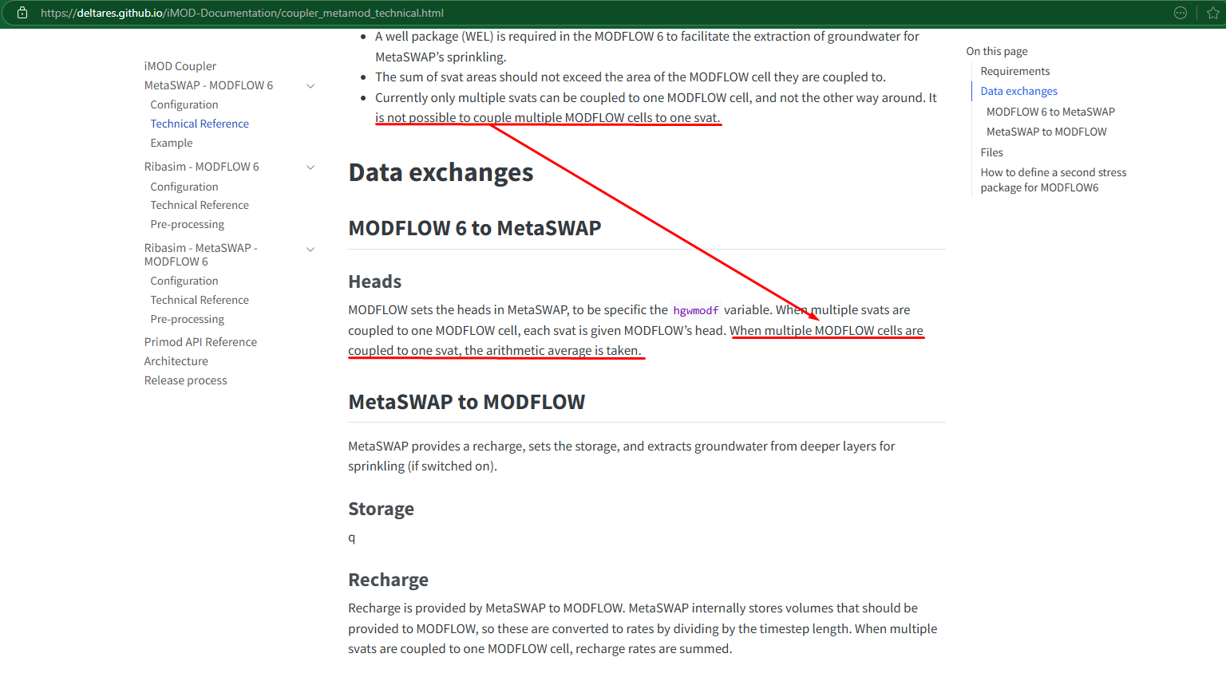
 |  |  |  |  |  | 2

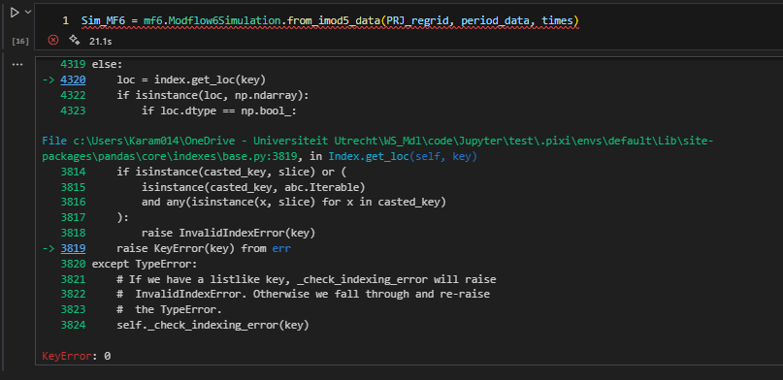
 |  |  |  |  |  | 3

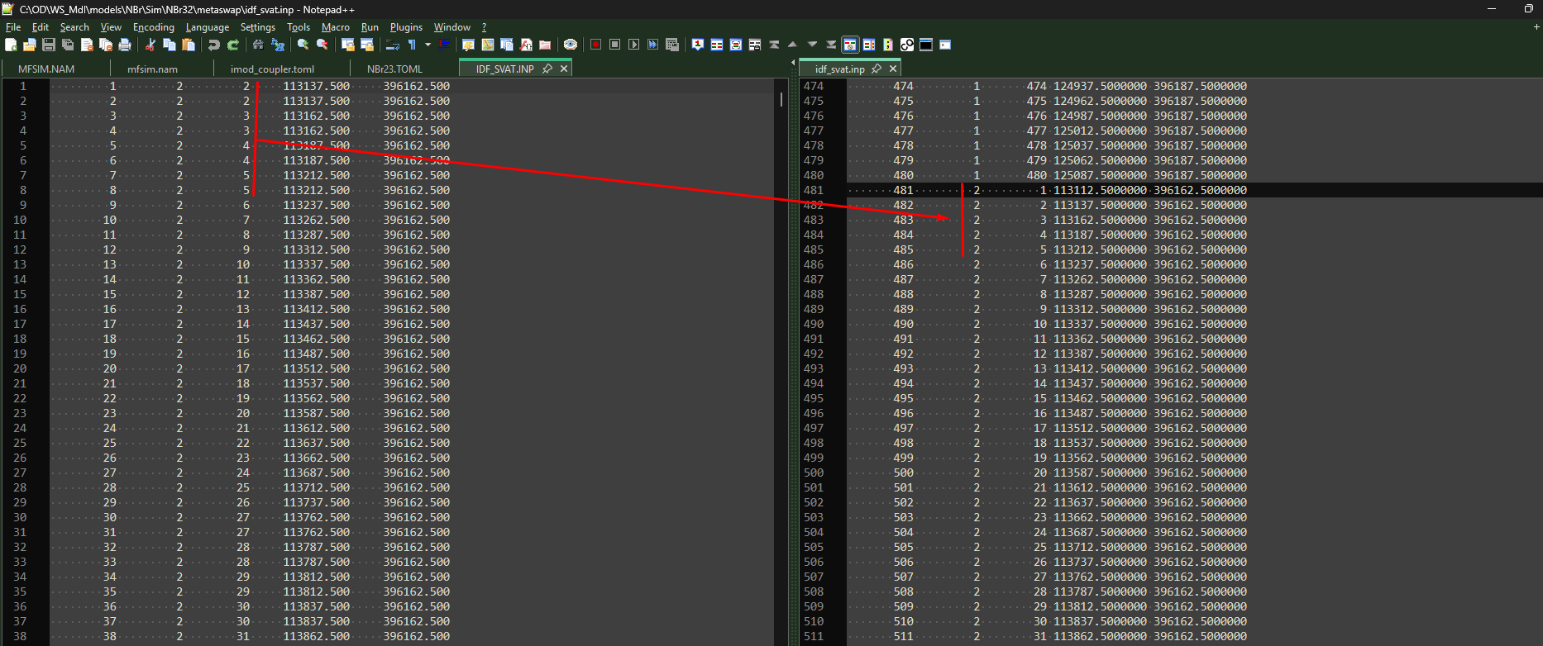
 |  |  |  |  |  | 4

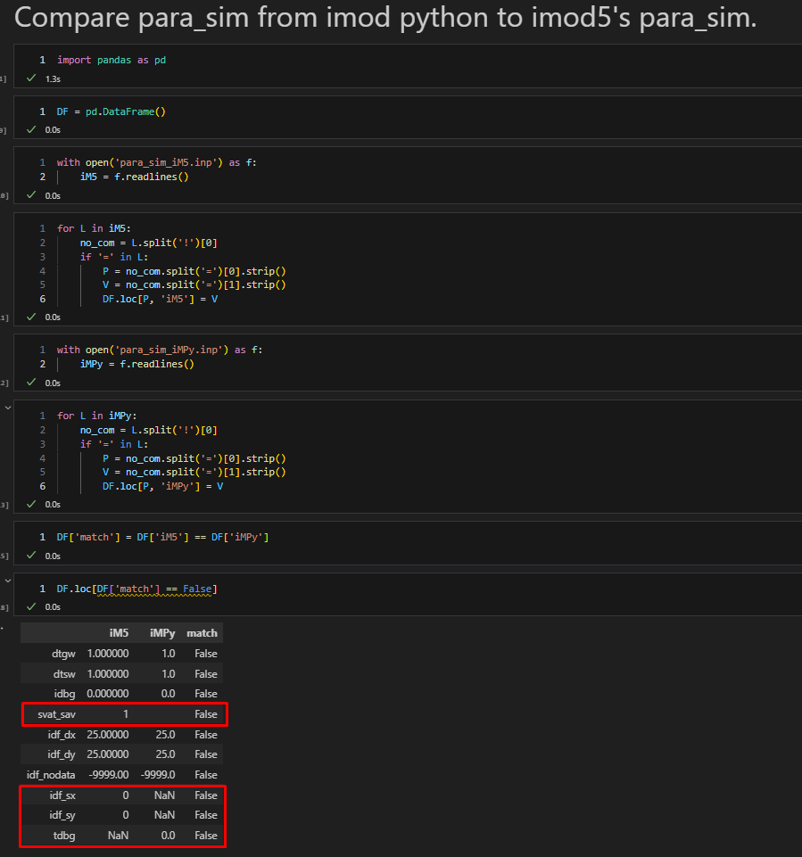
 |  |  |  |  |  | 5

