Sheet1
 | Train | MLE | 1s window | No aug
 | Glass | Synthetic | 536
 | Noise | Synthetic | 600
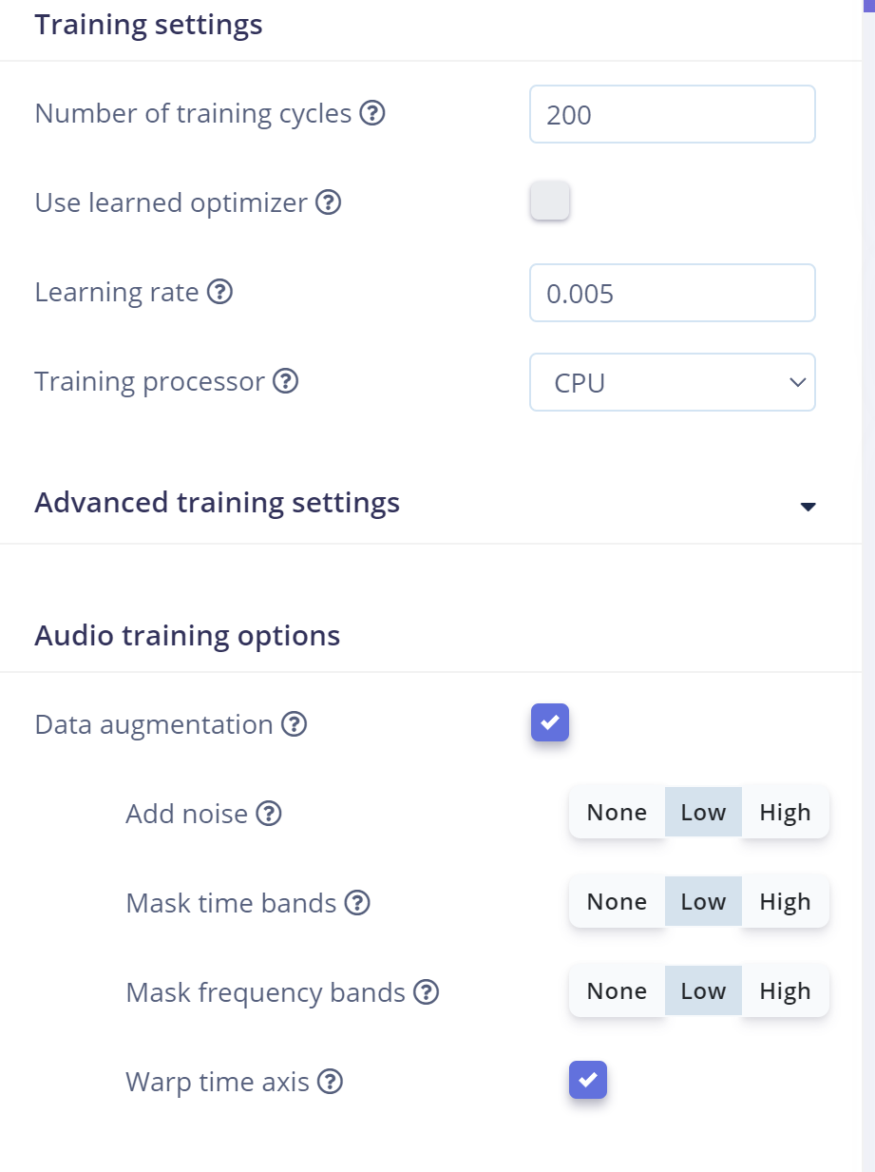
 | Glass | FSD50K | 347
 | Noise | MS-SNSD | 22
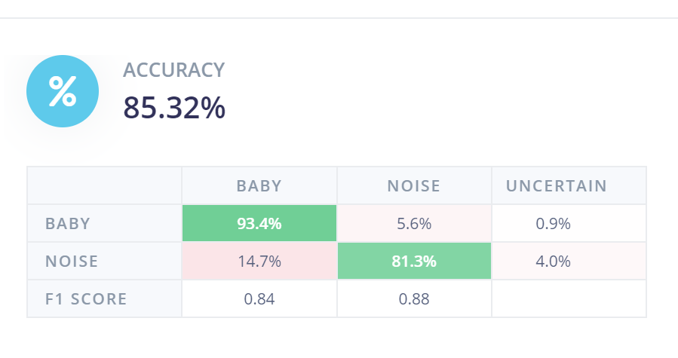

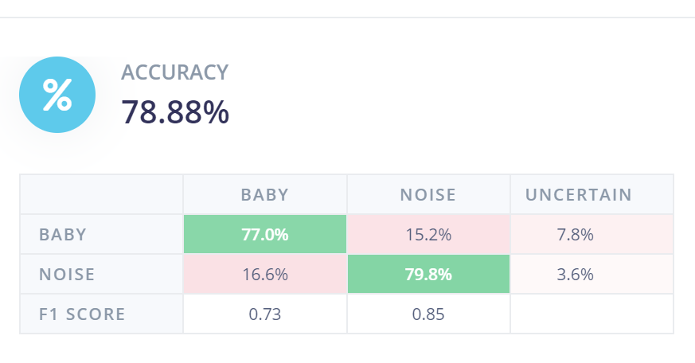
 | Baby Cry |  |  |  | Baby with my entire prompts with Google
Baby | 88%
Noise | 88%

 | If Google Sppech dataset removed from training
Baby | 88%
Noise | 45%

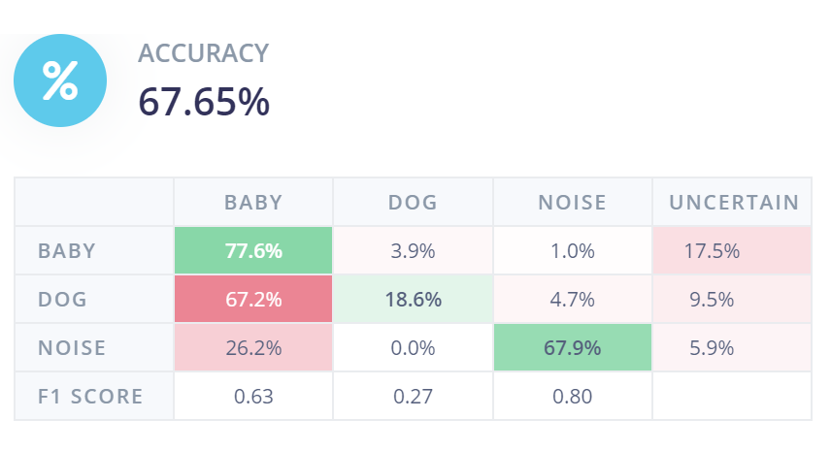
Glass breaking | No Google Speech dataset
 | 44% accuracy on glass
 |  |  |  |  |  | Baby | Dog | Noise
 | with Google speech

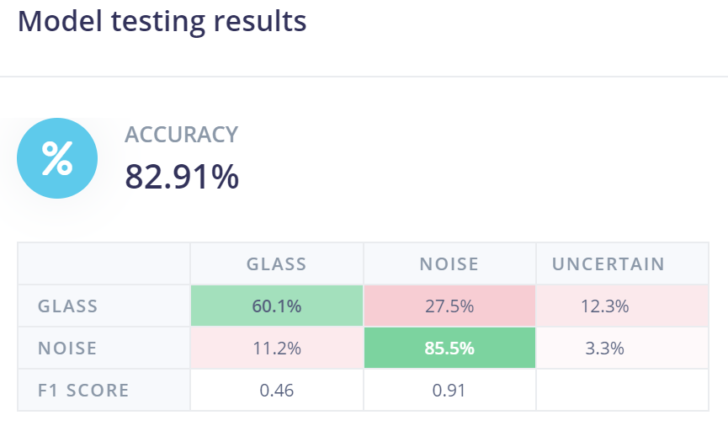
 | Only google speech noise

