Sheet1
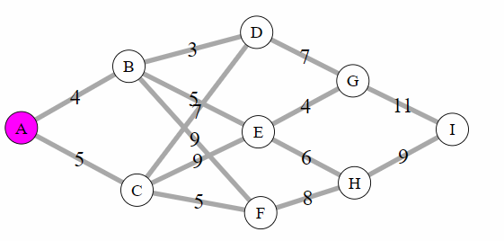
 | A | B | C | D | E | F | G | H | I
A | 0 | 4 | 5 | 0 | 0 | 0 | 0 | 0 | 0
B | 4 | 0 | 0 | 3 | 5 | 9 | 0 | 0 | 0
C | 5 | 0 | 0 | 7 | 9 | 5 | 0 | 0 | 0
D | 0 | 3 | 7 | 0 | 0 | 0 | 7 | 10 | 0
E | 0 | 5 | 9 | 0 | 0 | 0 | 4 | 6 | 0
F | 0 | 9 | 5 | 0 | 0 | 0 | 9 | 8 | 0
G | 0 | 0 | 0 | 7 | 4 | 9 | 0 | 0 | 11
H | 0 | 0 | 0 | 10 | 6 | 8 | 0 | 0 | 9
I | 0 | 0 | 0 | 0 | 0 | 0 | 11 | 9 | 0

