Sheet 1
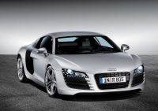 Price calculation
This Excel sheet is used as an example for PHPExcel (www.phpexcel.net). Data represented on this sheet is fictitious!

Prices last updated on: | 2013-07-11
Price calculation date: | 2008-03-28

Car base price: | € 170,000.00
Automatic transmission: | No | € 1,199.00
Car color: | Black | € 765.00
Leather seats: | No | € 5,112.25
Sports seats and suspension: | No | € 10,533.05

Total price: | € 170,765.00
Discount: | 5%

Grand total: | € 162,226.75

