Sheet1
Test Scenario | Test Case Type | Test Case Id | Test Case Name | Preconditions | Test Case Steps | Test Data | Exepcted Result | Actual Result | Attachement | Priority | Run Result
Verify Change Discount scope | Functional Test cases | 1 | Submission with valid data /positive test./ | https://exam-qwallity.herokuapp.com/ is opened, Admin user logged in, Change Discount screen opened | 1.Choose any Course type from ddl, 2. Fill valid data into the discount and course_count fields, 3. Click on Change Discount button | discount: 25 course_count: 3 | Discount should changed successfully | Discount has changed successfully | 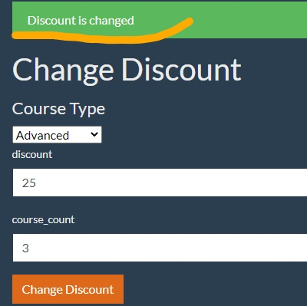 | critical | pass
 |  | 2 | Submission with invalid data /negative test./ | https://exam-qwallity.herokuapp.com/ is opened, Admin user logged in, Change Discount screen opened | 1.Choose any Course type from ddl, 2. Fill invalid data to the discount and course_count fields, 3. Click on Change Discount button | discount: 0; -45; 560; hjdfj% ; course_count: 0; -10; fgdgrg; 43668364168769769779 | discount and course_count fields are numeric | discount and course_count fields allow to fill letters, negative numbers, unlimited count numbers | 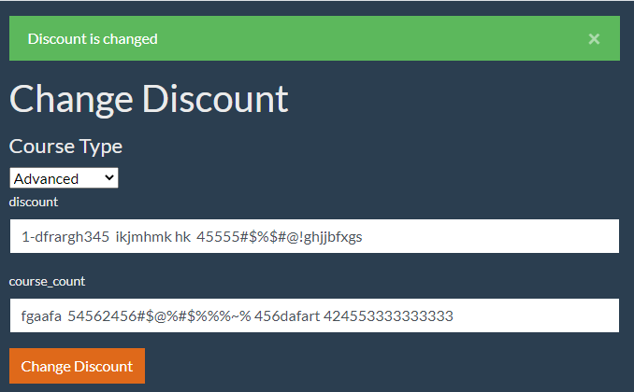 | critical | fail
 |  | 3 | No error message | https://exam-qwallity.herokuapp.com/ is opened, Admin user logged in, Change Discount screen opened | 1.Choose any Course type from ddl, 2. Fill invalid data to the discount and course_count fields, 3. Click on Change Discount button | discount: 0; -45; 560; hjdfjhkk; course_count: 0; -10; fgdgrgjik%$&; 43668364168769769779 | After submission user should see error messages from the backend | There is no error message | 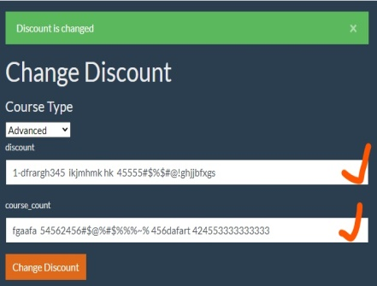 | high | fail
 | UI test cases | 4 | Options in the Course Type ddl | https://exam-qwallity.herokuapp.com/ is opened, Admin user logged in, Change Discount screen opened | Check the Course Type ddl | no need | The Course Type field must not have selected course type by default | Advanced type has already selected | 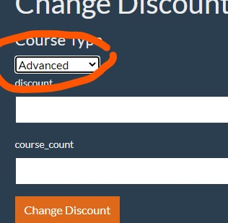 | medium | fail
 |  | 5 | Wrong notification | https://exam-qwallity.herokuapp.com/ is opened, Admin user logged in, Change Discount screen opened | 1.Choose any Course type from ddl, 2. Fill any data to the discount and course_count fields, 3. Click on Change Discount button | discount: any data course_count: any data | After submission admin see notification: “Discount changes” | The notification message is: “Discount is changed” | 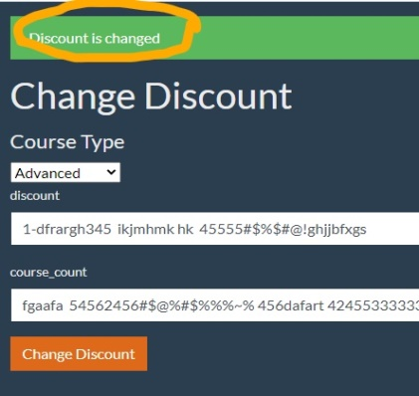 | low | fail
 |  | 6 | Change Discount screen | https://exam-qwallity.herokuapp.com/ is opened, Admin user logged in, Change Discount screen opened | Chack Change Discount screen all required fields, options and buttons | no need | Change Discount screen should contain Course Type ddl with Advanced and Fundamental options, discount field, course_count, and Change Discount button | Change Discount screen contains Course Type ddl with Advanced and Fundamental options, discount field, course_count, and Change Discount button | 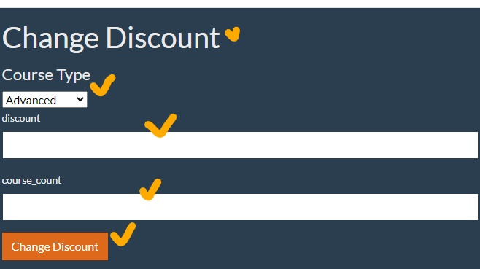 | high | pass
 | Integration test cases | 7 | Checking UI and DB integration /positive/ | https://exam-qwallity.herokuapp.com/ is opened, Admin user logged in, Change Discount screen opened, Qwallity DB is opened in MySQL Workbench | 1.Choose any Course type from ddl, 2. Fill valid data into the discount and course_count fields, 3. Click on Change Discount button, 4. Go to MySQL Workbench qwallity db, 5. Check course_discount table | discount: 20 course_count: 2 | DB course_discount data should be the same as UI discount and course_count data | DB course_discount data is the same as UI discount and course_count data | 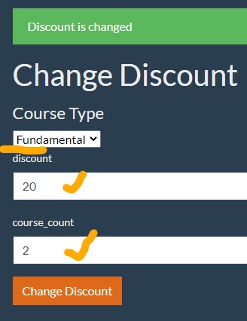 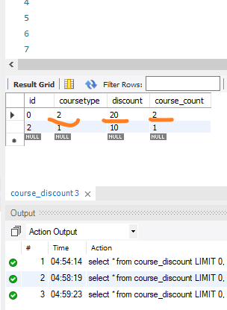 | high | pass
 |  | 8 | UI and DB integration /negative/ | https://exam-qwallity.herokuapp.com/ is opened, Admin user logged in, Change Discount screen opened, Qwallity DB is opened in MySQL Workbench | 1.Choose any Course type from ddl, 2. Fill invalid data into the discount and course_count fields, 3. Click on Change Discount button, 4. Go to MySQL Workbench qwallity db, 5. Check course_discount table | discount: 6438136436436438368366368 course_count: 6 | DB course_discount data should be the same as UI discount and course_count data | DB discount data doesn't match with UI discount data | 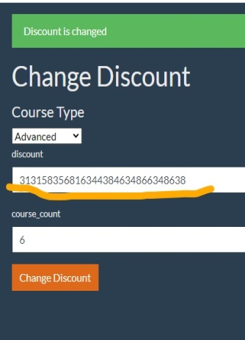 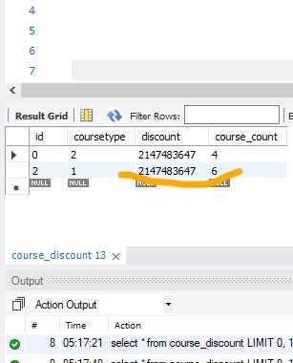 | hingh | fail
 |  | 9 | Admin and non admin pages integration /positive/ | https://exam-qwallity.herokuapp.com/ is opened, Admin user logged in, Change Discount screen opened | 1.Choose any Course type from ddl, 2. Fill valid data into the discount and course_count fields, 3. Click on Change Discount button, 4. Go to non admin user page, 5. Buy courses | discount: 45 course_count: 5 | Non-admin user discount should match with the discount configured by admin user | Non-admin user discount matchs with the discount configured by admin user | 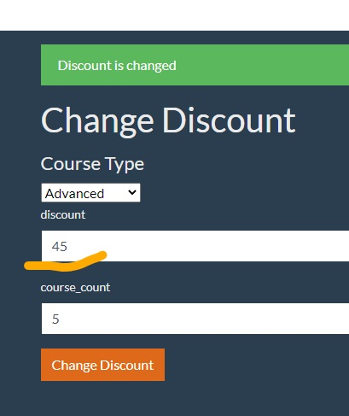 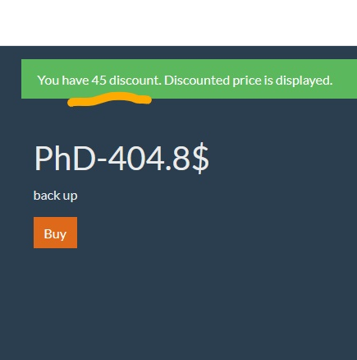 | high | pass
 |  | 10 | Admin and non admin pages integration /negative/ | https://exam-qwallity.herokuapp.com/ is opened, Admin user logged in, Change Discount screen opened | 1.Choose any Course type from ddl, 2. Fill invalid data into the discount and course_count fields, 3. Click on Change Discount button, 4. Go to non admin user page, 5. Buy courses | discount: 453535653153 course_count: 5 | Non-admin user discount should match with the discount configured by admin user | Non-admin user discount doesn't match with the discount configured by admin user | 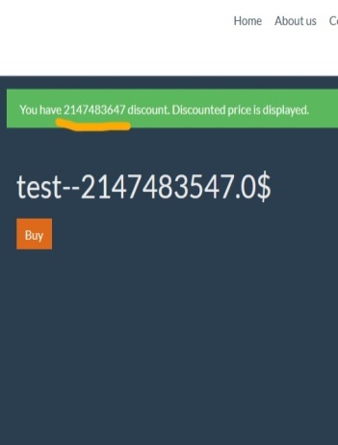 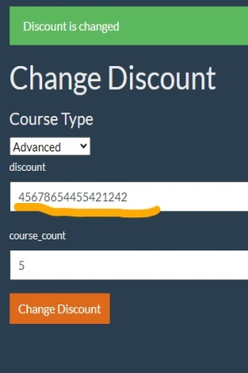 | high | fail
Check non admin user page | API test case | 11 | Set discount from API /positive/ | Valid discount has set from API via postman.com , https://exam-qwallity.herokuapp.com/ is opened, non admin user logged in | 1. Click on the Courses button, 2. Click on any course type button, 3. Click on any Buy button | Body: { "course_type": "Fundamental", "discount": 50, "course_count": 4 } | Non-admin user discount should match with the discount configured from API | Non-admin user discount matchs with the discount configured from API | 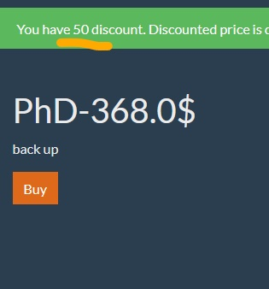 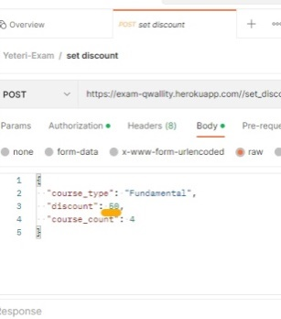 | high | pass
 |  | 12 | Set discount from API /negative/ | Invalid discount has set from API via postman.com , https://exam-qwallity.herokuapp.com/ is opened, non admin user logged in | 1. Click on the Courses button, 2. Click on any course type button, 3. Click on any Buy button | Body: { "course_type": "Fundamental", "discount": 89321454543554654, "course_count": 4 } | Non-admin user discount should match with the discount configured from API | Non-admin user discount doesn't match with the discount configured from API | 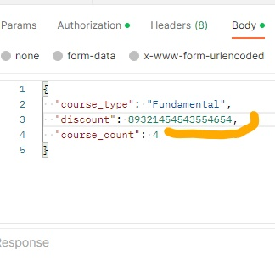  | high | fail
 | UI test case | 13 | Wrong notification | https://exam-qwallity.herokuapp.com/ is opened, non admin user logged in | 1. Click on the Courses button, 2. Click on any course type button, 3. Click on any Buy button | - | Notification should be: “You have xxx discount. Discounted price displays." | Notification is: “You have xxx discount. Discounted price is displayed."" | 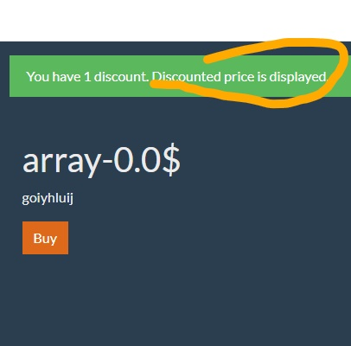 | low | fail

