Debt Summary
Headcount by Department
Headcount by department & type
department | employment_type | headcount | avg_hourly_rate | min_rate | max_rate
Dispatch | Full-Time | 3 | $28.50 | $23.50 | $38.00
Finance | Full-Time | 2 | $30.25 | $26.50 | $34.00
HR | Full-Time | 2 | $27.00 | $25.00 | $29.00
Logistics | Full-Time | 3 | $25.00 | $18.00 | $30.00
Logistics | Part-Time | 1 | $18.00 | $18.00 | $18.00
Operations | Full-Time | 3 | $28.67 | $21.50 | $42.50
Operations | Part-Time | 1 | $19.75 | $19.75 | $19.75

Estimated annual payroll by department
department | estimated_annual_payroll
Operations | $199,420.00
Dispatch | $177,840.00
Logistics | $174,720.00
Finance | $125,840.00
HR | $112,320.00
Estimated Annual Payroll by Department

Attendance KPIs
Attendance Summary Per Employee |  |  |  |  |  |  |  |  | Row Labels | Sum of absent_days | Sum of late_days | Average of attendance_rate_pct
employee_id | full_name | department | total_logged_days | present_days | absent_days | late_days | attendance_rate_pct | status | Dispatch | 0 | 0 | 100.0
1003 | Damon Price | Operations | 15 | 10 | 2 | 3 | 66.67 | ⚠ REVIEW | Logistics | 0 | 1 | 93.3
1002 | Layla Hassan | Operations | 15 | 12 | 1 | 2 | 80.00 | Monitor | Operations | 3 | 5 | 73.3
1007 | James Osei | Logistics | 15 | 14 | 0 | 1 | 93.33 | ✓ Good | Grand Total | 3 | 6 | 85.0
1010 | Chloe Martin | Dispatch | 15 | 15 | 0 | 0 | 100.00 | ✓ Good

Monthly Absences by Department
Monthly Absence by Department
department | month | absences | late_arrivals
Dispatch | 2024-01 | 0 | 1
Dispatch | 2024-02 | 1 | 1
Dispatch | 2024-03 | 1 | 1
Logistics | 2024-01 | 1 | 1
Logistics | 2024-02 | 1 | 1
Logistics | 2024-03 | 1 | 1
Operations | 2024-01 | 1 | 2
Operations | 2024-02 | 2 | 2
Operations | 2024-03 | 2 | 2

Overtime
Overtime Hours & Cost by Department
Overtime Per Employee
employee_id | full_name | department | hourly_rate | total_ot_hours | total_ot_cost | ot_category
1007 | James Osei | Logistics | $18.00 | 21.5 | $580.50 | High OT
1006 | Priya Kapoor | Logistics | $30.00 | 16 | $720.00 | High OT
1002 | Layla Hassan | Operations | $22.00 | 15 | $495.00 | Moderate
1003 | Damon Price | Operations | $21.50 | 13.5 | $435.38 | Moderate
1010 | Chloe Martin | Dispatch | $24.00 | 12.5 | $450.00 | Moderate
1011 | Kevin Adler | Dispatch | $23.50 | 5.5 | $193.88 | Low

 |  |  |  |  |  |  | 3

Overtime Per Department
department | dept_ot_hours | dept_ot_cost
Logistics | 37.5 | $1,300.50
Operations | 28.5 | $930.38
Dispatch | 18 | $643.88

Weekly Overtime Hours Trend
Weekly Overtime Trend
week_start | employees_with_ot | total_ot_hours
2024-01-08 | 4 | 19
2024-01-15 | 2 | 11
2024-01-22 | 1 | 2
2024-02-05 | 3 | 16.5
2024-02-12 | 2 | 7.5
2024-02-19 | 1 | 4.5
2024-03-04 | 3 | 15
2024-03-11 | 2 | 8.5

Performance
Average Performance Score by Department
Average Score By Department/Quarter
department | review_quarter | avg_score | reviews_completed
Dispatch | Q1 2024 | 4.03 | 3
Dispatch | Q2 2024 | 4.27 | 3
Finance | Q1 2024 | 3.75 | 2
Finance | Q2 2024 | 4 | 2
HR | Q1 2024 | 4 | 2
HR | Q2 2024 | 4.2 | 2
Logistics | Q1 2024 | 3.58 | 4
Logistics | Q2 2024 | 3.83 | 4
Operations | Q1 2024 | 3.8 | 3
Operations | Q2 2024 | 4.07 | 3

Attendance Rate vs. Performance Score
Perfomance Score Change Per Employee
employee_id | full_name | department | q1_score | q2_score | score_change | trend
1006 | Priya Kapoor | Logistics | 3.90 | 4.30 | +0.4 | Improved
1002 | Layla Hassan | Operations | 3.80 | 4.10 | +0.3 | Improved
1004 | Sofia Nguyen | Operations | 3.20 | 3.50 | +0.3 | Improved
1010 | Chloe Martin | Dispatch | 3.60 | 3.90 | +0.3 | Improved
1015 | Owen Murphy | Finance | 3.30 | 3.60 | +0.3 | Improved
1003 | Damon Price | Operations | 4.40 | 4.60 | +0.2 | Improved
1005 | Andre Brooks | Logistics | 4.00 | 4.20 | +0.2 | Improved
1007 | James Osei | Logistics | 3.50 | 3.70 | +0.2 | Improved
1008 | Hannah Cole | Logistics | 2.90 | 3.10 | +0.2 | Improved
1009 | Tariq Saleh | Dispatch | 4.50 | 4.70 | +0.2 | Improved
1011 | Kevin Adler | Dispatch | 4.00 | 4.20 | +0.2 | Improved
1012 | Amara Diallo | HR | 4.30 | 4.50 | +0.2 | Improved
1013 | Liam Cheng | HR | 3.70 | 3.90 | +0.2 | Improved
1014 | Fatima Al-Rashid | Finance | 4.20 | 4.40 | +0.2 | Improved

Attendance vs Performance
employee_id | full_name | department | attendance_rate_pct | avg_performance_score
1003 | Damon Price | Operations | 66.70 | 4.50
1002 | Layla Hassan | Operations | 80.00 | 3.95
1007 | James Osei | Logistics | 93.33 | 3.60
1010 | Chloe Martin | Dispatch | 100.00 | 3.75

Summary Dashboard
Workforce Operations KPI Dashboard - Q1/Q2 2024 |  |  |  |  |  |  |  |  | Last Updated: 05/24/2026

Total Headcount |  |  | Avg Attendance % |  |  | Avg Perf Score | Total OT Cost | Depts Tracked
15 |  |  | 60.97 |  |  | 3.95 | 2874.76 | 5
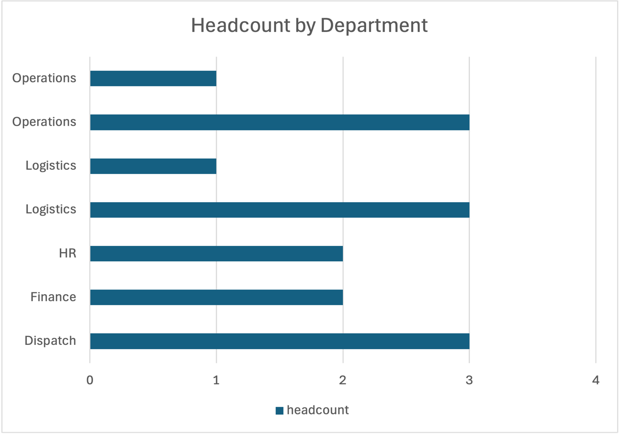
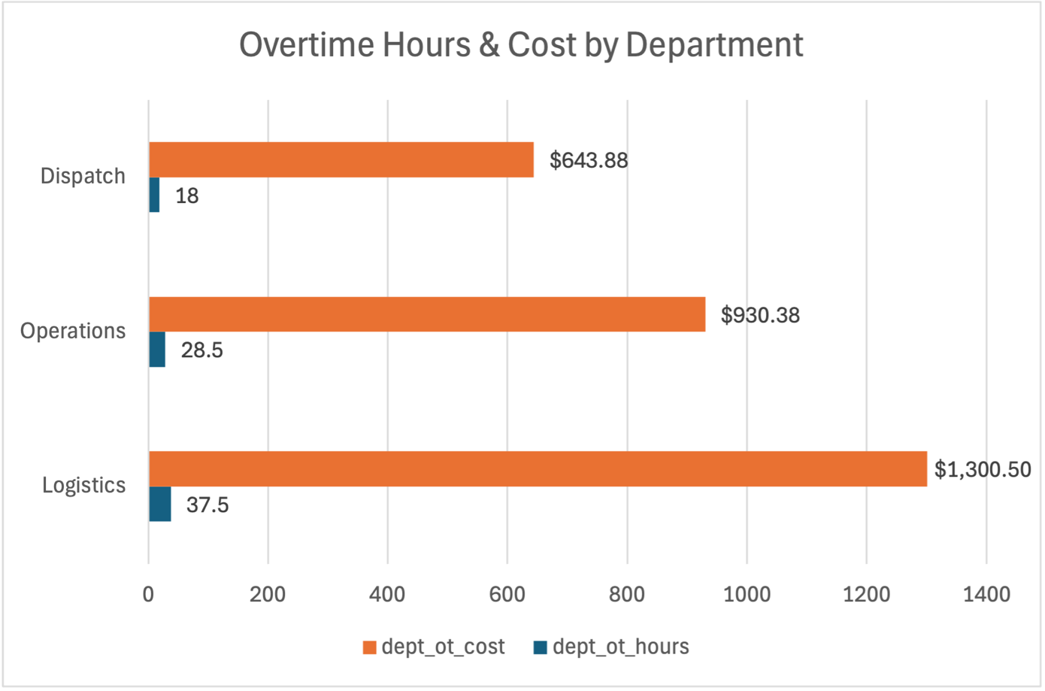

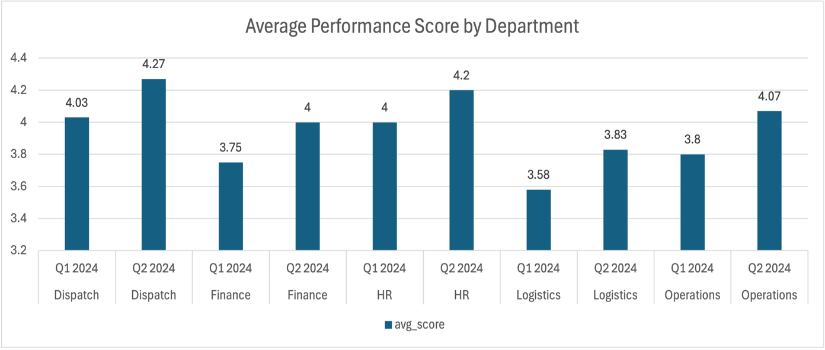

department | headcount | avg_hourly_rate | avg_attendance_pct | avg_perf_score | total_ot_hours
Dispatch | 3 | 24.27 | 60 | 3.78 | 386
Finance | 2 | 30.25 | NULL | 3.88 | NULL
HR | 2 | 27 | NULL | 4.1 | NULL
Logistics | 4 | 18.9 | 60 | 3.63 | 677
Operations | 4 | 21.86 | 62.9 | 4.18 | 855

