1
test | temp(1) | pres(2) | time(3) | trial_1 | trial_2 | trial_3 | avg | trial_1 | trial_2 | trial_3 | between test | trial_1-ybar | trial_2-ybar | trial_3-ybar |  | X1 | X2 | X3 | X1X2 | X1X3 | X2X3 | X1X2X3 | X1 | X2 | X3 | X1X2 | X1X3 | X2X3 | X1X2X3 | trial_1
1 | -1 | -1 | -1 | 61.43 | 58.58 | 57.07 | 59.026666667 | 11.56125 | 8.71125 | 7.20125 | 9.1579166667 | 2.4033333333 | -0.44666666667 | -1.9566666667 |  | -1 | -1 | -1 | 1 | 1 | 1 | -1 | -1 | -1 | -1 | 1 | 1 | 1 | -1 | 61.43
2 | 1 | -1 | -1 | 75.62 | 77.57 | 75.75 | 76.313333333 | 25.75125 | 27.70125 | 25.88125 | 26.444583333 | -0.69333333333 | 1.2566666667 | -0.56333333333 |  | 1 | -1 | -1 | -1 | -1 | 1 | 1 | 1 | -1 | -1 | -1 | -1 | 1 | 1 | 75.62
3 | -1 | 1 | -1 | 27.51 | 34.03 | 25.07 | 28.87 | -22.35875 | -15.83875 | -24.79875 | -20.99875 | -1.36 | 5.16 | -3.8 |  | -1 | 1 | -1 | -1 | 1 | -1 | 1 | -1 | 1 | -1 | -1 | 1 | -1 | 1 | 27.51
4 | 1 | 1 | -1 | 51.37 | 48.49 | 54.37 | 51.41 | 1.50125 | -1.37875 | 4.50125 | 1.54125 | -0.04 | -2.92 | 2.96 |  | 1 | 1 | -1 | 1 | -1 | -1 | -1 | 1 | 1 | -1 | 1 | -1 | -1 | -1 | 51.37
5 | -1 | -1 | 1 | 24.8 | 20.69 | 15.41 | 20.3 | -25.06875 | -29.17875 | -34.45875 | -29.56875 | 4.5 | 0.39 | -4.89 |  | -1 | -1 | 1 | 1 | -1 | -1 | 1 | -1 | -1 | 1 | 1 | -1 | -1 | 1 | 24.8
6 | 1 | -1 | 1 | 43.58 | 44.31 | 36.99 | 41.626666667 | -6.28875 | -5.55875 | -12.87875 | -8.2420833333 | 1.9533333333 | 2.6833333333 | -4.6366666667 |  | 1 | -1 | 1 | -1 | 1 | -1 | -1 | 1 | -1 | 1 | -1 | 1 | -1 | -1 | 43.58
7 | -1 | 1 | 1 | 45.2 | 49.53 | 50.29 | 48.34 | -4.66875 | -0.33875 | 0.42125 | -1.52875 | -3.14 | 1.19 | 1.95 |  | -1 | 1 | 1 | -1 | -1 | 1 | -1 | -1 | 1 | 1 | -1 | -1 | 1 | -1 | 45.2
8 | 1 | 1 | 1 | 70.51 | 74 | 74.68 | 73.063333333 | 20.64125 | 24.13125 | 24.81125 | 23.194583333 | -2.5533333333 | 0.93666666667 | 1.6166666667 |  | 1 | 1 | 1 | 1 | 1 | 1 | 1 | 1 | 1 | 1 | 1 | 1 | 1 | 1 | 70.51
 |  |  |  |  |  |  |  |  |  |  |  |  |  |  |  |  |  |  |  |  |  |  | -1 | -1 | -1 | 1 | 1 | 1 | -1 | 58.58
y bar bar | m | n |  |  |  |  |  |  |  |  |  |  |  |  |  | X1 | X2 | X3 | X1X2 | X1X3 | X2X3 | X1X2X3 | 1 | -1 | -1 | -1 | -1 | 1 | 1 | 77.57
49.86875 | 8 | 3 |  |  |  |  |  |  |  |  |  |  |  |  | 1 | 60.603333333 | 50.420833333 | 45.8325 | 50.95 | 50.646666667 | 64.185833333 | 49.636666667 | -1 | 1 | -1 | -1 | 1 | -1 | 1 | 34.03
 |  |  |  |  |  |  |  |  |  |  |  |  |  |  | -1 | 39.134166667 | 49.316666667 | 53.905 | 48.7875 | 49.090833333 | 35.551666667 | 50.100833333 | 1 | 1 | -1 | 1 | -1 | -1 | -1 | 48.49
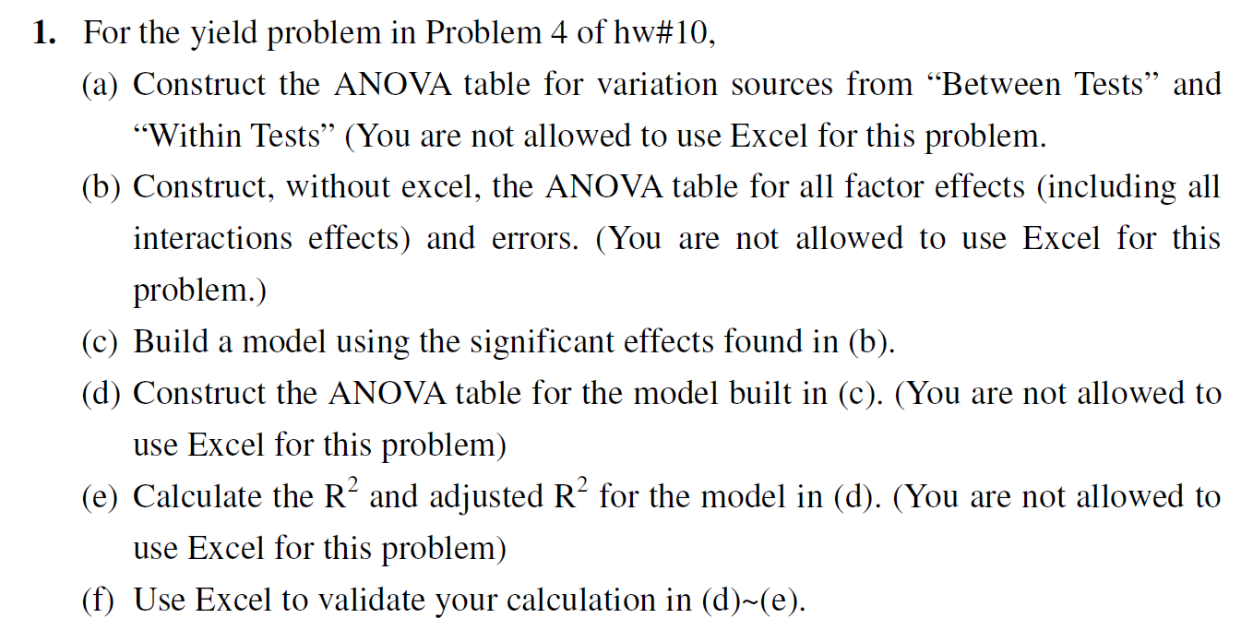
SS(total) | SS(between test) |  |  |  |  |  |  |  |  |  |  |  |  |  | sum | 99.7375 | 99.7375 | 99.7375 | 99.7375 | 99.7375 | 99.7375 | 99.7375 | -1 | -1 | 1 | 1 | -1 | -1 | 1 | 20.69
8301.5286625 | 8127.2251958 | 174.30346667 |  |  |  |  |  |  |  |  |  |  |  |  |  |  |  |  |  |  |  |  | 1 | -1 | 1 | -1 | 1 | -1 | -1 | 44.31
 |  |  |  |  |  |  |  |  |  |  |  |  |  |  |  |  |  |  |  |  |  |  | -1 | 1 | 1 | -1 | -1 | 1 | -1 | 49.53
ANOVA table for variation source |  |  |  |  |  |  |  |  |  |  |  |  |  |  |  |  |  |  |  |  |  |  | 1 | 1 | 1 | 1 | 1 | 1 | 1 | 74
sum of variation | SS | DOF | MS | F ratio |  | multiple R | 0.98944603157 |  |  |  |  |  |  |  |  |  |  |  |  |  |  |  | -1 | -1 | -1 | 1 | 1 | 1 | -1 | 57.07
between test | 8127.2251958 | 7 | 1161.0321708 | 106.57570437 |  | R square | 0.97900344939 |  |  |  |  |  |  |  |  |  |  |  |  |  |  |  | 1 | -1 | -1 | -1 | -1 | 1 | 1 | 75.75
pure error | 174.30346667 | 16 | 10.893966667 |  |  | adjusted R^2 | 0.9698174585 |  |  |  |  |  |  |  |  |  |  |  |  |  |  |  | -1 | 1 | -1 | -1 | 1 | -1 | 1 | 25.07
SS(total) | 8301.5286625 | 23 |  |  |  |  |  |  |  |  |  |  |  |  |  |  |  |  |  |  |  |  | 1 | 1 | -1 | 1 | -1 | -1 | -1 | 54.37
 |  |  |  |  |  |  |  |  |  |  |  |  |  |  |  |  |  |  |  |  |  |  | -1 | -1 | 1 | 1 | -1 | -1 | 1 | 15.41
ANOVA table for all factors effects |  |  |  |  |  |  |  |  |  |  |  |  |  |  |  |  |  |  |  |  |  |  | 1 | -1 | 1 | -1 | 1 | -1 | -1 | 36.99
 | source of variation | SUM of square | DOF | mean square | Fcal | F_fish | significant |  |  | SSE |  |  |  |  |  |  |  |  |  |  |  |  | -1 | 1 | 1 | -1 | -1 | 1 | -1 | 50.29
B1 | E1 | 2765.5507042 | 1 | 2765.5507042 | 253.86076429 | 8.5309652859 | significant |  |  | 9.8040666667 |  |  |  |  |  |  |  |  |  |  |  |  | 1 | 1 | 1 | 1 | 1 | 1 | 1 | 74.68
B2 | E2 | 7.3151041667 | 1 | 7.3151041667 | 0.67148215067 | 8.5309652859 | NaN |  |  | 2.3772666667
B3 | E3 | 390.9915375 | 1 | 390.9915375 | 35.890649335 | 8.5309652859 | significant |  |  | 42.9152
B12 | E12 | 28.0584375 | 1 | 28.0584375 | 2.5755942127 | 8.5309652859 | NaN |  |  | 17.2896
B13 | E13 | 14.523704167 | 1 | 14.523704167 | 1.3331878655 | 8.5309652859 | NaN |  |  | 44.3142
B23 | E23 | 4919.4930042 | 1 | 4919.4930042 | 451.57959031 | 8.5309652859 | significant |  |  | 32.514466667
B123 | E123 | 1.2927041667 | 1 | 1.2927041667 | 0.11866239417 | 8.5309652859 | NaN |  |  | 15.0782
 | SSE | 174.30346667 | 16 | 10.893966667 | 1 |  |  |  |  | 10.010466667
 | total | 8301.5286625 | 23

model
b0 | b1 | b3 | b23
49.86875 | 10.734583333 | -4.03625 | 14.317083333

ANOVA table from model
 | source | SUM of square | DOF | mean square | Fcal | Ffish
B1 | E1 | 2765.5507042 | 1 | 2765.5507042 | 253.86076429 | 8.5309652859 |  | R^2
B3 | E3 | 390.9915375 | 1 | 390.9915375 | 35.890649335 | 8.5309652859 |  | 0.97283712123
B23 | E23 | 4919.4930042 | 1 | 4919.4930042 | 451.57959031 | 8.5309652859 |  | R^2 adjusted
residual | residual | 51.18995 | 4 | 12.7974875 | 1.1747316557 | 4.7725779997 |  | 0.9698174585
pure error | SSE | 174.30346667 | 16 | 10.893966667
 | total | 8301.5286625 | 23

2
test | X1 | X2 | X3 | X4 | X1X2 | X1X3 | X1X4 | X2X3 | X2X4 | X3X4 | X1X2X3 | X1X2X4 | X1X3X4 | X2X3X4 | X1X2X3X4 | Run1 | Run2 | avg | S/N smaller
1 | -1 | -1 | -1 | -1 | 1 | 1 | 1 | 1 | 1 | 1 | -1 | -1 | -1 | -1 | 1 | -1.44 | -0.08 | -0.76 | -0.17033339299 | -6.619604393
2 | 1 | -1 | -1 | -1 | -1 | -1 | -1 | 1 | 1 | 1 | 1 | 1 | 1 | -1 | -1 | -1.79 | -1.01 | -1.4 | -3.2471447656 | -9.6964157656
3 | -1 | 1 | -1 | -1 | -1 | 1 | 1 | -1 | -1 | 1 | 1 | 1 | -1 | 1 | -1 | 0.39 | 0.17 | 0.28 | 10.433514208 | 3.9842432079
4 | 1 | 1 | -1 | -1 | 1 | -1 | -1 | -1 | -1 | 1 | -1 | -1 | 1 | 1 | 1 | -0.5 | -0.24 | -0.37 | 8.1304366453 | 1.6811656453
5 | -1 | -1 | 1 | -1 | 1 | -1 | 1 | -1 | 1 | -1 | 1 | -1 | 1 | 1 | -1 | -0.2 | 0.17 | -0.015 | 14.628107738 | 8.1788367376
6 | 1 | -1 | 1 | -1 | -1 | 1 | -1 | -1 | 1 | -1 | -1 | 1 | -1 | 1 | 1 | -0.79 | -0.64 | -0.715 | 2.8663547939 | -3.5829162061
7 | -1 | 1 | 1 | -1 | -1 | -1 | 1 | 1 | -1 | -1 | -1 | 1 | 1 | -1 | 1 | 1.22 | 0.28 | 0.75 | 1.0601643279 | -5.3891066721
8 | 1 | 1 | 1 | -1 | 1 | 1 | -1 | 1 | -1 | -1 | 1 | -1 | -1 | -1 | -1 | 0.21 | 0.28 | 0.245 | 12.12893907 | 5.6796680696
9 | -1 | -1 | -1 | 1 | 1 | 1 | -1 | 1 | -1 | -1 | -1 | 1 | 1 | 1 | -1 | -0.4 | -0.65 | -0.525 | 5.3573406597 | -1.0919303403
10 | 1 | -1 | -1 | 1 | -1 | -1 | 1 | 1 | -1 | -1 | 1 | -1 | -1 | 1 | 1 | -0.63 | -1.19 | -0.91 | 0.42632191568 | -6.0229490843
11 | -1 | 1 | -1 | 1 | -1 | 1 | -1 | -1 | 1 | -1 | 1 | -1 | 1 | -1 | 1 | 0.47 | 0.44 | 0.455 | 6.8350546078 | 0.38578360778
12 | 1 | 1 | -1 | 1 | 1 | -1 | 1 | -1 | 1 | -1 | -1 | 1 | -1 | -1 | -1 | -0.01 | -0.03 | -0.02 | 33.010299957 | 26.561028957
13 | -1 | -1 | 1 | 1 | 1 | -1 | -1 | -1 | -1 | 1 | 1 | 1 | -1 | -1 | 1 | 1.29 | 0.64 | 0.965 | -0.15715932007 | -6.6064303201
14 | 1 | -1 | 1 | 1 | -1 | 1 | 1 | -1 | -1 | 1 | -1 | -1 | 1 | -1 | -1 | -1.17 | 0.14 | -0.515 | 1.5848411158 | -4.8644298842
15 | -1 | 1 | 1 | 1 | -1 | -1 | -1 | 1 | 1 | 1 | -1 | -1 | -1 | 1 | -1 | 0.48 | 1.06 | 0.77 | 1.6941133131 | -4.7551576869
16 | 1 | 1 | 1 | 1 | 1 | 1 | 1 | 1 | 1 | 1 | 1 | 1 | 1 | 1 | 1 | 0.4 | 0.34 | 0.37 | 8.6075078243 | 2.1582368243
 |  |  |  |  |  |  |  |  |  |  |  |  |  |  |  |  | sum |  | 103.18835 | sum
 |  |  |  |  |  |  |  |  |  |  |  |  |  |  |  |  | avg |  | 6.449271 | 70.953396135

X1+ | X1- | X2+ | X2- | X3+ | X3- | X4+ | X4- | X1X2+ | X1X2- | X1X3+ | X1X3- | X1X4+ | X1X4- | X2X3+ | X2X3- | X2X4+ | X2X4- | X3X4+ | X3X4- | X1X2X3+ | X1X2X3- | X1X2X4+ | X1X2X4- | X1X3X4+ | X1X3X4- | X2X3X4+ | X2X3X4- | X1X2X3X4+ | X1X2X3X4-
0 | -0.17033339299 | 0 | -0.17033339299 | 0 | -0.17033339299 | 0 | -0.17033339299 | -0.17033339299 | 0 | -0.17033339299 | 0 | -0.17033339299 | 0 | -0.17033339299 | 0 | -0.17033339299 | 0 | -0.17033339299 | 0 | 0 | -0.17033339299 | 0 | -0.17033339299 | 0 | -0.17033339299 | 0 | -0.17033339299 | -0.17033339299 | 0
-3.2471447656 | 0 | 0 | -3.2471447656 | 0 | -3.2471447656 | 0 | -3.2471447656 | 0 | -3.2471447656 | 0 | -3.2471447656 | 0 | -3.2471447656 | -3.2471447656 | 0 | -3.2471447656 | 0 | -3.2471447656 | 0 | -3.2471447656 | 0 | -3.2471447656 | 0 | -3.2471447656 | 0 | 0 | -3.2471447656 | 0 | -3.2471447656
0 | 10.433514208 | 10.433514208 | 0 | 0 | 10.433514208 | 0 | 10.433514208 | 0 | 10.433514208 | 10.433514208 | 0 | 10.433514208 | 0 | 0 | 10.433514208 | 0 | 10.433514208 | 10.433514208 | 0 | 10.433514208 | 0 | 10.433514208 | 0 | 0 | 10.433514208 | 10.433514208 | 0 | 0 | 10.433514208
8.1304366453 | 0 | 8.1304366453 | 0 | 0 | 8.1304366453 | 0 | 8.1304366453 | 8.1304366453 | 0 | 0 | 8.1304366453 | 0 | 8.1304366453 | 0 | 8.1304366453 | 0 | 8.1304366453 | 8.1304366453 | 0 | 0 | 8.1304366453 | 0 | 8.1304366453 | 8.1304366453 | 0 | 8.1304366453 | 0 | 8.1304366453 | 0
0 | 14.628107738 | 0 | 14.628107738 | 14.628107738 | 0 | 0 | 14.628107738 | 14.628107738 | 0 | 0 | 14.628107738 | 14.628107738 | 0 | 0 | 14.628107738 | 14.628107738 | 0 | 0 | 14.628107738 | 14.628107738 | 0 | 0 | 14.628107738 | 14.628107738 | 0 | 14.628107738 | 0 | 0 | 14.628107738
2.8663547939 | 0 | 0 | 2.8663547939 | 2.8663547939 | 0 | 0 | 2.8663547939 | 0 | 2.8663547939 | 2.8663547939 | 0 | 0 | 2.8663547939 | 0 | 2.8663547939 | 2.8663547939 | 0 | 0 | 2.8663547939 | 0 | 2.8663547939 | 2.8663547939 | 0 | 0 | 2.8663547939 | 2.8663547939 | 0 | 2.8663547939 | 0
0 | 1.0601643279 | 1.0601643279 | 0 | 1.0601643279 | 0 | 0 | 1.0601643279 | 0 | 1.0601643279 | 0 | 1.0601643279 | 1.0601643279 | 0 | 1.0601643279 | 0 | 0 | 1.0601643279 | 0 | 1.0601643279 | 0 | 1.0601643279 | 1.0601643279 | 0 | 1.0601643279 | 0 | 0 | 1.0601643279 | 1.0601643279 | 0
12.12893907 | 0 | 12.12893907 | 0 | 12.12893907 | 0 | 0 | 12.12893907 | 12.12893907 | 0 | 12.12893907 | 0 | 0 | 12.12893907 | 12.12893907 | 0 | 0 | 12.12893907 | 0 | 12.12893907 | 12.12893907 | 0 | 0 | 12.12893907 | 0 | 12.12893907 | 0 | 12.12893907 | 0 | 12.12893907
0 | 5.3573406597 | 0 | 5.3573406597 | 0 | 5.3573406597 | 5.3573406597 | 0 | 5.3573406597 | 0 | 5.3573406597 | 0 | 0 | 5.3573406597 | 5.3573406597 | 0 | 0 | 5.3573406597 | 0 | 5.3573406597 | 0 | 5.3573406597 | 5.3573406597 | 0 | 5.3573406597 | 0 | 5.3573406597 | 0 | 0 | 5.3573406597
0.42632191568 | 0 | 0 | 0.42632191568 | 0 | 0.42632191568 | 0.42632191568 | 0 | 0 | 0.42632191568 | 0 | 0.42632191568 | 0.42632191568 | 0 | 0.42632191568 | 0 | 0 | 0.42632191568 | 0 | 0.42632191568 | 0.42632191568 | 0 | 0 | 0.42632191568 | 0 | 0.42632191568 | 0.42632191568 | 0 | 0.42632191568 | 0
0 | 6.8350546078 | 6.8350546078 | 0 | 0 | 6.8350546078 | 6.8350546078 | 0 | 0 | 6.8350546078 | 6.8350546078 | 0 | 0 | 6.8350546078 | 0 | 6.8350546078 | 6.8350546078 | 0 | 0 | 6.8350546078 | 6.8350546078 | 0 | 0 | 6.8350546078 | 6.8350546078 | 0 | 0 | 6.8350546078 | 6.8350546078 | 0
33.010299957 | 0 | 33.010299957 | 0 | 0 | 33.010299957 | 33.010299957 | 0 | 33.010299957 | 0 | 0 | 33.010299957 | 33.010299957 | 0 | 0 | 33.010299957 | 33.010299957 | 0 | 0 | 33.010299957 | 0 | 33.010299957 | 33.010299957 | 0 | 0 | 33.010299957 | 0 | 33.010299957 | 0 | 33.010299957
0 | -0.15715932007 | 0 | -0.15715932007 | -0.15715932007 | 0 | -0.15715932007 | 0 | -0.15715932007 | 0 | 0 | -0.15715932007 | 0 | -0.15715932007 | 0 | -0.15715932007 | 0 | -0.15715932007 | -0.15715932007 | 0 | -0.15715932007 | 0 | -0.15715932007 | 0 | 0 | -0.15715932007 | 0 | -0.15715932007 | -0.15715932007 | 0
1.5848411158 | 0 | 0 | 1.5848411158 | 1.5848411158 | 0 | 1.5848411158 | 0 | 0 | 1.5848411158 | 1.5848411158 | 0 | 1.5848411158 | 0 | 0 | 1.5848411158 | 0 | 1.5848411158 | 1.5848411158 | 0 | 0 | 1.5848411158 | 0 | 1.5848411158 | 1.5848411158 | 0 | 0 | 1.5848411158 | 0 | 1.5848411158
0 | 1.6941133131 | 1.6941133131 | 0 | 1.6941133131 | 0 | 1.6941133131 | 0 | 0 | 1.6941133131 | 0 | 1.6941133131 | 0 | 1.6941133131 | 1.6941133131 | 0 | 1.6941133131 | 0 | 1.6941133131 | 0 | 0 | 1.6941133131 | 0 | 1.6941133131 | 0 | 1.6941133131 | 1.6941133131 | 0 | 0 | 1.6941133131
8.6075078243 | 0 | 8.6075078243 | 0 | 8.6075078243 | 0 | 8.6075078243 | 0 | 8.6075078243 | 0 | 8.6075078243 | 0 | 8.6075078243 | 0 | 8.6075078243 | 0 | 8.6075078243 | 0 | 8.6075078243 | 0 | 8.6075078243 | 0 | 8.6075078243 | 0 | 8.6075078243 | 0 | 8.6075078243 | 0 | 8.6075078243 | 0
63.507556556 | 39.680802141 | 81.900029953 | 21.288328744 | 42.412868862 | 60.775489834 | 57.358320073 | 45.830038624 | 81.53513918 | 21.653219517 | 47.643218886 | 55.545139811 | 69.580423693 | 33.607935004 | 25.856908952 | 77.331449745 | 64.223960075 | 38.964398622 | 26.875775628 | 76.312583069 | 49.655141277 | 53.533217419 | 57.930877685 | 45.257481012 | 42.956308153 | 60.232050544 | 52.143697098 | 51.044661599 | 27.598347402 | 75.590011295

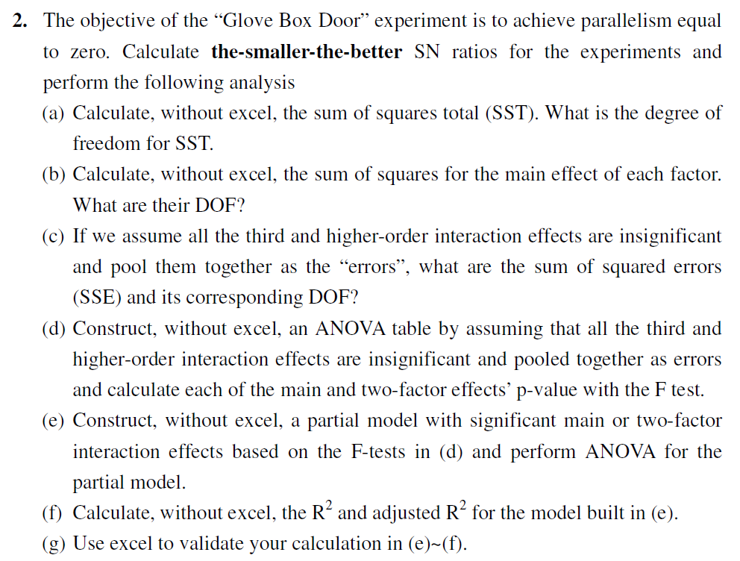

(a)
SST cal | DOF of SST
1135.2543382 | 15

(b)
sum of square
 | + | - | SS(main effect) | DOF
X1 | 7.9384445695 | 4.9601002676 | 35.482139121 | 1
X2 | 10.237503744 | 2.661041093 | 229.61114521 | 1
X3 | 5.3016086078 | 7.5969362293 | 21.074115561 | 1
X4 | 7.1697900091 | 5.728754828 | 8.3063295733 | 1
X1X2 | 10.191892398 | 2.7066524396 | 224.11526891 | 1
X1X3 | 5.9554023607 | 6.9431424763 | 3.9025221437 | 1
X1X4 | 8.6975529616 | 4.2009918755 | 80.876246405 | 1
X2X3 | 3.232113619 | 9.6664312181 | 165.60177187 | 1
X2X4 | 8.0279950093 | 4.8705498277 | 39.877840299 | 1
X3X4 | 3.3594719535 | 9.5390728836 | 152.74987062 | 1
X1X2X3 | 6.2068926597 | 6.6916521774 | 0.9399671603 | 1
X1X2X4 | 7.2413597106 | 5.6571851265 | 10.038436452 | 1
X1X3X4 | 5.3695385191 | 7.529006318 | 18.653204698 | 1
X2X3X4 | 6.5179621372 | 6.3805826999 | 0.075492439216 | 1
X1X2X3X4 | 3.4497934252 | 9.4487514118 | 143.9499877 | 1
SSE | 0 | 0 |  | 0
sum of square |  |  | 1135.2543382

