Sheet1
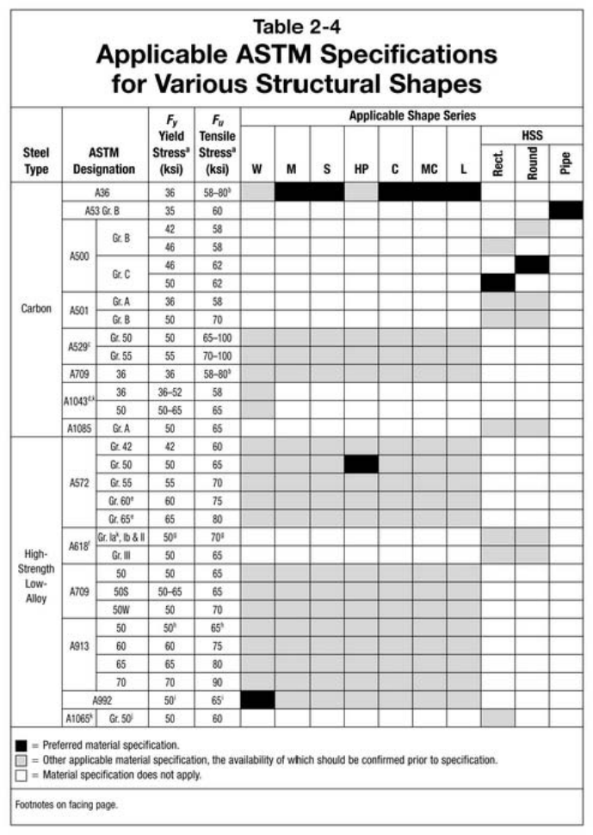
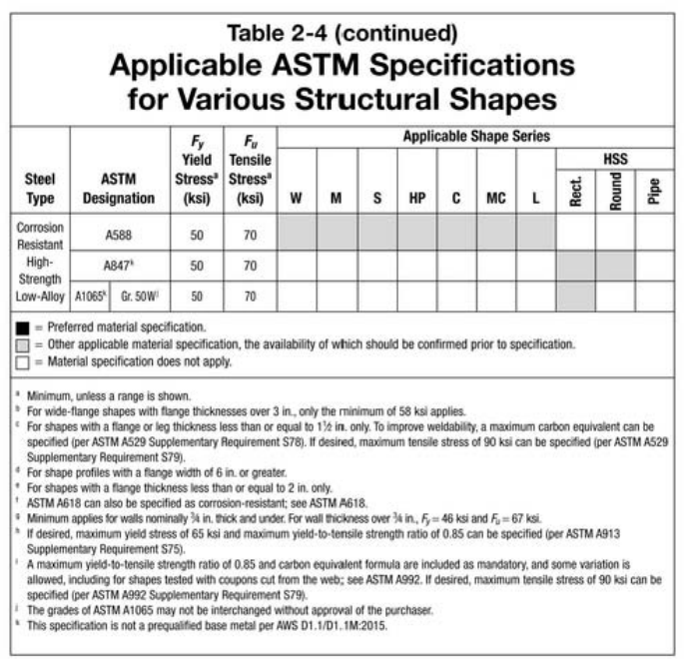
 | ASTM_Designation | Type | Fy | Fu | Steel Manual 15th
A36 | ASTM A36 | Carbon | 36 | 58
A53 Gr. B | ASTM A53 Gr. B | Carbon | 35 | 60
A500 Gr. B Round | ASTM A500 Gr. B | Carbon | 42 | 58
A500 Gr. B Rect. | ASTM A500 Gr. B | Carbon | 46 | 58
A500 Gr. C Round | ASTM A500 Gr. C | Carbon | 46 | 62
A500 Gr. C Rect. | ASTM A500 Gr. C | Carbon | 50 | 62
A501 Gr. A | ASTM A501 Gr. A | Carbon | 36 | 58
A501 Gr. B | ASTM A501 Gr. B | Carbon | 50 | 70
A529 Gr. 50 | ASTM A529 Gr. 50 | Carbon | 50 | 65
A529 Gr. 55 | ASTM A529 Gr. 55 | Carbon | 55 | 70
A709 36 | ASTM A709 36 | Carbon | 36 | 58
A1043 36 | ASTM A1043 36 | Carbon | 36 | 58
A1043 50 | ASTM A1043 50 | Carbon | 50 | 65
A1085 Gr. A | ASTM A1085 Gr. A | Carbon | 50 | 65
A572 Gr. 42 | ASTM A572 Gr. 42 | High-Strength Low-Alloy | 42 | 60
A572 Gr. 50 | ASTM A572 Gr. 50 | High-Strength Low-Alloy | 50 | 65
A572 Gr. 55 | ASTM A572 Gr. 55 | High-Strength Low-Alloy | 55 | 70
A572 Gr. 60 | ASTM A572 Gr. 60 | High-Strength Low-Alloy | 60 | 75
A572 Gr. 65 | ASTM A572 Gr. 65 | High-Strength Low-Alloy | 65 | 80
A618 Gr. Ia, Ib & II | ASTM A618 Gr. Ia, Ib & II | High-Strength Low-Alloy | 50 | 70
A618 Gr. III | ASTM A618 Gr. III | High-Strength Low-Alloy | 50 | 65
A709 50 | ASTM A709 50 | High-Strength Low-Alloy | 50 | 65
A709 50S | ASTM A709 50S | High-Strength Low-Alloy | 50 | 65
A709 50W | ASTM A709 50W | High-Strength Low-Alloy | 50 | 70
A913 50 | ASTM A913 50 | High-Strength Low-Alloy | 50 | 65
A913 60 | ASTM A913 60 | High-Strength Low-Alloy | 60 | 75
A913 65 | ASTM A913 65 | High-Strength Low-Alloy | 65 | 80
A913 70 | ASTM A913 70 | High-Strength Low-Alloy | 70 | 90
A992 | ASTM A992 | High-Strength Low-Alloy | 50 | 65
A1065 Gr. 50 | ASTM A1065 Gr. 50 | High-Strength Low-Alloy | 50 | 60
A588 | ASTM A588 | Corrosion Resistant High-Strength Low-Alloy | 50 | 70
A847 | ASTM A847 | Corrosion Resistant High-Strength Low-Alloy | 50 | 70
A1065 Gr. 50W | ASTM A1065 Gr. 50W | Corrosion Resistant High-Strength Low-Alloy | 50 | 70

 |  |  |  |  |  | a | Minimum, unless a range is shown.
 |  |  |  |  |  | b | For wide-flange shapes with flange thickness over 3 in., only the minimum of 58 ksi applies.
 |  |  |  |  |  | c | For shapes with a flange or leg thickness less than or equal to 1½ in. only. To improve weldability, a maximum carbon equivalent can be specified (per ASTM A529 Supplementary Requirement S78). If desired, maximum tensile stress of 90 ksi can be specified (per ASTM A529 Supplementary Requirement S79).
 |  |  |  |  |  | d | For shape profiles with a flange width of 6 in. or greater.
 |  |  |  |  |  | e | For shapes with a flange thickness less than or equal to 2 in. only
 |  |  |  |  |  | f | ASTM A618 can also be specified as corrosion-resistant; see ASTM A618.
 |  |  |  |  |  | g | Minimum applies for walls nominally ¾ in. thick and under. For wall thickness over ¾ in., Fy = 46 ksi and Fu = 67 ksi.
 |  |  |  |  |  | h | If desired, maximum yield stress of 65 ksi and maximum yield-to-tensile strength ratio of 0.85 can be specified (per ASTM A913 Supplementary Requirement S75).
 |  |  |  |  |  | i | A maximum yield-to-tensile strength ratio of 0.85 and carbon equivalent formula are included as mandatory, and some variation is allowed, including for shapes tested with coupons cut from the web; see ASTM A992. If desired, maximum tensile stress of 90 ksi can be specified (per ASTM A992 Supplementary Requirement S79).
 |  |  |  |  |  | j | The grades of ASTM A1065 may not be interchanged without approval of the purchaser.
 |  |  |  |  |  | k | This specification is not a prequalified base metal per AWS D1.1/D1.1M:2015.

