Summary+ellip
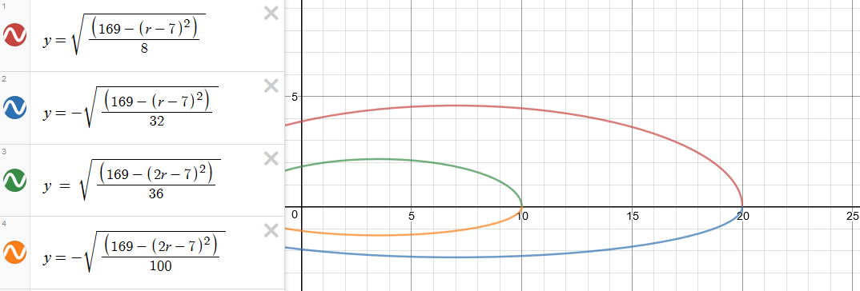
 | Span | 1/2 Span | Chord | 1/2 Chord | Airfoil | Skew
Paul | 20 | 10 | 6 | 3 | 2411 | 0-10° |  | Devin
Kevin | 20 | 10 | 6 | 3 | 4415 | 0-10° |  | and
Isaac | 24 | 12 | 8 | 4 | 2411 | 0-10° |  | Stephen
Stephen | 28 | 14 | 8 | 4 | 4415 | 20-30°
Devin | 28 | 14 | 8 | 4 | 2411 | 20-30°
(dimension is cm)
 | a | bLead | bTrail | R^2 | q |  | x - span axis
Paul-full | 1 | 8 | 32 | 169 | 7 |  | y - chord axis
Kevin-full | 1 | 8 | 32 | 169 | 7 |  | a - x-coefficient
Isaac-full | 1 | 8 | 40 | 289 | 7 |  | q - translational value
Stephen-full | 1 | 12 | 36 | 400 | 8 |  | bL - y-coefficient, leading edge
Devin-full | 1 | 12 | 36 | 400 | 8 |  | bT - y-coefficient, trailing edge | Isaac
 |  |  |  |  |  |  | R^2 - RHS "sum"
 | a | bLead | bTrail | R^2 | q
Paul-half | 1 | 36 | 100 | 169 | 7 | HALFSIZE VALUES
Kevin-half | 1 | 36 | 100 | 169 | 7
Isaac-half | 1 | 40 | 100 | 289 | 7
Stephen-half | 1 | 64 | 100 | 400 | 8
Devin-half | 1 | 64 | 100 | 400 | 8

Devin and Stephen
 |  |  |  |  |  |  |  | Paul
 |  |  |  |  |  |  |  | and
 |  |  |  |  |  |  |  | Kevin

Isaac
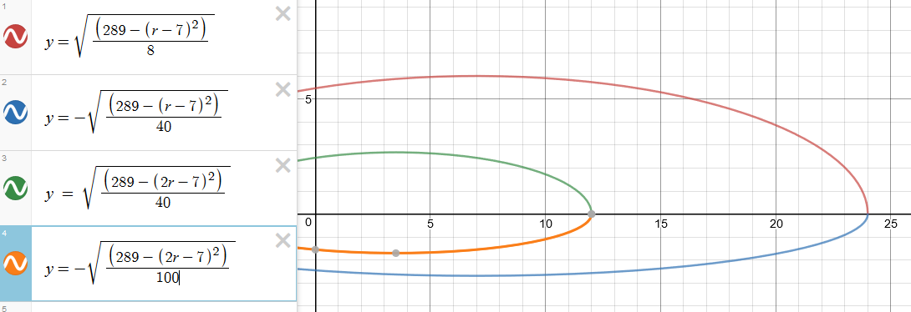

Kevin and Paul

Pressure
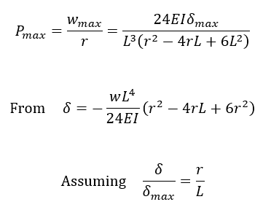
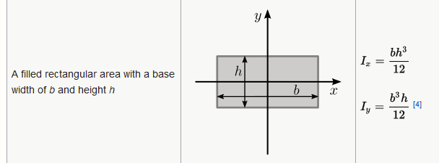
 | Ultimate Tensile |  | Young's |  | L = R (m) | b = c (m) | Airfoil | h_avg = t_avg (m) | Area, Ix (m^4) | δ_max (m) | Material
Material | Strength (Pa) | Note | Modulus (Pa) | Devin-half | 0.14 | 0.04 | 2411 | 0.0054 | 5.25E-10 | 0.006 | PLA
CF + Epoxy | 4.5E+08 | 300-900 MPa | 7.0E+10 | Stephen-half | 0.14 | 0.04 | 4415 | 0.007 | 1.14E-09 | 0.006 | PLA
PLA | 3.5E+07 |  | 3.5E+09 | Isaac-half | 0.12 | 0.04 | 2411 | 0.0054 | 5.25E-10 | 0.006 | PLA
ABS | 5.0E+07 |  | 2.0E+09 | Paul-half | 0.1 | 0.03 | 2411 | 0.0043 | 1.99E-10 | 0.005 | PLA
 |  |  |  | Kevin-half | 0.1 | 0.03 | 4415 | 0.0055 | 4.16E-10 | 0.005 | PLA
 |  |  |  | Devin-full | 0.28 | 0.08 | 2411 | 0.0098 | 6.27E-09 | 0.012 | CF
 |  |  |  | Stephen-full | 0.28 | 0.08 | 4415 | 0.013 | 1.46E-08 | 0.012 | CF
 |  |  |  | Isaac-full | 0.24 | 0.08 | 2411 | 0.0098 | 6.27E-09 | 0.012 | CF
 |  |  |  | Paul-full | 0.2 | 0.06 | 2411 | 0.0076 | 2.19E-09 | 0.01 | CF
 |  |  |  | Kevin-full | 0.2 | 0.06 | 4415 | 0.01 | 5.00E-09 | 0.01 | CF

PaulFunction
TwistAngle
0.02 | 71.8
0.03 | 61.7
0.04 | 53.7
0.05 | 47.3
0.06 | 41.8
0.07 | 37.7
0.08 | 34.4
0.09 | 31.7
0.1 | 29.5

AofAs
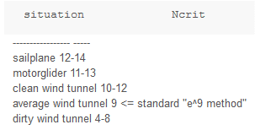
Best angles of attack, giving the highest CL/CD ratio. N_crit is a turbulence factor. 9 is "considered standard", meaning not much instability.

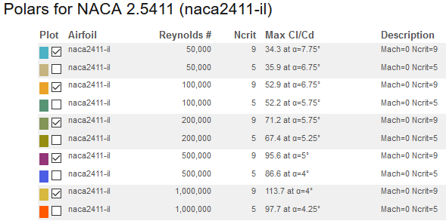
NACA 2411 best angle for CL/CD
Airfoil | Re | α_best | α_safe
2411 | 2.50E+04 | 8.75 | 7
 | 5.00E+04 | 7.75 | 6.5
 | 1.00E+05 | 6.75 | 6
 | 2.00E+05 | 5.75 | 5.5
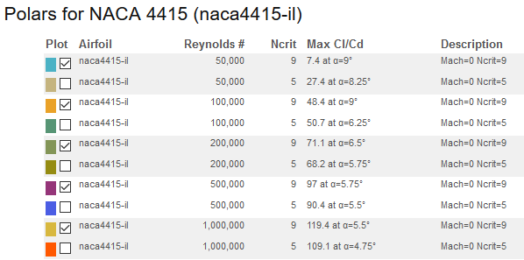
 | 5.00E+05 | 5 | 5
 | 1.00E+06 | 4 | 4

NACA 4415 best angle for CL/CD
4415 | 2.50E+04 | 8 | 7
 | 5.00E+04 | 9 | 7
 | 1.00E+05 | 9 | 6.5
 | 2.00E+05 | 6.5 | 5.5
 | 5.00E+05 | 5.75 | 5
 | 1.00E+06 | 5.5 | 4.5

