Sheet3
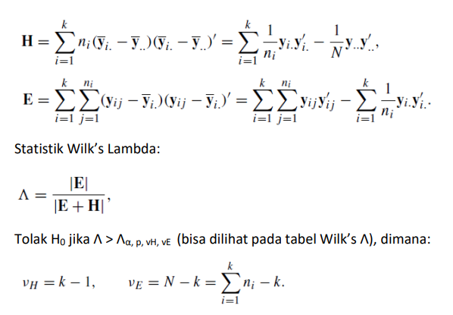
type of soils | yield | water | herbicide | means | yield | water | herbicide
loam | 76.70 | 29.50 | 7.50 | total | 61.61 | 31.17 | 4.67 | 6.99 | -3.24 | 1.11
loam | 60.50 | 32.10 | 6.30 | loam | 69.71 | 32.74 | 6.39 | -9.21 | -0.64 | -0.09
loam | 96.10 | 40.70 | 4.20 | sandy | 62.58 | 28.20 | 4.35 | 26.39 | 7.96 | -2.19
loam | 88.10 | 45.10 | 4.90 | salty | 55.31 | 30.64 | 3.86 | 18.39 | 12.36 | -1.49
loam | 50.20 | 34.10 | 11.70 | clay | 58.84 | 33.09 | 4.09 | -19.51 | 1.36 | 5.31
loam | 55.00 | 31.10 | 6.90 |  |  |  |  | -14.71 | -1.64 | 0.51
loam | 65.40 | 21.60 | 4.30 |  |  |  |  | -4.31 | -11.14 | -2.09
loam | 65.70 | 27.70 | 5.30 |  |  |  |  | -4.01 | -5.04 | -1.09
sandy | 67.30 | 48.30 | 5.50 |  | Deviation |  |  | 4.72 | 20.10 | 1.15
sandy | 61.30 | 28.90 | 6.90 |  | -8.10 | -1.57 | -1.72 | -1.28 | 0.70 | 2.55
sandy | 58.20 | 42.50 | 4.80 |  | -0.97 | 2.97 | 0.32 | -4.38 | 14.30 | 0.45
sandy | 76.90 | 20.40 | 3.00 |  | 6.30 | 0.53 | 0.81 | 14.33 | -7.80 | -1.35
sandy | 66.90 | 23.90 | 1.10 |  | 2.77 | -1.92 | 0.58 | 4.33 | -4.30 | -3.25
sandy | 55.40 | 29.10 | 5.00 |  |  |  |  | -7.18 | 0.90 | 0.65
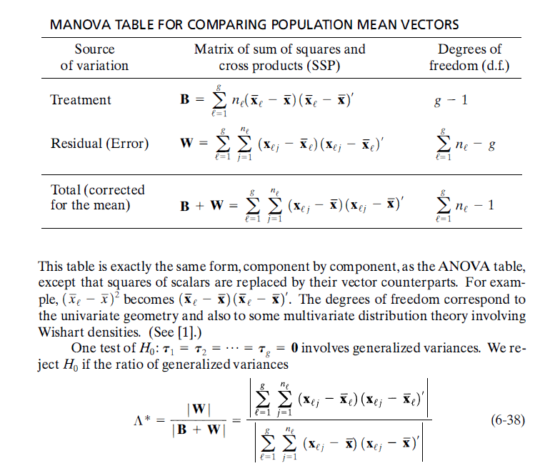
sandy | 50.50 | 18.00 | 4.80 |  |  |  |  | -12.08 | -10.20 | 0.45
sandy | 64.10 | 14.50 | 3.70 |  | H matriks from deviation |  |  | 1.52 | -13.70 | -0.65
salty | 62.80 | 25.90 | 2.90 |  | 911.42 | 62.97 | 162.46 | 7.49 | -4.74 | -0.96
salty | 45.00 | 15.90 | 1.20 |  | 62.97 | 121.91 | 23.65 | -10.31 | -14.74 | -2.66
salty | 47.80 | 36.10 | 4.10 |  | 162.46 | 23.65 | 32.35 | -7.51 | 5.46 | 0.24
salty | 75.60 | 27.70 | 6.30 |  |  |  |  | 20.29 | -2.94 | 2.44
salty | 46.60 | 46.90 | 3.60 |  |  |  |  | -8.71 | 16.26 | -0.26
salty | 50.60 | 29.70 | 4.70 |  | Matriks E |  |  | -4.71 | -0.94 | 0.84
salty | 45.70 | 27.60 | 6.20 |  | 4057.45 | 713.72 | -272.65 | -9.61 | -3.04 | 2.34
salty | 68.40 | 35.30 | 1.90 |  | 713.72 | 2833.99 | 122.69 | 13.09 | 4.66 | -1.96
clay | 52.50 | 39.00 | 3.10 |  | -272.65 | 122.69 | 112.44 | -6.34 | 5.91 | -0.99
clay | 80.00 | 54.20 | 4.00 |  |  |  |  | 21.16 | 21.11 | -0.09
clay | 54.70 | 32.10 | 5.70 |  |  |  |  | -4.14 | -0.99 | 1.61
clay | 63.50 | 25.60 | 3.00 |  | Matriks (E+H) |  |  | 4.66 | -7.49 | -1.09
clay | 46.30 | 31.80 | 7.40 |  | 4968.87 | 776.69 | -110.19 | -12.54 | -1.29 | 3.31
clay | 61.50 | 16.80 | 1.90 |  | 776.69 | 2955.89 | 146.34 | 2.66 | -16.29 | -2.19
clay | 62.90 | 25.80 | 2.40 |  | -110.19 | 146.34 | 144.78 | 4.06 | -7.29 | -1.69
clay | 49.30 | 39.40 | 5.20 |  |  |  |  | -9.54 | 6.31 | 1.11

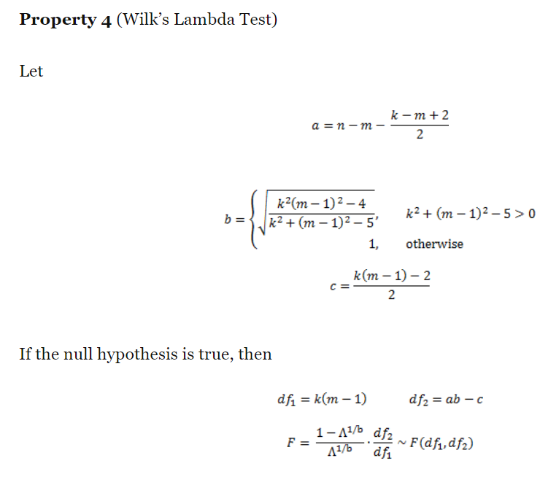
 |  |  |  | det E | 916097489.24
 |  |  |  | det (E+H) | 1871826093.3
 |  |  |  | wilks lamda | 0.4894137829
 |  |  |  | n | 32
 |  |  |  | k / p | 3
 |  |  |  | m / g | 4
 |  |  |  | alpha | 0.05
 |  |  |  | a | 27.5
 |  |  |  | b | 2.4337372338
 |  |  |  | c | 3.5
 |  |  |  | df1 | 9
 |  |  |  | df2 | 63.427773929
 |  |  |  | F | 2.4049573709
 |  |  |  | p-value | 0.020551028729

