Sheet1
Tuple_id | Actual Class | Probability | TP | FP | TN | FN | TPR | FPR
1 | P | 0.92
2 | N | 0.7
3 | N | 0.76
4 | P | 0.92
5 | P | 0.83
6 | P | 0.89
7 | N | 0.79
8 | P | 0.73
9 | N | 0.82
10 | P | 0.96

Tuple_id | Actual Class | Probability | TP | FP | TN | FN | TPR | FPR | Iteration | M1 | M2 | M1-M2
10 | P | 0.96 | 1 | 0 | 4 | 5 | 0.16666666667 | 0 | 1 | 0.12 | 0.08 | 0.04
1 | P | 0.92 | 2 | 0 | 4 | 4 | 0.33333333333 | 0 | 2 | 0.12 | 0.1 | 0.02
4 | P | 0.92 | 3 | 0 | 4 | 3 | 0.5 | 0 | 3 | 0.15 | 0.22 | -0.07
6 | P | 0.89 | 4 | 0 | 4 | 2 | 0.66666666667 | 0 | 4 | 0.15 | 0.1 | 0.05
5 | P | 0.83 | 5 | 0 | 4 | 1 | 0.83333333333 | 0 | 5 | 0.03 | 0.07 | -0.04
9 | N | 0.82 | 5 | 1 | 3 | 1 | 0.83333333333 | 0.25 | 6 | 0.17 | 0.11 | 0.06
7 | N | 0.79 | 5 | 2 | 2 | 1 | 0.83333333333 | 0.5 | 7 | 0.2 | 0.1 | 0.1
3 | N | 0.76 | 5 | 3 | 1 | 1 | 0.83333333333 | 0.75 | 8 | 0.14 | 0.11 | 0.03
8 | P | 0.73 | 6 | 3 | 1 | 0 | 1 | 0.75 | 9 | 0.1 | 0.17 | -0.07
2 | N | 0.7 | 6 | 4 | 0 | 0 | 1 | 1 | 10 | 0.14 | 0.11 | 0.03
 |  |  |  |  |  |  |  |  |  | 0.132 | 0.117 | 0.015 | 0.0032277777778

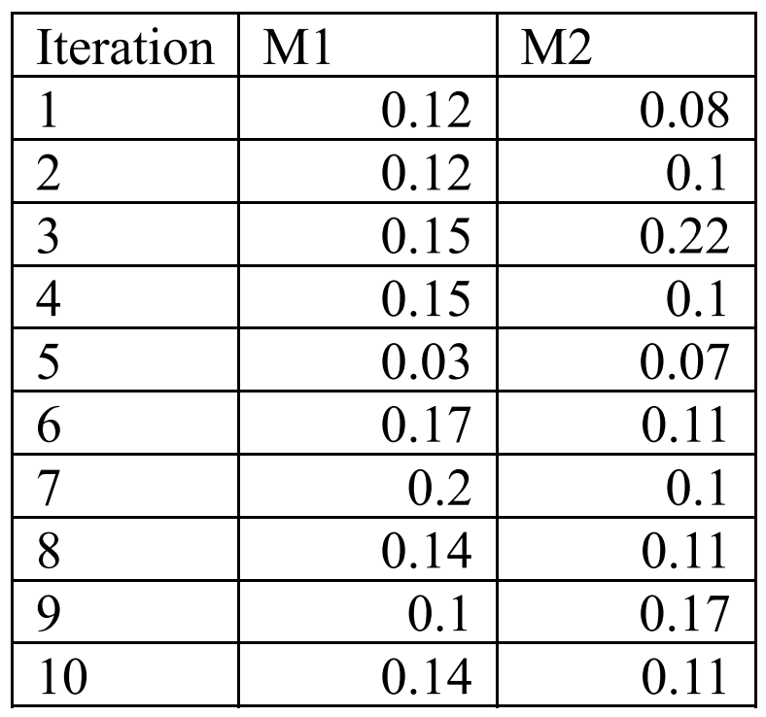
 |  |  |  |  |  |  |  |  | TP Rate | FP Rate | Precision | Recall | F-Measure | MCC | Class |  |  | 1 | 2
 |  |  |  |  |  |  |  |  | 0.74698795181 | 0.24193548387 | 0.80519480519 | 0.74698795181 | 0.775 | 0.50069305752 | 1 |  | 1 | 62 | 21 | 83
 |  |  |  |  |  |  |  |  | 0.75806451613 | 0.25301204819 | 0.69117647059 | 0.75806451613 | 0.72307692308 | -0.50069305752 | 2 |  | 2 | 15 | 47 | 62
 |  |  |  |  |  |  |  |  |  |  |  |  |  |  |  |  |  | 77 | 68 | 145

 |  |  |  |  |  |  |  |  |  |  |  |  |  |  |  | f2

