Sheet1
 | Project Name | Car Rental System (CRS)
 | Created by | IFB-299 Team43
 | Date of creation | 4-Oct-18
 | Date of review

Test case ID | Test Objective | Precondition | Steps: | Test data | Expected result / Acceptance criteria | Post-condition | Test Status
CRC_TC_01 | View CRC car rental page through CRC home page to perform the general tasks. | 1. The test machine should be configured to run the CRC project 2. Modern web browsers should be enabled on the test machine | 1.Run the CRC project on the local instance of the Django server 2. Start any web browser of your choice 3. Enter the URL 127.0.0.1/8000/CarRental in the address bar of the web broser. | A valid URL such as 127.0.0.1/8000/CarRental | User should be navigated to the CRC welcome page.Welcome page should contain following menu buttons representing different services offered: 1.Car Rent 2. Find Store 3. Online Service 4. Contact us 5. about Then user can click the Car Rent menu button to enter car rental page, and the page should contain 1. Return/pickup store drop-down list 2. Return/pickup date drop-down list 3. All body types checkboxes 4. All make name checkboxes 5. All cars | User should be able to select the pickup/return store, pickup/return date, any checkboxes can be checked, and buttons ('Apply' and 'See Detail') can be clicked. | passed

CRC_TC_02 | Users can access all the store options of the company through pickup/return store drop-down list. | 1. CRC project is launched on a compatible browser 2. Database is connected properly | 1. Click the drop-down list of the pickup/return store, compare the stores in the list to the data in the database | All store names of the company | 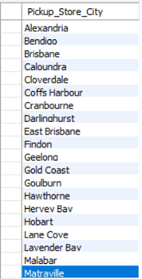 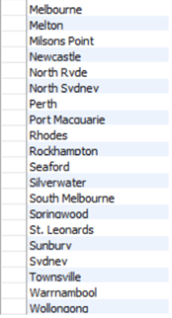 The content of drop-down list should be matched the data below: | User should be able to select one of the pickup/return stores | passed

CRC_TC_03 | Users can access all car body type options of the company through the checkboxes. | 1. CRC project is launched on a compatible browser 2. Database is connected properly | 1. Compare the body types on the page to the data in the database | All car body type that the company have | 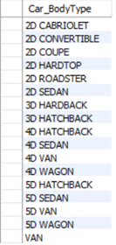 The content of the body type checkboxes should be matched the data below (should be contain 'ALL TYPE' in the actual result): | User should be able to tick any checkbox | passed

CRC_TC_04 | Users can access all car make name options of the company through the checkboxes. | 1. CRC project is launched on a compatible browser 2. Database is connected properly | 1. Compare the make names on the page to the data in the database | All car make name that the company have | The content of the make name checkboxes should be matched the data below (should be contain 'ALL MAKE' in the actual result): | User should be able to tick any checkbox | passed

CRC_TC_05 | User can access all cars that the company have when the user is navigated to car rental page. | 1. CRC project is launched on a compatible browser 2. Database is connected properly | 1. Compare the total number of cars on the page to the number of table rows in the database 2. Compare the cars information to the data in the database. | 1. Number of cars the company have 2. All cars information | 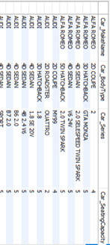 The number of cars should be matched the number of table rows, and the content should be also matched the data below: | User should be able to view the results, and also be able to click relative radio button. Then click 'See Detail' button to jump to the detail page. | passed

CRC_TC_06 | Apply filter with none body type checkbox is ticked and none make name checkbox is ticked. | 1. CRC project is launched on a compatible browser 2. Database is connected properly | 1.Click 'Apply' Button | Body Type = none Make Name = none | The number of cars should be 225 and cars displayed should be same as the initial status. | User should be able to view the results with the value of 'total cars' is 225, and also be able to click relative radio button. After clicking 'See Detail' button to jump to the detail page. | passed

CRC_TC_07 | Apply filter with one body type checkbox is ticked and none make name checkbox is ticked. | 1. CRC project is launched on a compatible browser 2. Database is connected properly | 1.Tick 'ALL TYPE' checkbox 2.Click 'Apply' Button | Body Type = 'ALL TYPE' Make Name = none | The number of cars should be 225 and cars displayed should be same as the initial status. | User should be able to view the results with the value of 'total cars' is 225, and also be able to click relative radio button. After clicking 'See Detail' button to jump to the detail page. | passed

CRC_TC_08 | Apply filter with one body type checkbox is ticked and none make name checkbox is ticked. | 1. CRC project is launched on a compatible browser 2. Database is connected properly | 1.Tick ‘4D VAN’ checkbox 2.Click 'Apply' Button | Body Type = '4D VAN' Make Name = none | The number of cars should be matched the number of table rows, and the content should be also matched the data below: | User should be able to view the results with the value of 'total cars' is 2, and also be able to click relative radio button. After clicking 'See Detail' button to jump to the detail page. | passed

CRC_TC_09 | Apply filter with two body type checkboxes are ticked and none make name checkbox is ticked. | 1. CRC project is launched on a compatible browser 2. Database is connected properly | 1.Tick ‘5D VAN’ checkbox 2.Tick '2D SEDAN' checkbox 2.Click 'Apply' Button | Body Type = ‘5D VAN’ and ‘2D SEDAN’ Make Name = none | The number of cars should be matched the number of table rows, and the content should be also matched the data below: | User should be able to view the results with the value of 'total cars' is 3, and also be able to click relative radio button. After clicking 'See Detail' button to jump to the detail page. | passed

CRC_TC_10 | Apply filter with several body type checkboxes are ticked and none make name checkbox is ticked. | 1. CRC project is launched on a compatible browser 2. Database is connected properly | 1.Tick ‘2D HARDTOP’ checkbox 2.Tick '3D HARDBACK' checkbox 3.Tick '4D HATCHBACK' checkbox 4.Tick '5D VAN' checkbox 5.Tick 'VAN' checkbox 6.Click 'Apply' Button | Body Type = ‘2D HARDTOP’, ‘3D HARDBACK’ , '4D HATCHBACK', '5D VAN', 'VAN' Make Name = none | 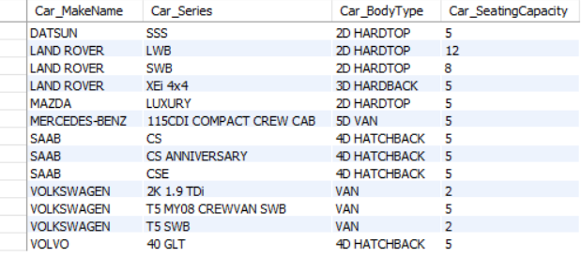 The number of cars should be matched the number of table rows, and the content should be also matched the data below: | User should be able to view the results with the value of 'total cars' is 13, and also be able to click relative radio button. After clicking 'See Detail' button to jump to the detail page. | passed

CRC_TC_11 | Apply filter with none body type checkbox is ticked and one make name checkbox is ticked. | 1. CRC project is launched on a compatible browser 2. Database is connected properly | 1.Tick 'ALL MAKE' checkbox 2.Click 'Apply' Button | Body Type = none Make Name = 'ALL MAKE' | The number of cars should be 225 and cars displayed should be same as the initial status. | User should be able to view the results with the value of 'total cars' is 225, and also be able to click relative radio button. After clicking 'See Detail' button to jump to the detail page. | passed

CRC_TC_12 | Apply filter with none body type checkbox is ticked and one make name checkboxes are ticked. | 1. CRC project is launched on a compatible browser 2. Database is connected properly | 1.Tick ‘DATSUN’’ checkbox 2.Click 'Apply' Button | Body Type = none Car Make = ‘DATSUN’ | The number of cars should be matched the number of table rows, and the content should be also matched the data below: | User should be able to view the results with the value of 'total cars' is 2, and also be able to click relative radio button. After clicking 'See Detail' button to jump to the detail page. | passed

CRC_TC_13 | Apply filter with none body type checkbox is ticked and three make name checkboxes are ticked. | 1. CRC project is launched on a compatible browser 2. Database is connected properly | 1.Tick ‘DATSUN’ checkbox 2.Tick ‘EUNOS’ checkbox 3.Tick ‘HONDA’ checkbox 4.Click 'Apply' Button | Body Type = none Car Make = ‘DATSUN’, ‘EUNOS’ and ‘HONDA’ | The number of cars should be matched the number of table rows, and the content should be also matched the data below: | User should be able to view the results with the value of 'total cars' is 5, and also be able to click relative radio button. After clicking 'See Detail' button to jump to the detail page. | passed

CRC_TC_14 | Apply filter with none body type checkbox is ticked and several make name checkboxes are ticked. | 1. CRC project is launched on a compatible browser 2. Database is connected properly | 1.Tick ‘CHRYSLER’ checkbox 2.Tick ‘MAZDA’ checkbox 3.Tick ‘NISSAN’ checkbox 4.Tick ‘PEUGEOT’ checkbox 5.Tick ‘SAAB’ checkbox 6.Tick ‘VOLVO’ checkbox 7.Click 'Apply' Button | Body Type = none Car Make = ‘CHRYSLER’ ,‘MAZDA’, ‘NISSAN’, ‘PEUGEOT’, ‘SAAB’,‘VOLVO’ | 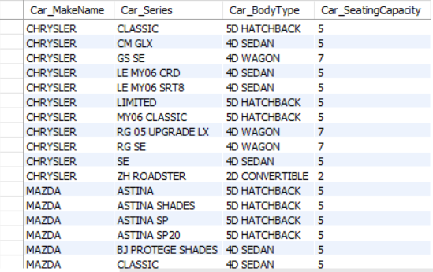 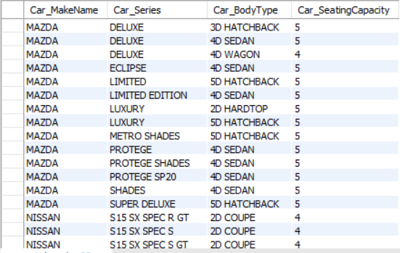 The number of cars should be matched the number of table rows, and the content should be also matched the data below: | User should be able to view the results with the value of 'total cars' is 87, and also be able to click relative radio button. After clicking 'See Detail' button to jump to the detail page. | passed

CRC_TC_15 | Apply filter with one body type checkbox is ticked and one make name checkbox is ticked. | 1. CRC project is launched on a compatible browser 2. Database is connected properly | 1.Tick 'ALL TYPE' checkbox 2.Tick 'ALL MAKE' checkbox 3.Click 'Apply' Button | Body Type = 'ALL TYPE' Make Name = 'ALL MAKE' | The number of cars should be 225 and cars displayed should be same as the initial status. | User should be able to view the results with the value of 'total cars' is 225, and also be able to click relative radio button. After clicking 'See Detail' button to jump to the detail page. | passed

CRC_TC_16 | Apply filter with one body type checkbox is ticked and one make name checkbox is ticked. | 1. CRC project is launched on a compatible browser 2. Database is connected properly | 1.Tick '2D COUPE' checkbox 2.Tick 'ALFA ROMEO' checkbox 3.Click 'Apply' Button | Body Type = '2D COUPE' Make Name = 'ALFA ROMEO' | The number of cars should be matched the number of table rows, and the content should be also matched the data below: | User should be able to view the result with the value of 'total cars' is 1, and also be able to click relative radio button. After clicking 'See Detail' button to jump to the detail page. | passed

CRC_TC_17 | Apply filter with two body type checkbox is ticked and one make name checkbox is ticked. | 1. CRC project is launched on a compatible browser 2. Database is connected properly | 1.Tick '2D COUPE' checkbox 2.Tick '4D SEDAN' checkbox 3.Tick 'BMW' checkbox 4.Click 'Apply' Button | Body Type = '2D COUPE','4D SEDAN' Make Name = 'BMW' | 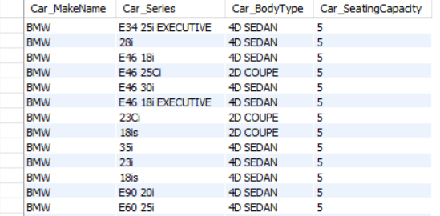 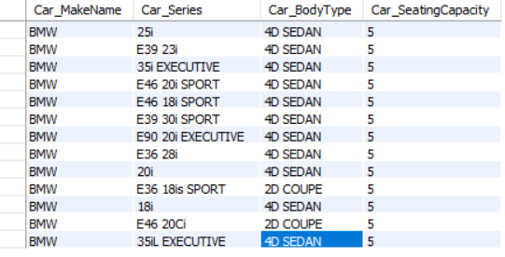 The number of cars should be matched the number of table rows, and the results content should be also matched the data below: | User should be able to view the results with the value of 'total cars' is 26, and also be able to click relative radio button. After clicking 'See Detail' button to jump to the detail page. | passed

CRC_TC_18 | Apply filter with one body type checkbox is ticked and two make name checkbox is ticked. | 1. CRC project is launched on a compatible browser 2. Database is connected properly | 1.Tick '4D SEDAN' checkbox 2.Tick 'HONDA' checkbox 3.Tick 'MAZDA' checkbox 4.Click 'Apply' Button | Body Type = '4D SEDAN' Make Name = 'HONDA', 'MAZDA' | 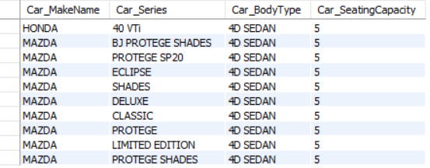 The number of cars should be matched the number of table rows, and the content should be also matched the data below: | User should be able to view the results with the value of 'total cars' is 10, and also be able to click relative radio button. After clicking 'See Detail' button to jump to the detail page. | passed

CRC_TC_19 | Apply filter with several body type checkbox is ticked and several make name checkbox is ticked. | 1. CRC project is launched on a compatible browser 2. Database is connected properly | 1.Tick ‘4D VAN’ checkbox 2.Tick ‘5D VAN’' checkbox 3.Tick ‘VAN’ checkbox 4.Tick ‘BMW’ checkbox 5.Tick ‘AUDI’ checkbox 6.Click 'Apply' Button | Body Type =‘4D VAN’, ‘5D VAN’, ‘VAN’ Make Name = ‘BMW’, ‘AUDI’ | The number of cars should be matched the number of table rows, and the content should be also matched the data below: | User should be able to view a blank of the result part and the value of 'total cars' is 0 | passed

