Research Question
 | What we can know from our data:
 | 1 | Which street, suburb, gov area, polic location, region, the coordinate location that crash always happen?
 | 2 | Which month have the highest crash group by the severity?
 | 3 | How correlate the speed to the severity and traffic control?
 | 4 | How correlate involving driver speed to the severity?
 | 5 | is there any speed camera near the crash location?
 |  | near = around 100 m from the crash?
 |  | prob: how can we calculate and code this things?
 | 6 | What factor that affect the crash? Is it the number of camera? Location of camera? Speed? Trafic control? Surface?atmosphere?lighting?drinking driver? Fatigued driver? Defective vehicle?
 |  | Which offence that give most revenue to the government?

 | Research Question
1 | What factor that affect the crash? Is it the number of camera? Location of camera? Speed? Trafic control? Surface?atmosphere?lighting?drinking driver? Fatigued driver? Defective vehicle?
2 | can revenue(fines) reduce the number of crash?
 | maybe: yes, because it will increare the public awareness about speeding
3 | should we increase the number of speed camera to reduce the number of the crash?

THIS IS FOR AU: -----> | Reminder: Save all the query and please record
 | The step of cleansing:
 | 1. Gather data from the resources: 4 datasets |  | (manual: download one by one )
 | 2. We check the time series for every datasets we have and we found only 2021 exists for the three datasets (Crashdata, SPER, factor of crash). |  |  |  | manual
 | 3. Check everydatasets and takeout the unrelated column |  |  |  | drop the unwanted column by python
 | 4. Check every column : is there any NULL, Blank, Consistency |  |  |  | use python
 | 5. We find that the format of crash coordinate is not right because the length of decimal is not follow the standard. So, we re-format it to the right format which is Decimal Degrees Format
 | a. We make the coordinate into one column
 | b. List the latitude coordinates before longitude coordinates
 | c. We format it to "Decimal Degrees"
 | d. We make sure that the coordinate is located in Queensland State, not in the other state even other country |  |  | After we re-format

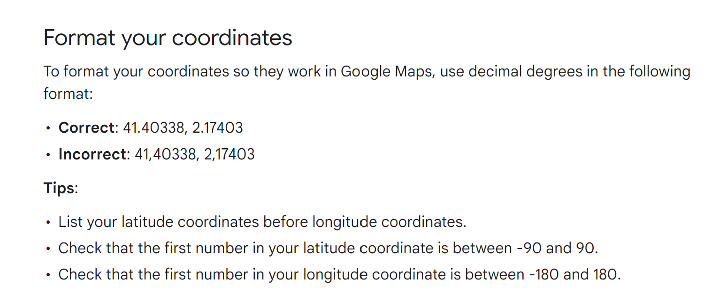

 | 6. We find that there is no coordinate location for Active Mobile Speed Camera and road safety camera trailers. Using python query, we find the coordinate
 | 7. We already check that all the camera coordinate is located in Queensland
 | 8. We find that ABS area 4 only consist of 19 areas. But, in SPER data, there are others value that not belong to ABS area 4. So, we decided to remove that data Other QLD, QLD - All, Queensland - All, Total QLD
 | 9. We find that outstanding balance not in numeric. So we convert it to numeric
 | 10. Summarize and record the dekstop when you are coding

