亦玩集团报价表
YiFUN LIFE+MINI MUNDO+AUSTRALIA |  |  |  |  |  |  |  |  |  |  |  |  |  |  |  | 设计师： |  | 商务： | 删除 | 新增 | 1、图片大小：宽2.5CM*高2.3CM 2、字体：宋体，字号：12 3、单元格大小及位置勿随意改动 4、行单元格不够时，直接插入，再用格式刷同步格式 5、尺寸书写规则：长*宽*高 6、设备-防护软包-吊挂/广告-地面-壁纸
 |  |  |  |  |  |  |  |  |  |  |  |  |  |  |  | ZENA |  | WINNIE | 修改 数量/尺寸 | 客户自理
序号 No. | 款号 Item Number | 产品名称 Product Name | 图片展示 Product Name | 玩具品牌 Toy Brands | 规格/尺寸 Specifications /Dimensions | 单位 Unit | 数量 Quantity | 成本单价 RMB | 成本价 RMB | 单价 RMB | 合计金额 RMB | 美元单价 Unit Price (USD) | 美元合计total (USD) | 区域小计 Subtotal (USD) | 分公司价 (USD) | 备注 Notes | 工艺做法 | 体积 Volume
 | PRINCESS(HAIR DRESSER&MAKEUP) AREA
1 | Y10441 | Double-Sided Makeup Table | 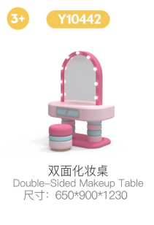 |  | STANDARD ITEM | PCS | 3 |  | 0 |  | 0 |  | $0.0 | $0.0
2 | Y10434 | Round Makeup Table Set | 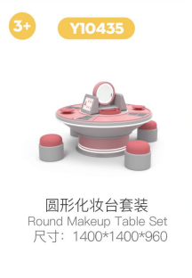 |  | STANDARD ITEM | PCS | 1
3 | Y10445 | Fitting Room | 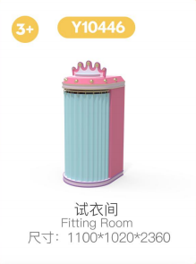 |  | STANDARD ITEM | PCS | 1 |  |  |  |  |  |  |  |  | 立体图案 平面图案
4 | Y10447 | Wardrobe | 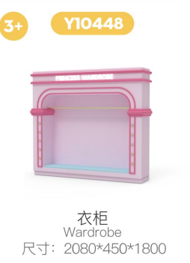 |  | STANDARD ITEM | PCS | 2
5 | Y10436 | lipstick Stool | 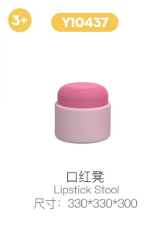 |  | STANDARD ITEM | PCS | 4 |  |  |  |  |  |  |  |  | 是否发光？
6 | Y10442 | Bread Stool | 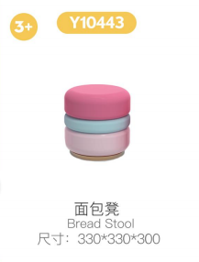 |  | STANDARD ITEM | PCS | 6
7 | Y10426 | Accessory Display Cabinet | 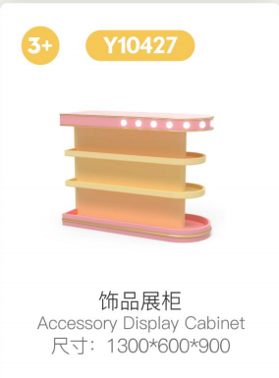 |  | STANDARD ITEM | PCS | 1
8 | Y10456 | Portrait Photo Booth (2-Person) | 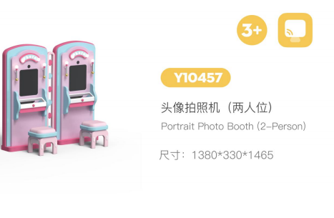 |  | STANDARD ITEM | PCS | 1
9 | Y10459 | Square Stool | 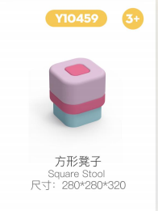 |  | STANDARD ITEM | PCS | 2
10 | Y10448 | Wall-mounted Makeup Mirror | 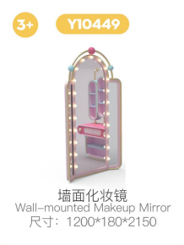 |  | STANDARD ITEM | PCS | 2
11 | Y10451 | Princess Makeup Chair | 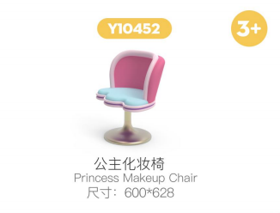 |  | STANDARD ITEM | PCS | 2
12 | Y10449 | Wall Cabinet | 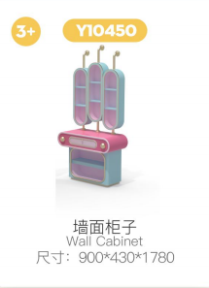 |  | STANDARD ITEM | PCS | 1
13 | Y10454 | AR Photo Booth | 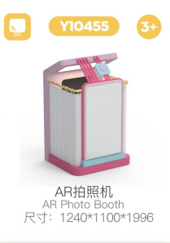 |  | STANDARD ITEM | PCS | 1
 |  |  |  |  |  |  |  |  |  |  |  |  | $0.0
 | CAFE&ICE-CREAM AREA
14 | Y10918 | Cafe Ingredient Counter | 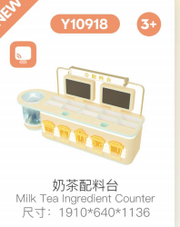 |  | STANDARD ITEM | PCS | 1 |  | 0 |  | 0 |  | $0.0 | $0.0
15 | Y10920 | Cafe Photo Spot Counter | 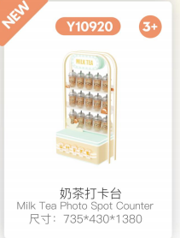 |  | STANDARD ITEM | PCS | 1
16 | Y10937 | ce Cream Wall Display Rack | 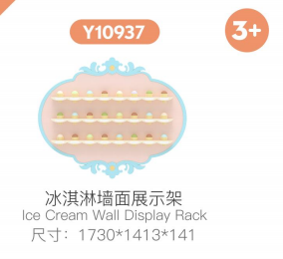 |  | STANDARD ITEM | PCS | 1
17 | Y10934 | Ice Cream Menu Stand | 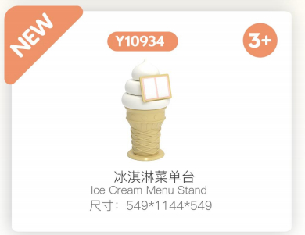 |  | STANDARD ITEM | PCS | 1
18 | Y10936 | loe Cream Toppings Station | 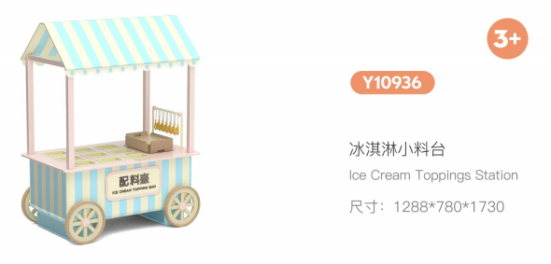 |  | STANDARD ITEM | PCS | 1
19 | Y10935 | Fried lce Cream Table | 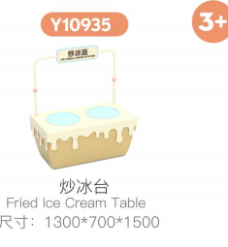 |  | STANDARD ITEM | PCS | 1
20 | Y10938 | lce Cream Area Table & Chairs Set | 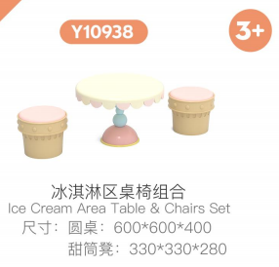 |  | STANDARD ITEM | SETS | 2

 | BAKERY AREA
21 | Y10940 | Cake Display Table - Short Version | 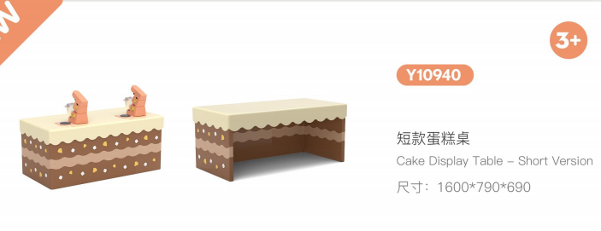 |  | STANDARD ITEM | PCS | 1
22 | Y10941 | Oven | 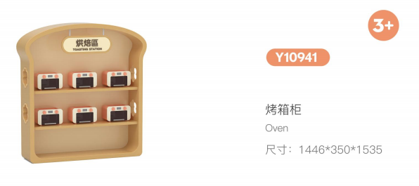 |  | STANDARD ITEM | PCS | 1
23 | Y10906 | Standing Bread Cabinet | 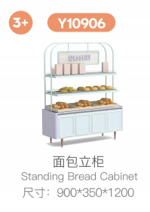 |  | STANDARD ITEM | PCS | 2
24 | Y10907 | Tray Rack | 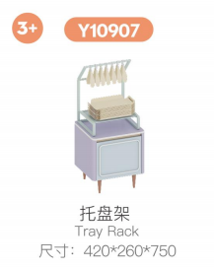 |  | STANDARD ITEM | PCS | 1
25 | Y10645 | Hospiatai Stools | 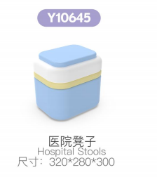 |  | STANDARD ITEM | PCS | 2
26 | Y10905 | Bread Island Cabinet | 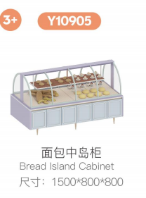 |  | STANDARD ITEM | PCS | 1
 | KITCHEN AREA
27 | Y10177 | kitchen(with monitor) | 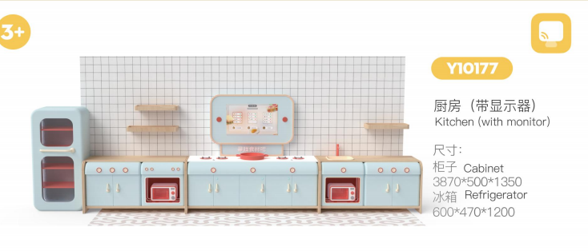 |  | STANDARD ITEM | SETS | 1
28 | Y10172 | kitchen island worktop | 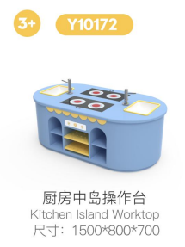 |  | STANDARD ITEM | PCS | 1
29 | Y10801 | Grilling Table | 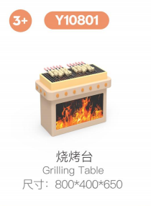 |  | STANDARD ITEM | PCS | 1

 | MARKET AREA
30 | Y10357 | Grid Shelf A | 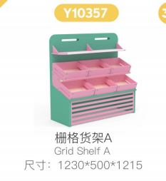 |  | STANDARD ITEM | PCS | 2
31 | Y10358 | Vertical Dual-Sensor Cashier Desk | 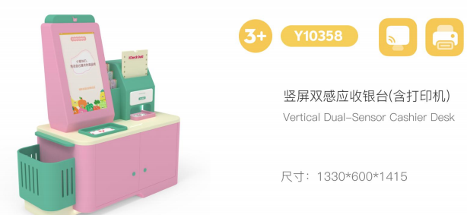 |  | STANDARD ITEM | PCS | 1
32 | Y10359 | Grid Shelf B | 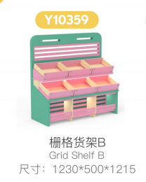 |  | STANDARD ITEM | PCS | 2
33 | Y10351 | Fresh Produce Cabinet | 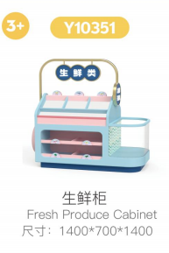 |  | STANDARD ITEM | PCS | 2
34 | Y119001 | Flower Arrangement Table | 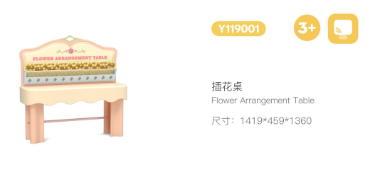 |  | STANDARD ITEM | PCS | 1
35 | Y119006 | Small Flower Stand | 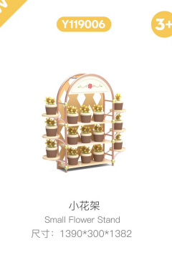 |  | STANDARD ITEM | PCS | 1

 | CAR REPAIR AREA
36 | Y10535 | Mechanic Wall And Cabinet | 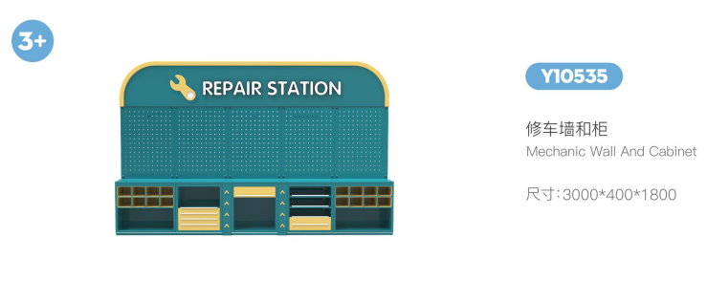 |  | STANDARD ITEM | PCS | 1
37 | Y10562 | Repair Frame With Lift | 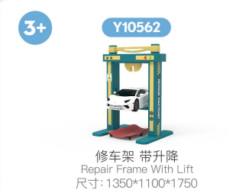 |  | STANDARD ITEM | PCS | 2
38 | Y10536 | Tyre Rack | 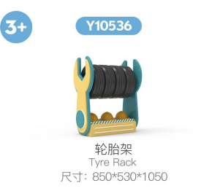 |  | STANDARD ITEM | PCS | 1
 | BANK AREA
39 |  | ATM | 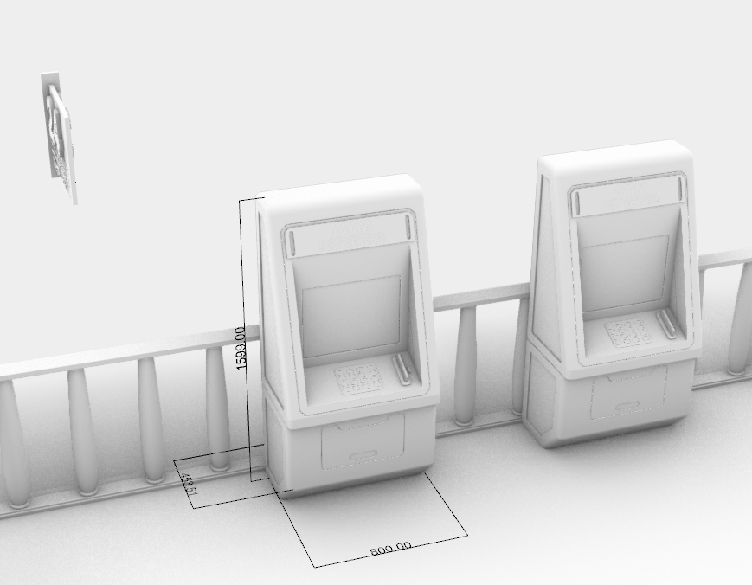 |  | STANDARD ITEM | PCS | 2
40 |  | FRONT DESK | 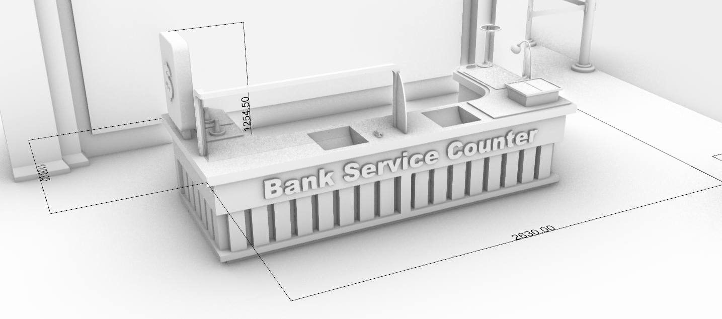 |  | STANDARD ITEM | PCS | 1
41 |  | GOLDEN COIN SET | 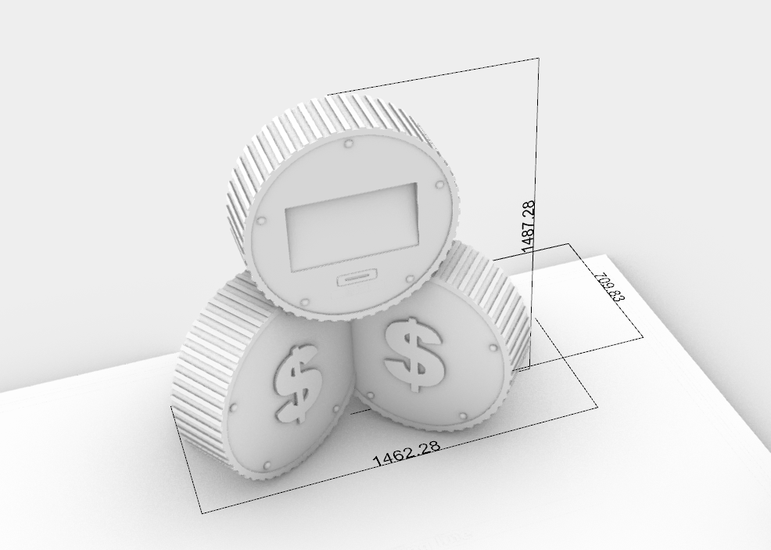 |  | STANDARD ITEM | PCS | 1

 | HOSPITAL AREA(HUMAN&PET）
42 | Y10703 | Petal Pet Climbing Frame | 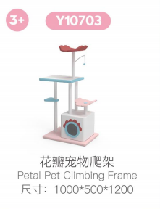 |  | STANDARD ITEM | PCS | 1
43 | Y10701 | PET NEST | 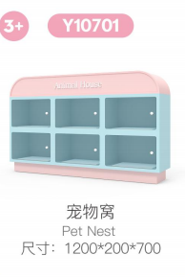 |  | STANDARD ITEM | PCS | 1
44 | Y10751 | PET FOOD DISPLAY TABLE | 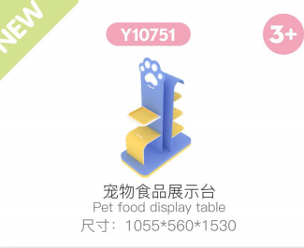 |  | STANDARD ITEM | PCS | 1
45 | Y10641 | CT Scanner (with screen) | 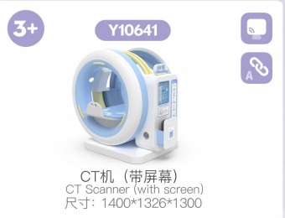 |  | STANDARD ITEM | PCS | 1
46 | Y10644 | Acrylic Medicine Cabinet | 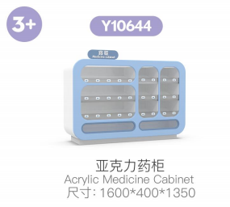 |  | STANDARD ITEM | PCS | 1
47 | Y10643 | Hospital Consultation Desk (with soreen) | 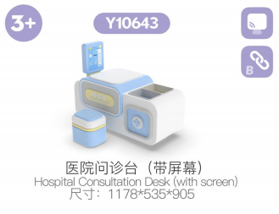 |  | STANDARD ITEM | PCS | 1
48 | Y10638 | Medical Stools | 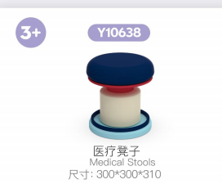 |  | STANDARD ITEM | PCS | 1
49 | Y10642 | Doctor's Wardrobe | 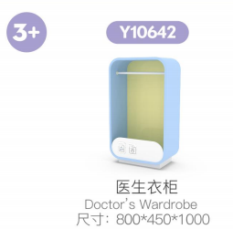 |  | STANDARD ITEM | PCS | 1
50 | Y10650 | Medicine Inspection Counter | 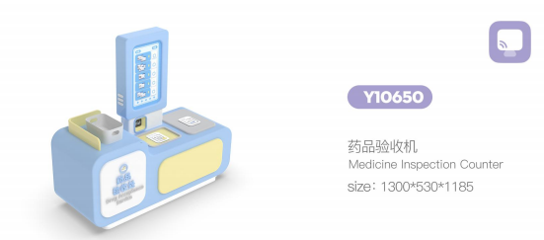 |  | STANDARD ITEM | PCS | 1

 | POLICE AREA
51 | Y10553 | Multi-Functional Police Wardrobe |  |  | STANDARD ITEM | PCS | 1
52 | Y10538 | Police interrogation Room |  |  | STANDARD ITEM | PCS | 1
53 | Y10526 | Police Car |  |  | STANDARD ITEM | PCS | 1
54 | Y10502 | Police Station Reception |  |  | STANDARD ITEM | PCS | 1
55 | Y10605 | Chair |  |  | STANDARD ITEM | PCS | 2
56 | Y117006 | SECURITY GATE |  |  | STANDARD ITEM | PCS | 1

 | FIRE STATION
57 | Y105112 | Fire Alarm Booth |  |  | STANDARD ITEM | PCS | 2
58 | Y105113 | Fire Equipment Storage |  |  | STANDARD ITEM | PCS | 1
59 | Y105114 | Fire Command Desk |  |  | STANDARD ITEM | PCS | 1
60 | Y105117 | Fire Truck Cabin |  |  | STANDARD ITEM | PCS | 1
61 | Y105118 | Fire Mist Escape Tunnel |  |  | STANDARD ITEM | PCS | 1
62 | Y105116 | Fire Truck Head |  |  | STANDARD ITEM SIZE | PCS | 1 |  |  |  |  |  |  |  |  | Adjust the pattern stickers to make them less childish. | 

 | CONSTRUCTION SITE AREA
63 |  | EXCAUATOR |  |  |  | PCS | 1 |  |  |  |  |  |  |  |  | 【淘宝】https://e.tb.cn/h.8MZ8UhBLyu5yZdr?tk=P6rJTgqKHzS CZ057 「儿童电动挖掘机可坐人超大号遥控男孩女宝宝充电拖拉机挖土机勾机」 点击链接直接打开 或者 淘宝搜索直接打开
64 |  | TRACTOR |  |  |  | PCS | 1 |  |  |  |  |  |  |  |  | 【淘宝】https://e.tb.cn/h.8MZ8l8pwii5Ou1p?tk=87veTgqpmPG CZ007 「儿童电动车四轮汽车电动手扶拖拉机带斗男女孩宝宝童车越野玩具车」 点击链接直接打开 或者 淘宝搜索直接打开
65 |  | GRUE |  |  |  | PCS | 1 |  |  |  |  |  |  |  |  | 【淘宝】https://e.tb.cn/h.8MZivl0qK5T7rsJ?tk=CqcDTgqLiht CZ225 「儿童遥控声光塔吊塔式起重机模型男孩玩具大号电动工程车生日礼物」 点击链接直接打开 或者 淘宝搜索直接打开
66 | Y10595 | CONSTRUCTION SITE DIGGER TABLE |  |  | STANDARD ITEM | PCS | 1
67 | Y105123 | CONSTRUCTION SITE BUILDING BLOCK TABLE |  |  | STANDARD ITEM | PCS | 1
68 | Y105126 | CONSTRUCTION SITE Wardrobe |  |  | STANDARD ITEM | PCS | 1
69 | Y10580 | CONSTRUCTION SITE EV RACKS |  |  | STANDARD ITEM | PCS | 1

 | FARM AREA
70 | Y10747 | LARGE COW |  |  | STANDARD ITEM
71 | Y10748 | CALF |  |  | STANDARD ITEM
72 | Y10723 | Baby Bottle Storage Box |  |  | STANDARD ITEM
73 | Y10756 | Chicken Lays Eggs 3.0 |  |  | STANDARD ITEM
74 | Y10737 | Soft Pack Harvesting | 
75 | Y10739 | Fruit & Vegetable Recognition Machine |  |  | STANDARD ITEM
76 |  | SOFT RIDE HORSE |  |  |  |  |  |  |  |  |  |  |  |  |  | 淘宝】https://e.tb.cn/h.8MZsIAv4YCZpn0m?tk=9BLpTgJbesw HU108 「可骑行卡通马溜溜车带轮子客厅创意摆件创意儿童轮滑小马生日礼物」 点击链接直接打开 或者 淘宝搜索直接打开

 | FRONT DESK
77 |  | AIRPLANE |  |  | STANDARD ITEM | PCS | 1 |  |  |  |  |  |  |  |  | S-SIZE

 | CAR STATION
78 |  | Tesla Fuel Pump |  |  | STANDARD ITEM | PCS | 6
79 |  | RIDE ON CAR |  |  |  | PCS | 7

 | SHOE CHANGING AREA
80 |  | STORAGE CABINET(WITH PAYMENT SYSTEM) |  |  |  | PCS | 18 |  |  |  |  |  |  |  |  | 【淘宝】https://e.tb.cn/h.8KgVx81yDbLv5pM?tk=LBs5TTTa1qL CZ028 「定制智能相机租赁柜微信扫码联网自助数码相机共享借还柜工厂批发」 点击链接直接打开 或者 淘宝搜索直接打开

1 |  | 包装费（含部分产品特定包装箱） |  |  |  |  |  |  |  |  |  |  |  |  |  | 国外需要
2 |  | 除甲醛
3 |  | 运输费（含装货不含卸货）
4 |  | 安装费（含工人食宿） |  |  |  |  |  |  |  |  |  |  |  |  |  | USD200/天/人
5 |  | 小计（不含税） |  |  |  |  |  |  |  |  | 0 |  | 0
6 |  | 税额13%（可抵税） |  |  |  |  |  |  |  |  | 0 |  | 0
7 |  | 总计（含税） |  |  |  |  |  |  |  |  | 0 |  | 0
合计金额 （大写） |  | RMB0
1、不含现场地面找平（C25水泥）、墙面找平、原始墙面批灰打磨、空调消防新风等；电源拉到现场（地产类） 2、主要材料说明： 皮革：环保B1阻燃 木板：E0级环保B1阻燃 海绵：英标B1阻燃 油漆：大宝牌 不锈钢：304食品级 软垫：欧标 壁纸：防潮、防霉、加厚、B1阻燃 PVC：2MM厚高密度B1阻燃
此报价有效期为30天，超时将重新核算； 以下为空白

