Sheet1
Test Case ID | User Story ID | Acceptance Condition | Preconditions | Test Data | Steps / Instructions | Expected Results | Actual Results | Pass / Fail | Notes
1 | 1 | Can type into text box labeled Name | Page has loaded up with form to type into | Steven | Attempt to type name into field | Be able to type into form |  | Pass | created form boxes using form and div tags on html
2 | 2 | Able to type Email address into form | Page has loaded up with form to type into | Steventim95@gmail.com | Attempt to type name into field | Be able to type into form |  | Pass | created form boxes using form and div tags on html
3 | 3 | Able to type Credit card information into form | Page has loaded up with form to type into | 1111222233334444 | Attempt to type Credit card information into form field | Be able to type numbers into form |  | Pass | created form boxes using form and div tags on html
4 | 4 | Able to type characters A-Z, no numbers or special characters allowed | Page has loaded up with form to type into | Steven 123 @ | Attempt to type name, a number and special characters into form | Validation will prevent numbers or special characters being submitted | 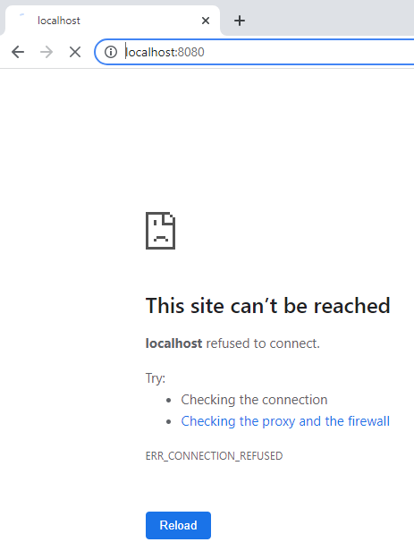 | Fail | Failed to launch through chrome using standard VScode run feature
5 | 4 | Able to type characters A-Z, no numbers or special characters allowed | Page has loaded up with form to type into | Steven 123 @ | Attempt to type name, a number and special characters into form | Validation will prevent numbers or special characters being submitted |  | Fail | Launched code through live server addon, loaded up this time but my code did not work to validate text
6 | 4 | Able to type characters A-Z, no numbers or special characters allowed | Page has loaded up with form to type into | Steven 123 @ | Attempt to type name, a number and special characters into form | Validation will prevent numbers or special characters being submitted |  | Pass | Was not calling the function in the HTML file before. Function in javascript file
7 | 5 | Able to type characters A-Z, no numbers or special characters allowed in the name field. Regular expression will ensure a valid email address has been passed | Name field needs to be validated | Steven 123 hello hello@hello hello@hello.com | Attempt to type fouling data into email whilst correct data is put into name field | Page will alert user to enter a valid email address |  | Pass | learned about regular expressions for email validating email
8 | 6 | Be only able to type numbers into the field, if the number is not a valid credit card number (passing the LUHN algorithm) you will get an error | Form needs to load and Card details field needs to be displayed | a 4417 1234 5678 9113 | Attempt to enter in a non numerical character. Attempt to enter in a credit card number. | Page will alert user to enter a valid credit card number if it is wrong or invalid. |  | Pass | tried modifying the algorithm for loop itself to work with my code but ended up having to just call it with a function and parameter instead
9 | 7 | Colurs:Green RGB 137,200,46 Hex 89c82e Grey RGB 60,60,59 Hex 3c3c3b Pink RGB 231,0,100 Hex 700064, have been applied | Form needs to load up all elements before styles can be applied | N/A | observe styling | Page should load with added styling |  | Pass | applying CSS style to html elements was quite easy until i tried to add styling to my submit button. i ended up having to change the syntax that created the button which finally got it to work <input type="submit" value="Submit"> - did not work <button class="btn">Submit</button> - did work
10 | 8 | Calibri font added, elements have been centered and have matched to the wireframe as best as i can with the information given | Form needs to load up all elements before styles can be applied | N/A | observe styling | Page should load with added styling | 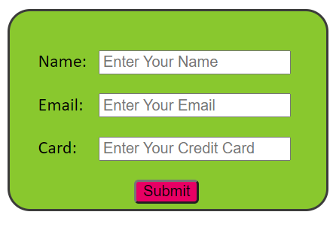 | Pass | Had to use different styling to the last task as I was using lots of fixed distances which became hard to work with. I styled all the label elements together and aligned them as one so that the input fields would line up with one another.
11 | 9 | Validation on text fields done before data submitted | Form needs to have loaded on page, with name, email and card fields to input data | 123 Steven hello@hellocom hello@hello.com abc 4417 1234 5678 9123 4417 1234 5678 9113 | 1.Enter nothing into name and submit. 2.Enter 123 into name and submit 3.Enter steven into name and submit 4.Enter steven into name and hello@hellocom into email and submit 5.Enter steven into name and hello@hello.com into email and submit 6.Enter steven into name, hello@hello.com into email and abc into card and submit 7.Enter steven into name, hello@hello.com into email and 4417 1234 5678 9123 into card and submit 8.Enter steven into name, hello@hello.com into email and 4417 1234 5678 9113 into card and submit | The form should only submit when the name, email and card details have been validated. When invalid data is passed an alert message will pop up telling you what is required | 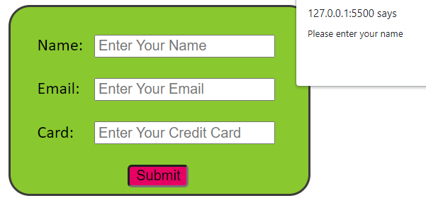 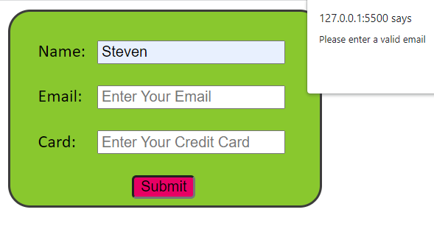 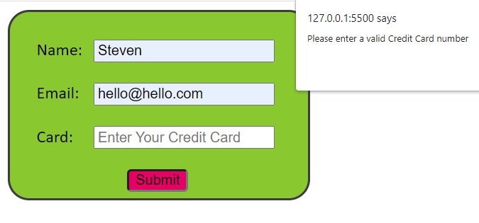 | Pass | had to set up an If statement which would only submit if the validation for all 3 fields returned as true.
12 | 10 | Page adheres to w3c accessibility guidelines | Form needs to have loaded on page, styling included. | Html elements on the page | turn on screen reader and go through each element on the page ensuring that it is obvious what the page wants or shows. This includes all error messages. | Screen reader will read out all elements fine | 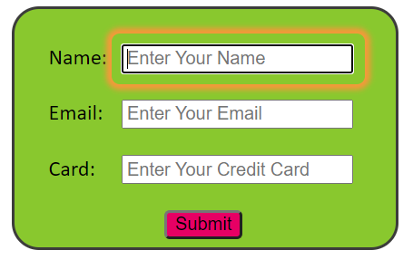 | Pass
13 | 11 | fields need to alert user whether the information submitted is valid or not | Form needs to have laoded on page, styling included | 123 steven hello@hellocom hello@hello.com abc 4417 1234 5678 9123 | type in valid and invalid data into the fields to see whether it reacts with styling changes | Any invalid fields will turn red, all valid fields will turn green. | 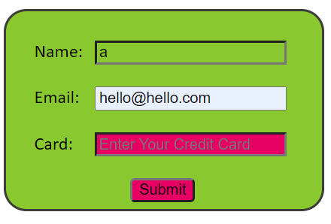 | Fail | Autofill was used to fill in data. The autofill boxes were not styled.
14 | 11 | fields need to alert user whether the information submitted is valid or not | Form needs to have loaded on page, styling included | 123 steven hello@hellocom hello@hello.com abc 4417 1234 5678 9123 | type in valid and invalid data into the fields to see whether it reacts with styling changes | Any invalid fields will turn red, all valid fields will turn green. | 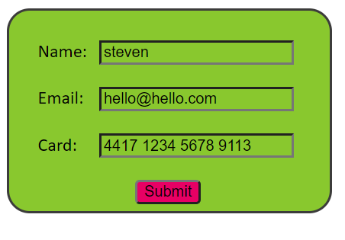 | Pass | Autofill turned off for entire html page so user has to type in details
15 | 12 | validation enabled to prevent SQL injection attacks | form needs to have loaded on page, styling included. | £$%^&*[]{123 steven hello@hellocom hello@hello.com abc 4417 1234 5678 9123 | attempt to type special characters into fields to replicate a SQL request | fields will turn red when invalid characters have been passed | 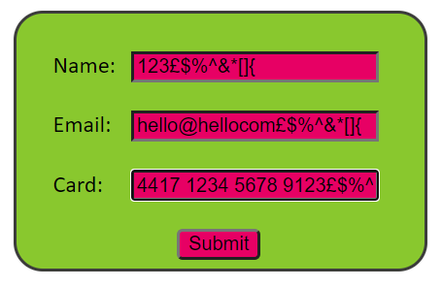 | Pass | More sanitizing povisions are in place to prevent SQL injection attacks.
16 | 13 | Credit cards validated using LUHN algorithm | Form needs to have loaded and card field shown | 4417 1234 5678 9123 4417 1234 5678 9113 | Type in both credit card numbers into the card field, the first number should not work as it cannot be verified. The second number should work. | input field will turn red if the number cannot be validated, input field will turn green if the number is validated. | 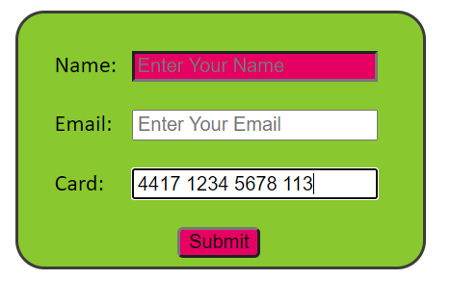 | Fail | Entered valid credit card number into field but name and email fields were not filled so page tries to validate the name field.
17 | 13 | Credit cards validated using LUHN algorithm | Form needs to have loaded and card field shown | 4417 1234 5678 9123 4417 1234 5678 9113 | Type in both credit card numbers into the card field, the first number should not work as it cannot be verified. The second number should work. | 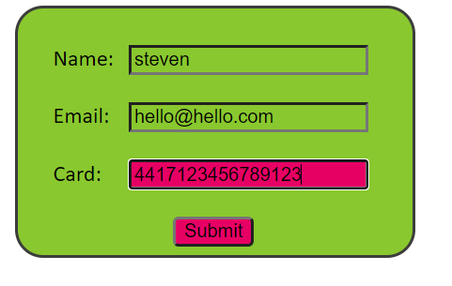 input field will turn red if the number cannot be validated, input field will turn green if the number is validated. | 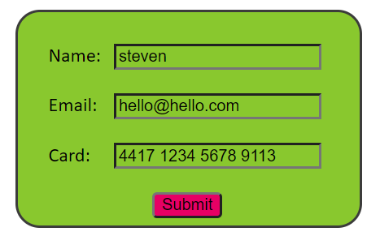 | Pass | other fields were filled in with valid data, credit card numbers are verified using the LUHN algorithm
18 | 14 | Page loads on different platforms i.e. different operating systems and browsers | Must be able to launch from different browser or operating system | N/A | toggle device toolbar by hitting F12 on chrome and select through all 51 mobile phones displayed to see if page still loads. Launch page from different browsers | Page should load up and function as normal | 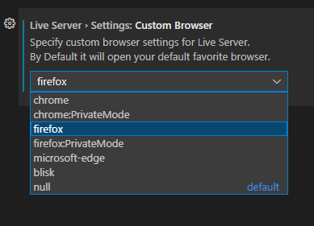 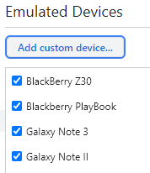 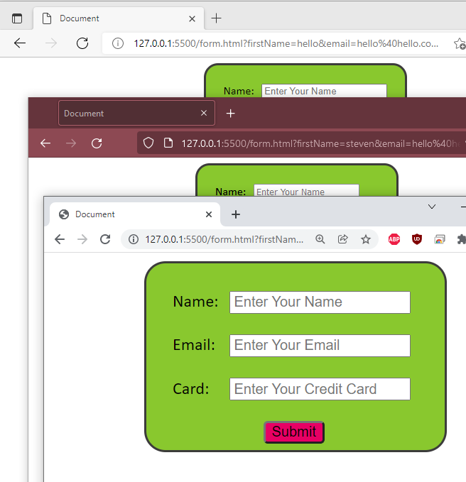 | Pass
19 | 15 | email is sent after valid data has been submitted | Page needs to have loaded and valid data entered into the input fields | steven hello@hello.com 4417 1234 5678 9113 | Hit submit and check if email has been recieved. | Email with valid data to be sent to test@dn.co.uk | 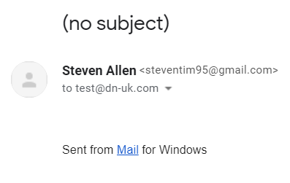 | Fail | Email was sent but information was not sent with it
20 | 15 | email is sent after valid data has been submitted | Page needs to have loaded and valid data entered into the input fields | steven hello@hello.com 4417 1234 5678 9113 | Hit submit and check if email has been recieved. | Email with valid data to be sent to test@dn.co.uk | 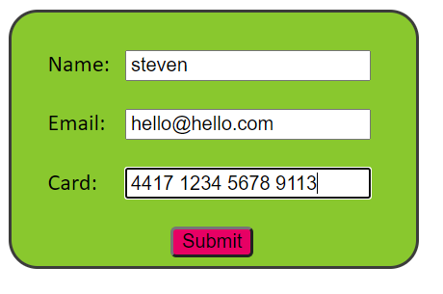 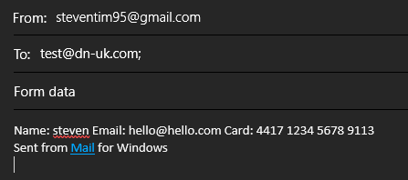 | Pass | Email send including data, added "?subject=subject&body=body formats into code to insert data into the email being sent

