Sheet1
Car.java
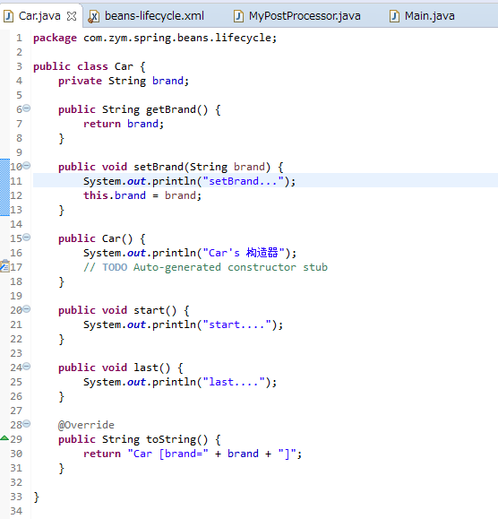

MyPostProcessor.java
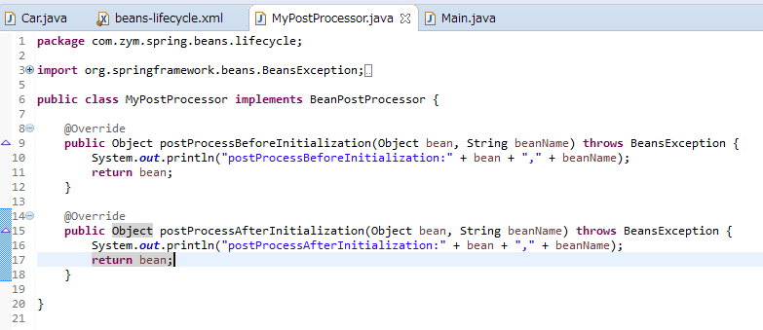

beans-lifecycle.xml

Main.java

执行结果

Bean生命周期流程

