LRULIPRRC
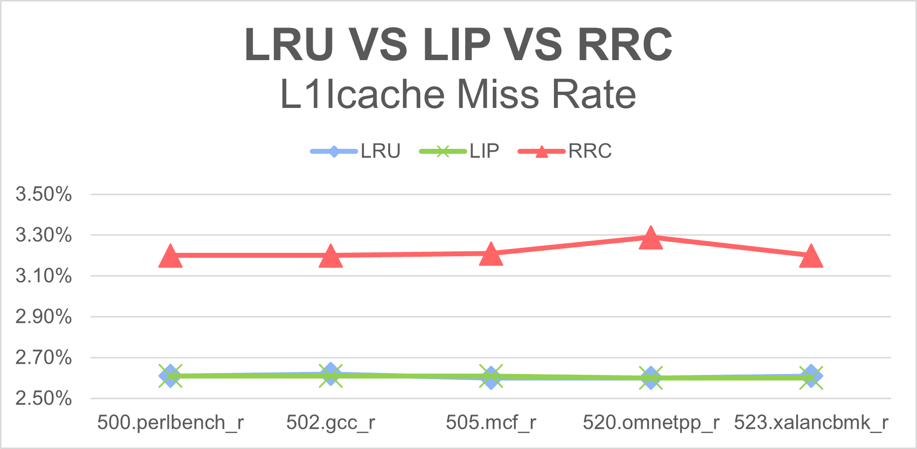
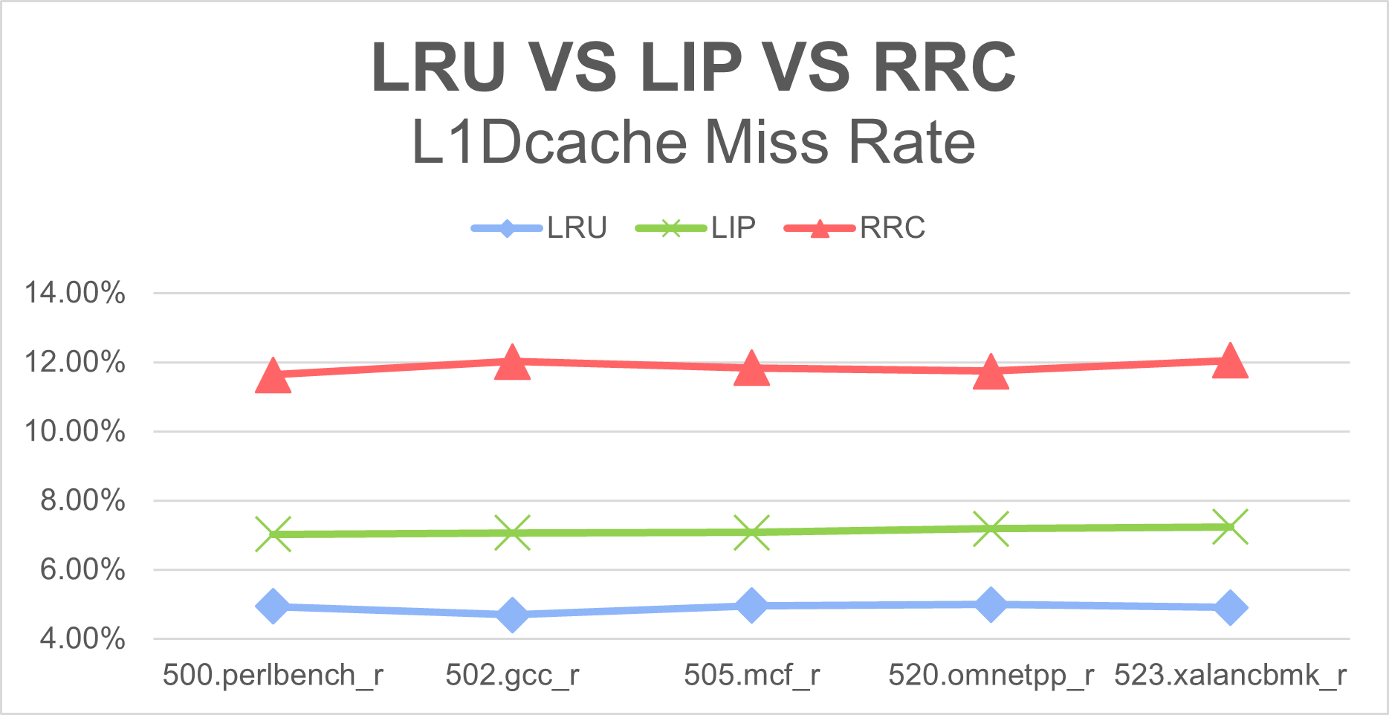
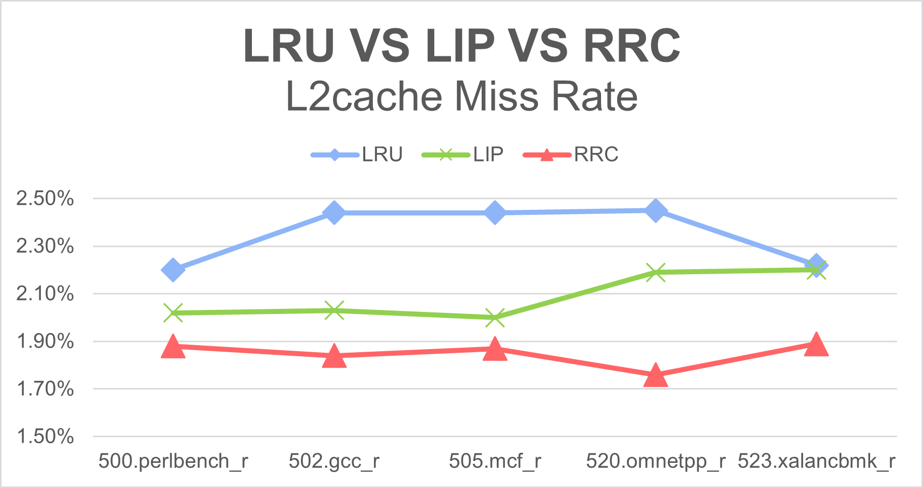
Application | L1Icache Miss Rate |  |  | L1Dcache Miss Rate |  |  | L2cache Miss Rate
 | LRU | LIP | RRC | LRU | LIP | RRC | LRU | LIP | RRC
500.perlbench_r | 2.61% | 2.61% | 3.20% | 4.94% | 7.02% | 11.63% | 2.20% | 2.02% | 1.88%
502.gcc_r | 2.62% | 2.61% | 3.20% | 4.69% | 7.07% | 12.02% | 2.44% | 2.03% | 1.84%
505.mcf_r | 2.60% | 2.61% | 3.21% | 4.96% | 7.08% | 11.84% | 2.44% | 2.00% | 1.87%
520.omnetpp_r | 2.60% | 2.60% | 3.29% | 4.99% | 7.19% | 11.74% | 2.45% | 2.19% | 1.76%
523.xalancbmk_r | 2.61% | 2.60% | 3.20% | 4.91% | 7.24% | 12.05% | 2.22% | 2.20% | 1.89%

2MB Detail stats
 | core.cpi | 0L1IcacheMiss | 0L1IcacheAccess | 1L1IcacheMiss | 1L1IcacheAccess | 0L1DcacheMiss | 0L1DcacheAccess | 1L1DcacheMiss | 1L1DcacheAccess | 0L2cacheMiss | 0L2cacheAccess | 1L2cacheMiss | 1L2cacheAccess
LRU500 | 4.243052 | 131940 | 8230289 | 3914285 | 146950732 | 132010 | 2923424 | 2162501 | 43502455 | 70192 | 3182533 | 69034 | 3158203
LRU502 | 4.503911 | 315353 | 14197343 | 3083697 | 115747741 | 225077 | 4752563 | 1624245 | 34668936 | 64594 | 2629672 | 63555 | 2618700
LRU505 | 4.3362 | 3847799 | 1.47E+08 | 234648 | 10183029 | 2150817 | 43390042 | 176499 | 3545536 | 79247 | 3225888 | 76927 | 3183875
LRU520 | 4.275006 | 3847236 | 1.47E+08 | 245997 | 10680334 | 2159807 | 43333003 | 191645 | 3795873 | 80423 | 3253519 | 77328 | 3191166
LRU523 | 4.243982 | 133509 | 8274736 | 3915397 | 146963722 | 133872 | 2937853 | 2150046 | 43550039 | 70894 | 3200173 | 69709 | 3132651
RRC500 | 4.741335 | 4743534 | 1.47E+08 | 293389 | 10413687 | 5093259 | 43254700 | 364524 | 3659330 | 100402 | 5809263 | 96612 | 4685443
RRC502 | 4.767132 | 4745694 | 1.47E+08 | 289043 | 10346816 | 5285000 | 43336821 | 362597 | 3632368 | 100159 | 5954898 | 96497 | 4727436
RRC505 | 4.853621 | 4751252 | 1.47E+08 | 291082 | 10311654 | 5188931 | 43280849 | 364893 | 3645965 | 100686 | 5906550 | 97404 | 4689608
RRC520 | 4.83498 | 190905 | 8756166 | 4981933 | 148286466 | 299453 | 3127994 | 5395784 | 45367763 | 96710 | 5995356 | 94025 | 4872719
RRC523 | 4.773768 | 4747567 | 1.47E+08 | 305595 | 10859540 | 5287225 | 43331444 | 401382 | 3861944 | 103730 | 5960594 | 99694 | 4781175
LIP500 | 4.355532 | 136622 | 8397705 | 3920200 | 146928168 | 155005 | 2981266 | 3110486 | 43515946 | 74954 | 4071009 | 73244 | 3251304
LIP502 | 4.357946 | 141340 | 8769408 | 3922275 | 146927023 | 165349 | 3136135 | 3132703 | 43505188 | 75378 | 4112120 | 74134 | 3249547
LIP505 | 4.360031 | 134155 | 8210405 | 3921492 | 146921899 | 150390 | 2913898 | 3140918 | 43547792 | 73986 | 4091842 | 72616 | 3255113
LIP520 | 4.600288 | 3859149 | 1.47E+08 | 246535 | 10706534 | 3173264 | 43349954 | 211582 | 3743084 | 83651 | 4195786 | 80364 | 3294744
LIP523 | 4.368654 | 3858544 | 1.47E+08 | 250785 | 10855581 | 3195866 | 43373117 | 222127 | 3861513 | 84102 | 4212710 | 81728 | 3314612

threshold
2MB | 500.perlbench_r | 520.omnetpp_r | 523.xalancbmk_r | 525.x264_r
 | 1 | 1 | 1 | 1
 | 5 | 5 | 5 | 5
 | 500 | 520 | 525
 | 1 | 1 | 1
 | 5 | 5 | 5
 | 1 | 1 | 1
 | 5 | 5 | 5
 | 1 | 1 | 1
 | 5 | 5 | 5
 | 1 | 1 | 1
 | 5 | 5 | 5
 | 1 | 1 | 1
 | 5 | 5 | 5
 | 1 | 1 | 1
 | 5 | 5 | 5
 | 1 | 1 | 1
 | 5 | 5 | 5
 | 9 | 9 | 1
 | 5 | 13 | 5
 | 9 | 9 | 1
 | 5 | 13 | 1
 | 9 | 17 | 5
 | 13 | 21 | 1
 |  | 25 | 5
 | 1 | 1 | 1 | 1
 | 5 | 5 | 5 | 5
 | 1 | 1 | 1 | 1
 | 5 | 5 | 5 | 5
 | 1 | 1 | 1 | 1
 | 5 | 5 | 1 | 5
 | 1 | 1 | 5 | 1
 | 5 | 5 | 1 | 5
 | 1 | 1 | 5 | 1
 | 5 | 5 | 1 | 5
 | 1 | 1 | 5 | 1
 | 5 | 5 | 1 | 5
 | 9 | 9 | 5 | 1
 | 5 | 13 | 9 | 5
 | 9 | 9 | 13 | 1
 | 5 | 13 | 9 | 1
 | 9 | 17 | 13 | 5
 | 13 | 21 | 17 | 1
 |  | 25 | 21 | 5

