D_Transformer
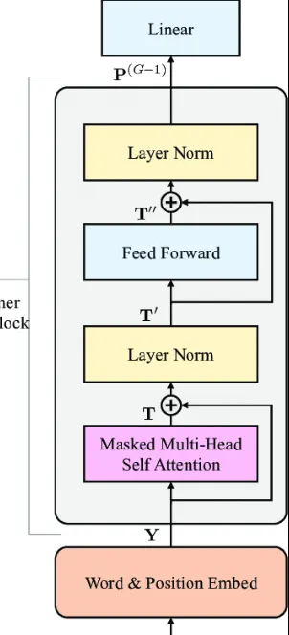
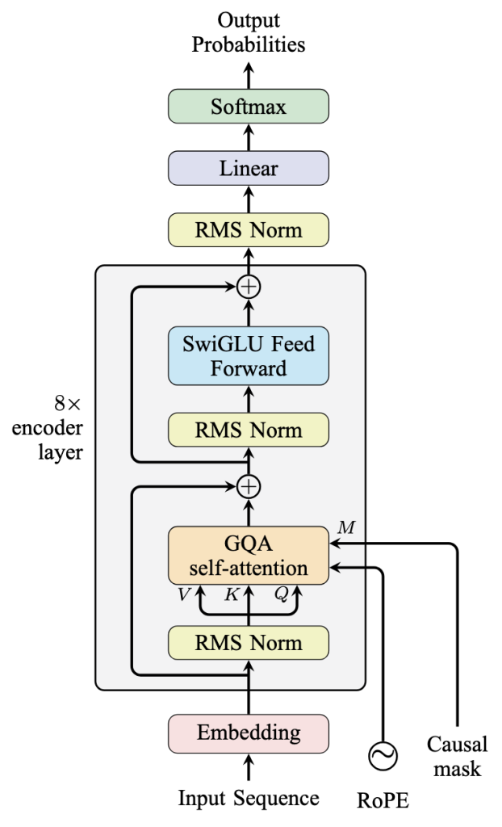
Vanilla Decode-Only Transformer | Advanced Decode-Only Transformer

Graph&Table
(1GW, mn USD) | Capex | Opex | Revenue(理論)
VR NVL72 | $43,234 | $9,298.2 | $76,735 | 8.2527414626 |  |  | 2.2308883009
GB200 NVL 72 | $33,768 | $7,054.4 | $34,397 | 4.875933912 | 1.6925457997
 |  |  |  | 0.87882814401
 |  |  |  | 0.7949110841 | 1.1055678573

Metric | 2025A | 2026E | 2027E | 2028E | 2029E | 2030E
Revenue ($B) | $13.1 | $32.8 | $60.6 | $112.1 | $179.3 | $286.9
YoY Revenue Growth | n/a | 150% | 85% | 85% | 60% | 60%
Total Customers (M) | 623 | 1,159 | 1,600 | 2,484 | 2,787 | 3,120
Paid Subscribers (M) | 21.8 | 58.5 | 99.5 | 184.0 | 237.0 | 320.0
Free-to-Paid Conversion Rate | 3.5% | 5.0% | 6.2% | 7.4% | 8.5% | 10.3%
Total Customers tokens(Mtok) | 1,355,706,725 | 4,708,500,000 | 8,628,600,000 | 16,727,950,000 | 28,561,250,000 | 44,457,000,000
tok/customer/day | 5,967 | 11,135 | 14,780 | 18,450 | 28,077 | 39,038
tok/paid customer/day | 170,379 | 220,513 | 237,588 | 249,076 | 330,169 | 380,625
Consumer Sub Rev ($B) | $8.4 | $19.8 | $33.7 | $61.0 | $92.7 | $142.8
Consumer Sub Price ($/Mtok) | $6.2 | $4.2 | $3.9 | $3.6 | $3.2 | $3.2
API Rev ($B) | $4.7 | $13.0 | $26.9 | $51.1 | $86.6 | $144.1
Total API tokens(Mtok) | 1,799,019,357 | 5,097,801,184 | 10,906,460,467 | 21,282,864,583 | 37,999,561,404 | 67,672,488,263
API Price ($/Mtok) | $2.6 | $2.5 | $2.5 | $2.4 | $2.3 | $2.1
Consumer % of Rev | 64% | 60% | 56% | 54% | 52% | 50%

Total Tokens (T) | 3700 | 9806.3011838 | 19535.060467 | 38010.814583 | 66560.811404 | 112129.48826
YoY Token Growth | n/a | 1.6503516713 | 0.99209264545 | 0.94577409408 | 0.75110194646 | 0.68461720791
Blended Eff. Rate ($/M tok) | 3.5405405405 | 3.3396893881 | 3.1014749149 | 2.9488153892 | 2.6943631879 | 2.5590271074
Blended ARPU ($/mo) | 32.293577982 | 28.170940171 | 28.201005025 | 27.630434783 | 32.594936709 | 37.1875

IO_Sensitivity
Input/Output Token Sensitivity Analysis — Annual Token Processing & Revenue Impact
1 GW Vera Rubin NVL72 Facility | 1T Dense Model (FP8) | Batch=64 | 70% GPU Utilization | Pricing: $2.50/M input, $10/M output

# | Input Tokens | Output Tokens | Total Tokens per Request | I/O Ratio | E2E Latency (seconds) | Requests/Year (Billions) | Annual Input Tokens (T) | Annual Output Tokens (T) | Annual Total Tokens (T) | Input Revenue ($M/yr) | Output Revenue ($M/yr) | Theoretical Revenue ($M/yr) | Use Case
1 | 500 | 200 | 700 | 2.5 | 0.203 | 36,459.0 | 18,229.5 | 7,291.8 | 25,521.3 | $45,574 | $72,918 | $118,492 | Quick chatbot
2 | 1,000 | 500 | 1,500 | 2.0 | 0.356 | 20,802.1 | 20,802.1 | 10,401.0 | 31,203.1 | $52,005 | $104,010 | $156,015 | Standard chat
3 | 2,000 | 500 | 2,500 | 4.0 | 0.655 | 11,302.3 | 22,604.6 | 5,651.1 | 28,255.7 | $56,512 | $56,511 | $113,023 | Q&A / search
4 | 2,000 | 1,000 | 3,000 | 2.0 | 0.660 | 11,206.4 | 22,412.8 | 11,206.4 | 33,619.2 | $56,032 | $112,064 | $168,096 | Conversational AI
5 | 4,000 | 1,000 | 5,000 | 4.0 | 1.928 | 3,836.8 | 15,347.1 | 3,836.8 | 19,183.9 | $38,368 | $38,368 | $76,735 | ◄ CURRENT CONFIG
6 | 4,000 | 2,000 | 6,000 | 2.0 | 1.270 | 5,826.0 | 23,303.9 | 11,651.9 | 34,955.8 | $58,260 | $116,519 | $174,779 | Balanced generation
7 | 4,000 | 4,000 | 8,000 | 1.0 | 1.294 | 5,718.6 | 22,874.5 | 22,874.5 | 45,749.1 | $57,186 | $228,745 | $285,931 | Heavy generation (1:1)
8 | 8,000 | 1,000 | 9,000 | 8.0 | 2.454 | 3,014.4 | 24,115.6 | 3,014.4 | 27,130.0 | $60,289 | $30,144 | $90,433 | Long context + short reply
9 | 8,000 | 2,000 | 10,000 | 4.0 | 2.467 | 2,999.4 | 23,995.0 | 5,998.7 | 29,993.7 | $59,988 | $59,987 | $119,975 | Document analysis
10 | 8,000 | 4,000 | 12,000 | 2.0 | 2.492 | 2,969.1 | 23,752.5 | 11,876.2 | 35,628.7 | $59,381 | $118,762 | $178,143 | Deep analysis + response
11 | 16,000 | 1,000 | 17,000 | 16.0 | 4.847 | 1,526.6 | 24,424.9 | 1,526.6 | 25,951.4 | $61,062 | $15,266 | $76,328 | RAG / long doc short answer
12 | 16,000 | 2,000 | 18,000 | 8.0 | 4.860 | 1,522.3 | 24,356.1 | 3,044.5 | 27,400.6 | $60,890 | $30,445 | $91,335 | Long doc summarization
13 | 16,000 | 4,000 | 20,000 | 4.0 | 4.888 | 1,513.6 | 24,217.2 | 6,054.3 | 30,271.5 | $60,543 | $60,543 | $121,086 | Enterprise doc processing
14 | 4,000 | 8,000 | 12,000 | 0.5 | 1.343 | 5,507.1 | 22,028.5 | 44,056.9 | 66,085.4 | $55,071 | $440,569 | $495,640 | Code generation
15 | 4,000 | 16,000 | 20,000 | 0.3 | 1.451 | 5,099.3 | 20,397.0 | 81,588.1 | 101,985.2 | $50,993 | $815,881 | $866,874 | Long-form writing / reports
16 | 1,000,000 | 1,000 | 1,001,000 | 1000.0 | 299.084 | 24.7 | 24,736.9 | 24.7 | 24,761.7 | $61,842 | $247 | $62,090 | 1M-token context window + short reply
17 | 1,000,000 | 1,000,000 | 2,000,000 | 1.0 | 561.935 | 13.2 | 13,165.8 | 13,165.8 | 26,331.5 | $32,914 | $131,658 | $164,572 | ⚠️ OOM: 2M-token context @ batch=64 requires ~33.5 TB KV cache. VR NVL72 has only 20.7 TB HBM4. Batch must be dynamically throttled to ~1-2.
18 | 1,000 | 1,000,000 | 1,001,000 | 0.0 | 95.355 | 77.6 | 77.6 | 77,587.9 | 77,665.5 | $194 | $775,879 | $776,073 | Tiny prompt + massive generation (1M output)

Key Insight:
Prefill (input processing) dominates latency (~97% of E2E time). Increasing input tokens has a far larger impact on throughput than increasing output tokens. Output tokens primarily drive revenue via 4× higher output pricing. Calculated on Vera Rubin NVL72 with all optimizations (GQA, batch=64, speculative decoding, NVLink SHARP+overlap+PP).

Chart 1: Annual Token Throughput by I/O Configuration |  |  |  |  | Chart 2: Revenue by I/O Configuration ($M/yr)
Config (Input:Output) | Annual Input Tokens (T) | Annual Output Tokens (T) | Annual Total Tokens (T) |  | Config (Input:Output) | Input Revenue ($M) | Output Revenue ($M) | Theoretical Revenue ($M)
500:200 | 18,229.5 | 7,291.8 | 25,521.3 |  | 500:200 | $45,574 | $72,918 | 118492
1000:500 | 20,802.1 | 10,401.0 | 31,203.1 |  | 1000:500 | $52,005 | $104,010 | 156015
2000:500 | 22,604.6 | 5,651.1 | 28,255.7 |  | 2000:500 | $56,512 | $56,511 | 113023
2000:1000 | 22,412.8 | 11,206.4 | 33,619.2 |  | 2000:1000 | $56,032 | $112,064 | 168096
4000:1000 | 15,347.1 | 3,836.8 | 19,183.9 |  | 4000:1000 | $38,368 | $38,368 | 76735
4000:2000 | 23,303.9 | 11,651.9 | 34,955.8 |  | 4000:2000 | $58,260 | $116,519 | 174779
4000:4000 | 22,874.5 | 22,874.5 | 45,749.1 |  | 4000:4000 | $57,186 | $228,745 | 285931
8000:1000 | 24,115.6 | 3,014.4 | 27,130.0 |  | 8000:1000 | $60,289 | $30,144 | 90433
8000:2000 | 23,995.0 | 5,998.7 | 29,993.7 |  | 8000:2000 | $59,988 | $59,987 | 119975
8000:4000 | 23,752.5 | 11,876.2 | 35,628.7 |  | 8000:4000 | $59,381 | $118,762 | 178143
16000:1000 | 24,424.9 | 1,526.6 | 25,951.4 |  | 16000:1000 | $61,062 | $15,266 | 76328
16000:2000 | 24,356.1 | 3,044.5 | 27,400.6 |  | 16000:2000 | $60,890 | $30,445 | 91335
16000:4000 | 24,217.2 | 6,054.3 | 30,271.5 |  | 16000:4000 | $60,543 | $60,543 | 121086
4000:8000 | 22,028.5 | 44,056.9 | 66,085.4 |  | 4000:8000 | $55,071 | $440,569 | 495640
4000:16000 | 20,397.0 | 81,588.1 | 101,985.2 |  | 4000:16000 | $50,993 | $815,881 | 866874
1000000:1000 | 24,736.9 | 24.7 | 24,761.7 |  | 1000000:1000 | $61,842 | $247 | 62090
1000000:1000000 | 13,165.8 | 13,165.8 | 26,331.5 |  | 1000000:1000000 | $32,914 | $131,658 | 164572
1000:1000000 | 77.6 | 77,587.9 | 77,665.5 |  | 1000:1000000 | $194 | $775,879 | 776073

Annual Tokens
Annual Revenue

ModelSize_Sensitivity
Model Size Sensitivity Analysis — Annual Token Processing & Revenue
1 GW Vera Rubin NVL72 Facility | Input: 4,000 / Output: 1,000 tokens | Batch=64 | FP8 | 70% GPU Utilization | All optimizations applied

# | Model Size | Parameters | d_model | Layers | E2E Latency (seconds) | Requests/Year (Billions) | Annual Input Tokens (T) | Annual Output Tokens (T) | Annual Total Tokens (T) | Pricing Tier | Input Price ($/M tok) | Output Price ($/M tok) | Theo Revenue ($M/yr) | Revenue per Token ($/T tok) | Reference Model
1 | 8B | 8,000B | 4,096 | 32 | 0.058 | 127,655.2 | 510,620.9 | 127,655.2 | 638,276.1 | Nano (<50B) | $0.10 | $0.40 | $102,124 | $0.16 | Llama 3.1 8B / Mistral 7B
2 | 20B | 20,000B | 5,120 | 44 | 0.070 | 105,673.1 | 422,692.4 | 105,673.1 | 528,365.4 | Nano (<50B) | $0.10 | $0.40 | $84,538 | $0.16 | GPT-5 Nano tier
3 | 70B | 70,000B | 8,192 | 80 | 0.125 | 59,112.4 | 236,449.8 | 59,112.4 | 295,562.2 | Small (50B-200B) | $0.25 | $2.00 | $177,337 | $0.60 | Llama 3.1 70B
4 | 200B | 200,000B | 12,288 | 96 | 0.274 | 27,043.6 | 108,174.4 | 27,043.6 | 135,217.9 | Mid (200B-500B) | $1.25 | $10.00 | $405,654 | $3.00 | GPT-4 class
5 | 405B | 405,000B | 13,824 | 126 | 0.521 | 14,191.4 | 56,765.7 | 14,191.4 | 70,957.1 | Mid (200B-500B) | $1.25 | $10.00 | $212,871 | $3.00 | Llama 3.1 405B
6 | 700B | 700,000B | 18,432 | 120 | 0.880 | 8,408.6 | 33,634.3 | 8,408.6 | 42,042.9 | Frontier (500B-1.5T) | $2.50 | $10.00 | $168,172 | $4.00 | Claude 3.5 Sonnet class
7 | 1T | 1,000,000B | 20,480 | 128 | 1.928 | 3,836.8 | 15,347.1 | 3,836.8 | 19,183.9 | Frontier (500B-1.5T) | $2.50 | $10.00 | $76,735 | $4.00 | ◄ CURRENT CONFIG
8 | 1.5T | 1,500T | 30,720 | 144 | 1.932 | 3,830.3 | 15,321.4 | 3,830.3 | 19,151.7 | Premium (>1.5T) | $7.50 | $37.50 | $258,547 | $13.50 | Claude Opus class
9 | 2T | 2,000T | 40,960 | 160 | 2.651 | 2,790.4 | 11,161.7 | 2,790.4 | 13,952.2 | Premium (>1.5T) | $10.00 | $50.00 | $251,137 | $18.00 | Next-gen frontier
10 | 3T | 3,000T | 61,440 | 192 | 4.231 | 1,748.8 | 6,995.1 | 1,748.8 | 8,743.9 | Premium (>1.5T) | $15.00 | $75.00 | $236,087 | $27.00 | Scaling frontier

Key: Throughput drops ~exponentially with model size (prefill FLOPs ∝ params). Revenue peaks at 200B due to the mid-tier pricing sweet spot. d_model values corrected to match reference architectures (Llama 3.1, GPT-4 class). Prior values from the auto-formula were astronomically too small (e.g., d_model=128 for 8B, producing only ~6.3M params instead of 8B).
Chart 1: Annual Token Throughput vs Model Size |  |  |  | Chart 2: Revenue vs Model Size
Model Size | Annual Total Tokens (T) | Theo Revenue ($M) |  | Model Size | Theo Revenue ($M)
8B | 638276 | 102124 |  | 8B | 102124
20B | 528365 | 84538 |  | 20B | 84538
70B | 295562 | 177337 |  | 70B | 177337
200B | 135218 | 405654 |  | 200B | 405654
405B | 70957 | 212871 |  | 405B | 212871
700B | 42043 | 168172 |  | 700B | 168172
1T | 19184 | 76735 |  | 1T | 76735
1.5T | 19152 | 258547 |  | 1.5T | 258547
2T | 13952 | 251137 |  | 2T | 251137
3T | 8744 | 236087 |  | 3T | 236087
Annual Token Throughput by Model Size (Trillions)
Theoretical Revenue by Model Size ($M/yr)

