D_Transformer
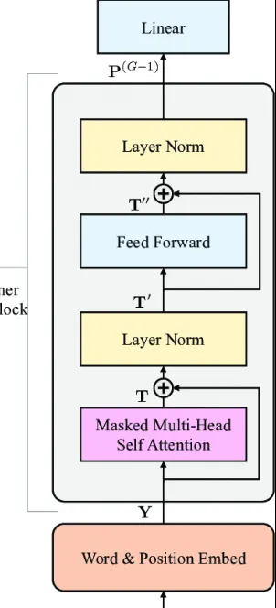
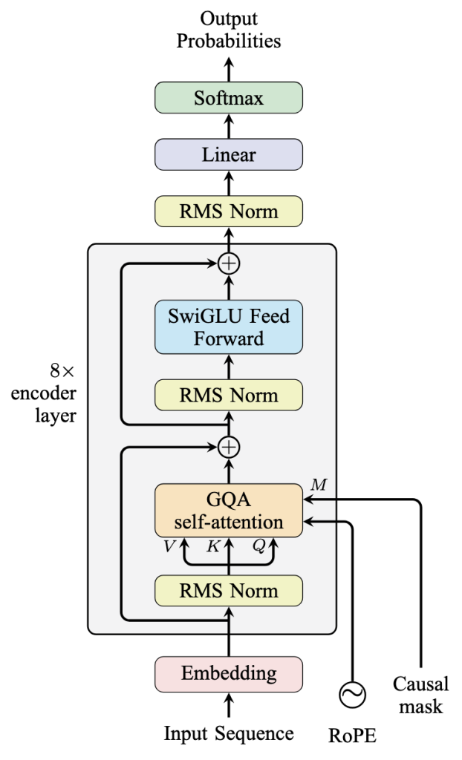
Vanilla Decode-Only Transformer | Advanced Decode-Only Transformer

Graph&Table
(1GW, mn USD) | Capex | Opex | Revenue(理論)
VR NVL72 | $43,234 | $9,298.2 | $76,735 | 8.2527414626 |  |  | 2.2308883009
GB200 NVL 72 | $33,768 | $7,054.4 | $34,397 | 4.875933912 | 1.6925457997
 |  |  |  | 0.87882814401
 |  |  |  | 0.7949110841 | 1.1055678573

Metric | 2025A | 2026E | 2027E | 2028E | 2029E | 2030E
Revenue ($B) | $13.1 | $32.8 | $60.6 | $112.1 | $179.3 | $286.9
YoY Revenue Growth | 254% | 150% | 85% | 85% | 60% | 60%
Total Customers (M) | 623 | 1,159 | 1,600 | 2,484 | 2,787 | 3,120
Paid Subscribers (M) | 21.8 | 58.5 | 99.5 | 184.0 | 237.0 | 320.0
Free-to-Paid Conversion Rate | 3.5% | 5.0% | 6.2% | 7.4% | 8.5% | 10.3%
Total Customers tokens(Mtok) | 1,355,706,725 | 4,708,500,000 | 8,628,600,000 | 16,727,950,000 | 28,561,250,000 | 44,457,000,000
tok/customer/day | 5,967 | 11,135 | 14,780 | 18,450 | 28,077 | 39,038
tok/paid customer/day | 170,379 | 220,513 | 237,588 | 249,076 | 330,169 | 380,625
Consumer Sub Rev ($B) | $8.4 | $19.8 | $33.7 | $61.0 | $92.7 | $142.8
Consumer Sub Price ($/Mtok) | $6.2 | $4.2 | $3.9 | $3.6 | $3.2 | $3.2
API Rev ($B) | $4.7 | $13.0 | $26.9 | $51.1 | $86.6 | $144.1
Total API tokens(Mtok) | 1,799,019,357 | 5,097,801,184 | 10,906,460,429 | 21,282,864,583 | 37,999,561,404 | 67,672,488,263
API Price ($/Mtok) | $2.6 | $2.5 | $2.5 | $2.4 | $2.3 | $2.1
Consumer % of Rev | 64% | 60% | 56% | 54% | 52% | 50%

Total Tokens (T) | 3,155 | 9,806 | 19,535 | 38,011 | 66,561 | 112,129
YoY Token Growth | n/a | 211% | 99% | 95% | 75% | 68%
Blended Eff. Rate ($/M tok) | $4.15 | $3.34 | $3.10 | $2.95 | $2.69 | $2.56
Blended ARPU ($/mo) | $32.29 | $28.17 | $28.20 | $27.63 | $32.59 | $37.19

IO_Sensitivity
Input/Output Token Sensitivity Analysis — Annual Token Processing & Revenue Impact
1 GW Vera Rubin NVL72 Facility | 1T Dense Model (FP8) | Batch=64 | 70% GPU Utilization | Pricing: $2.50/M input, $10/M output

# | Input Tokens | Output Tokens | Total Tokens per Request | I/O Ratio | E2E Latency (seconds) | Requests/Year (Billions) | Annual Input Tokens (T) | Annual Output Tokens (T) | Annual Total Tokens (T) | Input Revenue ($M/yr) | Output Revenue ($M/yr) | Theoretical Revenue ($M/yr) | Use Case
1 | 500 | 200 | 700 | 2.5 | 0.326 | 22,673.7 | 11,336.8 | 4,534.7 | 15,871.6 | $28,342 | $45,347 | $73,689 | Quick chatbot
2 | 1,000 | 500 | 1,500 | 2.0 | 0.670 | 11,043.3 | 11,043.3 | 5,521.6 | 16,564.9 | $27,608 | $55,216 | $82,825 | Standard chat
3 | 2,000 | 500 | 2,500 | 4.0 | 0.973 | 7,601.7 | 15,203.4 | 3,800.9 | 19,004.3 | $38,009 | $38,009 | $76,017 | Q&A / search
4 | 2,000 | 1,000 | 3,000 | 2.0 | 1.305 | 5,670.7 | 11,341.5 | 5,670.7 | 17,012.2 | $28,354 | $56,707 | $85,061 | Conversational AI
5 | 4,000 | 1,000 | 5,000 | 4.0 | 1.928 | 3,836.8 | 15,347.1 | 3,836.8 | 19,183.9 | $38,368 | $38,368 | $76,735 | ◄ CURRENT CONFIG
6 | 4,000 | 2,000 | 6,000 | 2.0 | 2.620 | 2,823.5 | 11,294.0 | 5,647.0 | 16,941.0 | $28,235 | $56,470 | $84,705 | Balanced generation
7 | 4,000 | 4,000 | 8,000 | 1.0 | 4.036 | 1,833.0 | 7,332.1 | 7,332.1 | 14,664.1 | $18,330 | $73,321 | $91,651 | Heavy generation (1:1)
8 | 8,000 | 1,000 | 9,000 | 8.0 | 3.201 | 2,311.2 | 18,489.6 | 2,311.2 | 20,800.8 | $46,224 | $23,112 | $69,336 | Long context + short reply
9 | 8,000 | 2,000 | 10,000 | 4.0 | 3.936 | 1,879.9 | 15,039.0 | 3,759.7 | 18,798.7 | $37,597 | $37,597 | $75,195 | Document analysis
10 | 8,000 | 4,000 | 12,000 | 2.0 | 5.436 | 1,360.9 | 10,887.2 | 5,443.6 | 16,330.7 | $27,218 | $54,436 | $81,654 | Deep analysis + response
11 | 16,000 | 1,000 | 17,000 | 16.0 | 5.849 | 1,264.9 | 20,238.4 | 1,264.9 | 21,503.3 | $50,596 | $12,649 | $63,245 | RAG / long doc short answer
12 | 16,000 | 2,000 | 18,000 | 8.0 | 6.668 | 1,109.5 | 17,751.4 | 2,218.9 | 19,970.4 | $44,379 | $22,189 | $66,568 | Long doc summarization
13 | 16,000 | 4,000 | 20,000 | 4.0 | 8.339 | 887.2 | 14,195.0 | 3,548.7 | 17,743.7 | $35,488 | $35,488 | $70,975 | Enterprise doc processing
14 | 4,000 | 8,000 | 12,000 | 0.5 | 6.995 | 1,057.6 | 4,230.5 | 8,460.9 | 12,691.4 | $10,576 | $84,609 | $95,185 | Code generation
15 | 4,000 | 16,000 | 20,000 | 0.3 | 13.424 | 551.2 | 2,204.6 | 8,818.5 | 11,023.1 | $5,512 | $88,185 | $93,696 | Long-form writing / reports
16 | 1,000,000 | 1,000 | 1,001,000 | 1000.0 | 1371.334 | 5.4 | 5,395.1 | 5.4 | 5,400.5 | $13,488 | $54 | $13,542 | 1M-token context window + short reply
17 | 1,000,000 | 1,000,000 | 2,000,000 | 1.0 | 561.935 | 13.2 | 13,165.8 | 13,165.8 | 26,331.5 | $32,914 | $131,658 | $164,572 | ⚠️ OOM: 2M-token context @ batch=64 requires ~33.5 TB KV cache. VR NVL72 has only 20.7 TB HBM4. Batch must be dynamically throttled to ~1-2.
18 | 1,000 | 1,000,000 | 1,001,000 | 0.0 | 5953.828 | 1.2 | 1.2 | 1,242.6 | 1,243.9 | $3 | $12,426 | $12,429 | Tiny prompt + massive generation (1M output)

Key Insight:
Prefill (input processing) dominates latency (~97% of E2E time). Increasing input tokens has a far larger impact on throughput than increasing output tokens. Output tokens primarily drive revenue via 4× higher output pricing. Calculated on Vera Rubin NVL72 with all optimizations (GQA, batch=64, speculative decoding, NVLink SHARP+overlap+PP).

Chart 1: Annual Token Throughput by I/O Configuration |  |  |  |  | Chart 2: Revenue by I/O Configuration ($M/yr)
Config (Input:Output) | 11336.8 | 4534.7 | 15871.6 |  | Config (Input:Output) | 28342.1 | 45347.37 | 73689.47
500:200 | 11,043.3 | 5,521.6 | 16,564.9 |  | 500:200 | $27,608 | $55,216 | 82825
1000:500 | 15,203.4 | 3,800.9 | 19,004.3 |  | 1000:500 | $38,009 | $38,009 | 76017
2000:500 | 11,341.5 | 5,670.7 | 17,012.2 |  | 2000:500 | $28,354 | $56,707 | 85061
2000:1000 | 11,341.5 | 5,670.7 | 17,012.2 |  | 2000:1000 | $28,354 | $56,707 | 85061
4000:1000 | 11,294.0 | 5,647.0 | 16,941.0 |  | 4000:1000 | $28,235 | $56,470 | 84705
4000:2000 | 7,332.1 | 7,332.1 | 14,664.1 |  | 4000:2000 | $18,330 | $73,321 | 91651
4000:4000 | 18,489.6 | 2,311.2 | 20,800.8 |  | 4000:4000 | $46,224 | $23,112 | 69336
8000:1000 | 15,039.0 | 3,759.7 | 18,798.7 |  | 8000:1000 | $37,597 | $37,597 | 75195
8000:2000 | 10,887.2 | 5,443.6 | 16,330.7 |  | 8000:2000 | $27,218 | $54,436 | 81654
8000:4000 | 20,238.4 | 1,264.9 | 21,503.3 |  | 8000:4000 | $50,596 | $12,649 | 63245
16000:1000 | 17,751.4 | 2,218.9 | 19,970.4 |  | 16000:1000 | $44,379 | $22,189 | 66568
16000:2000 | 14,195.0 | 3,548.7 | 17,743.7 |  | 16000:2000 | $35,488 | $35,488 | 70975
16000:4000 | 4,230.5 | 8,460.9 | 12,691.4 |  | 16000:4000 | $10,576 | $84,609 | 95185
4000:8000 | 2,204.6 | 8,818.5 | 11,023.1 |  | 4000:8000 | $5,512 | $88,185 | 93696
4000:16000 | 5,395.1 | 5.4 | 5,400.5 |  | 4000:16000 | $13,488 | $54 | 13542
1000000:1000 | 5,395.1 | 5.4 | 5,400.5 |  | 1000000:1000 | $13,488 | $54 | 13542
1000000:1000000 | 1.2 | 1,242.6 | 1,243.9 |  | 1000000:1000000 | $3 | $12,426 | 12429
1000:1000000 | 1.2 | 1,242.6 | 1,243.9 |  | 1000:1000000 | $3 | $12,426 | 12429

Annual Tokens
Annual Revenue

ModelSize_Sensitivity
Model Size Sensitivity Analysis — Annual Token Processing & Revenue
1 GW Vera Rubin NVL72 Facility | Input: 4,000 / Output: 1,000 tokens | Batch=64 | FP8 | 70% GPU Utilization | All optimizations applied

# | Model Size | Parameters | d_model | Layers | E2E Latency (seconds) | Requests/Year (Billions) | Annual Input Tokens (T) | Annual Output Tokens (T) | Annual Total Tokens (T) | Pricing Tier | Input Price ($/M tok) | Output Price ($/M tok) | Theo Revenue ($M/yr) | Revenue per Token ($/T tok) | Reference Model
1 | 8B | 8,000B | 4,096 | 32 | 0.093 | 79,784.8 | 319,139.3 | 79,784.8 | 398,924.1 | Nano (<50B) | $0.10 | $0.40 | $63,828 | $0.16 | Llama 3.1 8B / Mistral 7B
2 | 20B | 20,000B | 5,120 | 44 | 0.128 | 57,631.7 | 230,526.9 | 57,631.7 | 288,158.6 | Nano (<50B) | $0.10 | $0.40 | $46,105 | $0.16 | GPT-5 Nano tier
3 | 70B | 70,000B | 8,192 | 80 | 0.277 | 26,692.7 | 106,770.9 | 26,692.7 | 133,463.6 | Small (50B-200B) | $0.25 | $2.00 | $80,078 | $0.60 | Llama 3.1 70B
4 | 200B | 200,000B | 12,288 | 96 | 0.548 | 13,500.6 | 54,002.3 | 13,500.6 | 67,502.8 | Mid (200B-500B) | $1.25 | $10.00 | $202,508 | $3.00 | GPT-4 class
5 | 405B | 405,000B | 13,824 | 126 | 0.938 | 7,886.7 | 31,546.6 | 7,886.7 | 39,433.3 | Mid (200B-500B) | $1.25 | $10.00 | $118,300 | $3.00 | Llama 3.1 405B
6 | 700B | 700,000B | 18,432 | 120 | 1.431 | 5,168.7 | 20,674.7 | 5,168.7 | 25,843.4 | Frontier (500B-1.5T) | $2.50 | $10.00 | $103,374 | $4.00 | Claude 3.5 Sonnet class
7 | 1T | 1,000,000B | 20,480 | 128 | 1.928 | 3,836.8 | 15,347.1 | 3,836.8 | 19,183.9 | Frontier (500B-1.5T) | $2.50 | $10.00 | $76,735 | $4.00 | ◄ CURRENT CONFIG
8 | 1.5T | 1,500T | 30,720 | 144 | 2.922 | 2,532.3 | 10,129.4 | 2,532.3 | 12,661.7 | Premium (>1.5T) | $7.50 | $37.50 | $170,933 | $13.50 | Claude Opus class
9 | 2T | 2,000T | 40,960 | 160 | 3.963 | 1,866.9 | 7,467.7 | 1,866.9 | 9,334.6 | Premium (>1.5T) | $10.00 | $50.00 | $168,024 | $18.00 | Next-gen frontier
10 | 3T | 3,000T | 61,440 | 192 | 6.190 | 1,195.3 | 4,781.2 | 1,195.3 | 5,976.5 | Premium (>1.5T) | $15.00 | $75.00 | $161,365 | $27.00 | Scaling frontier

Key: Throughput drops ~exponentially with model size (prefill FLOPs ∝ params). Revenue peaks at 200B due to the mid-tier pricing sweet spot. d_model values corrected to match reference architectures (Llama 3.1, GPT-4 class). Prior values from the auto-formula were astronomically too small (e.g., d_model=128 for 8B, producing only ~6.3M params instead of 8B).
Chart 1: Annual Token Throughput vs Model Size |  |  |  | Chart 2: Revenue vs Model Size
Model Size | 398924.1 | 63827.85 |  | Model Size | 63827.85
8B | 288159 | 46105 |  | 8B | 46105
20B | 133464 | 80078 |  | 20B | 80078
70B | 67503 | 202508 |  | 70B | 202508
200B | 39433 | 118300 |  | 200B | 118300
405B | 25843 | 103374 |  | 405B | 103374
700B | 25843 | 103374 |  | 700B | 103374
1T | 12662 | 170933 |  | 1T | 170933
1.5T | 9335 | 168024 |  | 1.5T | 168024
2T | 5977 | 161365 |  | 2T | 161365
3T | 5977 | 161365 |  | 3T | 161365
Annual Token Throughput by Model Size (Trillions)
Theoretical Revenue by Model Size ($M/yr)

