Proguard
Home

Code Shrinker
Resource shrinker

TCP_IP
HOME

 |  |  |  |  |  | TCP/IP

 |  |  | IO：In， or Out？相对于内存而言

Socket
Socket
 |  | Receive |  | InputStream
 |  |  |  |  | 通信包
 | 内存 |  |  | OutStream

 |  | Send

 |  |  |  |  |  | 网络虚拟链路

animator
HOME

Value
 |  | system auto 不断 | system 自动设置
 | ObjectAnimator |  |  | View

Value
 |  | system auto 不断 | 手动设置
 | ValueAnimator |  |  | View

state_machine
Home
 |  |  | 状态机
 | c1 ~ C4 条件
 | 圆圈 = 状态

健康
康复中
 |  |  |  | 休息（c4）

 |  |  | 打针（c3）

 |  | 淋雨(c1)
 |  |  |  |  | 吃药（c2）

感冒

Rect_And_React_Redux
State

 |  | View
step 1 |  |  |  | step 2
props
props
State
State

 | Text |  | Text

Click num=1 |  |  |  | 1

Store

State
 |  |  |  |  | store.subcribe(render)
State
 |  | View

State
State
 |  |  |  |  |  | store.getState()

 | Text |  | Text

Reducer
Click num=1 |  |  |  | 1

Action
 |  |  | store.dispatch(action)

 |  |  |  |  |  |  |  | 根据action，执行一系列操作，更新state(全新)

 |  |  |  |  |  |  | 干什么？

使用方式1. store = props: 让所有的组件都能应用store中的数据，那么所有组件都要把store当做props传进来
使用方式2. redux state - connect() - react props， 全局使用

https://blog.csdn.net/colinandroid/article/details/81058650

ThreeeLevelCache
Home
 | UI | Memory Cache |  | Disk Cacche | Network

 |  | LruCache<String, BitmapDrawable>

 |  | 5 | 6
 |  | 4 | 5
 |  | 3 | 4
 |  | 2 | 3
 |  | 1 | 2
 |  |  | 1

Set<SoftReference<Bitmap>> 4RsuseInBitmap

 | s

消息机制
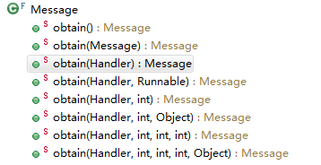
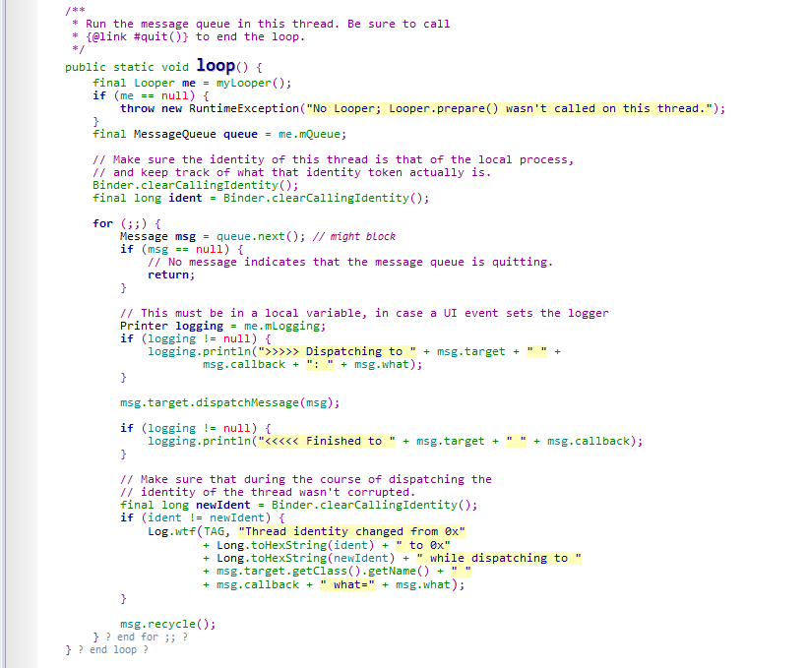
Home
 |  |  |  |  | Handler

 |  |  |  | MessageQueue mQueue
 |  |  |  | Looper mLooper
 | Thread | handleMessage |  | Callback mCallback

 | Looper
 |  |  |  | mLooper：当前线程对应的Looper。新建Looper，把Looper关联到Thread，新建MessageQueue，并把MessageQueue关联到的该Looper。
 |  |  |  | mQueue：当前线程对应的Looper，Looper对应的消息队列
 |  |  |  | mCallback：当前线程对应的Callback，即Runable接口


 |  |  |  | 所以，Handler只需要关联Looper即可。

 |  |  | Message | Message | Message | Message | Message | MessageQueue
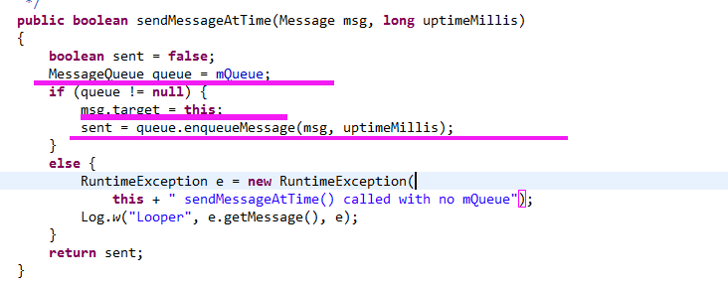

 |  |  |  |  |  |  |  | 把消息送入消息队列

 |  |  |  |  | Looper.java

消息机制模型
Home

 |  |  | 线程B |  |  | 线程A

 |  |  | Handler bHandler

 |  | 3. Callback - handleMessage()

 | 2.Looper |  |  | B <= A

 |  |  |  |  | Do heavy work

Ref bHandler
 |  |  | Mesesage
 |  |  | Mesesage
 |  |  | Mesesage
 |  |  | Mesesage

 |  | 1.MessageQueue

drawable_scale
Home
 | https://blog.csdn.net/guolin_blog/article/details/50727753
 | https://developer.android.google.cn/training/multiscreen/screendensities

 |  |  | 手机的分辨率
 |  |  | 200 * 200

 |  |  |  |  | 缩小
 |  |  |  |  | 无副作用

 |  |  |  | 高

 |  | 图片的分辨率 | 100 * 100
 |  | 100 * 100


 |  |  |  |  | 正好

 |  |  |  | 匹配

 |  |  | 50 * 50

 |  |  |  |  | 放大
 |  |  |  |  | 占用更高内存：像素点变多了

 |  |  |  | 低 | 从哪个文件夹中找到就认为是这个图片是对应的scale比例

IO
Home
 |  |  | Input？Output？相对于存储而言

memory
流
内部存储

 | 写

 |  |  | FileOutputStream

 |  |  |  | PrintStream

流
memory
memory
内部存储器
内部存储

 | 读

 |  |  | FileInputStream

memory
流
外部存储（SD）

 | 写

 |  |  | RandomAccessFile

流
memory
memory
内部存储器
外部存储（SD）

 | 读

 |  |  | FileInputStream

 |  | BufferReader

