CustomView
Home

 |  | 1. View绘制区域

 |  |  | Z轴 = 屏幕方向

 |  |  |  |  |  |  |  |  |  |  |  |  |  |  |  |  |  |  |  |  |  |  |  |  |  | x 轴
 |  |  |  |  |  | 原点(0,0) |  |  |  |  |  |  | status bar（状态栏） |  |  |  |  |  |  |  |  |  |  |  |  |  | 系统区 | 112

 |  |  |  |  |  |  |  |  |  |  |  |  | app bar
 |  |  |  |  |  |  |  |  |  |  |  |  |  |  |  |  |  |  |  |  |  |  |  |  |  |  |  |  |  |  |  | 真实高度 = getRealMetrics |  | 屏幕高度 = 屏幕真实高度 - 虚拟导航栏
 |  |  |  |  |  |  |  |  |  |  |  |  |  |  |  |  |  |  |  |  |  |  |  |  |  |  |  |  |  |  |  |  | 2280 | 2154

 |  |  |  |  |  |  |  |  |  |  |  |  |  |  |  |  |  |  |  |  |  |  |  |  | 应用区
 |  |  |  |  |  |  |  |  |  |  |  |  |  |  |  |  |  |  |  |  |  |  |  |  | = 标题栏 + View区
 |  |  |  |  |  |  |  |  |  |  |  |  |  |  |  |  |  |  |  |  |  |  |  |  | 2042
 |  |  |  |  |  |  |  |  |  |  |  |  |  | MotionEvent.getRawY()

 |  |  |  |  |  |  |  |  |  |  |  |  |  |  |  |  |  |  |  |  |  |  |  |  |  |  |  |  | View区
 |  |  |  |  |  |  |  |  |  |  |  |  |  |  |  |  |  |  |  |  |  |  |  |  |  |  |  |  | 1895
 |  |  |  |  |  |  |  |  |  |  |  |  |  |  | Button

 |  |  |  |  |  |  |  |  | navigation bar 虚拟导航栏 |  |  |  |  |  |  |  |  |  |  | 126

 |  |  |  |  |  | Y轴
 |  |  |  |  |  | status bar 状态栏 ： 电池，通知等
 |  |  |  |  |  | app bar 标题栏 ：仅AppCompatActivity有，Activity没有
 |  |  |  |  |  | View区: setContentView,View绘制区域

 |  |  | Z轴 = 屏幕方向

 |  |  |  |  |  |  |  |  |  |  |  |  |  |  |  |  |  |  |  |  |  |  |  |  |  | x 轴
 |  |  |  |  |  | 原点(0,0) |  |  |  |  |  |  | status bar |  |  |  |  |  |  |  |  |  |  |  |  |  | 系统区 | 112

 |  |  |  |  |  |  |  |  |  |  |  |  | app bar
 |  |  |  |  |  |  |  |  |  |  |  |  |  |  |  |  |  |  |  |  |  |  |  |  |  |  |  |  |  |  |  | 真实高度 |  | 屏幕高度
 |  |  |  |  |  |  |  |  |  |  |  |  |  |  |  |  |  |  |  |  |  |  |  |  |  |  |  |  |  |  |  |  |  | 2154

 |  |  |  |  |  |  |  |  |  |  |  |  |  |  |  |  |  |  |  |  |  |  |  |  | 应用区
 |  |  |  |  |  |  |  |  |  |  |  |  |  |  |  |  |  |  |  |  |  |  |  |  | = 标题栏 + View区
 |  |  |  |  |  |  |  |  |  |  |  |  |  |  |  |  |  |  |  |  |  |  |  |  | 2042
 |  |  |  |  |  |  |  |  |  |  |  |  |  | MotionEvent.getRawY()

 |  |  |  |  |  |  |  |  |  |  |  |  |  |  |  |  |  |  |  |  |  |  |  |  |  |  |  |  | View区
 |  |  |  |  |  |  |  |  |  |  |  |  |  |  |  |  |  |  |  |  |  |  |  |  |  |  |  |  | 1895
 |  |  |  |  |  |  |  |  |  |  |  |  |  |  | Button

 |  |  |  |  |  |  |  |  | navigation bar 物理导航栏 |  |  |  |  |  |  |  |  |  |  | 126

 |  |  |  |  |  | Y轴

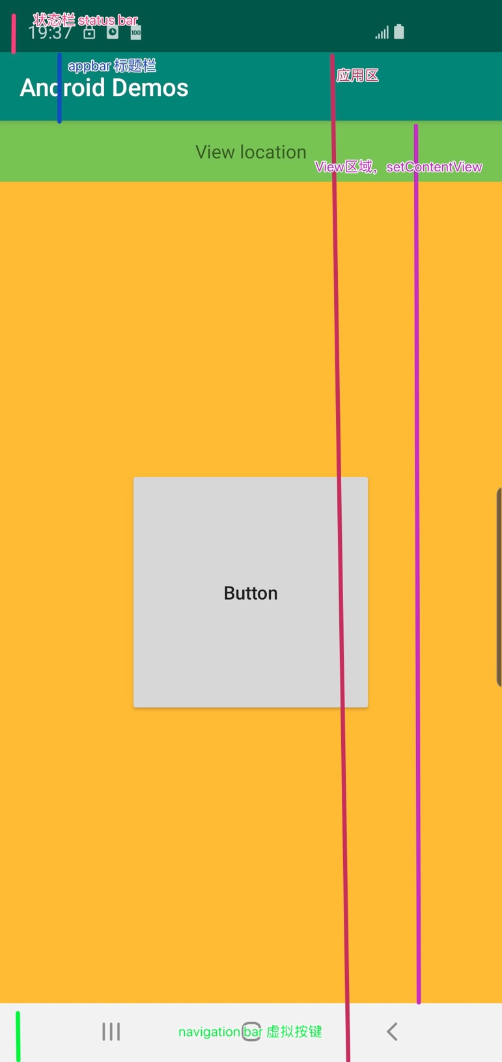

 |  | 2 坐标轴

 |  |  |  | Z轴 = 屏幕方向
 |  |  |  |  |  |  | 状态栏

 |  |  |  |  |  |  | 标题栏
 |  |  |  |  | 原点(0,0) |  |  |  |  |  |  |  |  |  |  |  |  |  |  |  |  |  |  |  |  |  |  |  | X轴

 |  |  |  |  |  |  |  |  |  |  | View绘制区域(canvas 坐标区域)

 |  |  |  |  |  |  |  |  |  |  |  |  |  |  |  |  |  |  |  |  |  |  |  |  |  |  |  |  |  | 应用区 = 标题栏 + View绘制区域

 |  |  |  |  | Y轴

 |  |  |  |  | 手机屏幕 = 状态栏 +标题栏 + View绘制区域

 |  | 3 View的坐标位置 Left, right, top, bottom, elevation

 |  |  |  |  |  |  |  |  |  |  |  |  |  |  |  |  |  |  |  |  |  |  |  |  |  |  |  |  |  | View的位置 是 相对于父容器的位置
 |  |  |  |  |  |  |  |  |  |  |  |  |  |  |  |  |  |  |  |  |  |  |  |  |  |  |  |  |  | left = getLeft()
 |  |  |  |  |  |  |  |  |  |  |  |  |  |  |  |  |  |  |  |  |  |  |  |  |  |  |  |  |  | right = getRight()
 |  |  |  |  |  |  |  |  |  |  |  |  |  |  |  |  |  |  |  |  |  |  |  |  |  |  |  |  |  | top = getTop()
 |  |  |  |  |  |  |  |  |  |  |  |  |  |  |  |  |  |  |  |  |  |  |  |  |  |  |  |  |  | bottom = getBottom()
 |  |  |  |  |  |  |  |  |  |  |  |  |  |  |  |  |  |  |  |  |  |  |  |  |  |  |  |  |  | elevation = getElevation(), 该View的z轴高度 距离 父组件的Z 轴高度。 >= Android5.0
 |  |  |  |  |  |  |  |  |  |  |  |  |  |  |  |  |  |  |  |  |  |  |  |  |  |  | 父组件
 |  |  |  |  |  |  |  |  |  |  |  |  |  |  |  | Top |  |  |  |  |  |  |  |  |  |  |  |  |  |  | 以父控件的左上角为原点（0，0）来设置空间的位置。
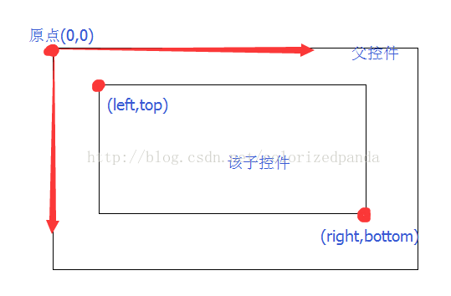

 |  |  |  |  |  |  |  |  |  |  |  |  |  | View |  |  |  |  |  | bottom
 |  |  |  |  |  |  |  | Left

 |  |  |  |  |  |  |  | Right

 |  | 4 Canvas 的左边 = 屏幕的左上方，还是 View 画布的左上方？ 该View画布的左上方
 |  |  |  |  |  |  |  |  |  |  |  |  |  |  |  |  |  |  |  |  |  |  | canvas.drawRect(0, 0, 100, 100, paint)

 |  |  |  |  |  |  |  |  |  |  |  |  |  |  |  |  |  |  |  |  |  |  |  |  |  |  |  |  |  |  |  |  |  |  | Rect
 |  |  |  |  |  |  |  |  |  |  |  |  |  |  |  |  |  |  |  |  |  | Rect |  |  |  |  |  |  |  |  |  |  |  |  | android:layout_width="200dp"
 |  |  |  |  |  |  |  |  |  |  |  |  |  |  |  |  |  |  |  |  |  | android:layout_width="match_parent" |  |  |  |  |  |  |  |  |  |  |  |  | android:layout_height="200dp"
 |  |  |  |  |  |  |  |  |  |  |  |  |  |  |  |  |  |  |  |  |  | android:layout_height="match_parent"

 | 5 Draw Circle,radius = 50, View = 200dp，Circle 位于View的中心
 |  | 5
 | (0,0) |  |  |  |  |  |  |  |  |  |  | 100
 |  | 1 | 2 | 3 | 4 | 5 | 6 | 7 | 8 | 9 | 10 | 11 | 12 | 13 | 14 | 15 | 16 | 17 | 18 | 19 | 20 |  |  | 200dp
 |  | 2
 |  | 3 |  |  |  |  |  |  |  |  |  |  |  |  |  |  |  |  |  |  |  |  |  | Circle = 50
 |  | 4
 |  | 5
 |  | 6
 |  | 7
 |  | 8
 |  | 9
 |  | 10
 |  | 11 |  |  |  |  |  |  |  |  |  | (100,100)
 |  | 12
 |  | 13
 |  | 14
 |  | 15
 |  | 16
 |  | 17
 |  | 18
 |  | 19
 |  | 20 |  |  |  |  |  |  |  |  |  |  |  |  |  |  |  |  |  |  |  |  | (200,200)

CustomView_canvas.saveLayer
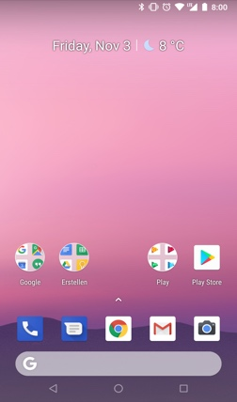
Home
 | canvas.getSaveCount() |  | Index

 |  | 1 | 0

 |  |  | Layer Stack

 |  |  |  | Call canvas.saveLayer() = 1

 | canvas.getSaveCount() |  | Index

 |  |  | 1
 |  | 2

 |  | 1 | 0

 |  |  | Layer Stack

 |  |  |  | Call canvas.saveLayer() = 2

 | canvas.getSaveCount() |  | Index

 |  | 3 | 2

 |  | 2 | 1

 |  | 1 | 0

 |  |  | Layer Stack

 |  |  |  | Call canvas.restoreToCount(1)

 | canvas.getSaveCount() |  | Index


 |  | 1 | 0

 |  |  | Layer Stack

CustomView_canvas.save()
Home

 | Case 1 ： | Case 2

(0,0) |  | (0,0)
 |  |  |  | x |  | x

 | y |  | y
 | 先绘制矩形，再绘制三角形

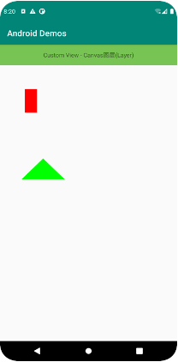
 |  |  | canvas.save()

 |  | (0,0)
 |  |  |  | x

 |  |  | y

 |  |  | canvas.rotate(90, px，py)

 |  | y | (0,0) |  | 图 1：先绘制roate90度的矩形


 |  |  |  | x

 |  |  | canvas.restore()

 |  | (0,0)
 |  |  |  | x | 图 2 ： 再绘制三角形


 |  |  | y

Font_2
Home
Use custom font without bad smell

Theme
app:fontFamily="sans-serif"
android:fontFamily="@font/consola"(Use single font file)

Layout in Old Module
android:fontFamily="sans-serif-light
Layout in New Modle
android:fontFamily="@font/consola-bold" (Use fontmaily)

