Sheet1
Simulating Performance of Distributed GPU Training and Serving

overlap本质上解决的是并行算法里的一种问题，当数据/操作之间没有依赖时，就应该能够把它们并行地计算，消除序列性。这篇文章主要探讨的是如何更高效地进行comp & comm overlap, 提高分布式训练的效率
论文标题 | 时间 | 来源 | 类型 | simulator type | 关键词 | Story | 贡献 | 亮点 | 不足 | 评价 | 备注
Poseidon: An Efficient Communication Architecture for Distributed Deep Learning on GPU Clusters | 2017 | USENIX ATC | 分析 | / | 最早提出comm&comp overlap，设计被tensorflow采用 | It takes too long to train DNN model on single machine -->need distributed training over cluster -->current distributed DL implementation scales poorly due to substantial parameter synchronization over the network |  |  |  |  | 经典文章，被引434次
Overlapping Communication With Computation in Parameter Server for Scalable DL Training | 2021 | TPDS | 分析 | / | comp & comm overlap好处 | Large DNN models successful --> need distributed training -->PS architechture being the most popular commnication implementation for distributed training --> PS architechture scales poorly due to cluster network bandwidth bottleneck -->One of the solution: overlap communication with backward computation layer by layer, reduce execution time --> exsiting solution brings huge overhead when number of layers is large（通信次数增多，通信的总startup time变大带来overhead）, and it can't overlap in forward period --> need better solution! | This paper proposed a new strategy to conduct the overlap through partitioning communication and computation in various partition sizes | 2.2 Communication and Computation Overlap和2.3 Case Studies值得一看！2.3节详细分析了为什么overlap可能带来性能增益。论文中的几个图都作得很好。 | 略 | 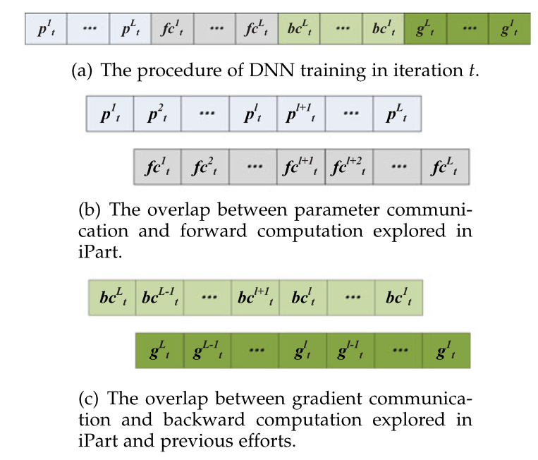 | 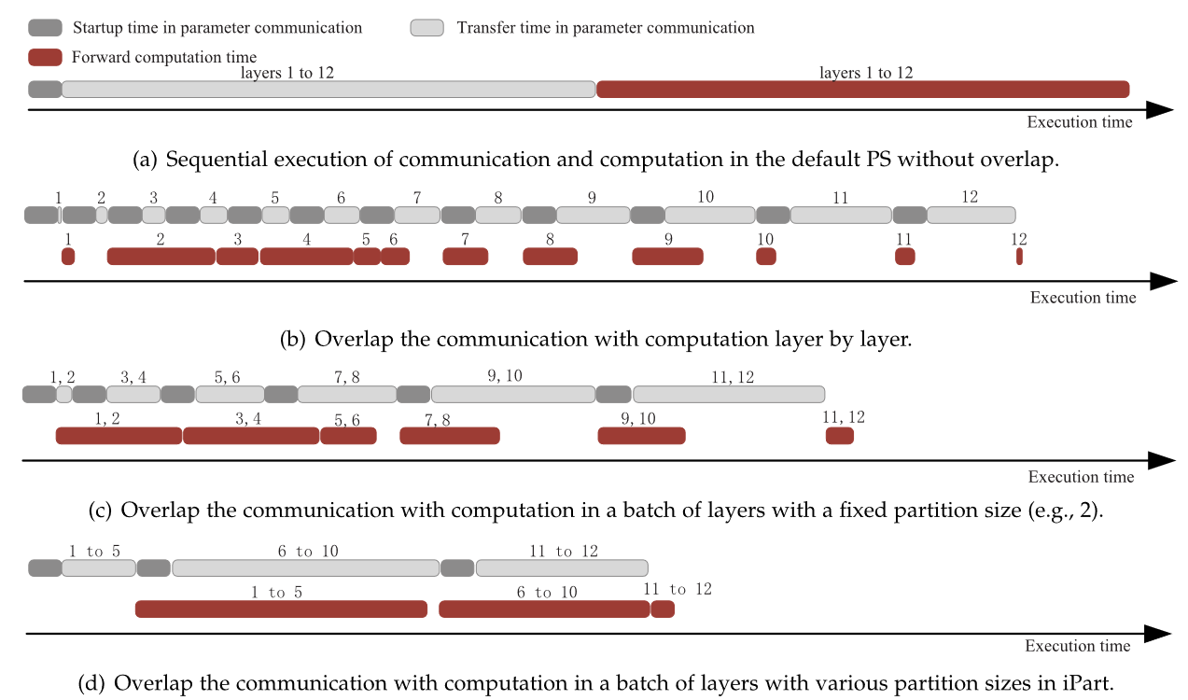
Enabling Compute-Communication Overlap in Distributed Deep Learning Training Platforms | 2021 | ISCA | 分析 | / | comp & comm overlap好处
ARK: GPU-driven Code Execution for Distributed Deep Learning | 2023 | NSDI | 分析 | / | why comp & comm overlap leads to slowdown
A Survey on Performance Modeling and Prediction for Distributed DNN Training | 2024 | TPDS | 综述 | /
Performance Modeling and Scalability Optimization of Distributed Deep Learning Systems | 2015 | SIGKDD | 经典 | Analytical model | performance modeling in distributed DNN training; scalebility; optimal configuration; comp&comm; | Large DNN models have been very successful yet difficult to train due to their large size. To expedite training process, Large DNN models are partitioned across machines over cluster. However, the optimal partitioning configuration is difficult to find, which greatly influences the efficiency. Thus, we need a convinient way to quantify the impact of these configuration on overall distributed system performance | 1. develop a novel performance model for scalability estimation of distributed DNNs 2. build a scalability optimizer that efficiently searches and finds the optimal system configurations for distributed DNN training 3. evaluate and validate the estimation accuracy of the performance model and the benefits of the scalability optimizer | it noticed an important problem and try very hard to model it (with detailed and complex math equations) | 1. Too detailed and too specific. It requires a lot of knowledge about internals of the ML model and hardware etc. 2. Its output only indicates which configuration might be better, but it can't give a accurate training time estimation(differnece <= 25%) | 当时分布式训练还是一个新的场景，新的场景里有新的问题：原先是在一个机器上训练，现在变成了cluster，那么这个cluster的hardware configuration要怎么设置才最好呢？(这篇文章认为的hardware configuration主要也跟分布式场景的各种并行有关，比如model parallel需要确定把model partion成几份，这就是一种配置的选择) 这时候，作者把新问题跟原来的问题联系起来。已经知道，深度学习训练中有很多hyper-parameters，所以要达到最好的效果，模型训练是一个trial and error的过程。现在这个情况相当于出现了an additional set of parameters 这篇文章另一个比较重要的发现是模型训练的hyper-parameters设置相同的情况下，不同的hardware configuration会造成both efficiency and accuracy的巨大差异（fig 3）这就使本文的工作显得很必要。 | 观察performance modeling /simulation的发展脉络，真的能感觉到抽象的力量。其实从模拟效果和选择的方法(太detailed)上说，这篇文章都不见得很好；但是它提出的问题很重要。后来DNN的模拟器的目标从单纯的模拟分布式训练的性能影响扩展到很多方面，比如其他因素对性能的影响，比如用模拟器来做完全不同的事，像是估计Optimizations for DNN Training的有效性等等。一切都从这里开始。后面很多performance simulator的工作都用了它的story。
Optimus: An Efficient Dynamic Resource Scheduler for Deep Learning Clusters | 2018 | EuroSys |  | Analytical model |  |  |  |  |  |  | The University of Hong Kong; Bytedance Inc.
Performance Modeling and Evaluation of Distributed Deep Learning Frameworks on GPUs | 2018 | DASC/PiCom/DataCom/CyberSciTech |  | Analytical model | IO; comp & comm overlap
A generic communication scheduler for distributed DNN training acceleration | 2019 | SOSP |  | Analytical model | overlap好处 |  |  |  |  |  | The University of Hong Kong; Bytedance Inc.
Srifty: Swift and Thrifty Distributed Neural Network Training on the Cloud | 2022 | MLSys |  | Analytical model | analytical + ML-model
FasterMoE: modeling and optimizing training of large-scale dynamic pre-trained models | 2022 | PPoPP |  | Analytical model
SMSG: Profiling-Free Parallelism Modeling for Distributed Training of DNN | 2022 | International Journal of Parallel Programming |  | Analytical model
Modeling the Training Iteration Time for Heterogeneous Distributed Deep Learning Systems | 2023 | International Journal of Intelligent Systems |  | Analytical model
AMPeD: An analytical model for performance in distributed training of transformers | 2023 | ISPASS |  | Analytical model
Calculon: A methodology and tool for high-level codesign of systems and large language models | 2023 | SC |  | Analytical model
A model-based approach to streamlining distributed training for asynchronous SGD | 2018 | MASCOTS | 经典 | Execution-Driven Model
Throughput prediction of asynchronous SGD in TensorFlow | 2020 | ICPE |  | Execution-Driven Model
Astra-sim: Enabling SW/HW co-design exploration for distributed DL training platforms | 2020 | ISPASS |  | Execution-Driven Model |  |  |  |  |  |  | Georgia Institute of Technology; Facebook; Intel;
PerFestimator: A generic and extensible performance estimator for data parallel DNN training | 2021 | CloudIntelligence |  | Execution-Driven Model
DistIR: An intermediate representation for optimizing distributed neural networks | 2021 | EuroMLSys |  | Execution-Driven Model
Predicting throughput of distributed stochastic gradient descent | 2022 | TPDS |  | Execution-Driven Model
DNNEmu: A Lightweight Performance Emulator for Distributed DNN Training | 2022 | ICA3PP |  | Execution-Driven Model
ASTRA-sim2.0: Modeling Hierarchical Networks and Disaggregated Systems for Large-model Training at Scale | 2023 | ISPASS |  | Execution-Driven Model |  |  |  |  |  |  | Georgia Institute of Technology; Meta; Intel;
SimAI: Unifying Architecture Design and Performance Tunning for Large-Scale Large Language Model Training with Scalability and Precision | 2025 | NSDI | 前沿 | Execution-Driven Model
Paleo: A Performance Model for Deep Neural Networks | 2017 | ICLR | 经典 | Graph-Based Model
Beyond Data and Model Parallelism for Deep Neural Networks | 2019 | MLSys |  | Graph-Based Model
Daydream: Accurately Estimating the Efficacy of Optimizations for DNN Training | 2020 | USENIX ATC |  | Graph-Based Model
dPRO: A Generic Performance Diagnosis and Optimization Toolkit for Expediting Distributed DNN Training | 2022 | MLSys |  | Graph-Based Model
DistSim: A performance model of large-scale hybrid distributed DNN training | 2023 | CF |  | Graph-Based Model
Expediting Distributed DNN Training With Device Topology-Aware Graph Deployment | 2023 | TPDS |  | Graph-Based Model | graph-based + ML-model
Tianshu: Towards Accurate Measuring, Modeling and Simulation of Deep Neural Networks | 2024 | EMSS |  | Graph-Based Model | comp & comm overlap
MERAK: An Analytical Performance Simulator for Large-Scale Distributed Training | 2024 | Yicheng |  | Graph-Based Model
Proteus: Simulating the Performance of Distributed DNN Training | 2024 | TPDS |  | Graph-Based Model | comp & comm overlap

