Sheet1
网络结构:784-128-64-12 ReLU |  |  |  |  |  |  |  |  |  |  | 网络结构:784-392-196-12 ReLU
Batch_Size | lr | (mean,var) | Epochs | Tot-Loss | Avg-Loss | Correct_Ratio | Loss-Tendency | TestSet_Pic | Time |  | Batch_Size | lr | (mean,var) | Epochs | Tot-Loss | Avg-Loss | Correct_Ratio | Loss-Tendency | TestSet_Pic | Time
100 | 0.01 | (0, 0.2) | 200 | 1168.5316633 | 0.81148032173 | 78.06% | 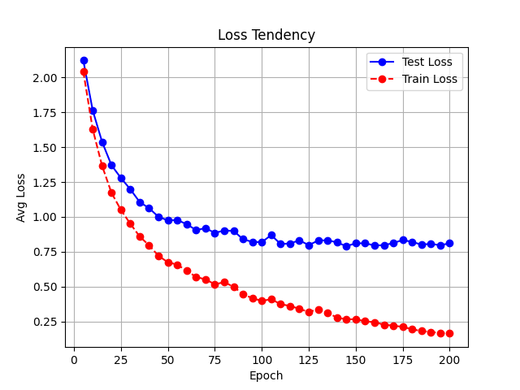 | 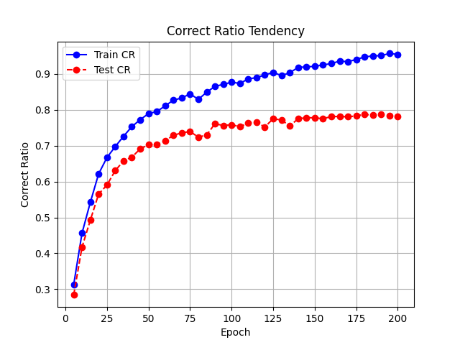 | 654 |  | 1 | 0.001 | (0,0.2) | 90 | 1505.9742168 | 1.0458154283 | 82.64% | 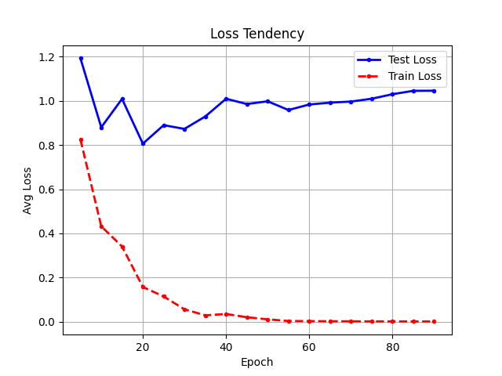 | 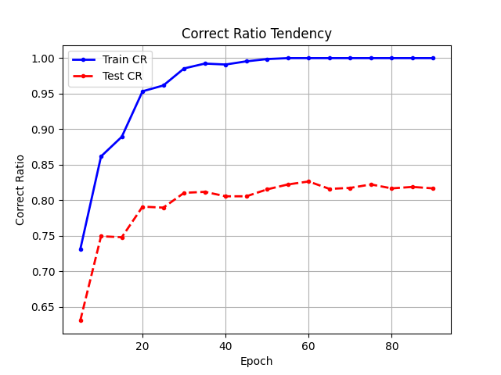 | 1987
 | 0.001 | (0, 0.2) | 1800 | 1176.4025891 | 0.81694624246 | 79.38% | 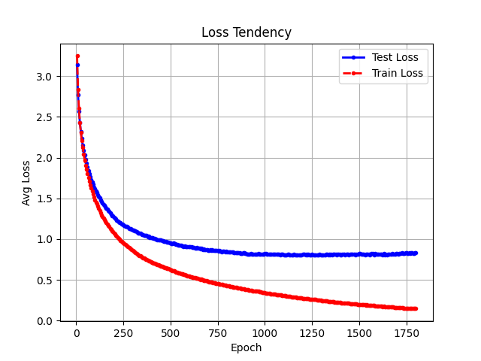 | 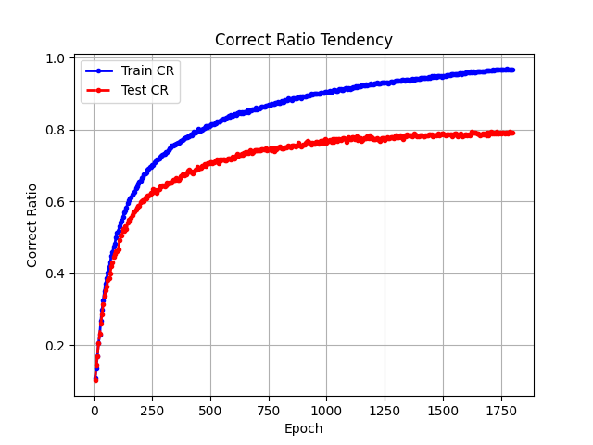 | 4101 |  |  | 0.01->0.001 | (0,0.2) | 100 | 4411.9517949 | 0.73532529915 | 0.90% | 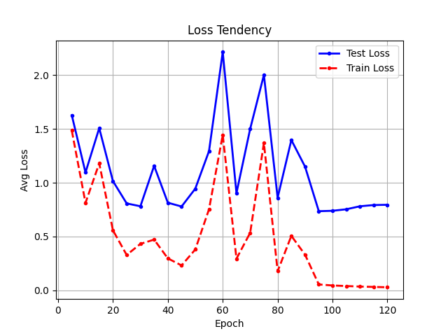 | 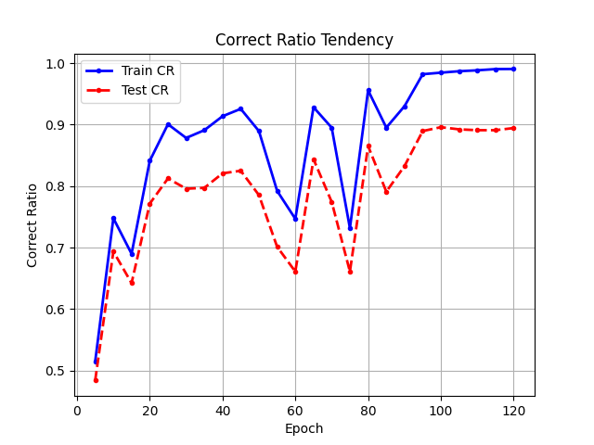 | 2543
 | 0.01 | (0, 0.1) | 300 | 1199.4911294 | 0.83297995097 | 82.29% | 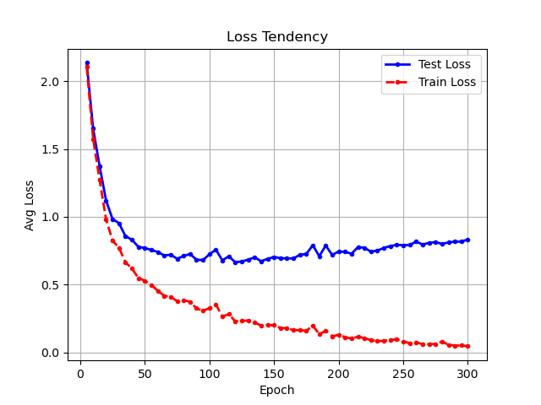 | 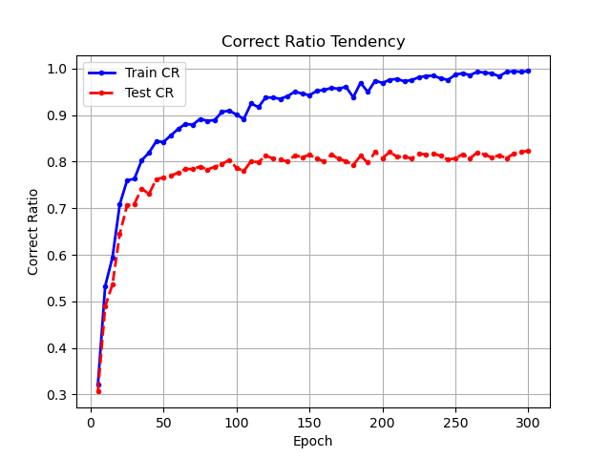 | 1012 |  | 网络结构:784-260-86-12 ReLU
 | 0.001 | (0, 0.1) | 1800 | 999.88727601 | 0.69436616389 | 80.76% |  |  | 3992 |  | Batch_Size | lr | (mean,var) | Epochs | Tot-Loss | Avg-Loss | Correct_Ratio | Loss-Tendency | TestSet_Pic | Time
Batch_Size | lr | (mean,var) | Epochs | Tot-Loss | Avg-Loss | Correct_Ratio | Loss-Tendency | TestSet_Pic | Time |  | 1 | 0.01 | (0,0.2)
1 | 0.01 | (0, 0.1) | 120 | 1021.596441 | 0.70944197294 | 85.35% | 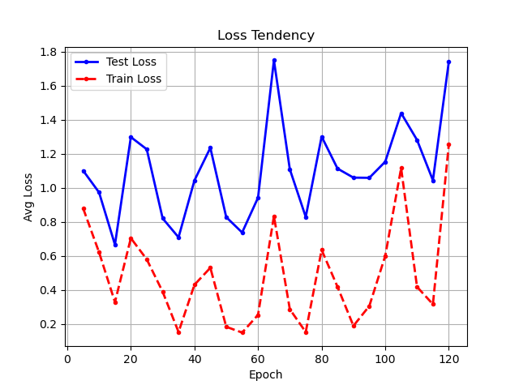 | 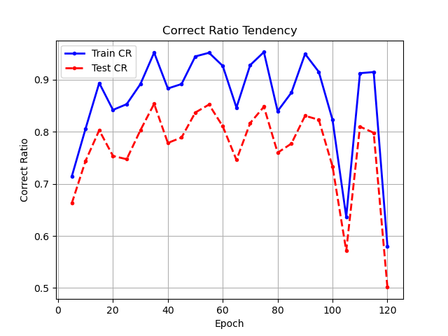 | 980 | 早早收敛，但是相同epoch下总耗时更长 |  | 0.01 | (0,0.1)
 | 0.001 | (0, 0.1) | 160 | 3584.8909114 | 0.59748181856 | 86.18% | 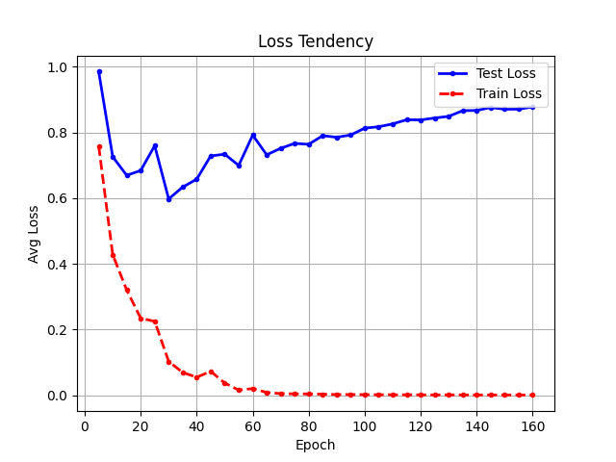 | 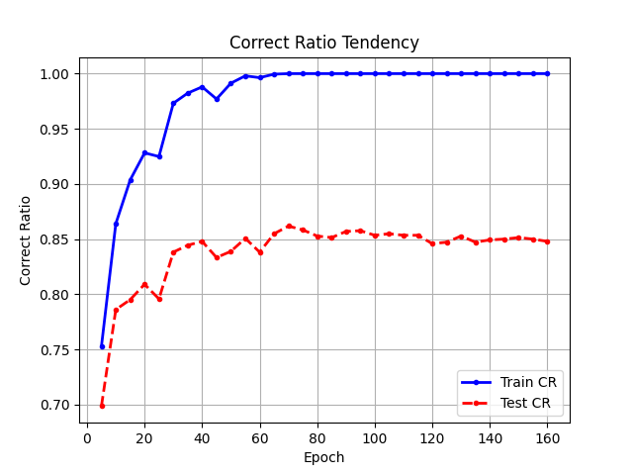 | 1008 | 小batchsize，步长小些ls，cr跟光滑 | 网络结构:784-260-86-12 ReLU
 | 0.01 | （0, 0.2） | 120 | 1047.6713758 | 0.7275495665 | 87.15% | 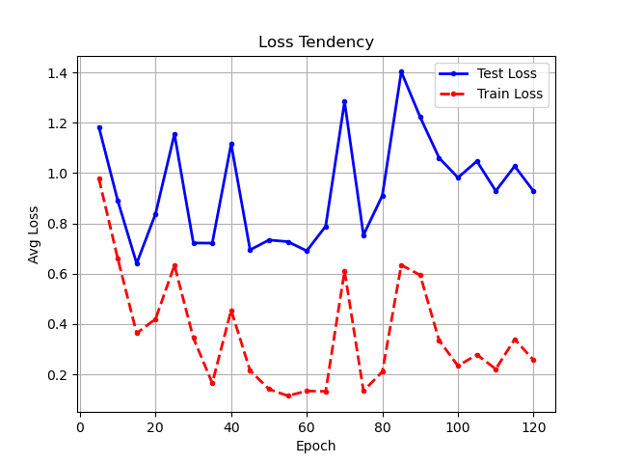 | 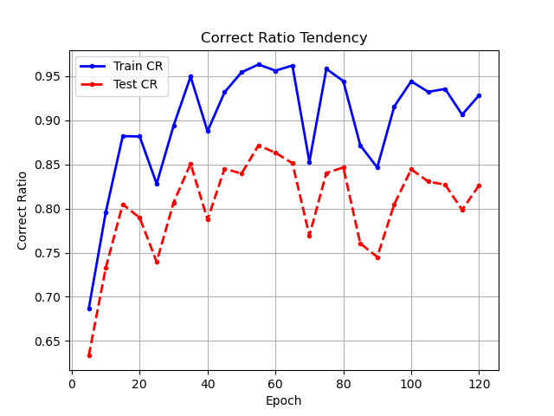 | 632 |  | 1 | 0.01 | (0,0.2)
 | 0.001 | (0, 0.2) | 200 | 4375.1072044 | 0.72918453407 | 84.79% | 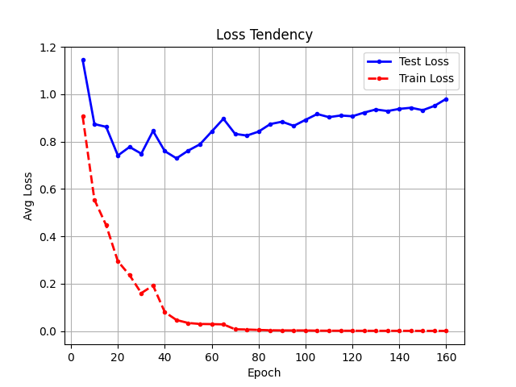 | 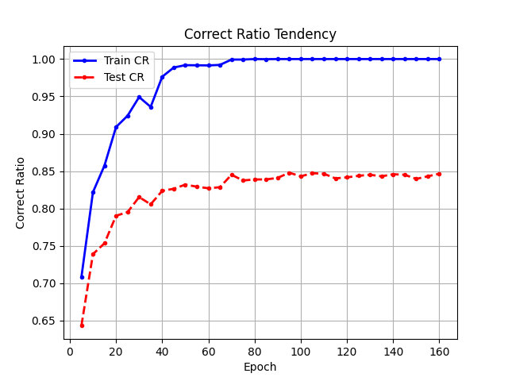 | 891 |  |  | 0.01 | (0,0.0.1)
 |  |  |  |  |  |  |  |  |  |  | [二层] 网络结构:784-392-12 ReLU
 |  |  |  |  |  |  |  |  |  |  | 1 | 0.01 | (0,0.2)
 |  |  |  |  |  |  |  |  |  |  |  | 0.01 | (0,0.0.1)
 |  |  |  |  |  |  |  |  |  |  | [二层] 网络结构:784-128-12 ReLU
 |  |  |  |  |  |  |  |  |  |  | 1 | 0.01 | (0,0.2)
 |  |  |  |  |  |  |  |  |  |  |  | 0.01 | (0,0.0.1)

