Sheet1
网络结构:784-128-64-12 Batch_Size=100 ReLU Mean=0 dev =0.2
lr | Epochs | Tot-Loss | Avg-Loss | Correct_Ratio | Loss-Tendency | TestSet_Pic | Time
0.01 | 200 | 1168.5316633 | 0.81148032173 | 78.06% | 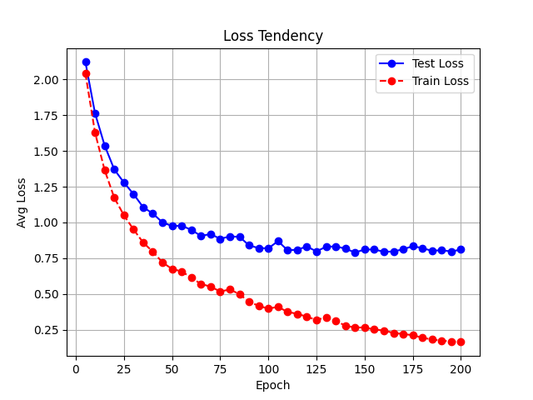 | 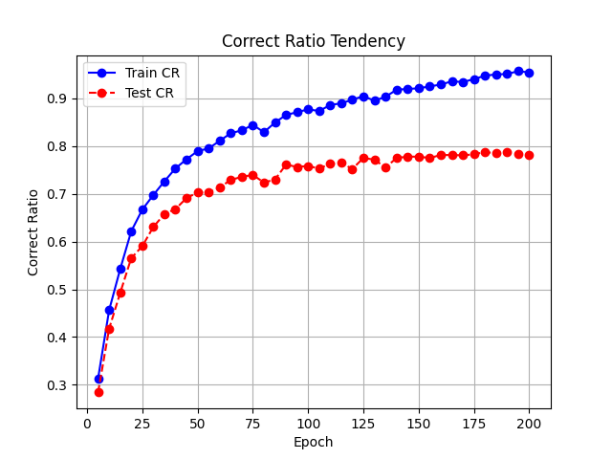 | 654
0.001 | 800

