Übersicht
No. | EKB | WGR | DNP | Order no. | photo | article | description | changes to old orders | net weight | 出厂价
102 | 22 | 602 | 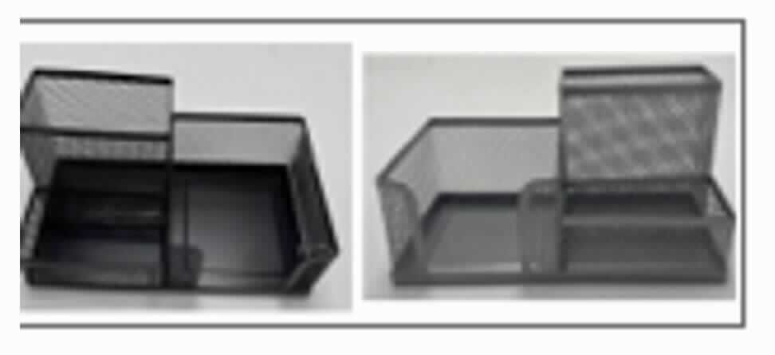 233 | 42247806 | X | Schreibtischset | Desk Holder | old order 3819168/06 - QD will take over tests and samples from 3819168/00 size:20*10*10.5c m weight:220g 2 colors black & silver black 2000013856906 silver 2000013856913 packaging: Hangtag | 尺寸20*10*10.5CM，克重440G，三黑一个银色 | 440 g
103 | 22 | 602 | 234 | 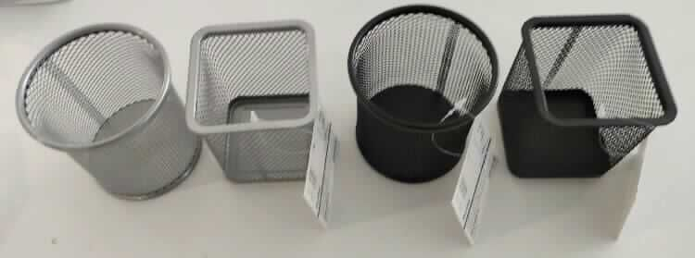 43593701 | X | Butler Drahtmetall | August 2025 Pencil Holder wire/metal round and squared round: 90x90mm squared : 80x95mm 2pcs black - square, 2pcs black - round, 1pcs silver - square, 1pcs silver round packing: hangtag material: 100% metal Layout: Stenzer export carton with little paper clip icon QD is checking if we need new tests for Nickel! | 笔筒，圆形9*9CM，方形8*9.5CM，克重60G，6个一箱，13800个 | 60.5 g | 圆笔筒 1.2 方笔筒 1.3
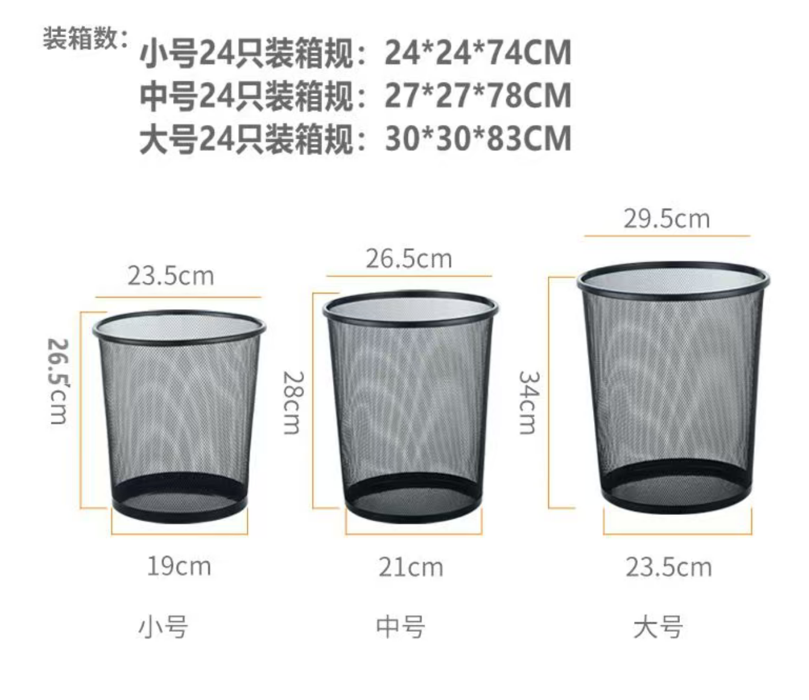
156 | 22 | 602 | 502 | 43214901 | 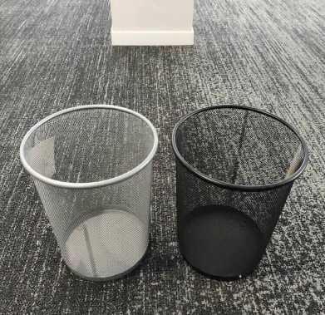 X | Paperkorb Mesh | trash can size:26.5x28cm weight: 440g black/siliver hangtag | 垃圾桶，26.5*28CM，克重440G，5个一箱，7000个 | 440 g | 小 4.2/只 中 5.2/只 大 6.2/只

