Sheet
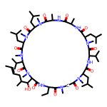
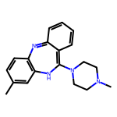
Name | SMILES | Sructure
cyclosporine | CCC1C(=O)N(CC(=O)N(C(C(=O)NC(C(=O)N(C(C(=O)NC(C(=O)NC(C(=O)N(C(C(=O)N(C(C(=O)N(C(C(=O)N(C(C(=O)N1)C(C(C)CC=CC)O)C)C(C)C)C)CC(C)C)C)CC(C)C)C)C)C)CC(C)C)C)C(C)C)CC(C)C)C)C
clozapine | CN1CCN(CC1)C2=C3C=CC=CC3=NC4=C(N2)C=C(C=C4)C
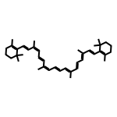
beta-carotene | CC1=C(C(CCC1)(C)C)C=CC(=CC=CC(=CC=CC=C(C)C=CC=C(C)C=CC2=C(CCCC2(C)C)C)C)C
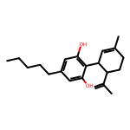
cannabidiol | CCCCCC1=CC(=C(C(=C1)O)C2C=C(CCC2C(=C)C)C)O

