16
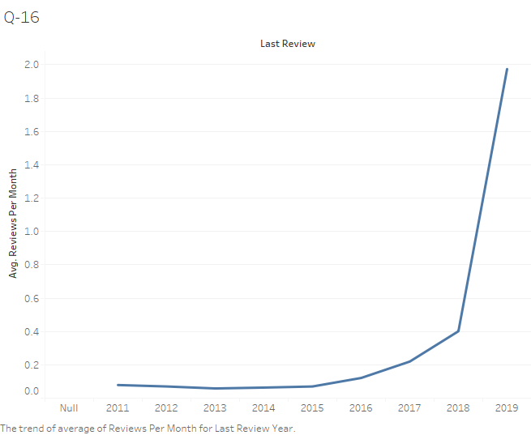
Year of Last Review | Avg. Reviews Per Month
2013 | 0.058125
2014 | 0.063316583
2015 | 0.06988514
2012 | 0.07
2011 | 0.078571429
2016 | 0.120986332
2017 | 0.21949766
2018 | 0.40145124
2019 | 1.97410528

17
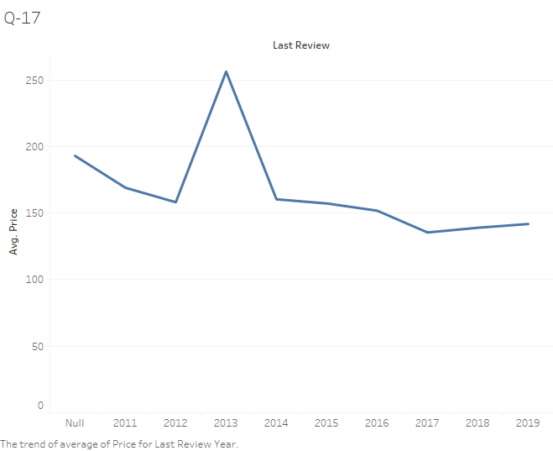
Year of Last Review
 | 192.9
2011 | 169
2012 | 158.1
2013 | 256.2
2014 | 160.3
2015 | 157.2
2016 | 151.8
2017 | 135.4
2018 | 139
2019 | 141.8

ScatterPlot
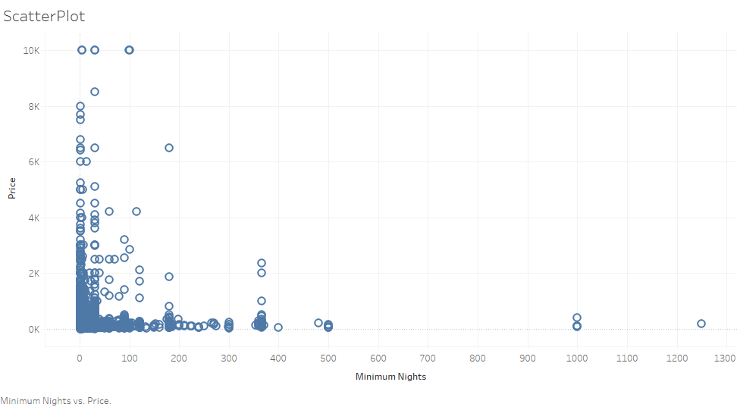

BoxPlot
