Amazon Rank Report
Image | Rank | Title | URL | ASIN | Main Image URL | Price | Rating | Review Count | Brand | Monthly Sales | Coupon/Discount | Dimensions/Weight | Feature 1 | Feature 2 | Feature 3 | Feature 4 | Feature 5 | Sub-category Rank | A+ Content Flag | Bad_Review_1 | Bad_Review_2 | Bad_Review_3 | Bad_Review_4 | Bad_Review_5 | Crawled At | Updated At | Source Category URL | Errors
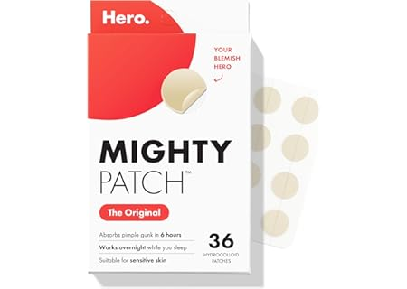 | #1 | Mighty Patch Original Patch from Hero Cosmetics - #1 Hydrocolloid Acne Pimple Patches for Face, Shrinking Zits & Whiteheads in 1… | B074PVTPBW | B074PVTPBW | https://images-na.ssl-images-amazon.com/images/I/61p+1+md+8L._AC_UL450_SR450,320_.jpg | $12.99 | 4.6 out of 5 stars | 183,111 |  |  |  |  |  |  |  |  |  |  | FALSE |  |  |  |  |  | 2026-04-23T04:33:53.141587+00:00 | 2026-04-23T04:33:53.141590+00:00 | https://www.amazon.com/Best-Sellers/zgbs
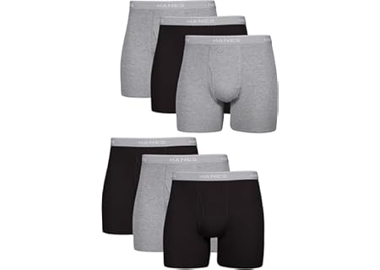 |  | Hanes mens Underwear Boxer Briefs Pack, Cool & Breathable Cotton Moisture-wicking Underwear for Men, No Ride Up | B086KSDTQ4 | B086KSDTQ4 | https://images-na.ssl-images-amazon.com/images/I/81ZBOce1WwL._AC_UL450_SR450,320_.jpg | $17.99 | 4.5 out of 5 stars | 130,623 |  |  |  |  |  |  |  |  |  |  | FALSE |  |  |  |  |  | 2026-04-23T04:33:53.132632+00:00 | 2026-04-23T04:33:53.132675+00:00 | https://www.amazon.com/Best-Sellers/zgbs
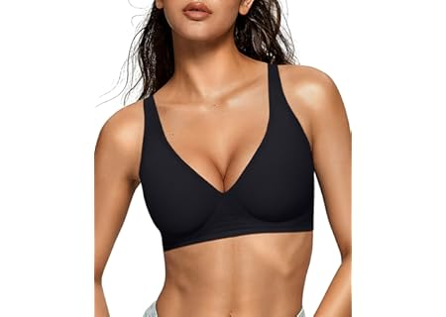 |  | OEAK Womens Deep V Bras Wireless Comfortable Bra Supportive No Underwire Bras Tshirt Push Up Bralettes Plunge… | B0D8DZN778 | B0D8DZN778 | https://images-na.ssl-images-amazon.com/images/I/71B0NAQYoOL._AC_UL450_SR450,320_.jpg | $19.95 | 4.0 out of 5 stars | 10,824 |  |  |  |  |  |  |  |  |  |  | FALSE |  |  |  |  |  | 2026-04-23T04:33:53.134173+00:00 | 2026-04-23T04:33:53.134177+00:00 | https://www.amazon.com/Best-Sellers/zgbs
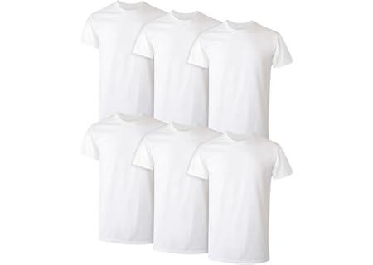 |  | Hanes Men's Undershirt Packs, Stay-Tucked Soft Cotton Undershirts, Best Undershirts for Men, White/Black/Asstd Multipacks | B00D1ARZMC | B00D1ARZMC | https://images-na.ssl-images-amazon.com/images/I/51JzwHcjh1L._AC_UL450_SR450,320_.jpg | $20.00 | 4.5 out of 5 stars | 89,979 |  |  |  |  |  |  |  |  |  |  | FALSE |  |  |  |  |  | 2026-04-23T04:33:53.135664+00:00 | 2026-04-23T04:33:53.135667+00:00 | https://www.amazon.com/Best-Sellers/zgbs
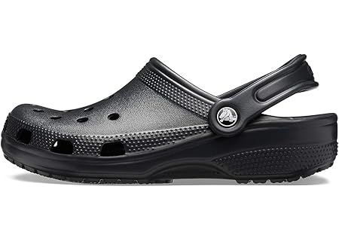 |  | Crocs Unisex-Adult Classic Clog, Clogs for Women and Men | B0014BYHJE | B0014BYHJE | https://images-na.ssl-images-amazon.com/images/I/61SuPkDGYfL._AC_UL450_SR450,320_.jpg | $39.99 | 4.8 out of 5 stars | 394,144 |  |  |  |  |  |  |  |  |  |  | FALSE |  |  |  |  |  | 2026-04-23T04:33:53.137131+00:00 | 2026-04-23T04:33:53.137134+00:00 | https://www.amazon.com/Best-Sellers/zgbs
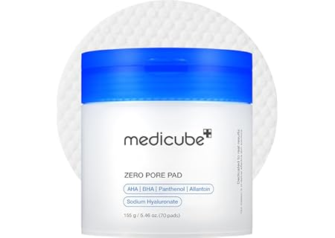 |  | medicube Toner Pads Zero Pore Pad 2.0 | Dual-Textured Facial Pad for Exfoliation and Pore Care with 4.5% AHA Lactic Acid, 0.45%… | B09V7Z4TJG | B09V7Z4TJG | https://images-na.ssl-images-amazon.com/images/I/71Mcspt-6AL._AC_UL450_SR450,320_.jpg | $18.90 | 4.6 out of 5 stars | 22,241 |  |  |  |  |  |  |  |  |  |  | FALSE |  |  |  |  |  | 2026-04-23T04:33:53.138627+00:00 | 2026-04-23T04:33:53.138630+00:00 | https://www.amazon.com/Best-Sellers/zgbs
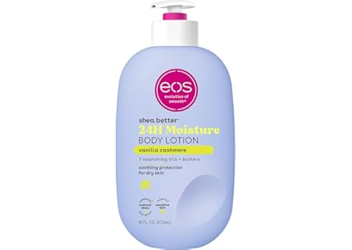 |  | eos Shea Better Body Lotion Vanilla Cashmere, 24-Hour Moisture Skin Care, Lightweight & Non-Greasy, Natural Shea, Vegan, Vanilla… | B08KT2Z93D | B08KT2Z93D | https://images-na.ssl-images-amazon.com/images/I/51lP01--ejL._AC_UL450_SR450,320_.jpg | $9.97 | 4.7 out of 5 stars | 70,322 |  |  |  |  |  |  |  |  |  |  | FALSE |  |  |  |  |  | 2026-04-23T04:33:53.140108+00:00 | 2026-04-23T04:33:53.140111+00:00 | https://www.amazon.com/Best-Sellers/zgbs
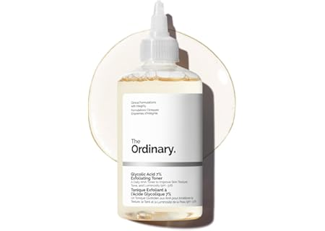 |  | The Ordinary Glycolic Acid 7% Exfoliating Toner, Brightening and Smoothing Daily Toner for More Even-Looking Skin Tone | B071914GGL | B071914GGL | https://images-na.ssl-images-amazon.com/images/I/51bC4vVdkOL._AC_UL450_SR450,320_.jpg | $10.39 | 4.7 out of 5 stars | 48,262 |  |  |  |  |  |  |  |  |  |  | FALSE |  |  |  |  |  | 2026-04-23T04:33:53.143081+00:00 | 2026-04-23T04:33:53.143084+00:00 | https://www.amazon.com/Best-Sellers/zgbs
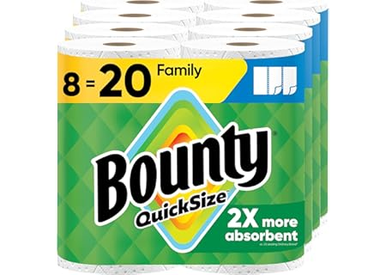 |  | Bounty Quick Size Paper Towels, White, 8 Family Rolls | B07MHJFRBJ | B07MHJFRBJ | https://images-na.ssl-images-amazon.com/images/I/81Gifujv4OL._AC_UL450_SR450,320_.jpg | $24.42 | 4.8 out of 5 stars | 231,227 |  |  |  |  |  |  |  |  |  |  | FALSE |  |  |  |  |  | 2026-04-23T04:33:53.144578+00:00 | 2026-04-23T04:33:53.144581+00:00 | https://www.amazon.com/Best-Sellers/zgbs
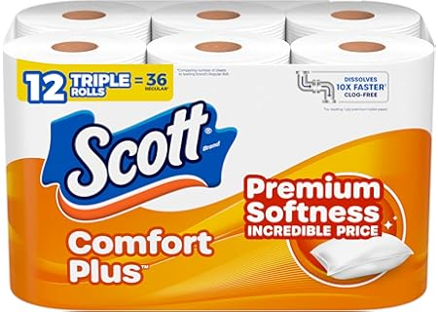 |  | Scott ComfortPlus Toilet Paper, 12 Triple Rolls, 231 Sheets per Roll, Septic-Safe, 1-Ply Toilet Tissue | B07BGLT25K | B07BGLT25K | https://images-na.ssl-images-amazon.com/images/I/81DRDg-i4BL._AC_UL450_SR450,320_.jpg | $5.68 | 4.5 out of 5 stars | 135,661 |  |  |  |  |  |  |  |  |  |  | FALSE |  |  |  |  |  | 2026-04-23T04:33:53.146444+00:00 | 2026-04-23T04:33:53.146470+00:00 | https://www.amazon.com/Best-Sellers/zgbs
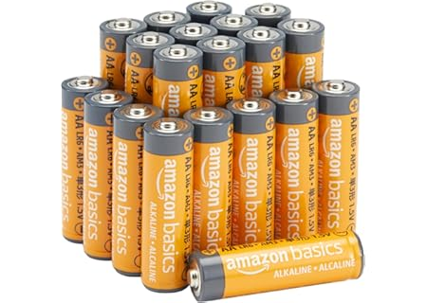 |  | Amazon Basics 20-Pack AA Alkaline High-Performance Batteries, 1.5 Volt, 10-Year Shelf Life | B00NTCH52W | B00NTCH52W | https://images-na.ssl-images-amazon.com/images/I/81L6ZkEa2lL._AC_UL450_SR450,320_.jpg | $9.99 | 4.7 out of 5 stars | 934,151 |  |  |  |  |  |  |  |  |  |  | FALSE |  |  |  |  |  | 2026-04-23T04:33:53.147970+00:00 | 2026-04-23T04:33:53.147973+00:00 | https://www.amazon.com/Best-Sellers/zgbs
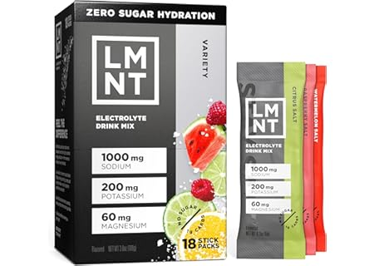 |  | LMNT Zero Sugar Electrolytes - Variety Pack Bundle | Drink Mix | 18-Count | B0FTGJGPTM | B0FTGJGPTM | https://images-na.ssl-images-amazon.com/images/I/816Z-4zJ3zL._AC_UL450_SR450,320_.jpg | $26.91 | 4.5 out of 5 stars | 24,664 |  |  |  |  |  |  |  |  |  |  | FALSE |  |  |  |  |  | 2026-04-23T04:33:53.149436+00:00 | 2026-04-23T04:33:53.149439+00:00 | https://www.amazon.com/Best-Sellers/zgbs
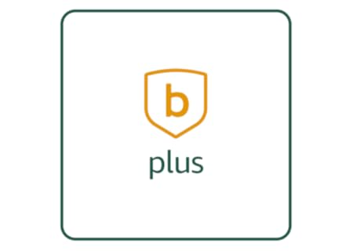 |  | blink plus plan with monthly auto-renewal | B08JHCVHTY | B08JHCVHTY | https://images-na.ssl-images-amazon.com/images/I/31YHGbJsldL._AC_UL450_SR450,320_.png | $11.99 | 4.4 out of 5 stars | 274,800 |  |  |  |  |  |  |  |  |  |  | FALSE |  |  |  |  |  | 2026-04-23T04:33:53.150883+00:00 | 2026-04-23T04:33:53.150886+00:00 | https://www.amazon.com/Best-Sellers/zgbs
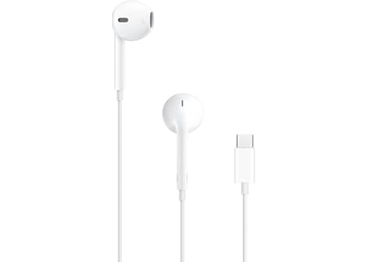 |  | Apple EarPods Headphones with USB-C Plug, Wired Ear Buds with Built-in Remote to Control Music, Phone Calls, and Volume | B0DCH8VDXF | B0DCH8VDXF | https://images-na.ssl-images-amazon.com/images/I/513OSdW4elL._AC_UL450_SR450,320_.jpg | $19.00 | 4.6 out of 5 stars | 12,582 |  |  |  |  |  |  |  |  |  |  | FALSE |  |  |  |  |  | 2026-04-23T04:33:53.152340+00:00 | 2026-04-23T04:33:53.152343+00:00 | https://www.amazon.com/Best-Sellers/zgbs
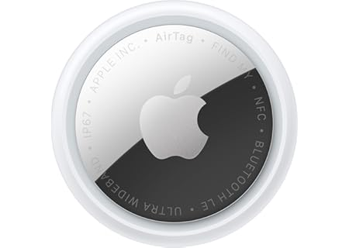 |  | Apple AirTag (2nd Generation): Tracker for Keychain, Wallet, and More; Locator with Sound; Simple One-Tap Setup with iPhone or… | B0GJTFXNRX | B0GJTFXNRX | https://images-na.ssl-images-amazon.com/images/I/61Qd9Z9caRL._AC_UL450_SR450,320_.jpg | $29.00 | 4.6 out of 5 stars | 2,462 |  |  |  |  |  |  |  |  |  |  | FALSE |  |  |  |  |  | 2026-04-23T04:33:53.153807+00:00 | 2026-04-23T04:33:53.153810+00:00 | https://www.amazon.com/Best-Sellers/zgbs
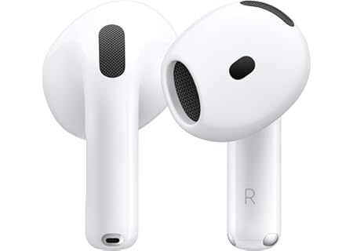 |  | Apple AirPods 4 Wireless Earbuds, Bluetooth Headphones, Personalized Spatial Audio, Sweat and Water Resistant, USB-C… | B0DGHMNQ5Z | B0DGHMNQ5Z | https://images-na.ssl-images-amazon.com/images/I/61iBtxCUabL._AC_UL450_SR450,320_.jpg | $99.00 | 4.6 out of 5 stars | 28,190 |  |  |  |  |  |  |  |  |  |  | FALSE |  |  |  |  |  | 2026-04-23T04:33:53.155281+00:00 | 2026-04-23T04:33:53.155284+00:00 | https://www.amazon.com/Best-Sellers/zgbs
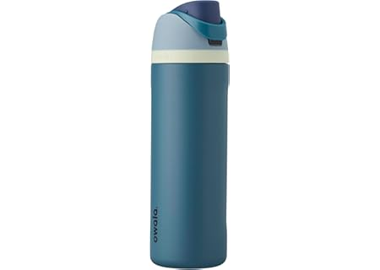 |  | Owala FreeSip Insulated Stainless Steel Water Bottle with Straw, BPA-Free Sports Water Bottle, Great for Travel, 24 Oz, Denim | B0BZYCJK89 | B0BZYCJK89 | https://images-na.ssl-images-amazon.com/images/I/61sS-XIvEXL._AC_UL450_SR450,320_.jpg | $29.99 | 4.7 out of 5 stars | 118,084 |  |  |  |  |  |  |  |  |  |  | FALSE |  |  |  |  |  | 2026-04-23T04:33:53.156741+00:00 | 2026-04-23T04:33:53.156744+00:00 | https://www.amazon.com/Best-Sellers/zgbs
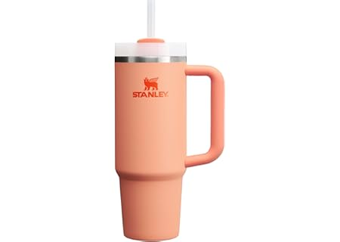 |  | STANLEY Quencher H2.0 Tumbler with Handle and Straw 30 oz | Flowstate 3-Position Lid | Cup Holder Compatible for Travel |… | B0CV64341S | B0CV64341S | https://images-na.ssl-images-amazon.com/images/I/61n2aOEHyWL._AC_UL450_SR450,320_.jpg | $23.21 | 4.7 out of 5 stars | 90,727 |  |  |  |  |  |  |  |  |  |  | FALSE |  |  |  |  |  | 2026-04-23T04:33:53.158184+00:00 | 2026-04-23T04:33:53.158186+00:00 | https://www.amazon.com/Best-Sellers/zgbs
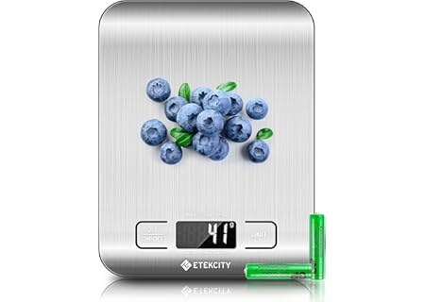 |  | Etekcity Food Kitchen Scale, Digital Grams and Ounces for Weight Loss, Baking, Cooking, Keto and Meal Prep, LCD Display, Medium,… | B0113UZJE2 | B0113UZJE2 | https://images-na.ssl-images-amazon.com/images/I/91YrLTBnMcL._AC_UL450_SR450,320_.jpg | $13.99 | 4.6 out of 5 stars | 173,380 |  |  |  |  |  |  |  |  |  |  | FALSE |  |  |  |  |  | 2026-04-23T04:33:53.159653+00:00 | 2026-04-23T04:33:53.159656+00:00 | https://www.amazon.com/Best-Sellers/zgbs
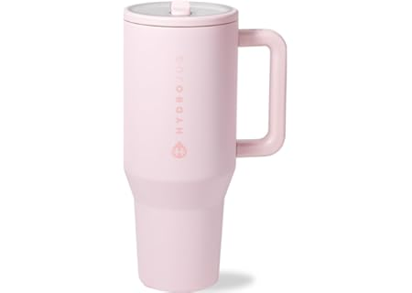 |  | HydroJug Traveler - 32 oz Water Bottle with Handle & Flip Straw - Fits in Cup Holder, Leak Resistant Tumbler-Reusable Insulated… | B0D6C6GS58 | B0D6C6GS58 | https://images-na.ssl-images-amazon.com/images/I/31tbwj3Mi9L._AC_UL450_SR450,320_.jpg | $34.99 | 4.6 out of 5 stars | 18,601 |  |  |  |  |  |  |  |  |  |  | FALSE |  |  |  |  |  | 2026-04-23T04:33:53.161099+00:00 | 2026-04-23T04:33:53.161102+00:00 | https://www.amazon.com/Best-Sellers/zgbs
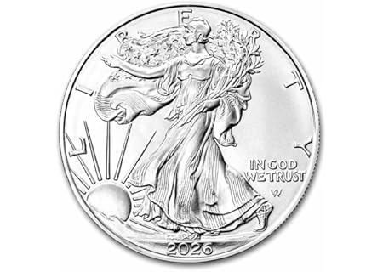 |  | 2026 - American Silver Eagle 1 oz Bullion Coin with Certificate of Authenticity $1 Seller Uncirculated | B0CRQJNFFH | B0CRQJNFFH | https://images-na.ssl-images-amazon.com/images/I/6156cLuILVL._AC_UL450_SR450,320_.jpg | $113.99 | 4.8 out of 5 stars | 121 |  |  |  |  |  |  |  |  |  |  | FALSE |  |  |  |  |  | 2026-04-23T04:33:53.162792+00:00 | 2026-04-23T04:33:53.162807+00:00 | https://www.amazon.com/Best-Sellers/zgbs
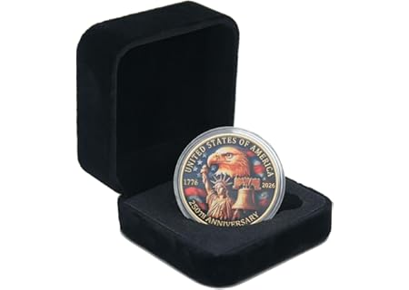 |  | 250 Anniversary Coin 250th Year American USA Anniversary Commemorative Coin Merch Merchandise with Case… | B0GFLZ774C | B0GFLZ774C | https://images-na.ssl-images-amazon.com/images/I/61YIXHFgLML._AC_UL450_SR450,320_.jpg | $9.99 | 4.3 out of 5 stars | 25 |  |  |  |  |  |  |  |  |  |  | FALSE |  |  |  |  |  | 2026-04-23T04:33:53.164461+00:00 | 2026-04-23T04:33:53.164466+00:00 | https://www.amazon.com/Best-Sellers/zgbs
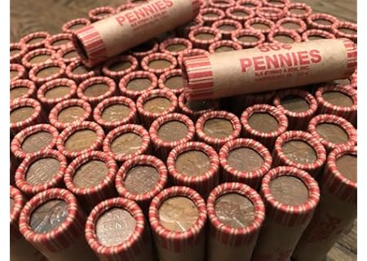 |  | 50 Wheat Pennies (Unsearched Shotgun Roll) - Mixed Years Circulated Good or Better. | B011LOOKV8 | B011LOOKV8 | https://images-na.ssl-images-amazon.com/images/I/71V4oUDB5bL._AC_UL450_SR450,320_.jpg | $17.89 | 3.7 out of 5 stars | 1,710 |  |  |  |  |  |  |  |  |  |  | FALSE |  |  |  |  |  | 2026-04-23T04:33:53.165898+00:00 | 2026-04-23T04:33:53.165900+00:00 | https://www.amazon.com/Best-Sellers/zgbs
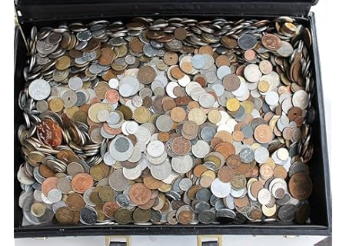 |  | Over 50 DIFFERENT World Coins (1/2) Half Pound Grab Bag | B00BUB7TM0 | B00BUB7TM0 | https://images-na.ssl-images-amazon.com/images/I/81lFL2LQBJL._AC_UL450_SR450,320_.jpg | $19.94 | 4.2 out of 5 stars | 2,364 |  |  |  |  |  |  |  |  |  |  | FALSE |  |  |  |  |  | 2026-04-23T04:33:53.167352+00:00 | 2026-04-23T04:33:53.167354+00:00 | https://www.amazon.com/Best-Sellers/zgbs

