Analysis 1
Transactions | Total Revenue | COGS | Profit Margin % | Total Profit | Quantity | No. of Products | Sold Products | Unsold Products |  | #Transactions | Total Revenue | COGS | Profit Margin % | Total Profit | Quantity
60.40 K | $307.09 M | $180.80 M | 41.1% | $126.29 M | 631.92 K | 606 | 158 | 448 |  | 60.40 K | $307.09 M | $180.80 M | 41.1% | $126.29 M | 631.92 K

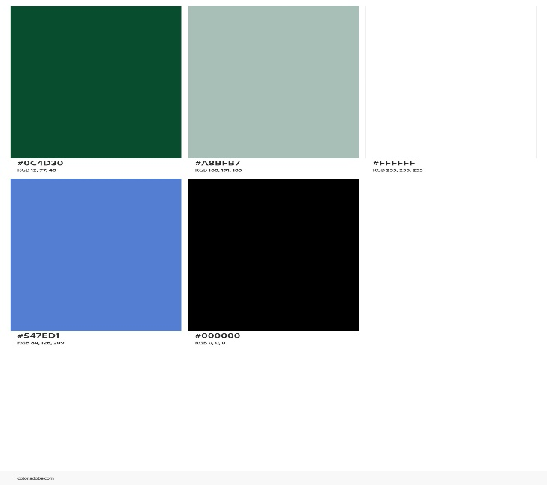
 | Option Button | 1
 |  |  |  |  |  |  |  |  | Year | Transactions | Total Revenue | COGS | Profit Margin % | Total Profit | Quantity
Year | Transactions | Revenue | Profit |  |  |  |  |  | 2005 | 1.01 K | $33.37 M | $19.97 M | 40.2% | $13.40 M | 10.40 K
2005 | 1.01 K | $33.37 M | $13.40 M |  |  |  |  |  | 2006 | 2.68 K | $69.48 M | $41.31 M | 40.6% | $28.18 M | 28.41 K
2006 | 2.68 K | $69.48 M | $28.18 M |  |  |  |  |  | 2007 | 24.44 K | $102.38 M | $59.83 M | 41.6% | $42.55 M | 255.72 K
2007 | 24.44 K | $102.38 M | $42.55 M |  |  |  |  |  | 2008 | 32.27 K | $101.86 M | $59.70 M | 41.4% | $42.16 M | 337.39 K
2008 | 32.27 K | $101.86 M | $42.16 M

Year | Revenue | Average Revenue | Above average |  |  |  |  |  |  |  | Year |  | Check Selected Year
2005 | 33 M | 76,773,236 |  |  |  |  |  |  |  |  | 2005 |  | 4
2006 | 69 M | 76,773,236 |  |  |  |  |  |  |  |  | 2006
2007 | 102 M | 76,773,236 | 102,379,613 |  |  |  |  |  |  |  | 2007
2008 | 102 M | 76,773,236 | 101,858,617 |  |  |  |  |  |  |  | 2008

 |  |  |  |  |  |  |  |  |  |  |  |  | Total Profit | Year | Profit | Percentage
 | Above average |  | Caption |  |  |  |  |  |  |  |  |  | Selected Yr | 0 | $0.00K | 0.0%
Total | 204,238,230 |  | of Revenue came from the highlighted years |  |  |  |  |  |  |  |  |  | Prev Yr | 2004 | $0.00K | 0.0%
Percentage | 66.5%
 |  |  |  |  |  |  |  |  |  |  |  |  | YOY Change | 0.00%

 |  |  |  |  |  |  |  |  |  |  |  |  | Total Revenue | Year | Revenue | Percentage
 |  |  |  |  |  |  |  |  |  |  |  |  | Selected Yr | 0 | $0.00K | 0.0%
 |  |  |  |  |  |  |  |  |  |  |  |  | Prev Yr | 2004 | $0.00K | 0.0%

 |  |  |  |  |  |  |  |  |  |  |  |  | YOY Change | 0.00%

 |  |  |  |  |  |  |  |  |  |  |  |  | Total Cogs | Year | Cogs | Percentage
 |  |  |  |  |  |  |  |  |  |  |  |  | Selected Yr | 0 | $0.00K | 0.0%
 |  |  |  |  |  |  |  |  |  |  |  |  | Prev Yr | 2004 | $0.00K | 0.0%

 |  |  |  |  |  |  |  |  |  |  |  |  | YOY Change | 0.00%

 |  |  |  |  |  |  |  |  |  |  |  |  | Total %Margin | Year | % Profit Margin | Percentage
 |  |  |  |  |  |  |  |  |  |  |  |  | Selected Yr | 0 | 0.00% | 0.0%
 |  |  |  |  |  |  |  |  |  |  |  |  | Prev Yr | 2004 | 0.00% | 0.0%

 |  |  |  |  |  |  |  |  |  |  |  |  | YOY Change | 0.00%

 |  |  |  |  |  |  |  |  |  |  |  |  | Total Transactions | Year | Transaction | Percentage
 |  |  |  |  |  |  |  |  |  |  |  |  | Selected Yr | 0 | $0.00K | 0.0%
 |  |  |  |  |  |  |  |  |  |  |  |  | Prev Yr | 2004 | $0.00K | 0.0%

 |  |  |  |  |  |  |  |  |  |  |  |  | YOY Change | 0.00%

 |  |  |  |  |  |  |  |  |  |  |  |  | Total Qty | Year | Quantity | Percentage
 |  |  |  |  |  |  |  |  |  |  |  |  | Selected Yr | 0 | $0.00K | 0.0%
 |  |  |  |  |  |  |  |  |  |  |  |  | Prev Yr | 2004 | $0.00K | 0.0%

 |  |  |  |  |  |  |  |  |  |  |  |  | YOY Change | 0.00%

Time Series Analysis
Adventure Works Sales Analysis
Time Analysis
Detail Dashboard
Clear filters

Total Qty
Transactions
66.5%
631.92 K
of Revenue came from the highlighted years
Total COGS
Total Revenue
Total Profit
% Profit Margin
60.40 K
7,67,73,236
$307.09 M
$180.80 M
$126.29 M
41.1%
 | Year | Revenue | Above average | Average Revenue
2005 | 2005 | 33 M | 0 | 76,773,236
2006 | 2006 | 69 M | 0 | 76,773,236
2007 | 2007 | 102 M | 102,379,613 | 76,773,236
2008 | 2008 | 102 M | 101,858,617 | 76,773,236
Average Revenue

In 2005
Collectively accounted for
31.9%
The highlighted weekdays contirbuted
43.80%
of Profit
May
Jun
&
Dec
of Total Profit
 | Total Profit | Highlight
Sun | 17.62 M | 0
Mon | 17.94 M | 0
Tue | 17.69 M | 0
Wed | 18.22 M | 18218769.795
Thu | 18.81 M | 18810561.907
Fri | 18.28 M | 18279687.762
Sat | 17.73 M | 0
 | Total
Jan | 10.22 M
Feb | 10.79 M
Mar | 11.28 M
Apr | 11.84 M
May | 13.73 M
Jun | 13.45 M
Jul | 8.11 M
Aug | 8.04 M
Sep | 8.05 M
Oct | 8.68 M
Nov | 8.96 M
Dec | 13.14 M

 | Total
Weekday | $90.94 M
Weekend | $35.35 M
Quarterly View of Profit
WEEKDAY makes up
72.01%

of Total Profit
$32.30 M
$39.02 M
$24.19 M
$30.78 M

Quarter 1
Quarter 2
Quarter 3
Quarter 4

26%
31%
19%
24%

Detail dashboard
Adventure Works Sales Analysis
Time Analysis
Detail Dashboard

Top 5 Profitable Products
Available
Products
Profit by Colors
Product Pricing Types
 | Total Profit | Duplicate
Mountain-200 Black, 46 | $6.61 M | $6.61 M
Mountain-200 Black, 42 | $6.41 M | $6.41 M
Mountain-200 Silver, 46 | $6.14 M | $6.14 M
Mountain-200 Black, 38 | $6.07 M | $6.07 M
Mountain-200 Silver, 42 | $6.04 M | $6.04 M
 | Total Profit | Highlight
Black | $39.16 M | 39.16 M
Red | $31.59 M | 31.59 M
Silver | $23.92 M | 23.92 M
Yellow | $19.04 M
Blue | $9.43 M
Unspecified | $2.86 M
Multi | $260.18K
White | $33.58K
Grey | $0.00K
Silver/Black | $0.00K
 | Percentage | Max Value
Expensive | 0.7 | 0.7
Less Expensive | 0.7 | 0.7
Price below $150
606
Price above $150
Profit share of
TOP-5 products vs Others

Sold
Products
158
 | Profit
Top 5 | 31.27 M
Others | 95.02 M
Top 5
24.8%

Others
Unsold
Products
$120.52 M
$5.77 M
75.2%
448
Profit
Profit

Top 5 Profitable Customers
Average Customer Age
The 50 plus age group contributed
41.7%
United States & Australia contributed
41.7%
 | Total Profit | Duplicate
Margaret He | $66.02K | $66.02K
Nichole Nara | $64.05K | $64.05K
Dawn L Nath | $61.98K | $61.98K
Ricky D Vazquez | $61.66K | $61.66K
Emily R Miller | $61.57K | $61.57K
46
of total profit
of total profit
 | Total Profit | Highlight
25-29 | $10 M | $0.00K
30-34 | $16 M | $0.00K
35-39 | $16 M | $0.00K
40-44 | $15 M | $0.00K
45-49 | $16 M | $0.00K
50 plus | $53 M | $52.71 M
 | Country | Country
8.2 | 2 | 2
1.7 | 8.3 | 8.3
4.5 | 7.2 | 7.2
4.8 | 7.9 | 7.9
4.4 | 8.1 | 8.1
1.8 | 6.8 | 6.8
Profit share of
TOP-5 customers vs Others
Total customers

 | Profit
Top 5 Customers | $315K
Others | $126 M
18,484
Top 5
0.3%
Profit by Gender
Female
Others
 | Total | Percentage | Total | Percentage
F | 1 | 50.4% | 1 | 50.4%
50.4%
Filter by Year
99.7%

 | Total | Percentage
F | 1 | 49.6%
Male
49.6%

