Questions
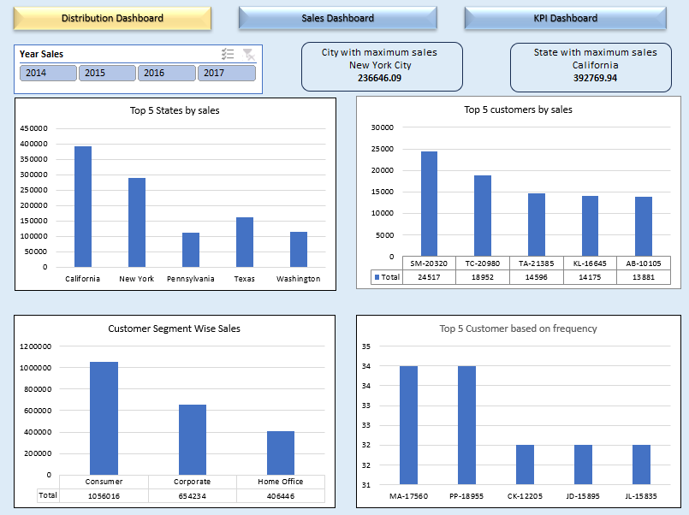
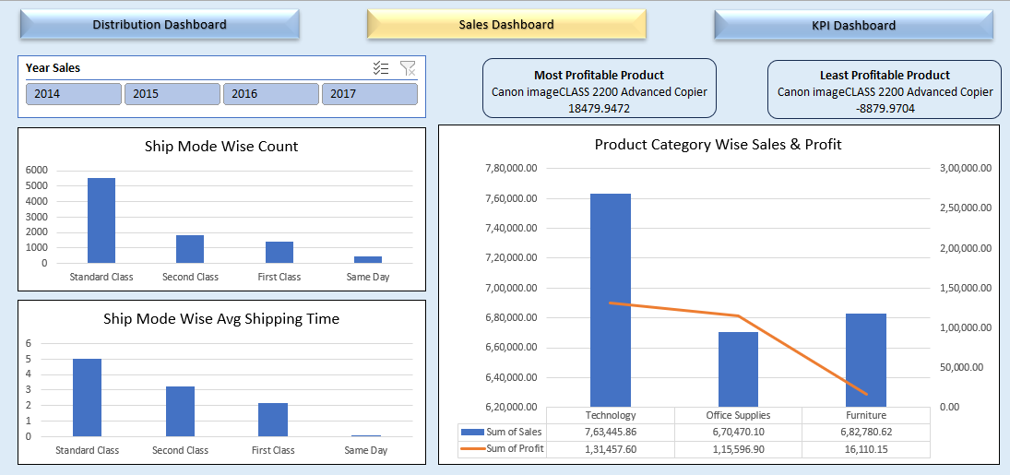
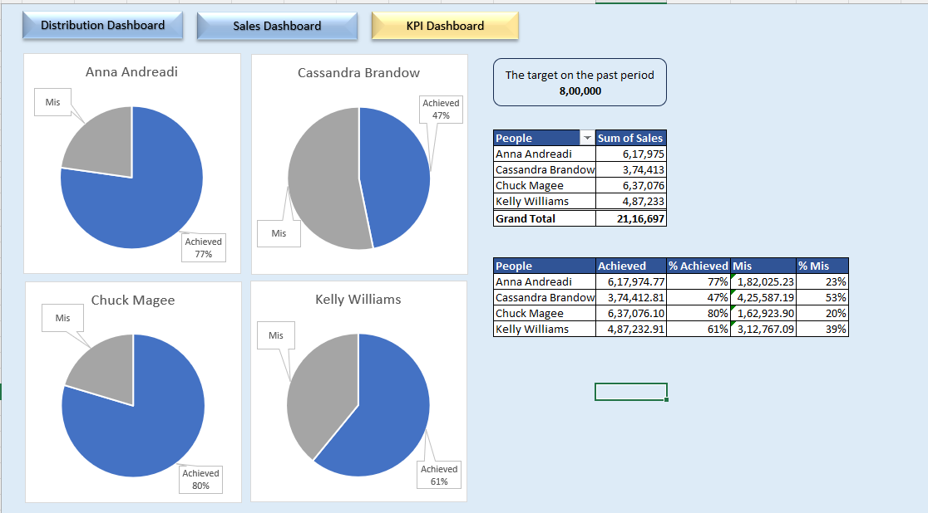
 | Data Cleaning & preparation
1 | Create a new column in "Orders" Table, "Returns". Use vlookup to fetch the values for this column.
2 | Create a new sheet. Name it "Clean Data".
3 | Use FILTER function to fetch all the order data which are not returned into the "Clean Data" Sheet.
4 | Create a calculated column profit, with the formula [Sales - COGS - Discount]. Note, value of COGS and Discount are negative.

 | Pivot Table Analysis

 | To Enhance Customer Loyalty
1 | What is the most used ship mode by our customer?
2 | Who are our top 5 customers in terms of sales and order frequency?

 | To monitor our strength and weak points
1 | Which segment of clients generates the most sales?
2 | Which city has the most sales value?
3 | Which state generates the most sales value?

 | Performance measurement
1 | Display product categories wise sales and profit.
2 | What is the most profitable product that we sell?
3 | What is the lowest profitable product that we sell?

 | Customer Experience
1 | On Average how long does it take the orders to reach our clients? Based on each Shipping Mode

 | Make following dashboards:
 | 1. Distribution Dashboard.

 | Create charts for the following:
 |  | a) Plot top 5 states by Sales
 |  | b) Top 5 customers by sales.
 |  | c) Customer Segment Wise Sales
 |  | d) Top 5 customers based on frequency

 | Create KPIs for:
 |  | a) State with maximum sales
 |  | b) City with maximum sales

 | Create Slicer for Sales Year.

 | 2. Sales Dashboard

 | Create charts for the following:
 |  | a) Ship Mode Wise Count
 |  | b) Ship Mode Wise Average Shipping Time
 |  | c) Product Category Wise Sales & Profit

 | Create KPIs for:
 |  | a) Most Profitable Product
 |  | b) Least Profitable Product

 | 3. Sales People Dashboard

 | For Sales People Dashboard take 800000 as sales target of each sales person and find how far has the target been achieved. Show your findings using visuals.

 | a) Calculate the sales done by each sales person.
 | b) Calculate the percentage of target achieve and missed.
 | c) Plot these values for each sales person.

 | Expected Dashboards:

 | Page 1: Distribution Dashboard |  | Page 2: Sales Dashboard | Page 3: Sales People Dashboard

Distribution Dashboard

Sates Wise Sales
 | Total
California | 392.8K
New York | 288.5K
Pennsylvania | 112.8K
Texas | 161.0K
Washington | 113.6K
Customer Wise Sales
 | Total
SM-20320 | 24.5K
TC-20980 | 19.0K
TA-21385 | 14.6K
KL-16645 | 14.2K
AB-10105 | 13.9K
Customer Segment Wise Sales
 | Total
Consumer | 1.1M
Corporate | 654.2K
Home Office | 406.4K
Customere Wise Order Number
 | Total
MA-17560 | 34
PP-18955 | 34
CK-12205 | 32
JD-15895 | 32
JL-15835 | 32
Distribution Dashboard
Distribution Dashboard
Sales Dashboard
KPI Dashboard

State with maximum sales
California
392.8K

City with maximum sales
New York City
236.6K

Sales Dashboard
Ship Mode Wise Order
 | Total
Standard Class | 5518
Second Class | 1811
First Class | 1386
Same Day | 479
Ship Mode Wise Avg Shipping Time
 | Total
Standard Class | 5
Second Class | 3
First Class | 2
Same Day | 0
Product Category Wise Sales & Profit
 | Total Sales | Total_Profit
Technology | 763.4K | 131.5K
Office Supplies | 670.5K | 115.6K
Furniture | 682.8K | 16.1K
Sales Dashboard
Distribution Dashboard
Sales Dashboard
KPI Dashboard

Most Profitable Product
Canon imageCLASS 2200 Advanced Copier
18.5K

Least Profitable Product
Cubify CubeX 3D Printer Double Head Print
-8.9K

KPI Dashboard
 | Anna Andreadi
 | 77%
 | 23%
 | Cassandra Brandow
 | 47%
 | 53%
 | Chuck Magee
 | 80%
 | 20%
 | Kelly Williams
 | 61%
 | 39%
Sales People Dashboard
sales target
800.0K
Distribution Dashboard
Sales Dashboard
KPI Dashboard

Sales Person | Total Sales | Sales Person | Total Sales | Achieved% | Mis%
Anna Andreadi | 618.0K | Anna Andreadi | 618.0K | 77% | 23%
Cassandra Brandow | 374.4K | Cassandra Brandow | 374.4K | 47% | 53%
Chuck Magee | 637.1K | Chuck Magee | 637.1K | 80% | 20%
Kelly Williams | 487.2K | Kelly Williams | 487.2K | 61% | 39%
Grand Total | 2116.7K

