Table 1
Welcome to More Choice |  |  |  |  |  |  |  |  |  |  |  |  |  | CD Marker Handbook Human Mouse |  |  |  |  |  |  |  |  |  |  | For more information, please visit: bdbiosciences.com/go/humancdmarkers bdbiosciences.com/go/mousecdmarkers
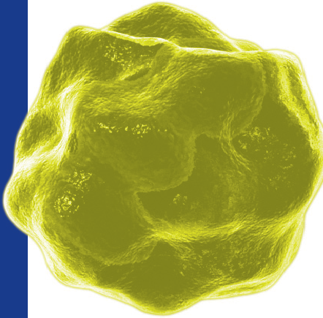
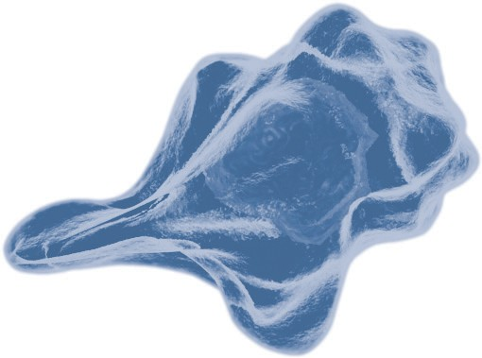

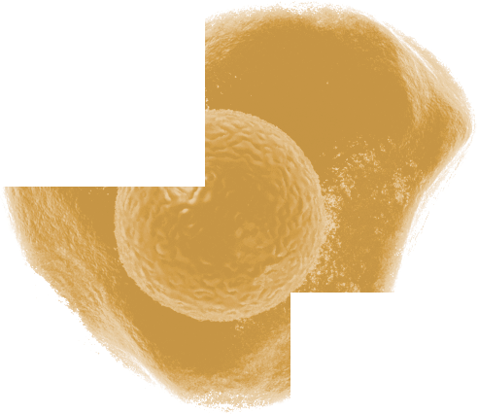 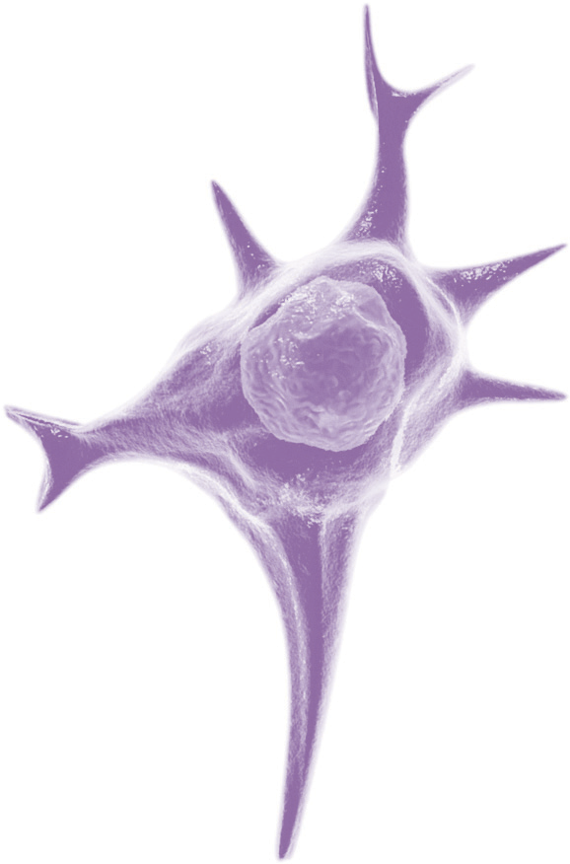 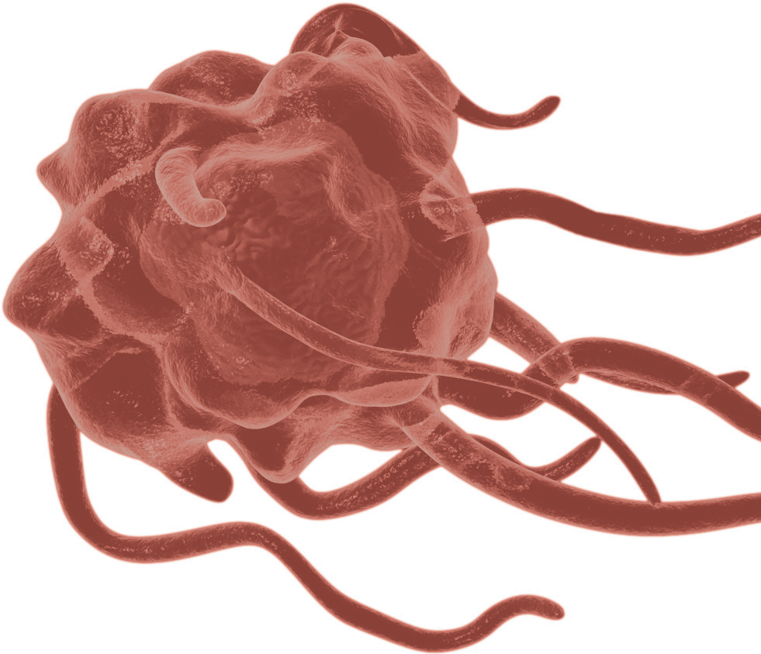 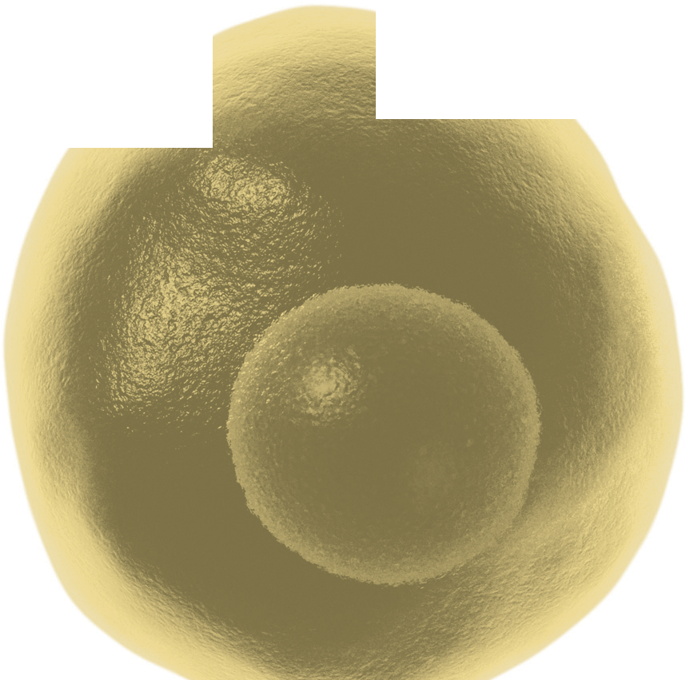

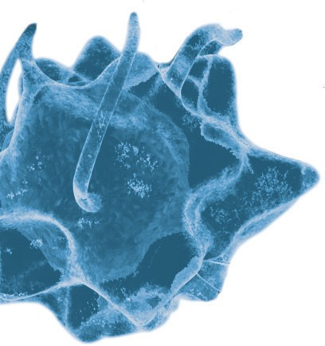
Human and Mouse CD Marker Handbook

T Cell
CD3 CD4 CD8
CD3 CD4 CD8

B Cell Dendritic Cell NK Cell Stem Cell/ Precursor Macrophage/ Monocyte Granulocyte Platelet Erythrocyte Endothelial Cell Epithelial Cell 2 |  |  |  | Key Markers - Human CD19 CD20 CD11c CD123 CD56 CD34 hematopoetic stem cell only CD14 CD33 CD66b CD41 CD61 CD62 CD235a CD146 CD326 |  |  |  |  | Key Markers - Mouse CD45R/B220 CD19 CD22 (B cell activation marker) CD11c CD123 CD335 (NKp46) CD34 hematopoetic stem cell only CD11b/ Mac-1 Ly-71 (F4/80) CD66b Gr-1/Ly6G Ly6C CD41 CD61 (Integrin β3) CD9 CD62P (activated platelets) CD235a Ter-119 CD146 MECA-32 CD106 CD31 CD62E (activated endothelial cells) CD326 (EPCAM1) |  |  |  |  |  |  |  |  |  |  |  | CD (cluster of differentiation) molecules are cell surface markers useful for the identification and characterization of leukocytes. The CD nomenclature was developed and is maintained through the HLDA (Human Leukocyte Differentiation Antigens) workshop started in 1982. The goal is to provide standardization of monoclonal antibodies to human antigens across laboratories. To characterize or “workshop” the antibodies, multiple laboratories carry out blind analyses of antibodies. These results independently validate antibody specificity. While the CD nomenclature has been developed for use with human antigens, it is applied to corresponding mouse antigens as well as antigens from other species. However, the mouse and other species antibodies are not tested by HLDA. Human CD markers were reviewed by the HLDA. New CD markers were established at the HLDA9 meeting held in Barcelona in 2010. For additional information and CD markers please visit www.hcdm.org. For Research Use Only. Not for use in diagnostic or therapeutic procedures.

CD | Alternative Name |  |  |  |  |  | Ligands & Associated Molecules |  |  |  | T Cell | B Cell Dendritic Cell |  |  | NK Cell Stem Cell/Precursor |  | Macrophage/Monocyte | Granulocyte Platelet |  | Erythrocyte Endothelial Cell |  |  | Function
CD1a | R4,T6 |  |  |  |  |  | β-2-Microglobulin, CD74 |  |  |  | + | + |  | + | – |  | + | – | – | – |  |  |  | Antigen presenting protein
CD1b | R1, T6 |  |  |  |  |  | β-2-Microglobulin |  |  |  | + | + |  | + | – |  | + | – | – | – |  |  |  | Antigen presenting protein
CD1c | M241, R7, T6 |  |  |  |  |  | β-2-Microglobulin |  |  |  | + | + |  | + | – |  | + | – | – | – |  |  |  | Antigen presenting protein
CD1d | R3G1 |  |  |  |  |  | β-2-Microglobulin, MHC II |  |  |  | + | + |  | + | – |  |  | – | – | – |  |  | + | Antigen presenting protein
CD1e | cR2 |  |  |  |  |  | β-2-Microglobulin |  |  |  |  |  |  | + | – |  |  | – | – | – |  |  |  | Antigen presentation of glycolipids
CD2 | E-rosette R, Erythrocyte R, T11, LFA-2 |  |  |  |  |  | CD58, CD48, CD59, CD15, LFA-3 |  |  |  | + | + |  |  | + |  |  | – | – | – |  |  |  | Cell adhesion between T cells and other cell types
CD3 | T3 |  |  |  |  |  | TCR |  |  |  | + | – |  |  | – | – | – | – | – | – |  | – | – | A complex of subunits that mediates T cell signal transduction
CD3d | δ Polypeptide (TiT3 complex) |  |  |  |  |  | TCR |  |  |  | + |  |  |  |  |  |  |  |  |  |  |  |  | Part of the CD3/TCR complex that mediates T-cell receptor signal transduction
CD3e | T3e |  |  |  |  |  | TCR |  |  |  | + |  |  |  |  |  |  |  |  |  |  |  |  | Part of the CD3/TCR complex that mediates T-cell receptor signal transduction
CD3g | T3G |  |  |  |  |  | TCR |  |  |  | + |  |  |  |  |  |  |  |  |  |  |  |  | Part of the CD3/TCR complex that mediates T-cell receptor signal transduction
CD4 | L3T4, W3/25, T4 |  |  |  |  |  | MHC Class II, gp120, IL-16, Lck |  |  |  | + | – |  |  | – | – | + | + | – | – |  | – | – | Initiates or augments the early phase of T-cell activation.
CD5 | T1, Tp67, Leu-1, Ly-1 |  |  |  |  |  | CD72, BCR, gp35-37, ZAP-70, TCR, CD21 |  |  |  | + | + |  |  | – |  | – | – | – | – |  |  |  | Acts as a negative regulator of T-cell receptor signaling
CD6 | T12, TP120 |  |  |  |  |  | gp40, gp90, CD166 (ALCAM) |  |  |  | + | + |  |  |  |  | – | – | – | – |  |  |  | Involved in T-cell activation and cell adhesion
CD7 | gp40, TP41 |  |  |  |  |  | PI3-Kinase |  |  |  | + | – |  |  | + | + | – | – | – | – |  |  |  | Important for T-cell interactions
CD8a | Leu2, T8, Lyt2,3 |  |  |  |  |  | MHCI, Lck |  |  |  | + | – |  |  | + | – | – | – | – | – |  | – | – | May play an important role in T-cell mediated killing
CD8b | CD8, Leu2, Lyt3 |  |  |  |  |  | MHCI, Lck |  |  |  | + | – |  |  | – | – | – | – | – | – |  | – | – | May play an important role in T-cell mediated killing
CD9 | p24, DRAP-1, MRP-1 |  |  |  |  |  | CD63, CD81, CD82, CD41/CD61, HLA-DR, Integrin β1, PI4-Kinase |  |  |  | + | + |  |  |  | – | + | + | + |  |  | + | + | Involved in platelet activation and aggregation, cell adhesion and cell motility
CD10 | CALLA, NEP, gp100, EC 3.4.24.11, MME |  |  |  |  |  |  |  |  |  | – |  |  | – | + | – | – | – | – |  |  | + |  | Neutral endopeptidase that cleaves peptides and inactivates several peptide hormones.
CD11a | LFA-1α, Integrin αL |  |  |  |  |  | ICAM-1, 2, 3, 4, CD18 |  |  |  | + | + |  |  | + |  | + | + |  | – |  | – |  | Involved in leukocyte-endothelial cell interactions and T-cell mediated killing.
CD11b | Integrin αM, CR3, Mo1, C3niR, Mac-1 |  |  |  |  |  | iC3b, Fibrinogen, ICAM-1, 2, Factor X |  |  |  | + | + |  | + | + |  | + | + |  | – |  | – |  | Implicated in the various adhesive interactions of monocytes, macrophages, and granulocytes.
CD11c | Integrin αX, p150,95, AXb2, CR4 |  |  |  |  |  | iC3b, Fibrinogen, ICAM-1, 4 |  |  |  | + | + |  | + | + |  | + | + |  | – |  | – |  | Important for cell-cell interaction during inflammatory responses.

CD | Alternative Name |  |  |  |  |  | Ligands & Associated Molecules |  |  |  | T Cell | B Cell Dendritic Cell |  |  | NK Cell Stem Cell/Precursor |  | Macrophage/Monocyte | Granulocyte Platelet |  | Erythrocyte Endothelial Cell |  |  | Function
CD11d | Integrin αD, ITGAD, ADB2 |  |  |  |  |  | ICAM3, VCAM1 |  |  |  |  |  |  |  |  |  | + |  |  |  |  |  |  | May play an important role in atherosclerotic processes such as clearing of lipoproteins.
CDw12 | p90-120 |  |  |  |  |  |  |  |  |  | – | – |  |  | + | + | + | + | – | – |  |  |  | Unknown
CD13 | ANPEP, Aminopeptidase N, AAP, APM, LAP1, P150, PEPN, APN, gp150, EC 3.4.11.2 |  |  |  |  |  | NGR, HNF1A, DNAK, NAALADL1, MEP1B, VCP, Corona virus Receptor |  |  |  | + | – |  |  | – | + | + | + | – | – |  | + | + | Aminopeptidase
CD14 | LPS-Receptor |  |  |  |  |  | Endotoxin, Lipopolysaccharide (LPS), TLR4, LBP, LY96, TLR2 |  |  |  | – | – |  |  | – |  | + | + |  |  |  |  |  | Mediates the innate immune repsonse to bacterial lipopolysaccharide (LPS).
CD15 | X-Hapten, Lewis X, SSEA-1, 3-FAL, FUT4 |  |  |  |  |  | Selectins |  |  |  | – | – |  |  | – | + | + | + | – | – |  | – |  | Adhesion, granulocyte activation
CD16 | FCRIIIA, CD16a |  |  |  |  |  | IgG Fc |  |  |  | + | – |  | + | + |  | + | + | – | – |  |  |  | Low affinity FcR, antibody binding (IgG1 and 3) and immune response modula- tion, mediates phagocytosis and antibody-dependent T-cell-mediated cytotoxicity
CD16b | FCRIIIB |  |  |  |  |  | IgG Fc |  |  |  |  |  |  |  |  |  |  | + | – | – |  |  |  | Neutrophil transendothelial migration, immune response activation
CD17 | Lactosylceramide, LacCer |  |  |  |  |  |  |  |  |  | + | + |  | + | – |  | + | + | + | – |  | + | + | May mediate homotypic adhesion and binds to bacteria and may function in phagocytosis, motility, proliferation, trapping and adhesion.
CD18 | Integrin β2, CD11a, b, c β-subunit |  |  |  |  |  | CD11a, b, c |  |  |  | + | + |  | + | + |  | + | + | + | – |  | – |  | Adhesion, cell signaling
CD19 | B4 |  |  |  |  |  | CD21, CD81, CD225, Leu-13, Lyn, Fyn, Vav, PI3-kinase |  |  |  | – | + |  | + | – | + | – | – | – | – |  | – | – | Assembles with the antigen receptor of B lymphocytes to decrease the threshold for antigen receptor-dependent stimulation.
CD20 | B1, Bp35 |  |  |  |  |  | Lyn, LCK, Fyn, Cell surface protein: 28-30,180- 200,50-60 kDa |  |  |  | + | + |  | – | – | – | – | – | – | – |  | – | – | Development and differentiation of B cells into plasma cells.
CD21 | CR2, EBV-R, C3dR |  |  |  |  |  | C3d, CD23, CD19, CD81, Leu13 |  |  |  | + | + |  | + | – | + | – | – | – | – |  | – | + | Regulator of complement activation
CD22 | BL-CAM, Siglec-2 |  |  |  |  |  | p72sky, p53/56lyn, SHP1, PI3-kinase, CD45, PLCγ1 |  |  |  | – | + |  | – | – | + | – | – | – | – |  | – | – | Mediates B-cell B-cell interactions. May be involved in the localization of B cells in lymphoid tissues. Modulates B-cell signaling.
CD23 | FceRII, B6, BLAST-2, Leu-20 |  |  |  |  |  | IgE, CD21, CD11b, CD11c |  |  |  | + | + |  | + | – |  | + | + | + | – |  | – | + | Key molecule for B-cell activation and growth. This receptor has essential roles in the regulation of IgE production and in the differentiation of B cells.
CD24 | BBA-1, HSA |  |  |  |  |  | CD62P (P-Selectin) |  |  |  | – | + |  | – | – | – | – | + | – | – |  | – | + | Regulation of B-cell proliferation and maturation. Regulates binding capacity of CD49d/CD29.
CD25 | Tac antigen, IL-2Rα, p55, TCGFR |  |  |  |  |  | IL-2 |  |  |  | + | + |  | – | + | – | + | – | – | – |  | – | – | Receptor for interleukin-2
CD26 | DPP IV ectoenzyme, ADA binding protein, ADCP2, TP103 |  |  |  |  |  | Adenosine deaminase, Collagen, CD45 |  |  |  | + | + |  | – | + | – | + | – | – | – |  | – | + | Exopeptidase
CD27 | T14, S152, TP55, TNFRSF7 |  |  |  |  |  | CD70, TRAF5, TRAF2 |  |  |  | + | + |  | – | + | – | – | – | – | – |  | – | – | Generation and long term maintenance of T-cell immunity

CD | Alternative Name |  |  |  |  |  | Ligands & Associated Molecules |  |  |  | T Cell | B Cell Dendritic Cell |  |  | NK Cell Stem Cell/Precursor |  | Macrophage/Monocyte | Granulocyte Platelet |  | Erythrocyte Endothelial Cell |  |  | Function
CD28 | Tp44, T44 |  |  |  |  |  | CD80, CD86, PI3-kinase |  |  |  | + | – |  | – | – | – | – | – | – | – |  | – | – | T-cell proliferation, survival, IL-2 production, and Th2 cell development
CD29 | Platelet GPIIa, Integrin β1, GP |  |  |  |  |  | VCAM-1, MAdCAM-1 |  |  |  | + | + |  | + | + | + | + | + | + |  |  | + | + | Cell adhesion
CD30 | Ber-H2, Ki-1 |  |  |  |  |  | CD153, TRAF1, 2, 3, 5 |  |  |  | + | + |  |  | + | + | + | – | – | – |  | + | – | Activation of NF-κB, apoptosis, autoimmunity
CD31 | PECAM-1, endoCAM, Platelet endothelial cell adhesion molecule, PECA1 |  |  |  |  |  | CD38, Glycosaminoglycans (GAGs), Integrin αvβ3 |  |  |  | + | + |  |  | + |  | + | + | + | – |  | + |  | Cell adhesion, activation, and migration
CD32a | FCγRII, Fc-γ receptor 2, FCGR2A, Low affinity immunoglobulin γ Fc receptor II |  |  |  |  |  | IgG |  |  |  | – | + |  |  | – |  | + | + | + | – |  | – |  | Innate and adaptive immune responses
CD32b | FCG2, FCGR2B, IGFR2 |  |  |  |  |  | IgG, INPP5D/SHIP1 |  |  |  | + | + |  |  | – |  | + | + | + | – |  | + |  | Phagocytosis of immune complexes and regulation of antibody production.
CD32c | FCG2, FCGR2C, IGFR2 |  |  |  |  |  | IgG |  |  |  |  |  |  |  | + |  | + | + |  |  |  |  |  | Low affinity receptor for Fc involved in a variety of effector and regulatory functions
CD33 | gp67, SIGLEC-3, Sialic acid-binding Ig-like lectin 3, Myeloid cell surface antigen CD33 |  |  |  |  |  | Sugar chains containing sialic acid, α-2,6- linked Sialic acid |  |  |  | – | – |  | + | – | + | + | + | – | – |  | – | – | Cell adhesion, cell-cell signaling, inhibitory receptor, and apoptosis
CD34 | gp105-120, Hematopoietic progenitor cell antigen 1 (HPCA1) |  |  |  |  |  | L-Selectin, MadCAM-1, CRKL |  |  |  | – | – |  | – | – | + | – | – | – | – |  | + |  | Cell adhesion
CD35 | CR1, C3b/C4b receptor, Complement receptor 1, Immune Adherence receptor |  |  |  |  |  | C3b, C4b, iC3, iC4 |  |  |  | + | + |  | + | – |  | + | + | – | + |  |  |  | Complements cascade regulation; mediates cellular binding of particles and immune complexes that have activated complement
CD36 | Platelet glycoprotein 4, Glycoprotein IIIb (GpIIIb), Glycoprotein IV (GPIV), PASIV, Fatty acid translocase (FAT), SCARB3, GP88 |  |  |  |  |  | Thrombospondin, Collagen I, IV, V, Long-chain fatty acids |  |  |  | – | – |  | + | – | + | + | – | + | + |  | + | – | Cell adhesion, cholesterol transport, scavenger receptor
CD37 | gp52-40, Leukocyte antigen CD37, Tet- raspanin-26, TSPAN26 |  |  |  |  |  | CD53, CD81, CD82, MHC II |  |  |  | + | + |  |  | – |  | + | + | – | – |  |  |  | Regulation of T-cell-B-cell interactions, development, activation, growth and motility.
CD38 | ADP-ribosyl cyclase, T10, Cyclic ADP-ribose hydrolase 1 |  |  |  |  |  | CD31, Hyaluronic acid, CD3/TcR complex, CD16, HLA Class II |  |  |  | + | + |  | + | + | + | + | – |  |  |  |  |  | Cell adhesion and signal transduction
CD39 | Ectonucleoside triphosphate diphospho- hydrolase 1 (ENTPD1), ATPdehydrogenase, NTPdehydrogenase-1 |  |  |  |  |  | ADP/ATP |  |  |  | + | + |  | + | + |  | + |  | – |  |  | + | + | ADP and ATP hyrdolysis, neurotransmission regulation
CD40 | Bp50, MGC9013, TNFRSF5, Tumor necrosis factor receptor superfamily member 5 |  |  |  |  |  | CD154, CD40L, TRAP |  |  |  | – | + |  | + | – | + | + | – |  | – |  | + | + | Cell adhesion, cell proliferation, and signal transduction
CD41 | GPIIb, Integrin αIIb, Platelet membrane glycoprotein IIb, ITGA2B, Integrin α2b, Human Platelet Antigen-3 (HPA-3) |  |  |  |  |  | Fibrinogen, Fibronectin, von Willebrand factor (vWF) |  |  |  | – | – |  | – | – | + | – | – | + | – |  | – | – | Cell adhesion, platelet aggregation

CD | Alternative Name |  |  |  |  |  | Ligands & Associated Molecules |  |  |  | T Cell | B Cell Dendritic Cell |  |  | NK Cell Stem Cell/Precursor |  | Macrophage/Monocyte | Granulocyte Platelet |  | Erythrocyte Endothelial Cell |  |  | Function
CD42a | GPIX, GP9, Platelet glycoprotein IX |  |  |  |  |  | von Willebrand factor (vWF), Thrombin, CD42b,c,d |  |  |  | – | – |  | – | – | + | – | – | + | – |  | – | – | Platelet adhesion
CD42b | GPIbα, Platelet glycoprotein Ib α |  |  |  |  |  | von Willebrand factor (vWF), Thrombin, CD42a, c, d |  |  |  | – | – |  | – | – | + | – | – | + | – |  | – | – | Platelet adhesion
CD42c | GPIbβ, Platelet glycoprotein Ib β |  |  |  |  |  | von Willebrand factor (vWF), Thrombin, CD42a, b, d |  |  |  | – | – |  | – | – | + | – | – | + | – |  | – | – | Platelet adhesion
CD42d | GPV, Platelet glycoprotein V |  |  |  |  |  | von Willebrand factor (vWF), Thrombin, CD42a, b, c |  |  |  | – | – |  | – | – | + | – | – | + | – |  | – | – | Platelet adhesion
CD43 | Sialophorin, Leukosialin, Galactoglycoprotein, SPN |  |  |  |  |  | Hyaluronan, EZR, Moesin |  |  |  | + | – |  |  | + | + | + | + | + | – |  |  |  | Cell adhesion and T cell activation
CD44 | ECMRII, H-CAM, Pgp-1, Phagocytic glyco- protein I, Extracellular matrix receptor III, GP90 Lymphocyte homing/adhesion receptor, Hyaluronate receptor |  |  |  |  |  | Hyaluronan, Ankyrin, Fibronectin, MIP1β, Osteopontin, Collagen, Matrix metalloprotein- ases (MMPs) |  |  |  | + | + |  |  | + |  | + | + | – | + |  | + | + | Cell adhesion and migration
CD45 | Leukocyte Common Antigen (LCA), T200, B220, Ly5, Protein tyrosine phosphatase receptor type C (PTPRC) |  |  |  |  |  | p56lck, p59fyn, Src kinases |  |  |  | + | + |  | + | + | + | + | + | – | – |  | – | – | Regulator of T- and B-cell antigen receptor signaling; regulator of cell growth and differentiation
CD45RA | PTPRC |  |  |  |  |  | p56lck, p59fyn, Src kinases |  |  |  | + | + |  | + | + | + | + | – | – | – |  | – | – | CD45 isoform
CD45RB | PTPRC |  |  |  |  |  | p56lck, p59fyn, Src kinases |  |  |  | + | + |  | + | + | + | + | + | – | – |  | – | – | CD45 isoform
CD45RC | PTPRC |  |  |  |  |  | p56lck, p59fyn, Src kinases |  |  |  | + | + |  | + | + | + | + | – | – | – |  | – | – | CD45 isoform
CD45RO |  |  |  |  |  |  | p56lck, p59fyn, Src kinases |  |  |  | + | + |  | + | + | + | + | + | – | – |  | – | – | CD45 isoform
CD46 | Membrane Cofactor Protein (MCP), Tropho- blast leukocyte common antigen, TRA2.10 |  |  |  |  |  | SCR2/3/4, Serum Factor 1 protease, CD9, CD29, CD151 |  |  |  | + | + |  |  | + |  | + | + | + | – |  | + | + | Inhibitory complement receptor
CD47 | gp42, IAP, OA3, Neurophilin, MER6 |  |  |  |  |  | SIRP, CD61, Thrombospondin |  |  |  | + | + |  |  | + |  | + | + | + | + |  | + | + | Cell adhesion and signal transduction
CD48 | Blast-1, Hulym3, BCM-1, OX-45, MEM-102 |  |  |  |  |  | CD2, lck, fyn, CD229, CD244 |  |  |  | + | + |  | + | + | + | + | – | – | – |  |  |  | Lymphocyte adhesion and activation
CD49a | VLA-1α, Integrin α1 |  |  |  |  |  | Collagen, Laminin |  |  |  | + | – |  |  | + |  | + | – | – | – |  | – |  | Cell adhesion
CD49b | VLA-2α, Integrin α2, gPIa |  |  |  |  |  | Collagen, Laminin, MMP-1 |  |  |  | + | + |  |  | + | + | + | – | + | – |  | + | + | Cell adhesion
CD49c | VLA-3α, Integrin α3, GAPB3, Galactoprotein B3, MSK18, Very Common Antigen-2 (VCA-2) |  |  |  |  |  | Collagen, Laminin, CD9 |  |  |  | + | + |  |  | – |  | + |  |  | – |  | + | + | Cell adhesion

CD | Alternative Name |  |  |  |  |  | Ligands & Associated Molecules |  |  |  | T Cell | B Cell Dendritic Cell |  |  | NK Cell Stem Cell/Precursor |  | Macrophage/Monocyte | Granulocyte Platelet |  | Erythrocyte Endothelial Cell |  |  | Function
CD49d | VLA-4α, Integrin α4 |  |  |  |  |  | CD106, MAdCAM, Fibronectin, Paxillin |  |  |  | + | + |  | + | + | + | + | – | – | – |  | + |  | Cell adhesion and lymphocyte homing
CD49e | VLA-5α, Integrin α5, Fibronectin receptor |  |  |  |  |  | Fibronectin, Invasin, Fibrinogen |  |  |  | + |  |  | + | + | + | + |  |  | + |  | + | + | Cell adhesion
CD49f | VLA-6α, Integrin α6, gpI |  |  |  |  |  | Laminin, Invasin |  |  |  | + |  |  |  |  | + | + |  | + |  |  | + | + | Cell adhesion
CD50 | ICAM-3 |  |  |  |  |  | LFA-1, Integrin αd/β2 |  |  |  | + | + |  |  | + | + | + | + | – | – |  | + | – | Cell adhesion
CD51 | Integrin αv, VNR-α, Vitronectin-Rα |  |  |  |  |  | Fibrinogen, Vitronectin, MMP-2, vWF, TSP |  |  |  |  |  |  |  |  |  | + | – | + |  |  | + |  | Cell adhesion and signal transduction
CD52 | CAMPATH-1, HE5, Epididymal secretory protein E52 |  |  |  |  |  |  |  |  |  | + | + |  |  | + |  | + |  | – | – |  |  | + | Complement-mediated cell lysis and antibody-mediated cellular cytotoxicity
CD53 | MOX44, TSPAN25, Tetraspanin-25 |  |  |  |  |  | VLA-4, HLA-DR, Integrins |  |  |  | + | + |  | – | + | + | + | + | – | – |  |  | – | Cell adhesion, activation, and migration
CD54 | ICAM-1 |  |  |  |  |  | LFA-1, Mac-1, Rhinovirus |  |  |  | + | + |  |  |  |  | + |  |  |  |  | + |  | Cell adhesion, lymphocyte activation, and migration
CD55 | Decay Accelerating Factor for Complement (DAF) |  |  |  |  |  | SCR, CD97, Echoviruses |  |  |  | + | + |  |  | + | + | + | + | + | + |  | + | + | Complement cascade (C3bBb complex) regulation
CD56 | Leu-19, NKH-1, Neural Cell Adhesion Molecule (NCAM) |  |  |  |  |  | NCAM-1, Heparin sulfate |  |  |  | + |  |  |  | + |  |  |  |  |  |  |  |  | Cell adhesion and neural plasticity
CD57 | HNK1, Leu-7, β-1,3-glucuronyltransferase 1, Glucuronosyltransferase P, galactosylgalactosyl- xylosylprotein 3-β-glucuronosyltransferase 1 |  |  |  |  |  | L-Selectin, P-Selectin, Laminin |  |  |  | + |  |  |  | + |  |  |  |  |  |  |  |  | Cell adhesion
CD58 | LFA-3 |  |  |  |  |  | CD2, LFA-2 |  |  |  | + | + |  | + | + |  | + | + |  | + |  | + | + | Cell adhesion
CD59 | 1F5Ag, H19, Protectin, MACIF, MIRL, P-18 |  |  |  |  |  | C8-α, C9, lck, fyn |  |  |  | + |  |  |  | + |  | + | + |  | + |  |  |  | Complement cascade regulation
CD60a | GD3 |  |  |  |  |  |  |  |  |  | + | + |  |  |  |  | + | + | + | – |  |  |  | Carbohydrade involved in co-stimulation
CD61 | GP IIIa, Integrin β3 |  |  |  |  |  | Fibrinogen, PTK2, ITGB3BP, TLN1 and CIB1 |  |  |  |  |  |  |  |  |  | + |  | + |  |  | + |  | Cell adhesion
CD62E | E-Selectin, ELAM-1, LECAM-2 |  |  |  |  |  | Sialyl Lewis x, a, CLA, CD162 |  |  |  |  |  |  |  |  |  |  |  |  |  |  | + |  | Cell adhesion
CD62L | L-Selectin, LAM-1, LECAM-1, MEL-14, Leu8, TQ1 |  |  |  |  |  | CD34, GlyCAM-1, MAdCAM-1 |  |  |  | + | + |  |  | + |  | + | + |  |  |  |  |  | Cell adhesion
CD62P | P-Selectin, GMP-140, PADGEM |  |  |  |  |  | CD162, CD24 |  |  |  |  |  |  |  |  |  |  |  | + |  |  | + |  | Cell adhesion
CD63 | LIMP, MLA1, gp55, NGA, LAMP-3, ME491, OMA81H, TSPAN30, Granulophysin, Mela- noma 1 antigen |  |  |  |  |  | VLA-3, VLA-6, CD81, CD9, PI4-kinase, CD117, CD82 |  |  |  | + | + |  | – | + |  | + | + | + |  |  | + |  | Cell growth and motility regulation; complexes with integrins
CD64a | FcgRI, Fc-γ Receptor 1, High affinity immuno- globulin γ Fc Receptor I, FcgRIA |  |  |  |  |  | IgG |  |  |  | – | – |  | + | – | + | + | + | – | – |  | – | – | Innate and adaptive immune responses

CD | Alternative Name |  |  |  |  |  | Ligands & Associated Molecules |  |  |  | T Cell | B Cell Dendritic Cell |  |  | NK Cell Stem Cell/Precursor |  | Macrophage/Monocyte | Granulocyte Platelet |  | Erythrocyte Endothelial Cell |  |  | Function
CD65 | Ceramide-dodecasaccharide, VIM2, Fucogan- glioside (Type II) |  |  |  |  |  | CD62E (E-Selectin) |  |  |  | – | – |  |  |  |  | + | + |  |  |  |  |  | Cell adhesion
CD65s | Sialylated poly-N-acetyllactosamine, Sialylated- CD65, VIM2 |  |  |  |  |  | CD62E (E-Selectin) |  |  |  | – | – |  |  | – |  | + | + | – | – |  | – |  | Cell adhesion
CD66a | CD66, NCA-160, BGP (Biliary glcoprotein), BGP1, BGPI, CEACAM1 |  |  |  |  |  | CD62E, CD66c, CD66e, Src kinases |  |  |  | – | – |  |  | – |  |  | + | – | – |  | – | + | Cell adhesion, cellular migration, pathogen binding and activation of signaling pathways
CD66b | CD67, CGM6, NCA-95, CEACAM8 |  |  |  |  |  | CD66c, e, Src kinases |  |  |  | – | – |  |  | – |  |  | + | – | – |  | – |  | Cell adhesion, cellular migration, pathogen binding and activation of signaling pathways
CD66c | NCA, NCA-50/90,CEAL, CEACAM6 |  |  |  |  |  | CD62E, Galectins, CD66a, b, c, e, Src kinases |  |  |  | – | – |  |  | – |  |  | + | – | – |  | – | + | Cell adhesion, cellular migration, pathogen binding and activation of signaling pathways
CD66d | CGM1, CEACAM3 |  |  |  |  |  |  |  |  |  | – | – |  |  | – |  |  | + | – | – |  | – |  | Cell adhesion, cellular migration, pathogen binding and activation of signaling pathways
CD66e | CEA CEACAM5 |  |  |  |  |  | CD66a, c, e |  |  |  | – | – |  |  | – |  |  |  | – | – |  | – | + | Cell adhesion, cellular migration, pathogen binding and activation of signaling pathways
CD66f | B1G1, CD66f, DHFRP2, FLJ90598, FLJ90654, PBG1, PSBG1, PSGGA, PSGIIA, SP1 SP-1, PSBG1, B1G1, PBG1, PSGGA |  |  |  |  |  |  |  |  |  | – | – |  |  | – |  |  |  | – | – |  | – | + | Cell adhesion, cellular migration, pathogen binding and activation of signaling pathways
CD68 | gp110, Macrosialin, SCARD1 |  |  |  |  |  | LDL |  |  |  | + | + |  | + |  | + | + | + | – | – |  |  |  | Macrophage homing
CD69 | AIM, EA 1, MLR3, gp34/28, VEA, CLEC2C, BL-AP26 |  |  |  |  |  |  |  |  |  | + | + |  |  | + |  | + | + | + |  |  |  |  | Lymphocyte proliferation; signal transmission in NK cells and platelets
CD70 | TNFSF7, CD27LG, CD27L, Ki-24 |  |  |  |  |  | CD27 ligand |  |  |  | + | + |  | – | – | – | – | – | – | – |  | – | – | Induces the proliferation of costimulated T cells and aids in the generation of cytolytic T cells.
CD71 | TFRC, T9, Transferrin receptor, TFR, TRFR |  |  |  |  |  | Transferrin |  |  |  | – | – |  | – | – | + |  |  |  | – |  | + |  | Mediates the uptake of transferrin-iron complexes
CD72 | Ly-19.2, Ly-32.2, Lyb2 |  |  |  |  |  | CD5 |  |  |  |  | + |  |  | – | + | + | – | – | – |  |  |  | B-cell proliferation and differentiation
CD73 | Ecto-5’-nuclotidase, NT5E, E5NT, NT5, NTE, eN, eNT |  |  |  |  |  | AMP |  |  |  | + | + |  | + | – | + | – | – | – | – |  | + | + | An ecto-5-prime-nucleotidase hydrolyzing extracellular nucleotides into mem- brane permeable nucleosides
CD74 | DHLAG, HLADG, Ia-γ, li, invariant chain |  |  |  |  |  | HLA-DR, CD44 |  |  |  | + | + |  | + |  |  | + |  |  |  |  | + | + | MHC class II antigen processing
CD75 | ST6GAL1, MGC48859, SIAT1, ST6GALL, ST6N, ST6 β-Galactosamide α-2,6-sialyltranferase, Sialo-masked lactosamine, Carbohydrate of α2,6 sialyltransferase |  |  |  |  |  | CD22 |  |  |  |  | + |  |  | – | – | + | – | – | + |  | – | – | Functional maturation of B lymphocytes

CD | Alternative Name |  |  |  |  |  | Ligands & Associated Molecules |  |  |  | T Cell | B Cell Dendritic Cell |  |  | NK Cell Stem Cell/Precursor |  | Macrophage/Monocyte | Granulocyte Platelet |  | Erythrocyte Endothelial Cell |  |  | Function
CD75S | α2,6 Sialylated lactosamine |  |  |  |  |  | CD22 (proposed) |  |  |  | + | + |  |  | – | – | + | + | – | + |  | + | + | Cell differentiation and cell surface recognition
CD77 | A14GALT (α1,4-Galactosyltransferase), A4GALT1, Gb3S, P(k), P1, PK A4GALT, Pk anti- gen, BLA, CTH/Gb3A4GALT1, Gb3S, P(k), P1, PK |  |  |  |  |  | Shiga toxin, Verotoxin 1, CD19 |  |  |  | – | + |  |  | – | – | – | – | – | – |  | + | + | May play a role in apoptotic signaling
CD79a | IGA (Immunoglobulin-associated α), MB-1 |  |  |  |  |  | Ig, CD5, CD19, CD22, CD79b |  |  |  | – | + |  |  | – | – | – | – | – | – |  | – | – | Required for initation of B cell signal transduction upon binding of antigen to the B-cell antigen receptor complex
CD79b | IGB (Immunoglobulin-associated β), B29 |  |  |  |  |  | Ig, CD5, CD19, CD22, CD79a |  |  |  | – | + |  |  | – | – | – | – | – | – |  | – | – | Required for initation of B cell signal transduction upon binding of antigen to the B-cell antigen receptor complex
CD80 | CD28LG, CD28LG1, L AB7, B7, B7-1, BB1 |  |  |  |  |  | CD28, CD152 (CTLA-4) |  |  |  | + | + |  | + | – | – | + | – | – | – |  | – | – | Lymphocyte activation
CD81 | TAPA1, S5.7 |  |  |  |  |  | Leu-13, CD19, CD21 |  |  |  | + | + |  | + | + | + | + |  | – | – |  | + | + | Cell adhesion
CD82 | 4F9, C33, IA4, KAI1, R2, ST6, SAR2, GR15 |  |  |  |  |  | MHC-I, MHC-II, CD4, CD8, Integrin β1 |  |  |  | + | + |  |  | + | + | + | + | + | – |  | + | + | TCR signaling
CD83 | HB15, BL11 |  |  |  |  |  |  |  |  |  | – | + |  | + | – | – | – | – | – | – |  | – | – | Antigen presentation and immune stimulation
CD84 | LY9B, SLAMF5, p75, GR6, hly9-β |  |  |  |  |  | CD84 |  |  |  | + | + |  | + | + | – | + | – | + | – |  | – | – | Cell adhesion
CD85A | ILT5, LIR3, HL9, LILRB3 (Leukocyte immu- noglobulin-like receptor, subfamily B (with TM and ITIM domains), member 3, LIR-3, MGC138403, PIRB, XXbac-BCX105G6.7 |  |  |  |  |  | HLA class I |  |  |  | + | – |  | + | – | + | + | + | – | – |  | – | – | Immune regulation
CD85C | LILRB5 (Leukocyte immunoglobulin-like recep- tor, subfamily B)(with TM and ITIM domains), member 5, LIR8 |  |  |  |  |  |  |  |  |  |  |  |  |  | + |  | + |  |  |  |  |  |  | Immune regulation
CD85D* | LILRB2 (Leukocyte immunoglobulin-like recep- tor, subfamily B (with TM and ITIM domains), member 2, LILRB2, ILT4, LIR2, MIR10, MIR-10 |  |  |  |  |  | HLA class I |  |  |  | – | – |  | + | – | – | + | + | – | – |  | – | – | Down-regulation of immune response
CD85E | LILRA3 (Leukocyte immunoglobulin-like recep- tor, subfamily A (without TM domain), member 3, HM31, HM43, ILT6, LIR-4, LIR4,e3 |  |  |  |  |  |  |  |  |  |  | + |  | + | + |  | +
CD85F | XXbac-BCX403H19.2, CD85, CD85F,LIR9, ILT11, LILRB7 (Leukocyte immunoglobulin- like receptor, subfamily B (with TM and ITIM domains), member 7 |  |  |  |  |  |  |  |  |  |  |  |  |  |  |  | + |  |  |  |  |  |  | May be involved in triggering innate immune responses

CD | Alternative Name |  |  |  |  |  | Ligands & Associated Molecules |  |  |  | T Cell | B Cell Dendritic Cell |  |  | NK Cell Stem Cell/Precursor |  | Macrophage/Monocyte | Granulocyte Platelet |  | Erythrocyte Endothelial Cell |  |  | Function
CD85G | LILRA4 (Leukocyte immunoglobulin-like recep- tor, subfamily A (with TM domain), member 4, ILT7, MGC129597, MGC129598 |  |  |  |  |  |  |  |  |  |  |  |  | + |  |  | + | + |  |  |  |  |  | Activation of eosinophils
CD85H | LILRA2 (Leukocyte immunoglobulin-like recep- tor, subfamily A (with TM domain), member 2, ILT1, LIR7, LIR-7, XXbac-BCX85G21.2, ILT-1
CD85I | LILRA1 (Leukocyte immunoglobulin-like recep- tor), subfamily A (with TM domain), member 1, LIR-6, LIR6, MGC126563 |  |  |  |  |  |  |  |  |  |  | + |  |  |  |  | +
CD85J* | LILRB1 (Leukocyte immunoglobulin-like recep- tor, subfamily B (with TM and ITIM domains), member 1, FLJ37515, ILT2, LIR-1, LIR1, MIR-7, MIR7 |  |  |  |  |  | HLA class I |  |  |  | + | + |  | + | + | – | + |  | – | – |  | – | – | Inhibits cytotoxicity in NK and T cells upon ligand binding
CD85K* | LILRB4 (Leukocyte immunoglobulin-like recep- tor, subfamily B (with TM and ITIM domains), member 4, ILT3, LIR-5, HM18, LIR5, LILRB5 |  |  |  |  |  | HLA class I |  |  |  | – | – |  | + | – | + | + | + | – | – |  | – | – | Down regulation of the immune response
CD86 | B7-2/B70, CD28LG2, LAB72, MGC34413 |  |  |  |  |  | CD28, CD152 (CTLA-4) |  |  |  | + | + |  | + | – | – | + | – | – | – |  | + | – | Upon binding of CD28 serves as a costimulatory signal for T-cell activation. Binding of CD86 to CD152 (CTLA-4) negatively regulates T-cell activation.
CD87 | Upar, PLAUR, URKR |  |  |  |  |  | uPA, Pro-UPA, Vitronectin |  |  |  | + | – |  |  | + | – | + | + | – | – |  | + | – | Receptor for urokinase plasminogen activator
CD88 | C5R1, C5aR, C5AR, C5A |  |  |  |  |  | C5a/C5a(desArg), Anaphylatoxin |  |  |  | – | – |  | + | – | – | + | + | – | – |  | + | + | Receptor for anaphylatoxin C5a which stimulates chemotaxis, granule enzyme release and superoxide anion production.
CD89 | FCAR |  |  |  |  |  | IgA1, IgA2 |  |  |  | – | – |  |  | – |  | + | + | – | – |  | – | – | Receptor for the Fc region of IgA which mediates several immune functions including cytokine production
CD90 | Thy-1 |  |  |  |  |  | CD45, lck, fyn, P100 |  |  |  | – | – |  |  | – | + | – | – | – | – |  | + | – | Cell adhesion
CD91 | LRP1, α2M-R, α2MR, APOER, APR, LRP |  |  |  |  |  | RAP, α2M, apoE, Lactoferrin, LDLs |  |  |  | – | – |  |  | – |  | + | – | – | – |  | – | + | Endocytic receptor involved in intracellular signaling, lipid homeostasis, and phagocytosis of apoptotic cells
CD92 | SLC44A1, CTL1, CHTL1, RP11-287A8.1, p70 |  |  |  |  |  |  |  |  |  | + | + |  |  |  |  | + | + | – | – |  | + | + | Choline transporter
CD93 | C1QR1,C1qRP, MXRA4, C1qR(P), Dj737e23.1, GR11 |  |  |  |  |  |  |  |  |  | – | – |  | – | – | – | + | + | – | – |  | + | – | Cell adhesion and clearance of apoptotic cells
CD94 | KLRD1, Kp43 |  |  |  |  |  | HLA class I, NKG2-A, p39 |  |  |  | + | – |  |  | + |  | – | – | – | – |  | – | – | Regulation of NK cell activation and adhesion

CD | Alternative Name |  |  |  |  |  | Ligands & Associated Molecules |  |  |  | T Cell | B Cell Dendritic Cell |  |  | NK Cell Stem Cell/Precursor |  | Macrophage/Monocyte | Granulocyte Platelet |  | Erythrocyte Endothelial Cell |  |  | Function
CD95 | CD178, FASLG, APO-1, FAS, TNFRSF6, CD95L, APT1LG1, APT1, FAS1, FASTM, ALPS1A, TNFSF6, FASL |  |  |  |  |  | CD178 (Fas ligand) |  |  |  | + | + |  |  | + |  | + | + | – | – |  |  |  | Induction of apoptosis
CD96 | TACTILE, MGC22596 |  |  |  |  |  |  |  |  |  | + | – |  |  | + |  | – | – | – | – |  |  |  | Cell adhesion
CD97 | TM&LN1, BL-KDD/F12 |  |  |  |  |  | CD55 (DAF) |  |  |  | + | + |  | + | + |  | + | + | – | – |  |  |  | Following leukocyte activation is likely involved in cell adhesion and signaling
CD98 | SLC3A2, 4F2, 4F2HC, 4T2HC, MDU1, NACAE, FRP-1, RL-388 |  |  |  |  |  | Actin |  |  |  | + | + |  |  | + |  | + | + | + | – |  | + | + | Amino acid transport
CD99 | MIC2, E2 antigen, MIC2X, MIC2Y,HBA71, MSK5X |  |  |  |  |  |  |  |  |  | + | + |  |  | + | + | + | – | + | + |  | + | + | Transmigration of monocytes and neutrophils across endothelial cell borders; T-cell activation
CD99R | CD99 Mab restricted |  |  |  |  |  |  |  |  |  | + | – |  |  | + | – | + |  | – | – |  |  |  | T-cell adhesion
CD100 | SEMAJ, coll-4, C9orf164, FLJ33485, FLJ34282, FLJ39737, FLJ46484, M-sema-G, MGC169138, MGC169141, SEMA4D, SEMAJ |  |  |  |  |  | CD45, Serine kinase |  |  |  | + | + |  | – | + | – | + | + | – | – |  | – |  | Enhancement of B-cell and dendritic cell responses
CD101 | IGSF2, P126, V7, BA27, BPC#4, P126, V7-LSB |  |  |  |  |  |  |  |  |  | + | – |  | + | – |  | + | + | – | – |  |  |  | Inhibition of T-cell proliferation
CD102 | ICAM-2, Ly60 |  |  |  |  |  | LFA-1, CD11b/CD18, Integrin αLβ2 |  |  |  | + | + |  |  |  |  | + | – |  | – |  | + |  | Mediates adhesive interactions important for antigen-specific immune response
CD103 | HML-1, Integrin αE, ITGAE, OX62, HML1 |  |  |  |  |  | E-Cadherin, Integrin β7 |  |  |  | + | – |  |  | – |  | – | – | – | – |  | – |  | Promoting entry and retention of antigen specific CD8 effector molecules in epithelial compartments
CD104 | Integrin β4, TSP1180, ITGB4, TSP-180 |  |  |  |  |  | Laminins (I,II,IV,V), CD49F, Integrin α6 |  |  |  | – | – |  |  | – | + | – | – | – | – |  | + | + | Potenitally involved in epidermal cell-basement membrane adhesion
CD105 | Endoglin, HHT1, ORW, SH-2 |  |  |  |  |  | TGF-β1, TGF-β3 |  |  |  | – | – |  |  | – | + | + | – | – | – |  | + |  | May play a role in hematopoiesis and angiogeneisis
CD106 | VCAM-1, INCAM-100 |  |  |  |  |  | Integrin α4β1, VLA-4 |  |  |  | – | – |  | – | – |  | – | – | – | – |  | + |  | Adhesion of lymphocytes, monocytes, eosinophils, and basophils to vascular endothelium. It also functions in leukocyte-endothelial cell signal transduction
CD107a | LAMP-1, LAMPA, CD107a, LGP120 |  |  |  |  |  |  |  |  |  | + | – |  |  | – |  |  | + | + | – |  | + |  | Provides selectins with carbohydrate ligands. CD107a has also been shown to be a marker of degranulation on lymphocytes such as CD8+ and NK cells.
CD107b | LAMP-2, LAMPB |  |  |  |  |  |  |  |  |  | + | – |  |  | – |  |  | + | + | – |  | + |  | Provides selectins with carbohydrate ligands. It may also function in the protec- tion, maintenance, and adhesion of the lysosome.
CD108 | SEMA7A, JMH blood group antigen |  |  |  |  |  | CD232, Tyrosine kinases |  |  |  | + | + |  |  |  |  |  | – | – | + |  |  |  | Stimulates cytokine production through monocytes and macrophages through integrin α1
CD109 | 8A3, E123 7D1,150kD TGF-β-1-binding protein, Platelet-specific Gov antigen |  |  |  |  |  |  |  |  |  | + | – |  |  | – | + | – | – | + | – |  | + |  | May play a role in hematopoiesis and in cell-mediated immunity and in hemostasis

CD | Alternative Name |  |  |  |  |  | Ligands & Associated Molecules |  |  |  | T Cell | B Cell Dendritic Cell |  |  | NK Cell Stem Cell/Precursor |  | Macrophage/Monocyte | Granulocyte Platelet |  | Erythrocyte Endothelial Cell |  |  | Function
CD110 | TPO-R, MPL, C-MPL |  |  |  |  |  | TPO, JAK2 |  |  |  | – | – |  | – | – | + | – | – | + | – |  | + | + | Maintenance of hematopoeietic stem cell numbers
CD111 | PVRL1, HveC, PRR1, Nectin1, HIgR,CLPED1 |  |  |  |  |  | Nectin3, Afadin gD |  |  |  | – | – |  |  |  | + | + | – | + | + |  | + | + | Plays a role in the organization of adherens junctions and tight junctions in epithelial and endothelial cells.
CD112 | HveB, PRR2, PVRL2, Nectin2 |  |  |  |  |  | PRR3, Afadin, CD112 |  |  |  | – |  |  |  |  | + | + | – | + | – |  | + | + | A plasma membrane component of adherens junctions. Serves as an entry for certain mutant strains of herpes simplex virus and pseudorabies virus, and it is involved in cell-to-cell spreading of these viruses. Contributes to the NK- mediated lysis of both iDCs and mDCs.
CD113 | PVRL3, Nectin3, PRR3 |  |  |  |  |  | Afadin, MLLT4, PARD3 |  |  |  |  |  |  |  |  |  |  |  |  |  |  |  | + | An adhesion molecule involved in the formation between adherens junctions between epithelial cells.
CD114 | CSF3R, G-CSFR, HG-CSFR |  |  |  |  |  | G-CSF, Jak1, Jak2 |  |  |  | – | – |  |  | – | + | + | + | + | – |  | + |  | Proliferation, differentiation, and survival of cells along the neutrophilic lineage.
CD115 | c-fms, CSF-1R, M-CSFR, FIM2, FMS |  |  |  |  |  | CSF-1, Phosphotyrosine binding proteins |  |  |  | – |  |  | – | – | + | + | – | – | – |  |  |  | Receptor for colony stimulating factor 1, a cytokine which controls the produc- tion, differentiation, and function of macrophages.
CD116 | GM-CSFRα, CDw116, CSF2R, CSF2RAX, CSF2RAY, CSF2RX, CSF2RY, GM-CSF-R-α, GMCSFR, GMR, MGC3848, MGC4838 |  |  |  |  |  | GM-CSF, CD131 |  |  |  | – | – |  | + | – |  | + | + | – | – |  |  |  | Receptor for cytokine granulocyte-macrophage colony-stimulating factor (GM- CSF) which regulates hematopoiesis and the function of mature host defense cells.
CD117 | c-KIT, SCFR, PBT |  |  |  |  |  | SCF, MGF, KL, PI3-kinase |  |  |  | – | – |  | – | – | + | – | – | – | – |  | – |  | Receptor tyrosine kinase important for mast-cell survival, proliferation, activa- tion, and chemotaxis.
CD118 | LIFR, gp190, SJS2, STWS, SWS |  |  |  |  |  | IFN-α, IFN-β |  |  |  |  |  |  |  |  |  |  |  |  |  |  |  | + | Receptor for the leukemia inhibitory factor (LIF), a cytokine involved in cell differentiation, proliferation, and survival.
CD119 | IFNγR, IFNγRa |  |  |  |  |  | IFNγR, IFNγR1 |  |  |  | + | + |  |  | + |  | + | + |  | – |  | + |  | Receptor for interferon γ, a multifunctional immunomodulator
CD120a | CD120a, FPF, MGC19588, TBP1, TNF-R, TNF- R-I, TNF-R55, TNFAR, TNFR1, TNFR55, TNFR60, p55, p55-R, p60 |  |  |  |  |  | TNF, TRADD, TRAF, RiP, Ltα |  |  |  | + | + |  | + | + |  | + | + |  | – |  | + | + | Receptor for TNF-α, which can mediate apoptosis
CD120b | TNFRII, p75, TNFR p80 |  |  |  |  |  | TNF, TRADD, TRAF, RiP, LTα |  |  |  | + | + |  | + | + |  | + | + |  | – |  | + | + | Receptor for TNF-α, that recruits apoptotic suppressors antagonizing TNF-α activity
CD121a | Type 1 IL-1R,CD121A, D2S1473, IL-1R-α, IL1R, IL1RA, P80 |  |  |  |  |  | IL-1α and IL-1β, IL1RA |  |  |  | + | – |  | – | – |  | – | – | – | – |  | + | – | Receptor for IL-1α and β cytokines that induce inflammatory response
CD121b | Type 2 IL-1R |  |  |  |  |  | IL-1β, IL-1α, IL1RA |  |  |  | + | + |  |  |  |  | + | – | – | – |  | – | – | Receptor for IL-1α and β cytokines that induce inflammatory response. Also binds the IL-1 receptor agonist protein.
CD122 | IL2Rβ, p70-75 |  |  |  |  |  | IL-2, IL-15, CD25, CD132, Syk, Lck, Jak1, Stat5 |  |  |  | + | + |  |  | + |  | + | – | – | – |  | – |  | B subunit of the receptor for IL-2, which is involved in receptor mediated endocytosis and transduction of mitogenic signals from IL-2

CD | Alternative Name |  |  |  |  |  | Ligands & Associated Molecules |  |  |  | T Cell | B Cell Dendritic Cell |  |  | NK Cell Stem Cell/Precursor |  | Macrophage/Monocyte | Granulocyte Platelet |  | Erythrocyte Endothelial Cell |  |  | Function
CD123 | CD123, IL3R, IL3RAY, IL3RX, IL3RY, MGC34174, hIL-3Ra |  |  |  |  |  | IL-3, CD131 |  |  |  | – | – |  | + |  | + | – | + |  |  |  | + |  | A subunit of the IL-3 receptor and plays an important role in hematopoietic progenitor cell growth and differentiation
CD124 | IL-4Rα |  |  |  |  |  | IL-4, IL-13, CD132, Jak1, Fes, Stat6, IRS-2 |  |  |  | + | + |  | – | – | + | + | – | – | – |  | – | + | Receptor for both IL-4 and IL-13. Involved in Th2 differentiation and regulating IgE production.
CD125 | IL-5Rα |  |  |  |  |  | CDw125, HSIL5R3, IL5R, MGC26560 |  |  |  | – | + |  |  | – |  | – | + | – | – |  | – |  | A subunit of IL-5 receptor.
CD126 | IL-6Rα |  |  |  |  |  | IL-6, CD130 |  |  |  | + | + |  | – | – | + | – | – |  |  |  |  |  | A subunit of the receptor for IL-6, a pleiotropic cytokine that regulates cell growth and differentiation.
CD127 | p90, IL-7R, IL-7Rα |  |  |  |  |  | IL-7, CD132, fyn, lyn, Jak1, PI3-kinase, Lck |  |  |  | + | – |  |  |  | + | + | – | – | – |  | – |  | Receptor for IL-7 and thymic stromal lymphopoietin (TSLP). This receptor is important for V(D)J recombination during development
CD129 | IL-9Rα |  |  |  |  |  | IL-9 |  |  |  | + |  |  |  |  |  |  |  |  |  |  |  | + | IL-9 receptor binding initiates STAT activation required for the proliferative and anti-apoptotic effects of this cytokine.
CD130 | gp130, IL6ST, IL6-β or CD130 |  |  |  |  |  | Oncostatin M, LIF, IL-6, IL-11, CNF |  |  |  | + | + |  | – | + | + | + | + | – |  |  | + |  | A transmembrane protein which forms one subunit of type I cytokine receptors within the IL-6 receptor family. Often referred to as the common gp130 subunit, and is important for signal transduction following cytokine engagement.
CD131 | CSF2RB, IL3RB, IL5RB, CDw131 |  |  |  |  |  | CD123, CD125, CD116, JAK2, Shc, Grb2 |  |  |  | – | – |  |  | – | + | + | + |  |  |  |  |  | CSF2RB is a common subunit to the following type 1 cytokine receptors: GM- CSF receptor, IL-3R, IL-5R.
CD132 | Common γ chain, IL-2Rγ |  |  |  |  |  | CD25, CD122, CD124, CD127, IL-9R, JAK3, JAK1, Syk, lck |  |  |  | + | + |  |  | + |  | + | + | – |  |  |  |  | Lymphocytes expressing the common γ chain can form functional receptors for these cytokine proteins, which transmit signals from one cell to another and direct programs of cellular differentiation
CD133 | AC133, PROML1, Prominin 1, Hematopoietic stem cell antigen |  |  |  |  |  |  |  |  |  | – | – |  | – | – | + | – | – | – | – |  | + | + | Suppression of cell differentiation
CD134 | OX40, TNFRSF4 |  |  |  |  |  | OX40 ligand |  |  |  | + |  |  | – |  |  | – |  |  |  |  |  |  | Member of the TNF-receptor superfamily which may suppress apoptosis
CD135 | Flt3, Flk2, STK1 |  |  |  |  |  | FL (Flt3 ligand) |  |  |  | – | – |  | – | – | + | – | – | – | – |  |  |  | Signaling through CD135 plays a role in cell survival, proliferation, and differ- entiation. CD135 is important for lymphocyte (B cell and T cell) development, but not for the development of other blood cells (myeloid development)
CD136 | MSP-R, RON, p158-ron |  |  |  |  |  | MSP, HGFI, Shc, PLC-γ |  |  |  |  |  |  |  |  |  | + |  |  |  |  |  | + | Receptor for macrophage stimulating protein (MSP) that is a receptor tyrosine kinase
CD137 | 4-1BB, ILA, TNFRSF9 |  |  |  |  |  | 4-1BB ligand |  |  |  | + | + |  |  | – |  | + | – |  |  |  |  | + | A member of the TNF receptor superfamily that contributes to the clonal expansion, survival, and development of T cells
CD138 | Syndecan-1, Heparan sulfate proteoglycan |  |  |  |  |  | Collagen I, III, V, Fibronectin, TSP |  |  |  | – | + |  |  | – | + | – | – | – | – |  | + | + | Cell proliferation, cell migration, and cell-matrix interactions
CD139 | None |  |  |  |  |  |  |  |  |  | – | + |  | + | – | – | + | + |  | + |  |  |  | Unknown

CD | Alternative Name |  |  |  |  |  | Ligands & Associated Molecules |  |  |  | T Cell | B Cell Dendritic Cell |  |  | NK Cell Stem Cell/Precursor |  | Macrophage/Monocyte | Granulocyte Platelet |  | Erythrocyte Endothelial Cell |  |  | Function
CD140a | PDGF α Receptor |  |  |  |  |  | PDGF |  |  |  | – | – |  |  | – |  | – | – | + | – |  | + |  | Tyrosine kinase receptor which binds platelet derived growth factor (PDGF)
CD140b | PDGF β Receptor |  |  |  |  |  | PDGF |  |  |  | – | – |  |  | – |  | – | – | – | – |  | + |  | Tyrosine kinase receptor which binds platelet derived growth factor (PDGF) B and D
CD141 | Thrombomodulin, Fetomodulin |  |  |  |  |  | Thrombin, Protein C, TAFI |  |  |  | – | – |  |  | – | – | + | + | + |  |  | + | + | Receptor for thrombin that upon binding results in the activation of protein C. Activated protein C degrades clotting factors and reduces the amount of thrombin generated
CD142 | Tissue factor, Thromboplastin, F3 |  |  |  |  |  | Factor VIIa, Factor Xa/TFPI |  |  |  | – | – |  |  | – |  | + | – | – |  |  | + | + | Initiation of blood coagulation cascades
CD143 | ACE, Peptidyl dipeptidase A, Kininase II, DCP, DCP1 |  |  |  |  |  | ANG-1, Bradykinin |  |  |  | – | – |  |  | – |  | + | – | – | – |  | + | + | Converts angiotensin I to angiotensin II resulting in vasoconstriction
CD144 | VE-Cadherin, Cadherin-5 |  |  |  |  |  | β-Catenin, p120 CAS, Plakoglobin |  |  |  | – | – |  | – | – |  | – | – | – | – |  | + | – | Calcium-dependent cell adhesion
CDw145 | None |  |  |  |  |  |  |  |  |  |  |  |  |  | – |  | – | – | – | – |  | + | + | Unknown
CD146 | Muc 18, S-endo, MCAM, Mel-CAM |  |  |  |  |  |  |  |  |  | + | – |  |  | – |  | – | – | – | – |  | + |  | Cell adhesion
CD147 | Basigin, EMMPRIN, M6, OX47, TCSF |  |  |  |  |  |  |  |  |  | + | + |  |  | + |  | + | + | + | + |  | + |  | Spermatogenesis, embryo implantation, neural network formation, and tumor progression
CD148 | HPTP-η, p260, DEP-1, SCC1 |  |  |  |  |  |  |  |  |  | + | + |  | + | + |  | + | + | + |  |  | – |  | Protein tyrosine phosphatase that negatively regulates T-cell receptor signaling
CD150 | SLAM, IPO-3 |  |  |  |  |  | Tyrosine phosphatase CD45, CD150 |  |  |  | + | + |  | + | – |  | – | – | – | – |  | + |  | Important for bidirectional T-cell to B-cell stimulation
CD151 | PETA-3, SFA-1 |  |  |  |  |  | Integrins α3, α6 |  |  |  | – | – |  | – |  | + | – | – | + |  |  | + | + | Cell adhesion and may regulate integrin trafficking and function
CD152 | CTLA-4 |  |  |  |  |  | CD80, CD86, PI3-kinase, PTP1D |  |  |  | + | + |  | – | – |  | – | – | – |  |  |  |  | T-cell inhibition
CD153 | CD30L, TNSF8 |  |  |  |  |  | CD30 |  |  |  | + |  |  | – |  |  | + | + |  |  |  |  |  | TNF ligand family cytokine with pleiotopic activities. May inhibit modulation of Ig class switch. Induces proliferation of T cells
CD154 | CD40L, gp39, TRAP-1, T-BAM, IMD3 |  |  |  |  |  | CD40 |  |  |  | + | – |  | – | – |  | – |  |  | – |  | – |  | Mediates B cell proliferation, IgE production, and is involved in immunoglobulin class switching
CD155 | PVR, PVS, TAGE4, HVED |  |  |  |  |  |  |  |  |  |  |  |  | – |  |  | + |  | – |  |  |  |  | Cell attachment to extracellular matrix proteins. Mediates NK cell adhesion and triggers NK cell effector functions
CD156a | CD156, ADAM8, MS2 |  |  |  |  |  | Myeloid |  |  |  |  |  |  |  |  |  | + | + |  |  |  |  |  | A Disintegrin and Metallproteinase (ADAM). May play a role in T-cell migration.
CD156b | TACE, ADAM17, cSVP |  |  |  |  |  | pro-TNF, pro-TGFα, MAD2 |  |  |  | + | – |  | + | – | – | + | + | – | – |  | + | – | A Disintegrin and Metallproteinase (ADAM) which serves as a TNF-α convert- ing enzyme. Also involved in the notch signaling pathway.

CD | Alternative Name |  |  |  |  |  | Ligands & Associated Molecules |  |  |  | T Cell | B Cell Dendritic Cell |  |  | NK Cell Stem Cell/Precursor |  | Macrophage/Monocyte | Granulocyte Platelet |  | Erythrocyte Endothelial Cell |  |  | Function
CD156C | ADAM10, MADM, kuz |  |  |  |  |  |  |  |  |  |  |  |  |  |  |  | + |  |  |  |  |  |  | A Disintegrin and Metallproteinase (ADAM) which cleaves many proteins including TNF-α and E-cadherin.
CD157 | Mo5, BST-1 |  |  |  |  |  | NAD, Cyclic ADP-ribose |  |  |  |  |  |  | + |  | + | + | + |  |  |  | + |  | Synthesizes cyclic ADP-ribose conributing to intracellular calcium release. Facilitates pre-B cell growth
CD158a | KIR2DL1, p58.1, NKAT1 |  |  |  |  |  | HLA-Cw4, 2, 5, 6 |  |  |  | + |  |  |  | + |  |  |  |  |  |  |  |  | Inhibits the activity of natural killer cells
CD158b1 | KIR2DL2, p58.2, NKAT6 |  |  |  |  |  | HLA-Cw3, 1, 7, 8 |  |  |  | + |  |  |  | + |  |  |  |  |  |  |  |  | Inhibits the activity of natural killer cells
CD158b2 | KIR2DL3, p58.3, NKAT2 |  |  |  |  |  | HLA-Cw3, 1, 7, 8 |  |  |  | + |  |  |  | + |  |  |  |  |  |  |  |  | Inhibits the activity of natural killer cells
CD158d | KIR2DL4, KIR103 |  |  |  |  |  | HLA-Bw4 |  |  |  |  |  |  |  | + |  |  |  |  |  |  |  |  | Inhibits the activity of natural killer cells
CD158e1/e2 | KIR3DLI/S1, p70, NKAT3, NKB1 |  |  |  |  |  | HLA-Bw4 |  |  |  | + |  |  |  | + |  |  |  |  |  |  |  |  | Receptor on NK cells does not inhibit their activity
CD158f | KIR2DL5 |  |  |  |  |  |  |  |  |  | + |  |  |  | + |  |  |  |  |  |  |  |  | Inhibits the activity of natural killer cells
CD158g | KIR2DS5 |  |  |  |  |  |  |  |  |  | + |  |  |  | + |  |  |  |  |  |  |  |  | Receptor on NK cells does not inhibit their activity
CD158h | KIR2DS1, p50.1 |  |  |  |  |  | HLA-C |  |  |  | + |  |  |  | + |  |  |  |  |  |  |  |  | Receptor on NK cells does not inhibit their activity
CD158i | KIR2DS4, p50.3 |  |  |  |  |  | HLA-C |  |  |  | + |  |  |  | + |  |  |  |  |  |  |  |  | Receptor on NK cells does not inhibit their activity
CD158j | KIR2DS2, p50.2 |  |  |  |  |  | HLA-C |  |  |  | + |  |  |  | + |  |  |  |  |  |  |  |  | Receptor on NK cells does not inhibit their activity
CD158k | KIR3DL2, p140 |  |  |  |  |  | HLA-A |  |  |  | + |  |  |  | + |  |  |  |  |  |  |  |  | Inhibits the activity of natural killer cells
CD159a | NKG2A |  |  |  |  |  | CD94/CD159a heterodimer binds to HLA-E |  |  |  | + |  |  |  | + |  |  |  |  |  |  |  |  | Receptor for the recognition of MHC class I HLA-E molecules by NK and some cytotoxic T cells
CD159c | NKG2C |  |  |  |  |  | C type Lectin superfamily member |  |  |  |  |  |  |  | + |  |  |  |  |  |  |  |  | Receptor for the recognition of MHC class I HLA-E molecules by NK and some cytotoxic T cells
CD160 | BY55, NK1, NK28 |  |  |  |  |  | MHC class I |  |  |  | + | – |  |  | + |  |  |  |  |  |  |  |  | Broad specificity receptor for classical and non-classical MHC class I molecules
CD161 | NKR, NKRP1A |  |  |  |  |  |  |  |  |  | + | – |  | – | + |  |  | – | – | – |  | – | – | Inhibits NK cell cytotoxicity. Enhances T-cell proliferation induced by anti-CD3.
CD162 | PSGL-1 |  |  |  |  |  | Selectins |  |  |  | + | + |  |  |  | + | + | + | – | – |  | – |  | Mediates rapid rolling of leukocytes over vascular surfaces during inflammation
CD163 | M130, GHI/61, RM3/1 |  |  |  |  |  | Hemoglobin |  |  |  | – | – |  | – |  |  | + | – | – | – |  | – | – | Clearance and endocytosis of hemoglobin/haptoglobin complexes by macro- phages
CD164 | MGC-24, MUC-24 |  |  |  |  |  |  |  |  |  | + | + |  |  |  | + | + | – |  | – |  | – | + | Facilitates the adhesion of CD34+ cells to the stroma and negatively regulates their proliferation

CD | Alternative Name |  |  |  |  |  | Ligands & Associated Molecules |  |  |  | T Cell | B Cell Dendritic Cell |  |  | NK Cell Stem Cell/Precursor |  | Macrophage/Monocyte | Granulocyte Platelet |  | Erythrocyte Endothelial Cell |  |  | Function
CD165 | AD2, gp37 |  |  |  |  |  |  |  |  |  |  |  |  |  |  | – | + | – | + | – |  |  | + | Cell adhesion
CD166 | ALCAM, KG-CAM, SC-1, BEN, DM-GRASP |  |  |  |  |  | CD6, CD166, NgCAM |  |  |  | + | + |  |  |  |  | + | – |  |  |  | + | + | Cell adhesion molecule important for intrathymic T-cell development
CD167a | DDR1, trkE, cak |  |  |  |  |  | ShcA, FRS2, Collagens |  |  |  |  | + |  | + |  |  |  |  |  |  |  |  | + | Receptor tyrosine kinase involved in cell-cell interactions
CD168 | RHAMM, IHABP, HMMR |  |  |  |  |  | Ras, Src, Erk, Actin, Calmodulin, MAPKK, Hyaluronic acid |  |  |  | – | – |  | + |  | + | + |  |  |  |  |  |  | Involved in cell motility
CD169 | Sialoadhesin, Siglec-1 |  |  |  |  |  | CD227, CD206, CD43, α2, 3-Sialylated ligands |  |  |  |  |  |  | + |  |  | + |  |  |  |  |  |  | Macrophage-restricted cell adhesion molecule that mediates cell-cell interac- tions
CD170 | Siglec-5 |  |  |  |  |  | Sialylated glycans |  |  |  | – | + |  | + | – |  | + | + |  |  |  |  |  | Mediates protein-carbohyrate interactions
CD171 | L1CAM, HSAS, HSAS1, MASA, MIC5, N- CAML1, S10, SPG1, NILE |  |  |  |  |  | CD171, Neurocan, Phosphocan, Laminin, CD9, CD24, CD56, Axonin-1,CD51/61, CD41/61, CD49e/CD29, α-9, Ankyrins, Kinases |  |  |  | + | + |  | + |  |  | + | + |  |  |  | + | + | Multidomain cell adhesion molecule required for normal neurohistogenesis.
CD172a | BIT, MFR, MYD-1, P84, SHPS-1, SHPS1, SIRP, SIRPα, SIRPα2 |  |  |  |  |  | CD47, PTPN11 |  |  |  |  |  |  | + |  | + | + | + |  |  |  |  |  | Negative regulation of receptor tyrosine kinase-coupled signaling processes.
CD172b | SIRPβ |  |  |  |  |  | TYROBP |  |  |  |  |  |  | + |  |  | + |  |  |  |  |  |  | Phagocytosis
CD172g | SIRPγ, SIRP-B2, bA77C3.1 |  |  |  |  |  |  |  |  |  | + |  |  |  | + |  |  |  |  |  |  |  |  | Cell adhesion
CD173 | Blood group H type 2, FUT1 |  |  |  |  |  |  |  |  |  |  |  |  |  | – | + |  |  |  | + |  | + |  | Involved in the creation of a precursor of the H antigen, which is required for the final step in the soluble A and B antigen synthesis pathway
CD174 | Lewis Y, FUT3, Les, FT3B |  |  |  |  |  |  |  |  |  |  |  |  |  | – | + |  |  |  |  |  |  | + | Marker of early hematopoiesis
CD175 | Tn |  |  |  |  |  |  |  |  |  | – | + |  |  | – | + |  |  |  |  |  |  | + | Potentially involved in cell adhesion
CD175s | Sialyl-Tn (s-Tn) |  |  |  |  |  |  |  |  |  | – | + |  |  | – | + |  |  |  |  |  | + | + | Potentially involved in cell adhesion
CD176 | TF Antigen |  |  |  |  |  |  |  |  |  |  | – |  |  |  | + |  |  |  | + |  | + | + | Potentially involved in cell adhesion
CD177 | NB1, HNA-2a, NB1gp, Neutrophil-specific antigen 1, PRV1 |  |  |  |  |  |  |  |  |  |  |  |  |  |  |  |  | + |  |  |  |  |  | Neutrophil transmigration
CD178 | Fas Ligand, FASL, CD95L, TNFSF6, APT1LG1 |  |  |  |  |  | DcR3, CD95 (Fas), TNFRSF6B, PTPN12, FADD, TNFRSF1A |  |  |  | + | – |  |  | + |  | – | + | – | – |  | + | + | Apoptosis
CD179a | VpreB, IGVPB, VPREB1 |  |  |  |  |  | CD179b, Ig µ heavy chain |  |  |  |  |  |  |  |  |  |  |  |  |  |  |  |  | May regulate Ig gene rearrangements in the early steps of B-cell differentiation
CD179b | lambda5, 14.1, IGL5, IGGL1 |  |  |  |  |  | CD179a, Ig µ heavy chain |  |  |  |  |  |  |  |  |  |  |  |  |  |  |  |  | B-cell proliferation and differentiation

CD | Alternative Name |  |  |  |  |  | Ligands & Associated Molecules |  |  |  | T Cell | B Cell Dendritic Cell |  |  | NK Cell Stem Cell/Precursor |  | Macrophage/Monocyte | Granulocyte Platelet |  | Erythrocyte Endothelial Cell |  |  | Function
CD180 | RP105, Bgp95, Ly64, Ly78, |  |  |  |  |  | MD-1 |  |  |  |  | + |  | + |  |  | + |  |  |  |  |  |  | Controls B-cell recognition and signaling of LPS
CD181 | (formerly CD128a) CXCR1, IL-8Rα |  |  |  |  |  | IL-8 |  |  |  | + |  |  |  |  |  | + | + |  |  |  |  |  | Chemotaxis
CD182 | (formerly CD128b) CXCR2, IL-8Rβ, CMKAR2, IL8R2 |  |  |  |  |  | IL-8 |  |  |  | + |  |  |  |  |  | + | + |  |  |  |  |  | Chemotaxis
CD183 | CXCR3, GPR9, CKR-L2, CMKAR3, IP10, Mig-R, TAC |  |  |  |  |  | IP10, Mig, I-TAC |  |  |  | + |  |  |  | + | + |  | + |  |  |  |  |  | Chemotaxis, adhesion
CD184 | CXCR4, NPY3R, Fusin, CMKAR4, LESTR, HM89, FB22, LCR1 |  |  |  |  |  | SDF-1, viral MIP-2, CXCL12 |  |  |  | + | + |  | + | – |  | + | – |  |  |  | + |  | Mediates blood cell migration in response to SDF-1
CD185 | CXCR5, BLR1, MDR15, MGC117347 |  |  |  |  |  | CXCL13, CCL13 |  |  |  | + | + |  | + | + |  | + | – |  |  |  |  |  | Homing and cell movement
CD186 | CXCR6, STRL33, TYMSTR, BONZO |  |  |  |  |  |  |  |  |  | + |  |  |  |  |  |  |  |  |  |  |  |  | Receptor for the C-X-C chemokine CXCL16
CD191 | CCR1, CKR1, CD191, CKR-1, HM145, CMKBR1, MIP1αR, SCYAR1 |  |  |  |  |  | MIP-1α, RANTES, MCP-3, MIP-5, LD78 |  |  |  | + |  |  |  |  | + | + |  |  |  |  |  |  | Chemotaxis, adhesion
CD192 | CCR2, CKR2, CCR2A, CCR2B, CKR2A, CKR2B, CMKBR2, MCP-1-R, CC-CKR-2, FLJ78302, MGC103828, MGC111760, MGC168006 |  |  |  |  |  | MCPs |  |  |  | + | + |  |  |  |  | + | + |  |  |  | + |  | Receptor for MCP-1, which mediates monocyte chemotaxis
CD193 | CCR3, CKR3, CMKBR3, CC-CKR-3, MGC102841 |  |  |  |  |  | CCL11, CCL26, MCP-3 (CCL7), MCP-4 (CCL13), RANTES(CCL5) |  |  |  | + |  |  | + |  |  |  | + |  |  |  |  | + | Cell adhesion, cellular defense response
CD194 | CCR4, CC-CKR-4, CKR4, CMKBR4, ChemR13, HGCN |  |  |  |  |  | MIP-1, RANTES, TARC, MCP-1 |  |  |  | + |  |  |  |  |  | + |  | + |  |  |  |  | Homing receptor for circulating memory lymphocytes
CD195 | CCR5, CMKBR5, IDDM22, CC-CKR-5, FLJ78003 |  |  |  |  |  | MIP-1a, 1b, MCP-2, RANTES |  |  |  | + | – |  |  | – |  | + | + | – | – |  | – |  | Regulates lymphocyte chemotaxis activation during and transendothelial migra- tion during inflammation
CD196 | CCR6, BN-1, DCR2, DRY6, CKRL3, GPR29, CKR-L3, CMKBR6, GPRCY4, STRL22, CC-CKR-6 |  |  |  |  |  | MIP-3a |  |  |  | + | + |  | + | – |  | – | – |  |  |  |  |  | B-lineage maturation and antigen-driven B-cell differentiation
CD197 | CCR7 (formerly CDw197), BLR2, EBI1, CMKBR7 |  |  |  |  |  | CCL19/ECL, CCL21 |  |  |  | + | + |  | + |  |  |  |  |  |  |  |  |  | Activates B and T lymphocytes, stimulates dendritic cell maturation
CDw198 | CCR8,CKR-L1, CKRL1, CMKBR8, CMKBRL2, CY6, GPR-CY6, TER1 |  |  |  |  |  | I-309, TARC, MIP-1b |  |  |  | + |  |  |  |  |  | + |  |  |  |  |  |  | Monocyte chemotaxis and thymic cell apoptosis; preferentially expressed in the thymus
CDw199 | CCR9, GPR28, GPR-9-6 |  |  |  |  |  | CCL25 |  |  |  | + |  |  |  |  |  |  |  |  |  |  |  |  | Chemotaxis, cellular defense response
CD200 | OX2, MRC, MOX1, MOX2 |  |  |  |  |  | CD200R1 |  |  |  | – | + |  | + | – | + | – | – | – | – |  | + |  | Co-stimulates T-cell proliferation. May regulate myeloid cell activity

CD | Alternative Name |  |  |  |  |  | Ligands & Associated Molecules |  |  |  | T Cell | B Cell Dendritic Cell |  |  | NK Cell Stem Cell/Precursor |  | Macrophage/Monocyte | Granulocyte Platelet |  | Erythrocyte Endothelial Cell |  |  | Function
CD201 | EPCR, CCCA, CCD41, MGC23024, bA42O4.2, PROCR |  |  |  |  |  | Protein C |  |  |  |  |  |  |  |  | + |  |  |  |  |  | + |  | Cytoprotection
CD202b | TEK, Tie2, VMCM, TIE-2, VMCM1 |  |  |  |  |  | Angiopoietin-1, 2, and 4 |  |  |  |  |  |  |  |  |  |  |  |  |  |  | + |  | Migration and signaling
CD203c | PDNP3, B10, PDIβ, E-NPP3 |  |  |  |  |  | cAMP, NAD, Nucleoside phosphates |  |  |  |  |  |  |  |  |  |  | + |  |  |  |  |  | Ectoenzyme involved in the hydrolysis of extracellular nucleotides
CD204 | MSR, SR-A, phSR1, phSR2, SCARA1, MSR1 |  |  |  |  |  | LDL, β-Amyloid fibrils |  |  |  |  |  |  |  |  |  | + |  |  |  |  |  |  | Macrophage scavenger receptor that mediates the endocytosis of modified low density lipoproteons (LDLs)
CD205 | DEC-205, CLEC13B, GP200-MR6, LY75 |  |  |  |  |  | MIR98 |  |  |  | + | + |  | + |  | + | + |  |  |  |  |  |  | Phagocytosis, endocytosis
CD206 | Mannose receptor C type-1 (MRC1), Macro- phage mannose receptor (MMR), C-type Lectin domain family 13 member D (CLEC13D) |  |  |  |  |  | Glycoforms of sialoadhesin (CD169) and CD45, Bacterial cell wall molecules, Viral glycoproteins, Yeast proteins, Chitin, Lysosomal hydrolases, Plant glycoproteins, Neoglycopro- teins, Lutropin, Chondroitin sulfate |  |  |  |  |  |  | + |  |  | + |  |  |  |  | + | + | Pathogen receptor; Ag endocytosis
CD207 | Langerin, C-type Lectin domain family 4 member K (CLEC4K) |  |  |  |  |  | Mannose-bearing glycoproteins and glyco- lipids on microbial pathogens, including HIV gp120 |  |  |  |  |  |  | + |  |  |  |  |  |  |  |  |  | Pathogen receptor; Ag endocytosis; Birbeck granule formation
CD208 | Lysosomal-associated membrane protein 3 (LAMP3), DC-LAMP, DCLAMP, LAMP, TSC403 |  |  |  |  |  |  |  |  |  |  |  |  | + |  |  |  |  |  |  |  |  |  | Ag processing
CD209 | Dendritic cell-specific ICAM-3-grabbing non-integrin (DC-SIGN), DC-SIGN1, CDSIGN, C-type lectin domain family 4 member L (CLEC4L), HIV gp120-binding protein |  |  |  |  |  | CD50 (ICAM-3), CD102 (ICAM-2), Mannose- bearing glycoproteins on several pathogens including HIV gp120 |  |  |  |  |  |  | + |  |  | + |  |  |  |  | + |  | DC migration; T-cell proliferation; pathogen receptor; HIV-1 receptor; Ag endocytosis and degradation
CD210a | Interleukin 10 Receptor A (IL-10RA, IL-10R1) |  |  |  |  |  | IL-10, vIL-10 |  |  |  | + | + |  | – | – |  | + | – |  |  |  |  |  | Cytokine receptor; Immunoregulation
CDw210b | Interleukin 10 Receptor B (IL-10RB, IL-10R2) |  |  |  |  |  | IL-10 and vIL-10 |  |  |  | + | + |  | + | + |  | + |  |  |  |  |  |  | Cytokine receptor; Immunoregulation
CD212 | Interleukin 12 receptor β1 chain (IL-12β1), IL-12β, CD212b1 |  |  |  |  |  | IL-12, IL-23, associates with IL-12Rβ2 or IL- 23R to form high-affinity receptors |  |  |  | + | + |  | – | + |  | – | – |  |  |  |  |  | Dimerizes with IL-12Rβ2 to form high-affinity IL-12 receptor, promoting cell- mediated and Th1 immunity. Combines with IL-23R to form IL-23 receptor; promoting Th17 immunity
CD213a1 | Interleukin 13 receptor α1 chain (IL-13Rα1), NR4 |  |  |  |  |  | IL-13, IL-4, associates with IL-4Rα to form receptors |  |  |  |  | + |  | + |  |  | + |  |  |  |  | + |  | Associates with IL-4Rα to form the IL-13 receptor, regulating inflammation and supporting B cell activity. Also involved in the type II IL-4 receptor system.
CD213a2 | Interleukin 13 receptor α2 chain (IL-13Rα2), interleukin-13-binding protein (IL13BP) |  |  |  |  |  | IL-13 |  |  |  |  | + |  |  |  |  | + |  |  |  |  |  | + | Reduces the biological effects of IL-13

CD | Alternative Name |  |  |  |  |  | Ligands & Associated Molecules |  |  |  | T Cell | B Cell Dendritic Cell |  |  | NK Cell Stem Cell/Precursor |  | Macrophage/Monocyte | Granulocyte Platelet |  | Erythrocyte Endothelial Cell |  |  | Function
CD215 | Interleukin 15 receptor alpha chain (IL-15RA) |  |  |  |  |  | IL-15 |  |  |  | + | + |  | – | – |  | – | – |  |  |  |  |  | Associates with CD132 and CD122 to form the IL-15 receptor, regulating apoptosis and phagocytosis, crucial for generation and maintenance of memory CD8+ T cells
CD217 | Interleukin 17 receptor A (IL-17RA), IL-17R, CDw217 |  |  |  |  |  | IL-17A, vIL-17, IL-17F (weak binding), associ- ates with IL-17RC to form receptor for IL-17A, IL-17F, and IL-17A/F heterodimers, associates with IL-17RB to form receptor for IL-17E (IL-25) |  |  |  | + | + |  | + | + | + | + | + |  |  |  | + | + | Associates with IL-17RC to form receptor for IL-17A, IL-17F, and IL-17A/F heterodimers, promoting inflammatory responses. Associates with IL-17RB to form receptor for IL-17E (IL-25), suppressing Th17 responses and promoting Th2 responses.
CD218a | Interleukin 18 receptor 1 (IL-18R1), IL-18RA, IL-18Rα, IL1 receptor-related protein (IL-1Rrp), IL-R5, CDw218a |  |  |  |  |  | IL-18, associates with IL-18Rβ to form high- affinity IL-18 receptor |  |  |  | + | + |  | + | + |  |  | + |  |  |  | + |  | Associates with IL-18Rβ to form high-affinity IL-18 receptor, promoting inflam- matory Th1 and Th2 responses
CD218b | Interleukin 18 receptor β (IL-18Rβ), IL-18 receptor accessory protein (IL-18RAP, IL-18RAcP), IL-1R accessory protein-like (IL- 1RAcPL), IL-1R7, CDw218b |  |  |  |  |  | Associates with IL-18Rα to form high-affinity IL-18 receptor |  |  |  | + | + |  | + | + |  |  | + |  |  |  |  |  | Associates with IL-18Rβ to form high-affinity IL-18 receptor, promoting inflam- matory Th1 and Th2 responses
CD220 | Insulin receptor (INSR), IR |  |  |  |  |  | Insulin, IGF-2 |  |  |  | + | + |  | + | + | + | + | + |  |  |  | + | + | Insulin receptor. Causes internalization and degradation of insulin and stimu- lates glucose uptake
CD221 | Insulin-like growth factor 1 receptor (IGF1R), IGF-1R, type I IGF receptor (IGF-IR), JTK13 |  |  |  |  |  | Insulin-like growth factor 1 (IGF-I), IGF-II, Insulin |  |  |  | + | + |  | + | + | + | + | + |  |  |  | + | + | Receptor for IGF-I and IGF-II. Mediates mitogenic and anti-apoptotic signals
CD222 | Cation-independent mannose-6-phosphate receptor (M6P-R, CIM6PR, CIMPR, CI-MPR), Insulin-like growth factor 2 receptor (IGF2R, IGFIIR, IGF-IIR), MPR1, MPRI |  |  |  |  |  | IGF-II, TGF-β latency-associated peptide (LAP), Proliferin, Prorenin, Plasminogen, Leukemia inhibitory factor (LIF), Herpes simplex virus, Thyroglobulin, Retinoic acid, Cathepsin B, D, L, Mannose-6-phosphate (M6P)-containing proteins, CD87 |  |  |  | + | + |  | + | + | + | + | + |  |  |  | + | + | Receptor that internalizes various extracellular ligands and directs them to lyso- somes. Associates with CD87 to activate latent TGF-β. Binding IGF-II stimulates insulin secretion. Mediates proliferin-induced angiogenesis
CD223 | Lymphocyte activation gene 3 (LAG3, LAG-3), FDC protein |  |  |  |  |  | MHC class II, TCR-CD3 complex |  |  |  | + | – |  | – | + | + |  |  |  |  |  |  |  | Binds MHC class II with high affinity and regulates homeostatic expansion of T cells through association with TCR-CD3 complex. Allows activated T cells to fully activate monocytes and dendritic cells.
CD224 | γ-Glutamyl transferase 1 (GGT1), γ-Glutamyl transpeptidase 1 (GGTP), GGT, GTG, EC2.3.2.2 |  |  |  |  |  | Glutathione, GSH, Leukotriene C4, GSNO |  |  |  | + | + |  |  |  | + | + |  |  |  |  | + | + | Protects cells from oxidative stress by participating in γ-glutamyl cycle
CD225 | Interferon-induced transmembrane protein 1 (IFITM1), Interferon-induced protein 17 (IFI17), Interferon-inducible protein 9-27 (9-27), Leu13, fragilis2 |  |  |  |  |  | CD21, CD19, TAPA-1, CD81 |  |  |  | + | + |  |  | + | + |  |  |  |  |  | + |  | Expression is induced by IFN-α and IFN-γ. Component of the CD21/CD19/ TAPA-1 complex, which is involved in B-cell activation

CD | Alternative Name |  |  |  |  |  | Ligands & Associated Molecules |  |  |  | T Cell | B Cell Dendritic Cell |  |  | NK Cell Stem Cell/Precursor |  | Macrophage/Monocyte | Granulocyte Platelet |  | Erythrocyte Endothelial Cell |  |  | Function
CD226 | DNAX accessory molecule 1 (DNAM-1), Platelet and T-cell activation antigen 1 (PTA-1), T lineage-specific activation antigen 1 antigen (TLiSA1) |  |  |  |  |  | CD112, CD155, LFA-1 when phosphorylated by PKC |  |  |  | + | + |  |  | + | + | + | – | + | – |  |  | – | Involved in platelet adhesion and activation, megakaryocyte adhesion and maturation, and adhesion of cytotoxic T and NK cells to target cells. Important for tumor immunosurveillance
CD227 | Mucin 1 (MUC1, MUC-1), DF3 antigen, H23 antigen, Peanut-reactive urinary mucin (PUM), Polymorphic epithelial mucin (PEM), Epithelial membrane antigen (EMA), Tumor-associated mucin, Episialin |  |  |  |  |  | CD54, CD169, Selectins, Grb2, β-Catenin, GSK-3β |  |  |  | + | + |  | + |  | + | + |  |  |  |  |  | + | Involved in cell-cell interactions and adhesion. May confer cell surface protec- tion by protruding from the cell surface. Cytoplasmic tail is involved in many cell signaling pathways
CD228 | Melanotransferrin (MT, MTF1), p97 Melanoma antigen (p97, MAP97), Mfi2, gp95 |  |  |  |  |  | Iron, Plasminogen, pro-UPA |  |  |  |  |  |  |  |  | + |  |  |  |  |  | + |  | Presumed role in iron transport based on high affinity binding or iron. Influ- ences migration of endothelial and melanoma cells
CD229 | Lymphocyte antigen 9 (Ly9), T-lymphocyte surface antigen Ly-9, Signaling lymphocyte ac- tivation molecule family member 3 (SLAMF3), Lgp100, T100 |  |  |  |  |  | CD229 (homophilic binding), SAP, Grb2 |  |  |  | + | + |  | + | + | + | – | – | – | – |  |  |  | Homophilic binding may promote T cell/B cell adhesion. Promotes Th2 polariza- tion and T-cell activation
CD230 | Prion protein (PrP, PRNP), Major prion protein, prP27-30, prP33-35C, PrPc |  |  |  |  |  | CD230 (homophilic binding), N-CAM (CD56) |  |  |  | + | + |  | + | + | + | + | + |  |  |  | + | + | Unknown function, but implicated in copper binding, oxidative stress homeo- stasis, cell survival, and signal transduction.
CD231 | Tetraspanin 7 (TSPAN7), T-cell acute lymphoblastic leukemia-associated antigen 1 (TALLA-1), Transmembrane 4 superfamily member 2 (TM4SF2), Membrane component X chromosome surface marker-1 (MXS1), A15 |  |  |  |  |  |  |  |  |  | T–ALL |  |  |  |  |  |  |  |  |  |  |  |  | Neuronal function. Marker for T-cell acute lymphoblastic leukemia (T-ALL)
CD232 | Plexin C1 (PLXNC1), Virus-encoded semapho- rin protein receptor (VESPR, VESP-R) |  |  |  |  |  | Semaphorin 7A (CD108), Poxvirus semaphorin A39R |  |  |  |  | + |  | + | + |  | + | + |  |  |  |  |  | May be involved in promoting DC adhesion and migration. Binding of poxvirus semaphorin A39R induces cytoskeletal rearrangement and secretion of IL-6 and IL-18
CD233 | Solute carrier family 4 anion exchanger member 1 (SLC4A1), Band 3, Anion exchanger 1 (AE1), Diego blood group, Erythroid protein band 3 (EPB3) |  |  |  |  |  | Glycophorin A, Ankyrin, Hemoglobin, Glycolytic enzymes |  |  |  | – | – |  | – | – |  | – | – |  | + |  |  |  | Mediates anion exchange and bicarbonate export in erythrocytes and kidney cells. Links red cell cytoskeleton to membrane. Regulates several glycolytic enzymes.
CD234 | Duffy antigen/chemokine receptor (DARC), Duffy blood group antigen (Dfy, FY), Fy- Glycoprotein, Glycoprotein D |  |  |  |  |  | CXCL1 (MGSA), CXCL8 (IL-8), CCL2 (MCP-1), CCL5 (RANTES), Malarial parasites Plasmo- dium knowlesi and P. vivax |  |  |  | – | – |  | – | – |  | – | – |  | + |  | + | + | Binds and internalizes several chemokines, modulating levels in blood by acting as both a sink and a reservoir. Receptor allowing malarial parasite entry into erythrocytes
CD235a | Glycophorin A (GYPA), Sialoglycoprotein α, Sialoglycoprotein A, MN blood group antigen, PAS-2 |  |  |  |  |  | CD170, Influenza virus, Plasmodium falci- parum erythrocyte binding antigen EBA-175 |  |  |  | – | – |  | – | – | + | – | – |  | + |  |  |  | Major sialoglycoprotein of the erythrocyte membrane. Contains the M/N blood group antigens. Prevents agglutination. Receptor allowing parasite entry into erythrocytes

CD | Alternative Name |  |  |  |  |  | Ligands & Associated Molecules |  |  |  | T Cell | B Cell Dendritic Cell |  |  | NK Cell Stem Cell/Precursor |  | Macrophage/Monocyte | Granulocyte Platelet |  | Erythrocyte Endothelial Cell |  |  | Function
CD235b | Glycophorin B (GYPB), Sialoglycoprotein δ, ss-Active sialoglycoprotein, SS blood group antigen, PAS-3 |  |  |  |  |  |  |  |  |  |  |  |  |  |  | + |  |  |  | + |  |  |  | Major sialoglycoprotein of the erythrocyte membrane. Contains the S/s blood group antigens. Prevents agglutination
CD236 | Glycophorin C & D (GYPC & GYPD), Glycopho- rin C/D, Gerbich blood group antigen, CD236R (glycophorin C only) |  |  |  |  |  | Plasmodium falciparum erythrocyte binding protein 2 (PfEBP-2), p55, band 4.1 |  |  |  |  |  |  |  |  | + |  |  |  | + |  |  |  | Minor sialoglycoprotein of the erythrocyte membrane. Contains the Gerbich blood group antigens. Interacts with p55 and band 4.1 to maintain mechanical stability and deformability in erythrocytes. Receptor allowing parasite entry into erythrocytes
CD236R | Glycophorin C, GYPC |  |  |  |  |  | Plasmodium falciparum erythrocyte binding protein 2 (PfEBP-2), p55, band 4.1 |  |  |  |  |  |  |  |  | + |  |  |  | + |  |  |  | Minor sialoglycoprotein of the erythrocyte membrane. Contains the Gerbich blood group antigens. Interacts with p55 and band 4.1 to maintain mechanical stability and deformability in erythrocytes. Receptor allowing parasite entry into erythrocytes
CD238 | Kell blood group glycoprotein (Kel), Kell blood group antigen, Endothelin-3-converting enzyme (ECE3) |  |  |  |  |  | Big endothelin-3 (intermediate precursor of endothelin-3) |  |  |  |  |  |  |  |  | + |  |  |  | + |  |  |  | Contains the Kell blood group antigens. Zinc endopeptidase that cleaves endothelin-3 to its active form
CD239 | Basal cell adhesion molecule (BCAM, B-CAM), Lutheran blood group glycoprotein, Lutheran blood group antigen (Lu) |  |  |  |  |  | α5 chain of Laminin 10/11 |  |  |  |  |  |  |  |  |  |  |  |  | + |  | + | + | Contains the Lutheran blood group antigens. Adhesion molecule with proposed roles in epithelial cell cancer and in vaso-occlusion by red blood cells in sickle cell disease
CD240 | Rh blood group system, CD240CE (Rh30CE, Cc & Ee blood antigens), CD240D (Rh30D, D blood antigen), CD240DCE (Rh30D/CE) |  |  |  |  |  | CD241, CD242, CD47, CD235b |  |  |  |  |  |  |  |  | + |  |  |  | + |  |  |  | Contains the Rh blood group antigens. Forms large complex through interac- tions with other erythrocyte membrane proteins. May help maintain erythrocye mechanical properties by associating with cytoskeletal ankyrin-R
CD241 | RhAG, Rh50A, RH2 |  |  |  |  |  | ANK1 |  |  |  | – | – |  | – | – | – | – | – | – | + |  |  |  | May have transport or channel function in erythrocyte membranes
CD242 | ICAM4, LW |  |  |  |  |  | LFA-1, Mac-1, VLA-4 |  |  |  | – | – |  | – | – | + | – | – | – | + |  | + |  | Ligand for the leukocyte adhesion protein LFA-1
CD243 | ABC20, CD243, CLCS, GP170, MDR1, P-gp, PGY1 |  |  |  |  |  |  |  |  |  | – | – |  |  | – | + | – | – | – | – |  |  |  | Transports various substrates across the cell membrane
CD244 | 2B4, NAIL, NKR2B4, Nmrk, SLAMF4 |  |  |  |  |  | CD48 |  |  |  | + | – |  | + | + |  | + | + |  |  |  |  |  | Modulation of other receptor-ligand interactions to enhance leukocyte adhe- sion and NK-cytolytic activity
CD245 | p220/240 |  |  |  |  |  | Lymphocyte receptor |  |  |  | + |  |  |  |  |  |  |  |  |  |  |  |  | Unknown
CD246 | ALK, TFG/ALK, NBLST3 |  |  |  |  |  | Pleiotrophin |  |  |  | + |  |  |  |  |  |  |  |  |  |  | + |  | Plays an important role in the development of the brain and exerts its effects on specific neurons within the nervous system
CD247 | CD3-ζ, CD3H, CD3Q, CD3Z, T3Z, TCRZ |  |  |  |  |  | Janus kinase 3, Protein unc-119 homolog |  |  |  | + |  |  |  | + |  |  |  |  |  |  |  |  | Couples antigen recognition to several intracellular signaling pathways
CD248 | TEM1, Endosialin, CD164L1, MGC119478, MGC119479 |  |  |  |  |  |  |  |  |  |  |  |  |  |  |  |  |  |  |  |  | + |  | Tissue remodeling and peripherial lymph node expansion

CD | Alternative Name |  |  |  |  |  | Ligands & Associated Molecules |  |  |  | T Cell | B Cell Dendritic Cell |  |  | NK Cell Stem Cell/Precursor |  | Macrophage/Monocyte | Granulocyte Platelet |  | Erythrocyte Endothelial Cell |  |  | Function
CD249 | APA, gp160, EAP, ENPEP |  |  |  |  |  |  |  |  |  |  |  |  |  |  |  |  |  |  |  |  |  | + | Potentially involved in regulating the growth and differentiation of early B lineage cells and in the catabolic pathway of the renin-angiotensin system
CD252 | TNFSF4, GP34, OX4OL, TXGP1, CD134L, OX- 40L, OX40L |  |  |  |  |  | CD134 (OX40) |  |  |  |  | + |  | + |  |  |  |  |  |  |  | + |  | Co-stimulates T-cell proliferation and cytokine production
CD253 | TNFSF10, TL2, APO2L, TRAIL, Apo-2L |  |  |  |  |  | Apo2 |  |  |  | + | + |  |  |  |  | + |  |  |  |  |  |  | Induces cell death by apoptosis
CD254 | TRANCE, RANKL, TNFSF11, ODF, OPGL, sOdf, OPTB2, hRANKL2 |  |  |  |  |  | RANK |  |  |  | + |  |  |  |  |  |  |  |  |  |  |  |  | Involved in dendritic cell maturation
CD256 | TNFSF13, APRIL, TALL2, TRDL-1, UNQ383/ PRO715 |  |  |  |  |  | TNFRSF17/BCMA, TACI |  |  |  | + |  |  | + |  |  | + | + |  |  |  |  |  | Important for B cell development
CD257 | TNFSF13b, BAFF, BLYS, TALL1, THANK, TNFSF20, ZTNF4 |  |  |  |  |  | TNFRSF13B/TACI, TNFRSF17/BCMA, TN- FRSF13C/BAFFR |  |  |  | + | + |  | + | + |  | + | + |  |  |  |  |  | A potent B cell activator. Plays an important role in the proliferation and dif- ferentiation of B cells
CD258 | TNFSF14, LTg, TR2, HVEML, LIGHT |  |  |  |  |  | TNFRSF14/HVEML |  |  |  | + | + |  | + | – |  | + | + |  |  |  |  |  | A costimulatory factor for the activation of lymphoid cells and as a deterrent to infection by herpesvirus.
CD261 | TNFRSF10a, APO2, DR4, MGC9365, TRAILR1 |  |  |  |  |  | TRAIL, DAP3 |  |  |  | + | + |  | – | + |  | + | + |  |  |  |  |  | Involved in cell death processes
CD262 | TNFRSF10b, KILLER/DR5, TRAILR2, TRICK2, TRICK2A, TRICK2B, TRICKB, ZTNFR9 |  |  |  |  |  | TNFSF10, TRAIL |  |  |  | + | + |  | – | + |  | + | + |  |  |  |  |  | Involved in cell death processes
CD263 | TNFRSF10c, DCR1, LIT, TRAILR3, TRID |  |  |  |  |  | TRAIL |  |  |  | + | + |  |  | + |  | + | + |  |  |  |  |  | An antagonistic receptor that protects cells from TRAIL-induced apoptosis
...
Key Markers - Human Key Markers - Mouse

T Cell
CD3 CD4 CD8
CD3 CD4 CD8
B Cell Dendritic Cell NK Cell Stem Cell/ Precursor Macrophage/ Monocyte Granulocyte Platelet Erythrocyte |  |  | CD19 CD20 CD11c CD123 CD56 CD34 hematopoetic stem cell only CD14 CD33 CD66b CD41 CD61 CD62 CD235a |  |  |  |  |  |  | CD45R/B220 CD19 CD22 (B cell activation marker) CD11c CD123 CD335 (NKp46) CD34 hematopoetic stem cell only CD11b/ Mac-1 Ly-71 (F4/80) CD66b Gr-1/Ly6G Ly6C CD41 CD61 (Integrin β3) CD9 CD62P (activated platelets) CD235a Ter-119
...
Endothelial Cell Epithelial Cell 28
CD353 | SLAMF8, BLAME
CD354 | TREM1
CD355 | CRTAM
CD357 | TNFRSF18, Tumor necrosis factor receptor superfamily, member 18, GITR
CD358 | TNFRSF21, Tumor necrosis factor receptor superfamily, member 21, DR6
CD360 | IL21R
CD361 | EVI2B (ectopic viral integration site 2B) |  |  |  |  |  |  |  |  |  | + | + |  | +
CD362 | Syndecan-2, Hspg1, Synd2 |  |  |  |  |  |  |  |  |  | + | +
CD363 | S1PR1, Sphingosine-1-phosphate receptor 1, EDG-1 |  |  |  |  |  | Sphingosine-1-phosphate |  |  |  | + | +

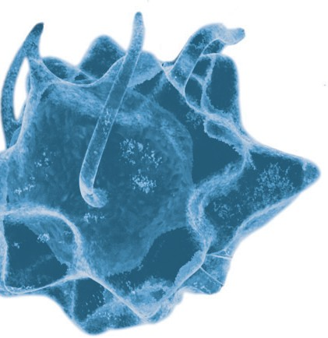

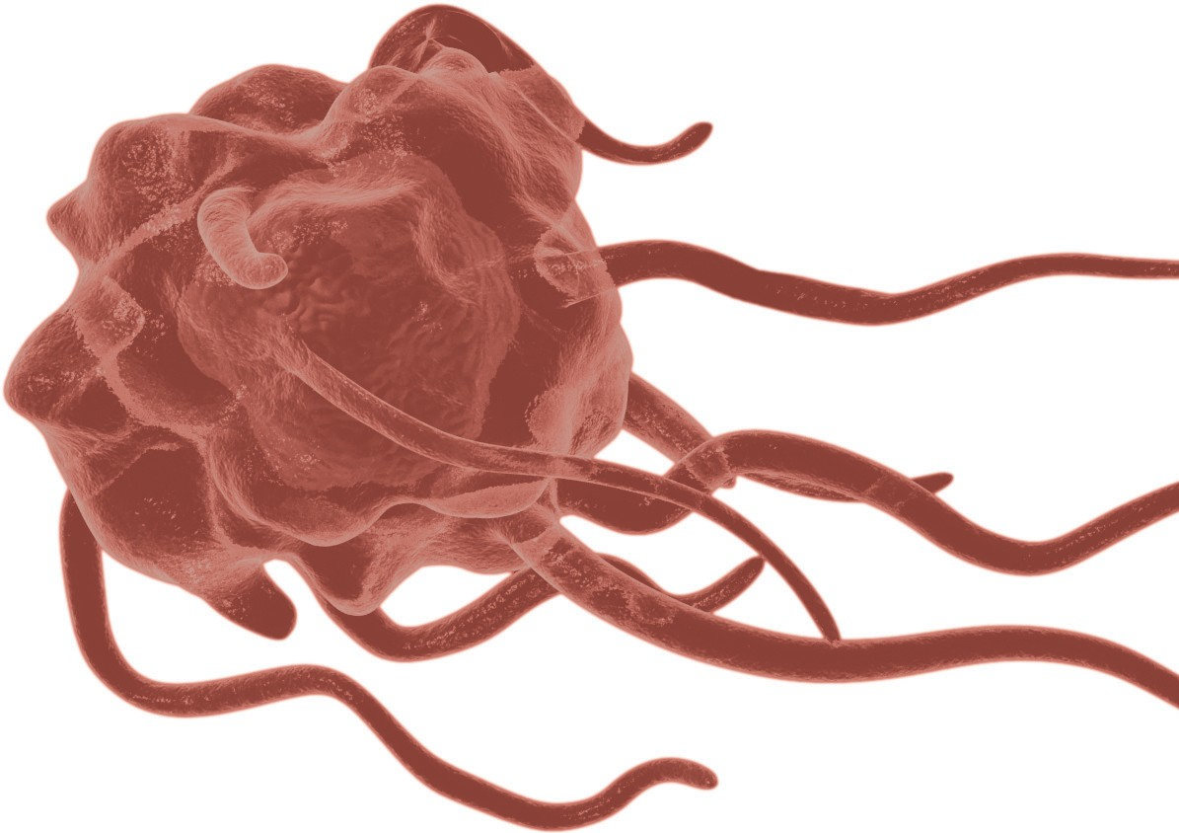
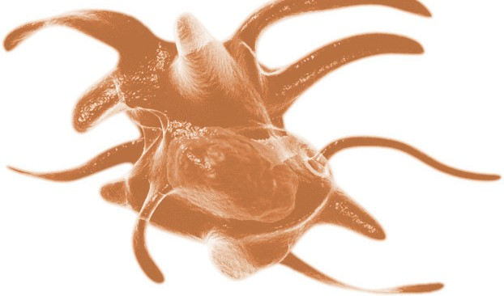
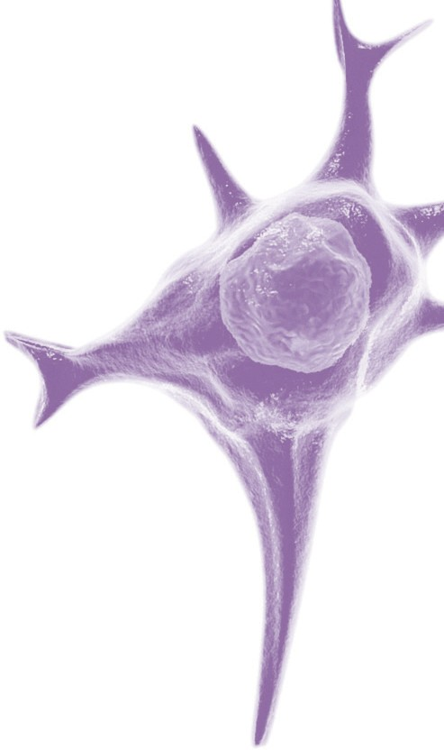
Regional Offices bdbiosciences.com/contact |  |  |  |  |  | Welcome to More Choice

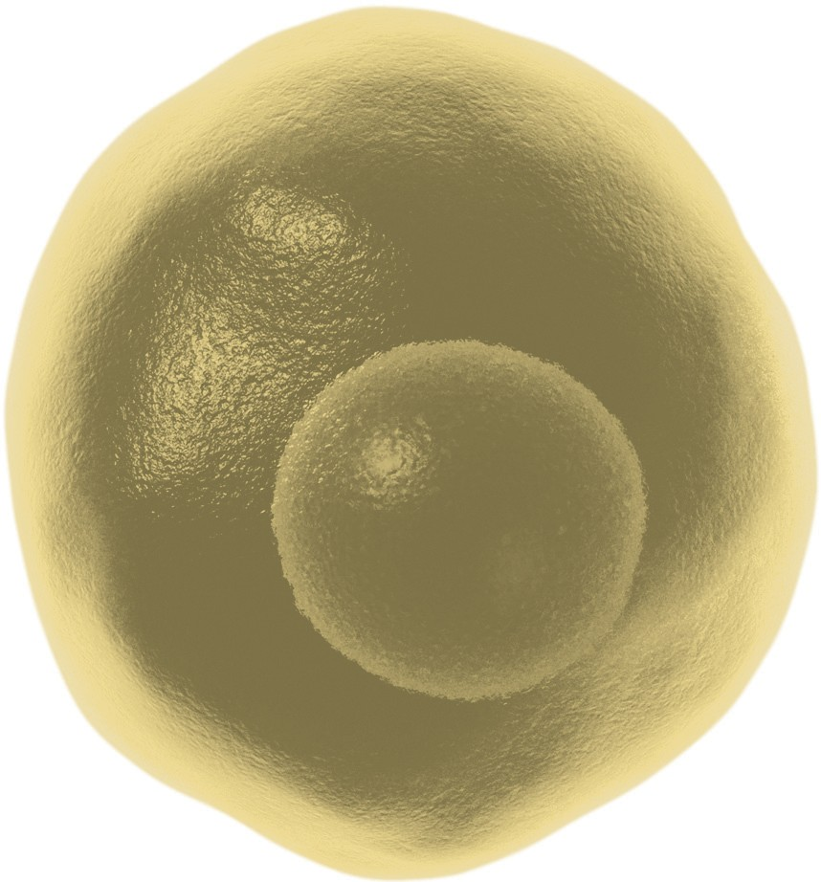
Asia Pacific Singapore Tel 65.6861.0633 Fax 65.6860.1590 China Tel 86.21.3210.4610 Fax 86.21.5292.5191 India Tel 0091.124.2383566 Fax 0091.124.2383224/25/26 bd_india@bd.com |  | Australia/New Zealand Australia Toll Free: 1800 656 100 Tel 61.2.8875.7000 Fax 61.2.8875.7200 bd_anz@bd.com New Zealand Toll Free: 0800 572.468 Tel 64.9.574.2468 Fax 64.9.574.2469 bd_anz@bd.com |  |  | Europe BD Biosciences Tel 32.2.400.98.95 Fax 32.2.401.70.94 help.biosciences@europe.bd.com |  |  | Canada BD Biosciences Tel 800.268.5430 Fax 888.229.9918 canada@bd.com | Japan Nippon Becton Dickinson Toll Free 0120.8555.90 Tel 81.24.593.5405 Fax 81.24.593.5761 |  |  |  | United States BD Biosciences Toll Free 877.232.8995 Fax 800.325.9637 answers@bd.com

