rpmsg_css0 device简介
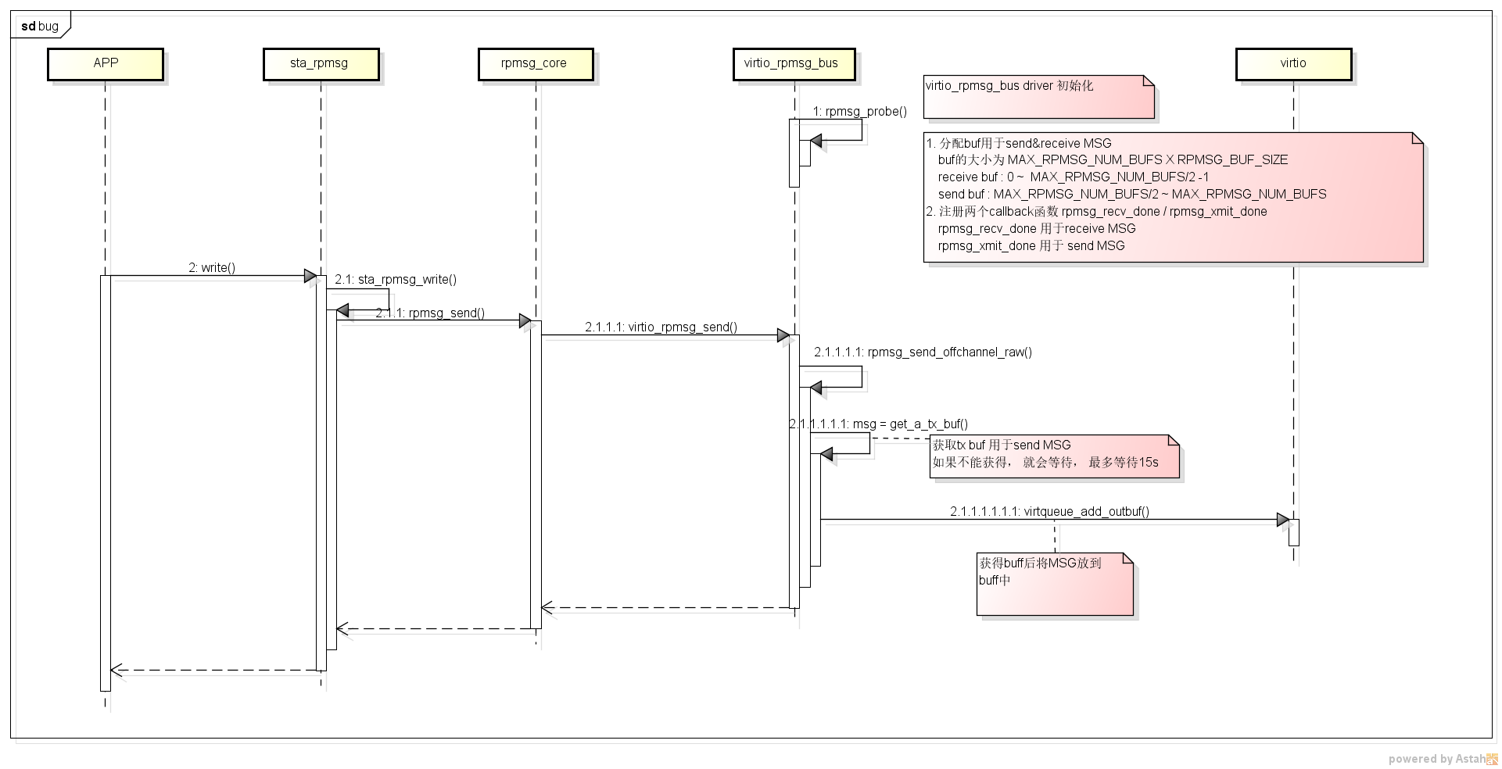
software 分析

1. sourcecode
 | 路径：
 |  | kernel-sta5/drivers/rpmsg
 | 代码结构：
 |  | ├── Kconfig
 |  | ├── Makefile
 |  | ├── rpmsg_core.c | rpmsg的base代码
 |  | ├── rpmsg_internal.h
 |  | ├── sta_rpmsg.c | sta平台上M3&A7之间通讯的rpmsg When the remote processor (i.e. Ctx-M3) announces a services with a name that matches an RPMSG driver name, this RPMSG driver is probed.
 |  | ├── sta_rpmsg.h
 |  | ├── sta_rpmsg_mm.c | sta平台上M3&A7之间 多媒体相关的rpmsg， 本文档不涉及
 |  | ├── sta_rpmsg_mm.h
 |  | ├── virtio_rpmsg_bus.c | rpmsg的base代码 A virtio rpmsg bus driver was registered at the start of Linux

2. 结构

APP

/dev/rpmsg_css0

user

kernel

sta_rpmsg

rpmsg_core

virtio_rpmsg_bus

virtio

3. open()
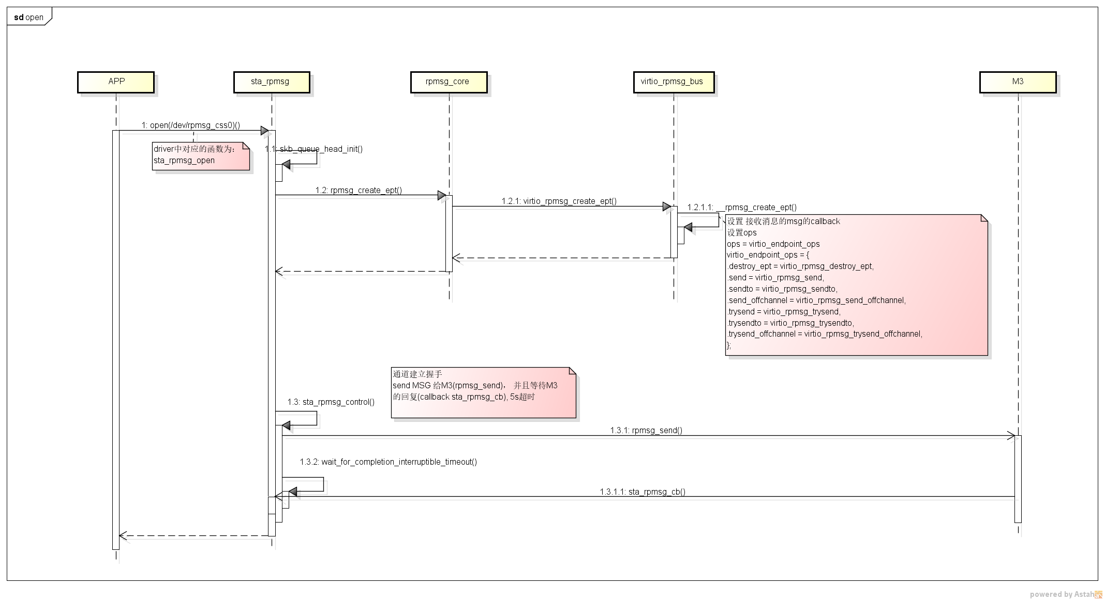

3. read()
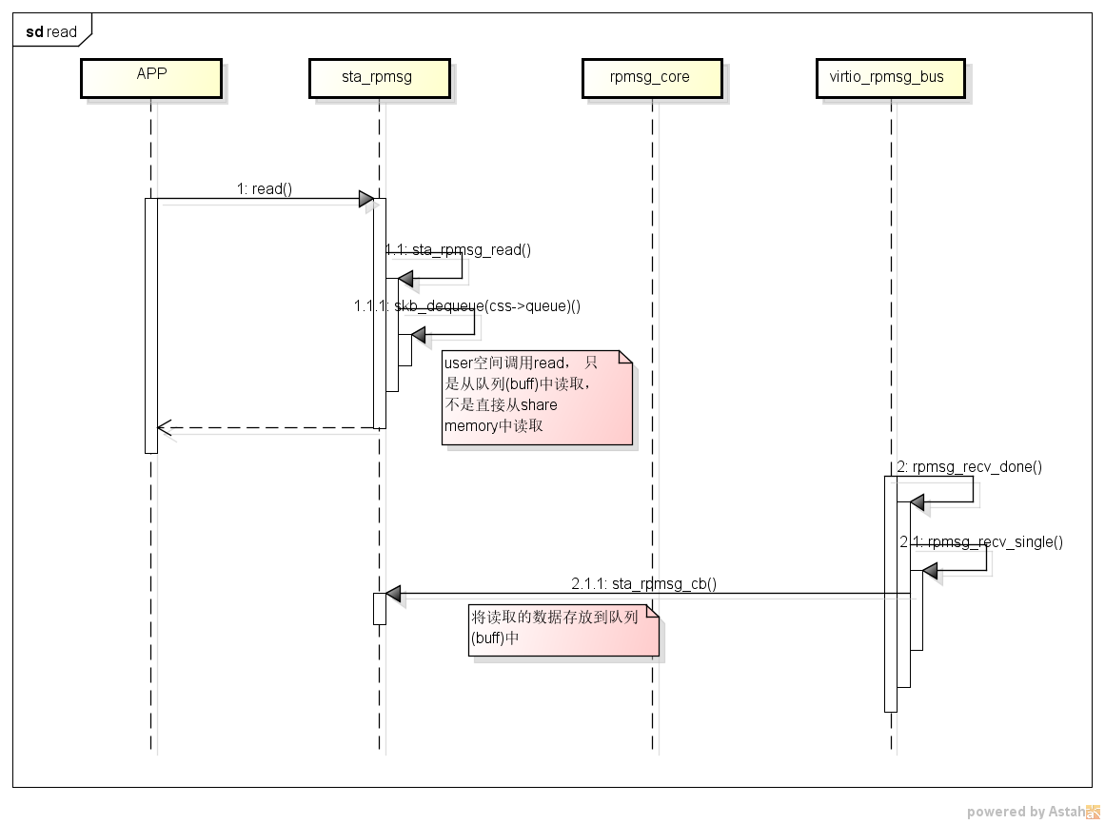

3. write()

