Datasheet
Overview

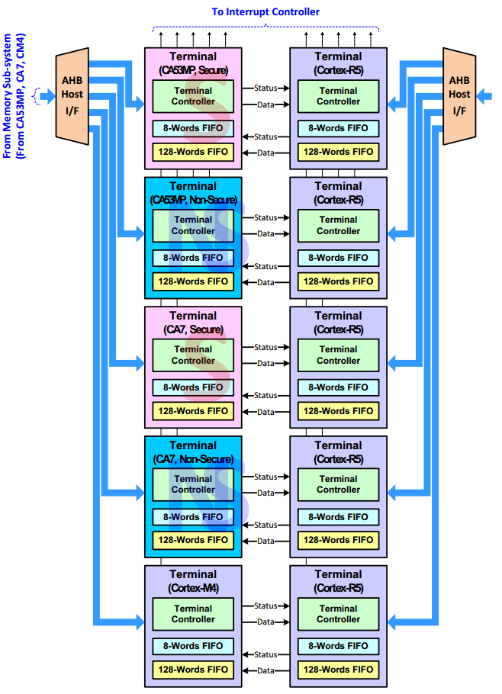

Register

 | 控制寄存器
 | 状态寄存器
 | 数据传输FIFO状态寄存器
 | 数据接收FIFO状态寄存器
 | 数据传输FIFO
 | 数据接收FIFO

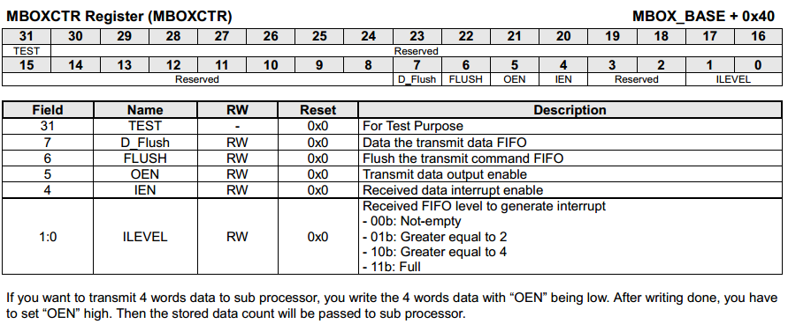

 | flush传输数据FIFO
 | flush传输命令FIFO
 | 使能传送数据输出
 | 使能接收中断

 | counter-part中装填的数据size
 | 接收FIFO是否是满的
 | 接收FIFO是否是空的
 | 传输FIFO中保存的数据size
 | 传输FIFO是否是满的
 | 传输FIFO是否是空的

 | 传输FIFO是否是空的
 | 传输FIFO是否是满的
 | 传输FIFO中保存的数据size

 | 接收FIFO是否是空的
 | 接收FIFO是否是满的
 | counter-part中装填的数据size

Flow
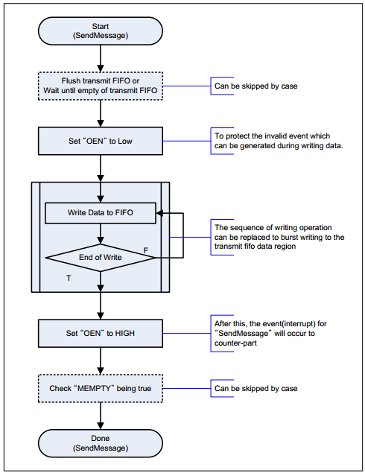
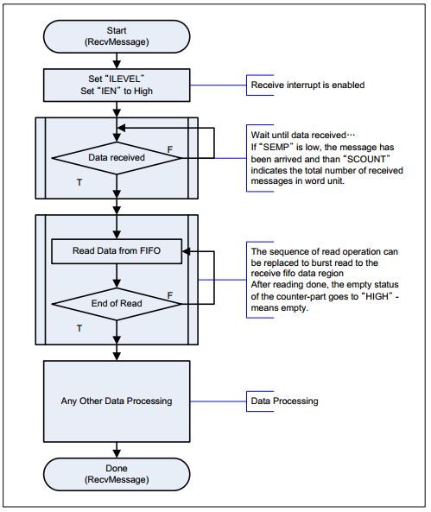

Interrupt

tcc_ipc_seq
