经典图表
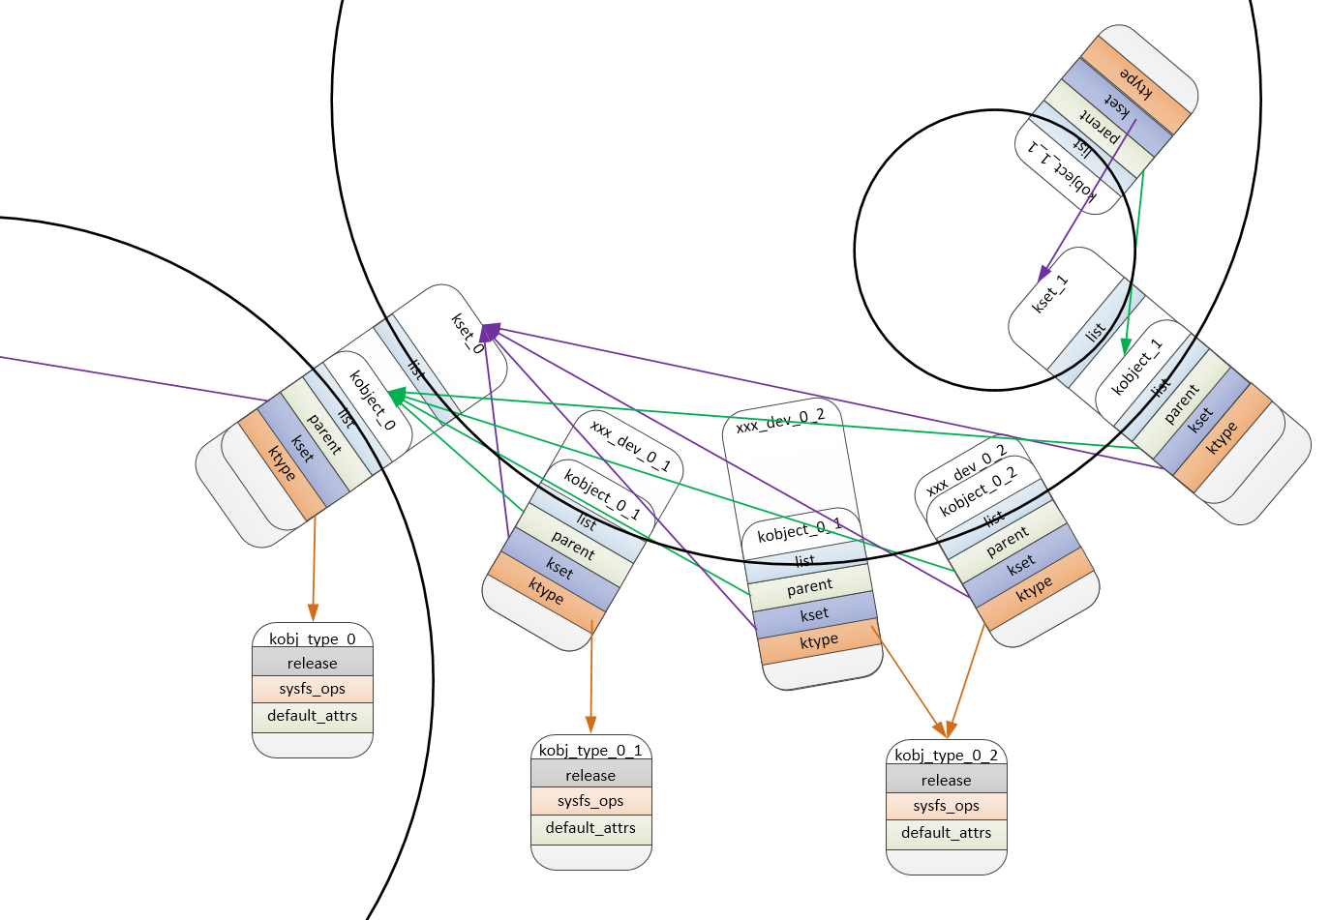
kobject, ktype, kset

