Sheet1
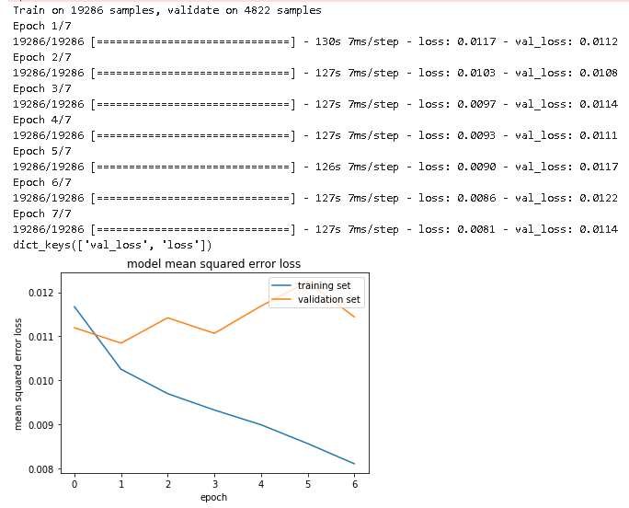
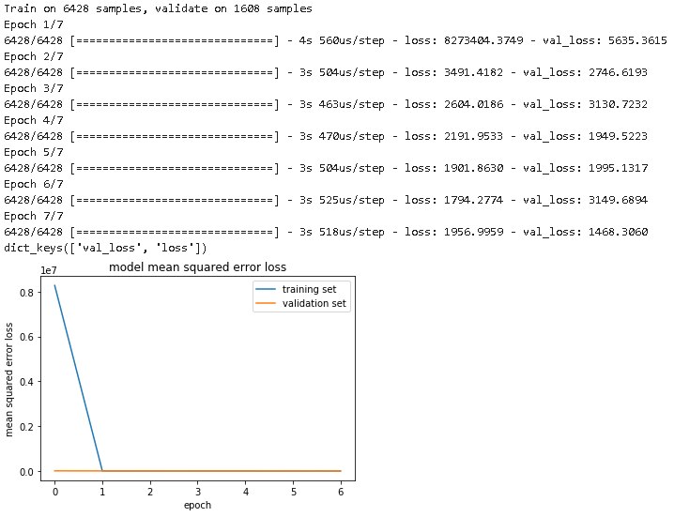
iteration 1 | iteration | model | data | train | validate
 | 1 | regression | center | 6428 | 1608
 | 2 | Nvidia | center | 6428 | 1608
 | 3 | Nvidia | center, left, right | 19286 | 4822 | correction 0.2

iteration 2
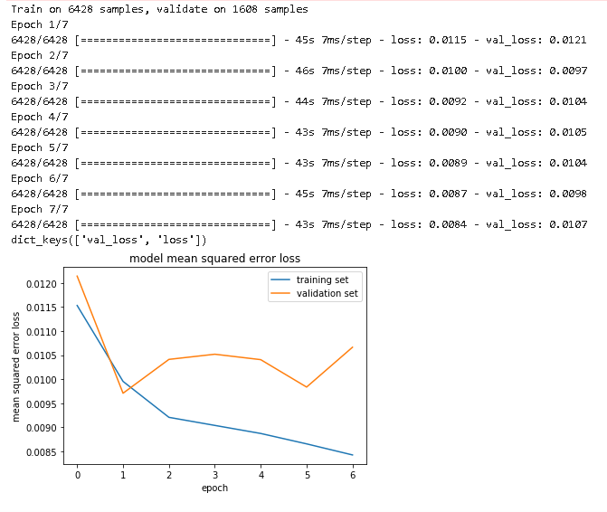

iteration 3

