analysis
Percentage of Invasive vs Non-Invasive Plant Choices by Age Group

Age Group | Invasive Choices | Non-Invasive Choices | Total Choices | Invasive Percentage | Non-Invasive Percentage
18-29 | 10 | 5 | 15 | 67% | 33%
30-49 | 18 | 7 | 25 | 72% | 28%
50-64 | 0 | 0 | 0 | 0% | 0%
65+ | 0 | 0 | 0 | 0% | 0%

Percentage of Invasive vs Non-Invasive Plant Choices by Age Group

Percentage of Invasive vs Non-Invasive Plant Choices by Gardener/Non-Gardener

Gardener Or Not | Invasive Choices | Non-Invasive Choices | Total Choices | Invasiv Percentage | Non-Invasive Percentage
Gardener | 7 | 3 | 10 | 70% | 30%
Not a gardener | 21 | 9 | 30 | 70% | 30%

Percentage of Invasive vs Non-Invasive Plant Choices by Gardener/Non-Gardener

Percentage of Plant Characteristics on User Choices

Characteristics | Number of Choice | Total Choices | Percentage
Color | 10 | 41 | 24.39%
Shape | 12 | 41 | 29.27%
Familiarity | 8 | 41 | 19.51%
Novelty | 6 | 41 | 14.63%
General Plant Form | 5 | 41 | 12.20%

Preference for Plant Characteristics on User Choices
 |  |  |  |  |  | postponed, focus on plant species

Sample of weighted Bradley-Terry Model

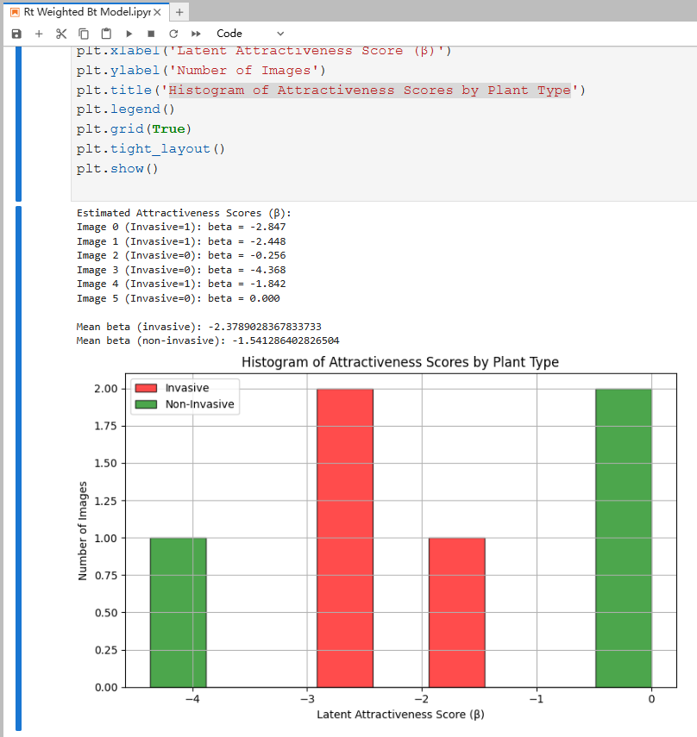

 |  |  |  |  |  | also based on individual plant species

