Docker run
Command | Screenshot
docker build . -t yoni_app:test

docker run -it --rm yoni_app:test

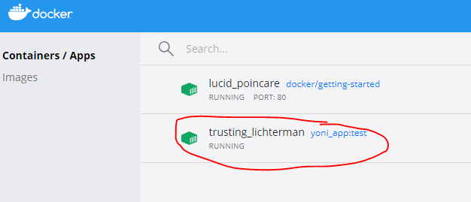
Docker App

