Sheet1
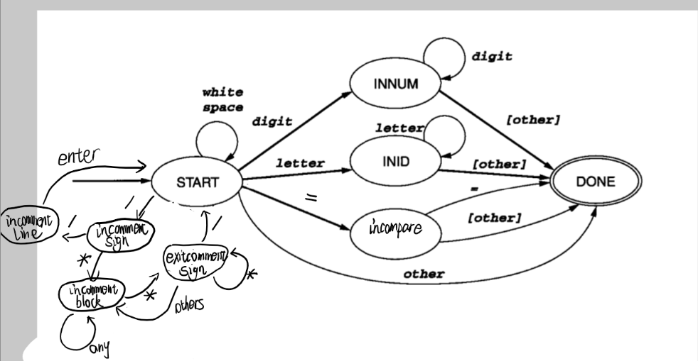
code | 状态\输入 | digit | letter | space | = | / | * | enter | other
0 | start | 5 | 6 | 0 | 7 | 2 |  | 0 | 8
1 | incomment line |  |  |  |  |  |  | 8 | 1
2 | incomment sign |  |  |  |  | 1 | 3 | 8 | 8
3 | incomment block |  |  |  |  |  | 4 |  | 3
4 | exit comment sign |  |  |  |  | 8 | 4 |  | 3
5 | inNum | 5 |  |  |  |  |  |  | 8
6 | inID |  | 6 |  |  |  |  |  | 8
7 | inCompare |  |  |  | 8 |  |  |  | 8
8 | done
注：蓝底代表此转换不消耗字符

