NbaPredictWithResult
Wins Predicted1 | Wins Actual | Wins Predicted2 | Predicted1 Model | Predicted2 Model
63.44 | 60 | 63.93 | Field Goals Made | Field Goals Made
51.19 | 58 | 50.84 | Offesive Rebounds | Offesive Rebounds
60.67 | 57 | 60.03 | Defensive Rebounds | Defensive Rebounds
53.73 | 54 | 54.52 | Free Throws Made | Free Throws Made
49.09 | 53 | 48.87 | 3 Point Field goals made | 3 Point field goals made
50.37 | 53 | 50.47 | Steals | Steals
48.39 | 51 | 48.16 | Turnovers | Turnovers
50.90 | 50 | 51.00 | Field Goals Attempted | Field Goals Attempted
52.03 | 49 | 51.88 |  | 3 point Field goals attempted
48.48 | 49 | 48.25
43.60 | 48 | 43.35
36.67 | 48 | 35.16
47.88 | 48 | 47.45
35.86 | 42 | 35.66
41.33 | 42 | 41.85
37.18 | 41 | 37.53 |  |  |  |  |  |  | Predicted2
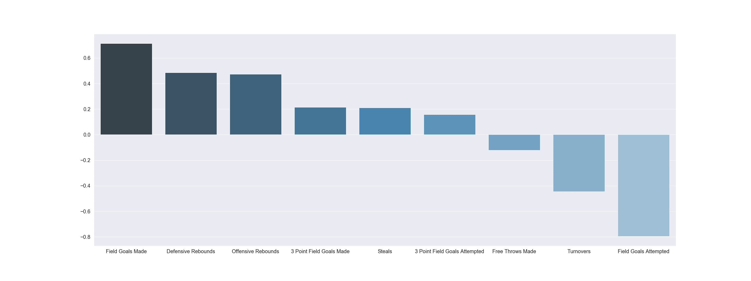
37.86 | 39 | 37.84 | Predict 1 kuva
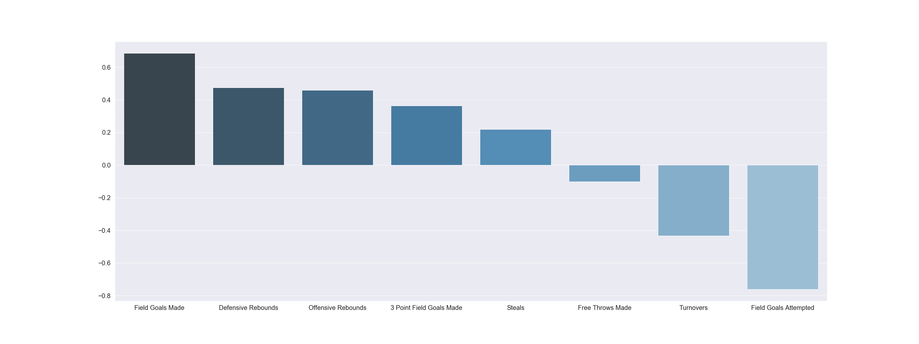
43.14 | 39 | 43.80
43.27 | 39 | 42.31
36.27 | 37 | 37.24
38.00 | 36 | 37.64
37.87 | 33 | 38.49
30.13 | 33 | 30.42
42.11 | 33 | 42.51
32.92 | 32 | 33.18
28.80 | 29 | 28.28
22.51 | 22 | 22.47
26.74 | 19 | 26.87
16.63 | 19 | 16.92
22.92 | 17 | 23.09
MSE =0.137 |  | MSE = 0.150
R2s = 0.863 |  | R2s = 0.850

 |  |  |  |  | Losses | WIN % | Minutes Played | Points | Field Goals Made | Field Goals Attempted | Field Goal % | 3 Point Field Goals Made | 3 Point Field Goals Attempted | 3 Point Field Goals Percentage | Free Throws Made | Free Throws Attempted | Free Throw Percentage | Offensive Rebounds | Defensive Rebounds | Rebounds | Assists | Turnovers | Steals | Blocks | Blocked Field Goal Attempts | Personal Fouls | Personal Fouls Drawn | Plus minus
 |  |  |  |  | 22 | 0.732 | 48.2 | 118.1 | 43.4 | 91.1 | 47.6 | 13.5 | 38.2 | 35.3 | 17.9 | 23.2 | 77.3 | 9.3 | 40.4 | 49.7 | 26 | 13.9 | 7.5 | 5.9 | 4.8 | 19.6 | 20.2 | 8.9
 |  |  |  |  | 24 | 0.707 | 48.5 | 114.4 | 42.2 | 89.1 | 47.4 | 12.4 | 33.8 | 36.6 | 17.7 | 22 | 80.4 | 9.6 | 35.6 | 45.2 | 25.4 | 14 | 8.3 | 5.3 | 4.5 | 21 | 20.5 | 6.1
 |  |  |  |  | 25 | 0.695 | 48.3 | 117.7 | 44 | 89.8 | 49.1 | 13.3 | 34.4 | 38.5 | 16.3 | 20.4 | 80.1 | 9.7 | 36.5 | 46.2 | 29.4 | 14.3 | 7.6 | 6.4 | 3.6 | 21.4 | 19.5 | 6.5
 |  |  |  |  | 28 | 0.659 | 48.1 | 110.7 | 41.9 | 90 | 46.6 | 11 | 31.4 | 35.1 | 15.8 | 20.9 | 75.5 | 11.9 | 34.5 | 46.4 | 27.4 | 13.4 | 7.7 | 4.4 | 5 | 20 | 20.4 | 4
 |  |  |  |  | 29 | 0.646 | 48.4 | 113.9 | 39.2 | 87.4 | 44.9 | 16.1 | 45.4 | 35.6 | 19.3 | 24.4 | 79.1 | 10.2 | 31.9 | 42.1 | 21.2 | 13.3 | 8.5 | 4.9 | 4.5 | 22 | 20 | 4.8
 |  |  |  |  | 29 | 0.646 | 48.4 | 114.7 | 42.3 | 90.6 | 46.7 | 11 | 30.7 | 35.9 | 19 | 23.3 | 81.4 | 11.8 | 36.2 | 48 | 23 | 13.8 | 6.7 | 5 | 5.1 | 20.4 | 20.7 | 4.2
 |  |  |  |  | 31 | 0.622 | 48.3 | 115.2 | 41.5 | 88.2 | 47.1 | 10.8 | 30.2 | 35.9 | 21.2 | 27.5 | 77.1 | 10.9 | 36.9 | 47.8 | 26.9 | 14.9 | 7.4 | 5.3 | 4.1 | 21.3 | 22.1 | 2.7
 |  |  |  |  | 32 | 0.61 | 48.2 | 111.7 | 40.4 | 86.4 | 46.8 | 12.1 | 34 | 35.6 | 18.8 | 25.5 | 73.6 | 10 | 36.4 | 46.4 | 26 | 15.1 | 8.1 | 5.9 | 4.6 | 21.1 | 22.4 | 5.3
 |  |  |  |  | 33 | 0.598 | 48.2 | 112.4 | 42.1 | 90.5 | 46.5 | 12.6 | 34.5 | 36.5 | 15.6 | 19.5 | 80.2 | 9.8 | 34.7 | 44.5 | 26.3 | 12.8 | 8.6 | 5.3 | 3.9 | 20.4 | 19.5 | 4.4
 |  |  |  |  | 33 | 0.598 | 48.4 | 114.5 | 42.6 | 94 | 45.4 | 11.4 | 32.6 | 34.8 | 17.8 | 25 | 71.3 | 12.6 | 35.5 | 48.1 | 23.4 | 14 | 9.3 | 5.2 | 5.1 | 22.4 | 22.5 | 3.4
 |  |  |  |  | 34 | 0.585 | 48.1 | 108 | 41.3 | 87 | 47.5 | 9.5 | 25.4 | 37.4 | 15.8 | 21.1 | 75.2 | 9.3 | 33.7 | 43 | 26 | 13.7 | 8.7 | 4.9 | 5.2 | 19.4 | 20 | 3.3
 |  |  |  |  | 34 | 0.585 | 48.4 | 115.1 | 41.3 | 87.5 | 47.1 | 10 | 25.8 | 38.8 | 22.6 | 28.5 | 79.2 | 9.7 | 35.8 | 45.5 | 24 | 14.5 | 6.8 | 4.7 | 6.1 | 23.3 | 24 | 0.9
 |  |  |  |  | 34 | 0.585 | 48.3 | 111.7 | 42.3 | 88.4 | 47.8 | 9.9 | 25.3 | 39.2 | 17.2 | 21 | 81.9 | 9.2 | 35.5 | 44.7 | 24.5 | 12.1 | 6.1 | 4.7 | 4 | 18.1 | 19.6 | 1.7
 |  |  |  |  | 40 | 0.512 | 48.7 | 112.2 | 40.3 | 89.7 | 44.9 | 12.8 | 36.2 | 35.3 | 19 | 25.5 | 74.5 | 11 | 35.6 | 46.6 | 23.8 | 15.1 | 6.6 | 4.1 | 5.3 | 21.5 | 22 | -0.1
 |  |  |  |  | 40 | 0.512 | 48.2 | 107.3 | 40.4 | 89.1 | 45.4 | 11.4 | 32.1 | 35.6 | 15 | 19.2 | 78.2 | 10 | 35.4 | 45.4 | 25.5 | 13.2 | 6.6 | 5.4 | 4.4 | 18.6 | 18.7 | 0.7
 |  |  |  |  | 41 | 0.5 | 48.4 | 107 | 38.8 | 88.3 | 44 | 12.1 | 34.8 | 34.8 | 17.3 | 23.1 | 74.7 | 11.4 | 33.6 | 45 | 22.5 | 13.8 | 6.9 | 4 | 5.1 | 22.1 | 21.3 | -0.2
 |  |  |  |  | 43 | 0.476 | 48.4 | 110.7 | 40.2 | 89.8 | 44.8 | 11.9 | 33.9 | 35.1 | 18.4 | 23.1 | 79.7 | 9.9 | 33.9 | 43.8 | 23.2 | 12.2 | 7.2 | 4.9 | 6 | 18.9 | 20.6 | -1.1
 |  |  |  |  | 43 | 0.476 | 48.1 | 105.7 | 39.6 | 88 | 45 | 11.3 | 32.4 | 34.9 | 15.1 | 21.7 | 69.5 | 11.2 | 35.1 | 46.3 | 24.3 | 14.7 | 7.6 | 5.5 | 4.7 | 20.9 | 20.1 | -0.2
 |  |  |  |  | 43 | 0.476 | 48.1 | 114.2 | 43.2 | 93.1 | 46.4 | 11.3 | 29.9 | 37.8 | 16.5 | 22.7 | 72.6 | 11 | 34.4 | 45.4 | 25.4 | 13.4 | 8.3 | 4.4 | 5.1 | 21.4 | 21.4 | -1.1
 |  |  |  |  | 45 | 0.451 | 48.2 | 111.8 | 42.6 | 90.5 | 47 | 10.3 | 31 | 33.3 | 16.3 | 23.3 | 69.9 | 10.2 | 36.4 | 46.6 | 25.6 | 15.7 | 7.5 | 5.4 | 5.1 | 20.7 | 20.8 | -1.7
 |  |  |  |  | 46 | 0.439 | 48.4 | 112.5 | 41.6 | 91.3 | 45.6 | 10.1 | 28.7 | 35.1 | 19.1 | 24.3 | 78.7 | 11.3 | 33.5 | 44.8 | 24.6 | 13.1 | 8.3 | 5 | 5.5 | 20.3 | 21.9 | -1.5
 |  |  |  |  | 49 | 0.402 | 48.2 | 108.9 | 38.8 | 86.9 | 44.7 | 12.5 | 36.6 | 34 | 18.8 | 25.3 | 74.2 | 10.1 | 35.2 | 45.3 | 23.4 | 14.2 | 6.5 | 4.3 | 4.5 | 20.1 | 23.2 | -1.3
 |  |  |  |  | 49 | 0.402 | 48.5 | 103.5 | 38 | 84.4 | 45 | 9.9 | 28.9 | 34.2 | 17.7 | 23 | 77.2 | 8.8 | 33 | 41.8 | 23.9 | 14 | 8.3 | 5.5 | 4.9 | 22 | 21.4 | -2.6
 |  |  |  |  | 49 | 0.402 | 48.2 | 115.4 | 43.7 | 92.2 | 47.3 | 10.3 | 29.9 | 34.4 | 17.8 | 23.4 | 76.1 | 11.1 | 36.2 | 47.3 | 27 | 14.8 | 7.4 | 5.4 | 5.4 | 21.1 | 21 | -1.3
 |  |  |  |  | 50 | 0.39 | 48.6 | 114 | 42.1 | 90.1 | 46.8 | 11.3 | 33.3 | 34.1 | 18.4 | 23.9 | 76.8 | 9.7 | 32.7 | 42.4 | 26.3 | 14.1 | 8.3 | 4.6 | 4.6 | 20.7 | 21.2 | -2.9
 |  |  |  |  | 53 | 0.354 | 48.4 | 113.3 | 41.4 | 91.8 | 45.1 | 13 | 37 | 35.2 | 17.6 | 23.4 | 75.2 | 11.6 | 34.5 | 46.1 | 25.8 | 17 | 8.2 | 5.1 | 5.5 | 23.6 | 22.2 | -6
 |  |  |  |  | 60 | 0.268 | 48.5 | 104.9 | 39.8 | 87.9 | 45.3 | 9.1 | 25.9 | 35.1 | 16.2 | 20.7 | 78.3 | 8.8 | 34.1 | 42.9 | 21.9 | 14.1 | 7.4 | 4.3 | 5.8 | 20.3 | 18.7 | -8.4
 |  |  |  |  | 63 | 0.232 | 48.2 | 104.5 | 38.9 | 87.6 | 44.4 | 10.3 | 29.1 | 35.5 | 16.4 | 20.7 | 79.2 | 10.7 | 31.9 | 42.7 | 20.7 | 13.5 | 6.5 | 2.4 | 5.6 | 20 | 19.4 | -9.6
 |  |  |  |  | 63 | 0.232 | 48.5 | 107.5 | 40.1 | 87.4 | 45.9 | 9.6 | 29.3 | 32.9 | 17.6 | 22.7 | 77.9 | 9.1 | 31.3 | 40.4 | 23.9 | 15.6 | 9 | 5.1 | 5 | 23.6 | 20.7 | -9.3
 |  |  |  |  | 65 | 0.207 | 48.2 | 104.6 | 38.2 | 88.3 | 43.3 | 10 | 29.5 | 34 | 18.1 | 23.9 | 75.9 | 10.5 | 34.3 | 44.7 | 20.1 | 14 | 6.8 | 5.1 | 5.6 | 20.9 | 20.8 | -9.2

