Top Designs
SKU | Product Name | Quantity Sold | Image
UNGT1R00L | Gildan - Heavy Cotton Adult T-Shirt | 1 | 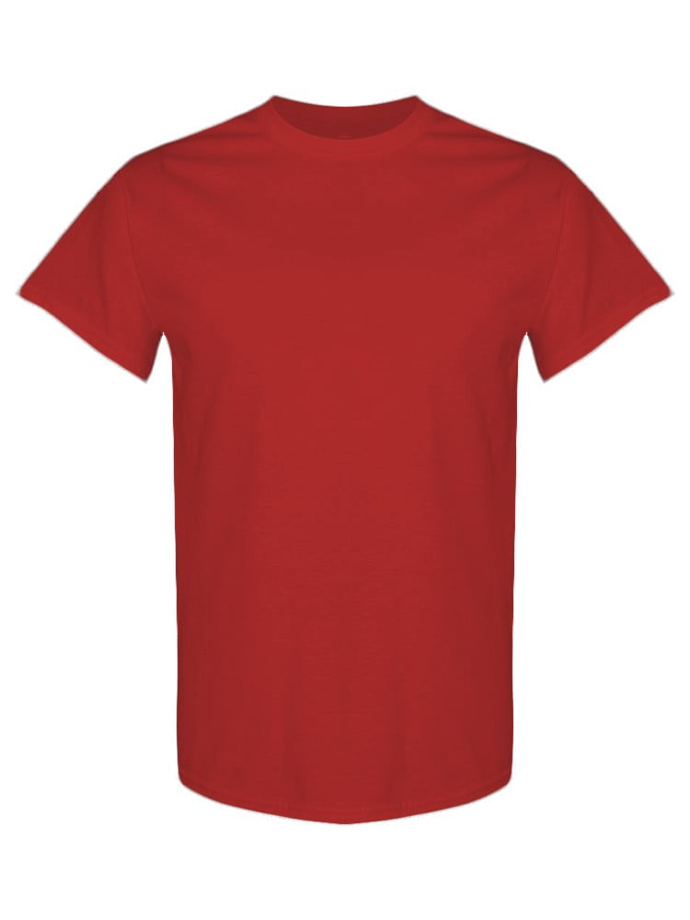
UNGT1R00M | Gildan - Heavy Cotton Adult T-Shirt | 1
UNGT4Y00L | Gildan - Heavy Cotton Adult T-Shirt | 1 | 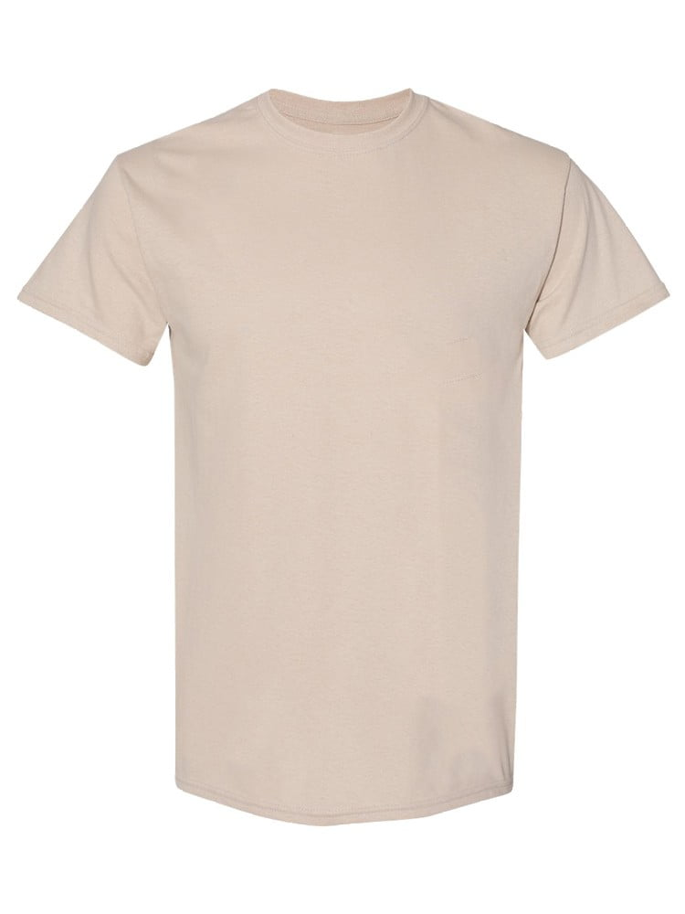
UNGT8C2XL | Gildan - Heavy Cotton Adult T-Shirt | 1 | 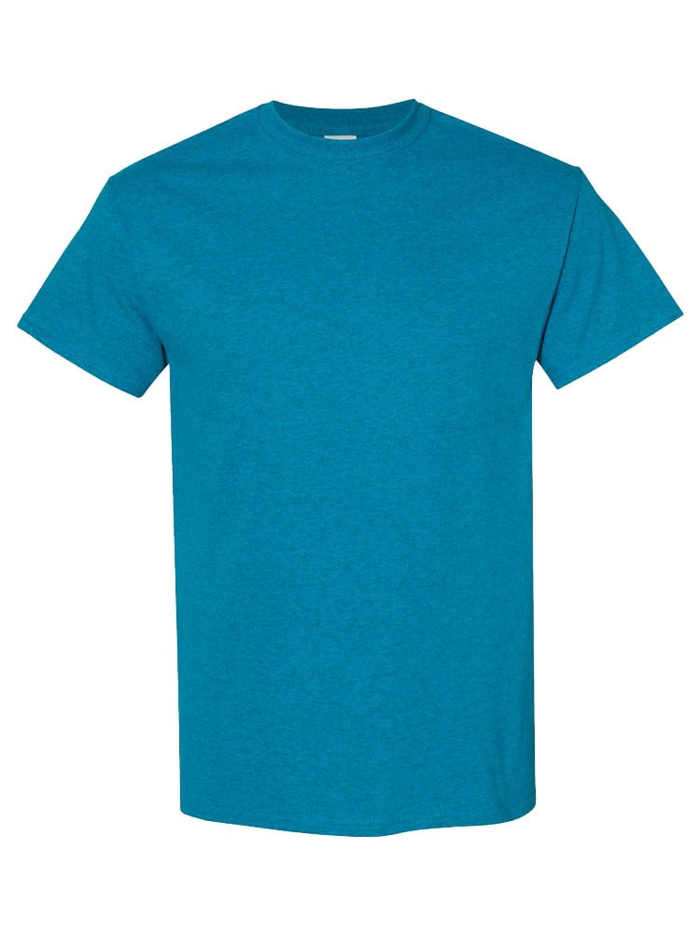
UNGT8P2XL | Gildan - Heavy Cotton Adult T-Shirt | 1 | 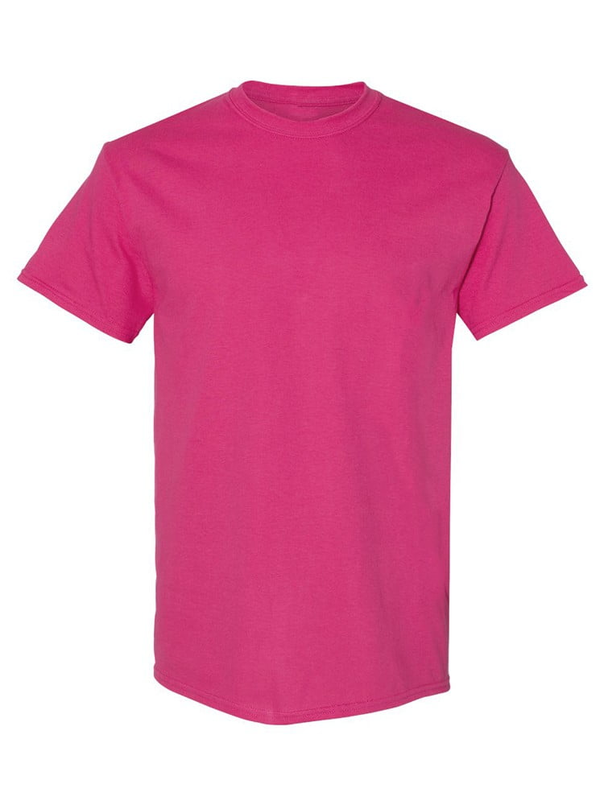
UNGT3S2XL | Gildan - Heavy Cotton Adult T-Shirt | 1 | 