Top Designs
SKU | Product Name | Quantity Sold | Image
UNGT1R00L | Gildan - Heavy Cotton Adult T-Shirt | 1 | 
UNGT4Y0XL | Gildan - Heavy Cotton Adult T-Shirt | 1 | 
UNGT6P00L | Gildan - Heavy Cotton Adult T-Shirt | 1 | 
UNGT1D0XL | Gildan - Heavy Cotton Adult T-Shirt | 1 | 
UNGT2Y00L | Gildan - Heavy Cotton Adult T-Shirt | 1 | 
UNGT5E3XL | Gildan - Heavy Cotton Adult T-Shirt | 1 | 
UNGT6P00S | Gildan - Heavy Cotton Adult T-Shirt | 1 | 
UNGT1M00L | Gildan - Heavy Cotton Adult T-Shirt | 1 | 
UNGT1D2XL | Gildan - Heavy Cotton Adult T-Shirt | 1
UNGT3F2XL | Gildan - Heavy Cotton Adult T-Shirt | 1 | 
UNGT3G2XL | Gildan - Heavy Cotton Adult T-Shirt | 1 | 
UNGT4H0XL | Gildan - Heavy Cotton Adult T-Shirt | 1 | 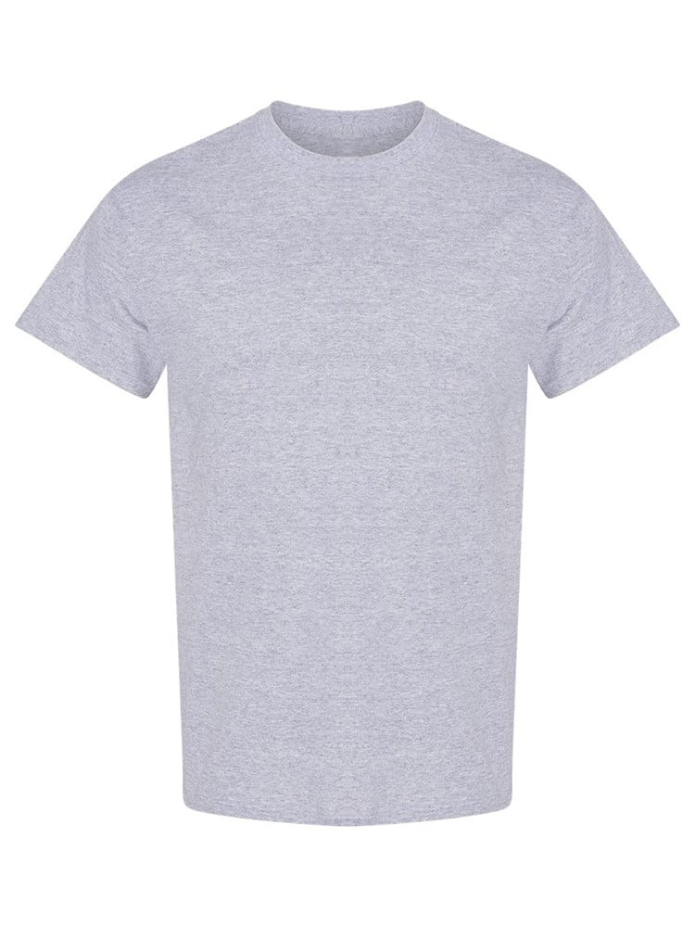
UNGT5P0XL | Gildan - Heavy Cotton Adult T-Shirt | 1 | 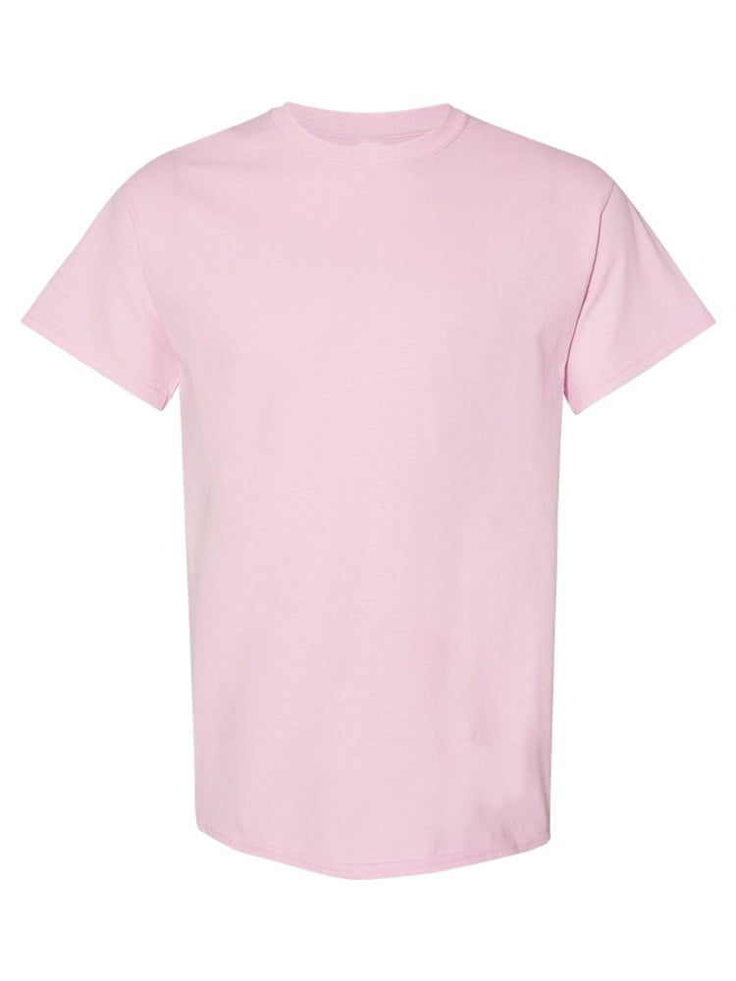
UNGT2F5XL | Gildan - Heavy Cotton Adult T-Shirt | 1 | 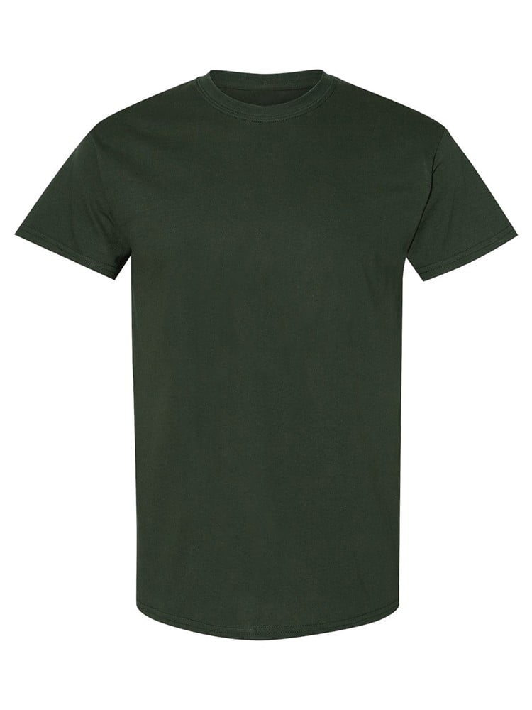
UNGT4H5XL | Gildan - Heavy Cotton Adult T-Shirt | 1

