Top Designs
SKU | Product Name | Quantity Sold | Image
UNGT1M0XL | Gildan - Heavy Cotton Adult T-Shirt | 1 | 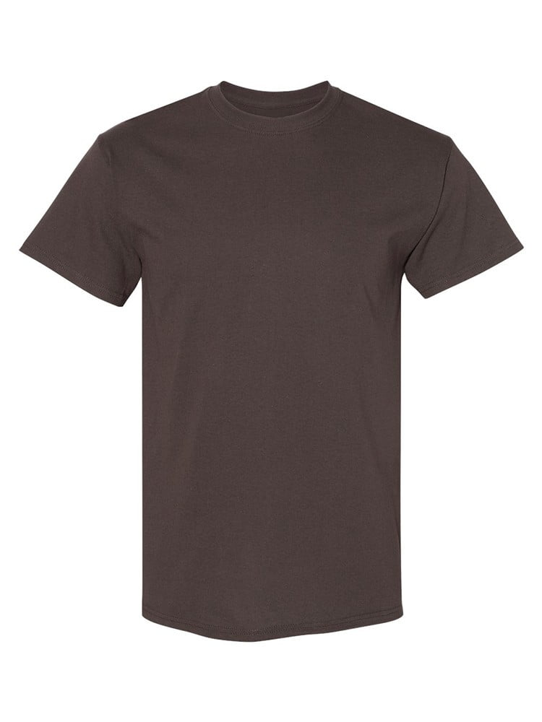
UNGT1D00L | Gildan - Heavy Cotton Adult T-Shirt | 1 | 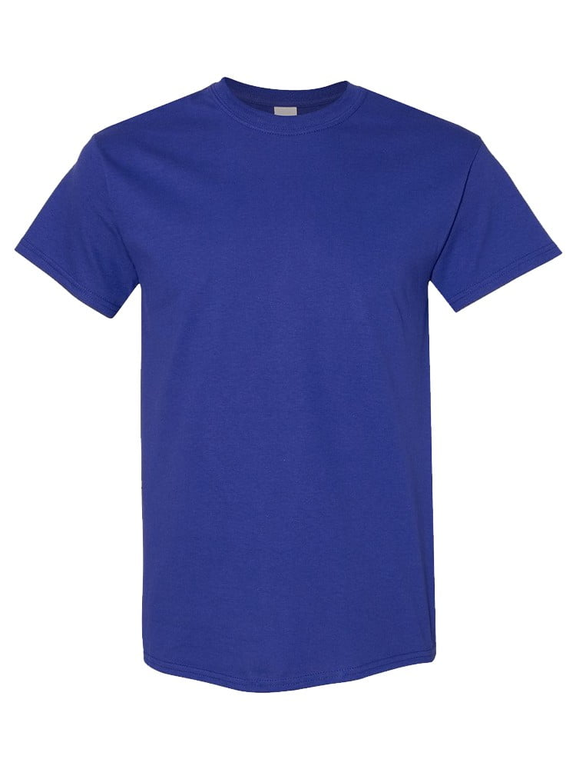
UNGT1B00L | Gildan - Heavy Cotton Adult T-Shirt | 1 | 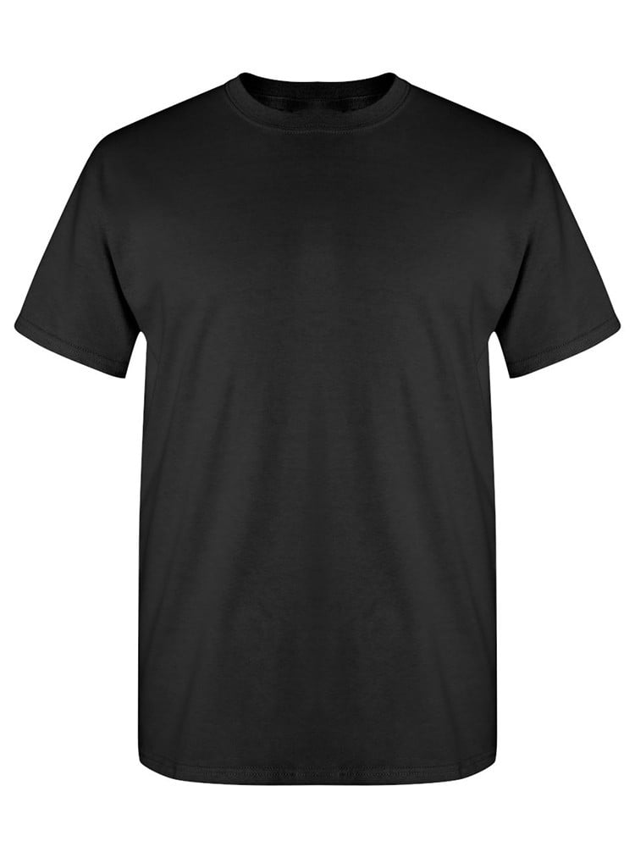
UNGT3F00L | Gildan - Heavy Cotton Adult T-Shirt | 1 | 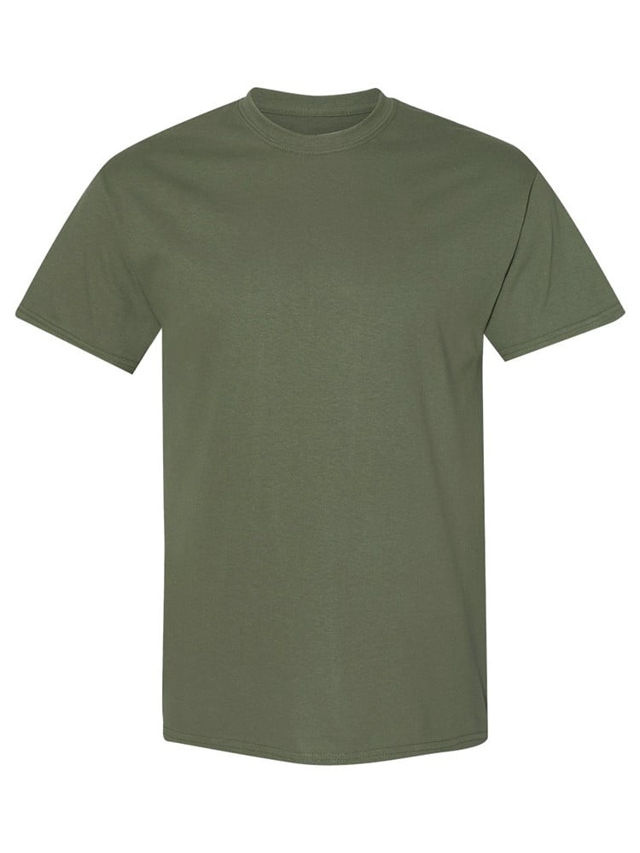
UNGT5B00L | Gildan - Heavy Cotton Adult T-Shirt | 1 | 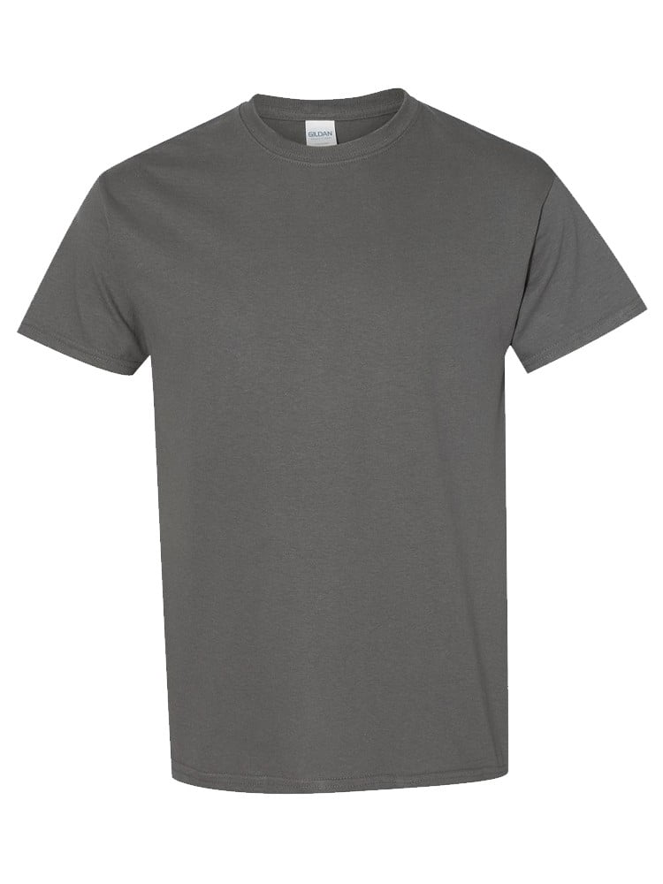
UNGT1B0XL | Gildan - Heavy Cotton Adult T-Shirt | 1 | 
UNGT1M2XL | Gildan - Heavy Cotton Adult T-Shirt | 1 | 

