Top Designs
SKU | Product Name | Quantity Sold | Image
UNGT1B00M | Gildan - Heavy Cotton Adult T-Shirt | 2 | 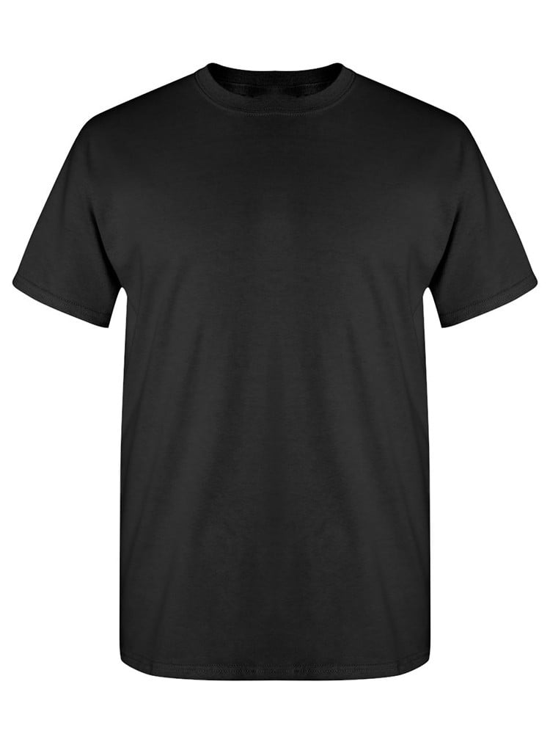
UNGT3S00L | Gildan - Heavy Cotton Adult T-Shirt | 1 | 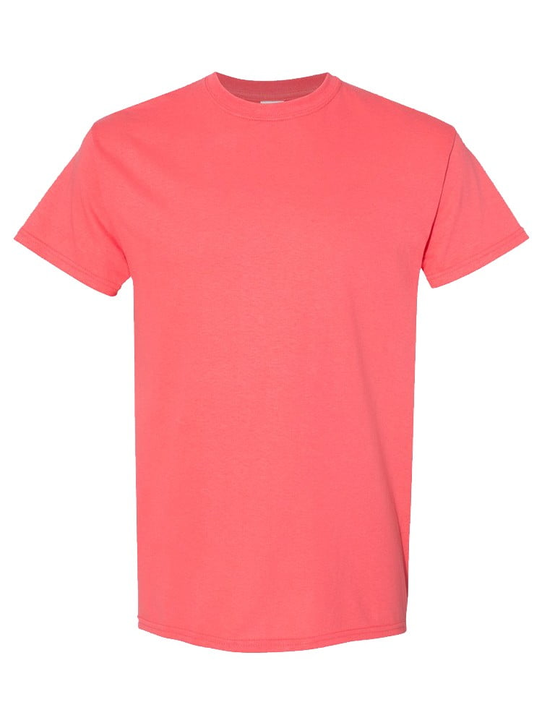
UNGT5N00L | Gildan - Heavy Cotton Adult T-Shirt | 1 | 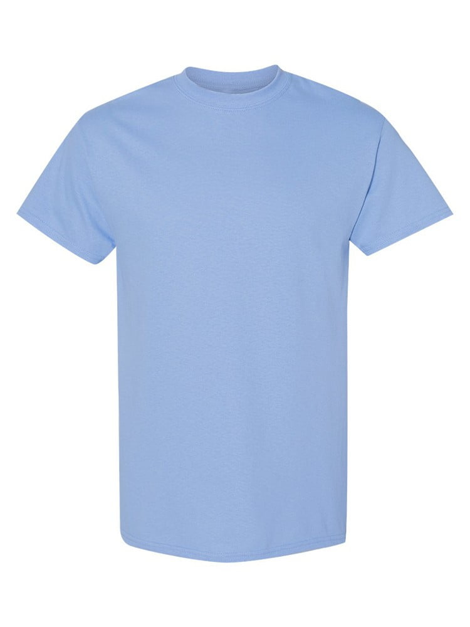
UNGT4Y0XL | Gildan - Heavy Cotton Adult T-Shirt | 1 | 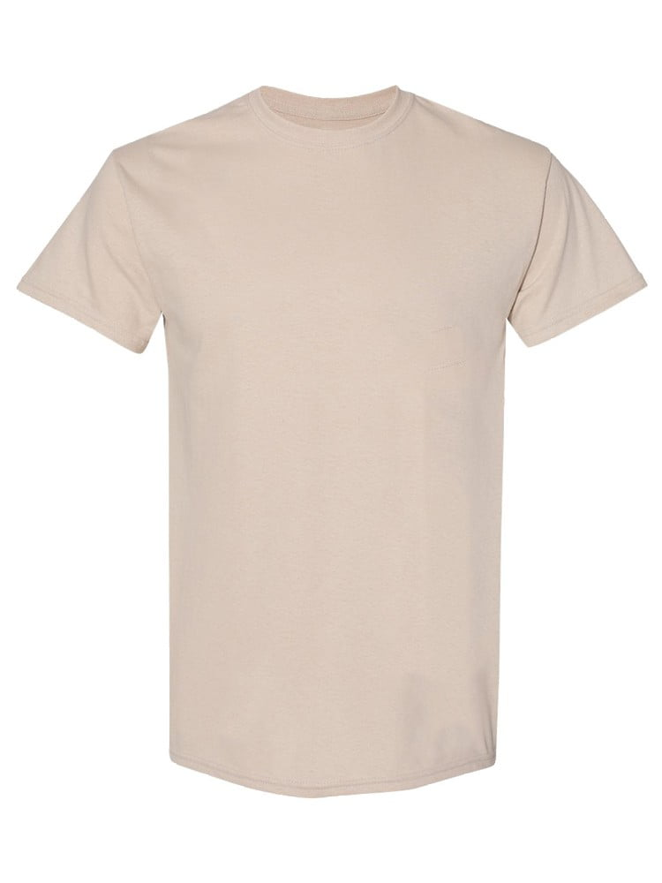
UNGT3S0XL | Gildan - Heavy Cotton Adult T-Shirt | 1
UNGT6P00S | Gildan - Heavy Cotton Adult T-Shirt | 1 | 
UNGT1Q00S | Gildan - Heavy Cotton Adult T-Shirt | 1 | 
UNGT1E00S | Gildan - Heavy Cotton Adult T-Shirt | 1 | 

