Top Designs
SKU | Product Name | Quantity Sold | Image
UNGT2K00M | Gildan - Heavy Cotton Adult T-Shirt | 3 | 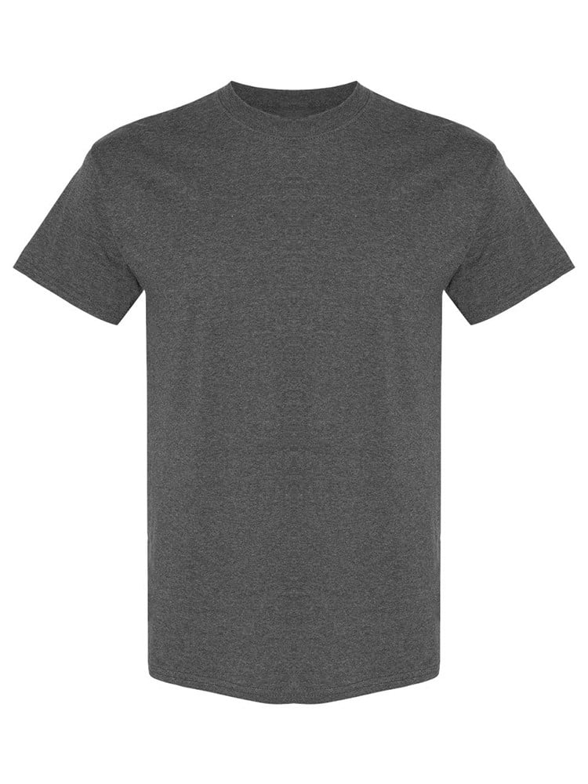
UNGT1B00M | Gildan - Heavy Cotton Adult T-Shirt | 2 | 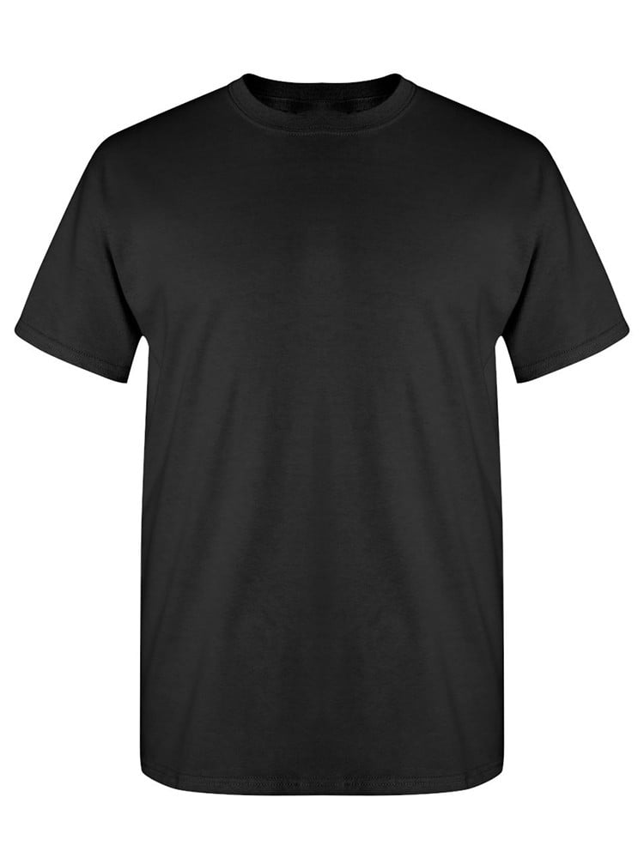
UNGT2K00L | Gildan - Heavy Cotton Adult T-Shirt | 1
UNGT1B00L | Gildan - Heavy Cotton Adult T-Shirt | 1
UNGT1B0XL | Gildan - Heavy Cotton Adult T-Shirt | 1
UNGT3O00S | Gildan - Heavy Cotton Adult T-Shirt | 1 | 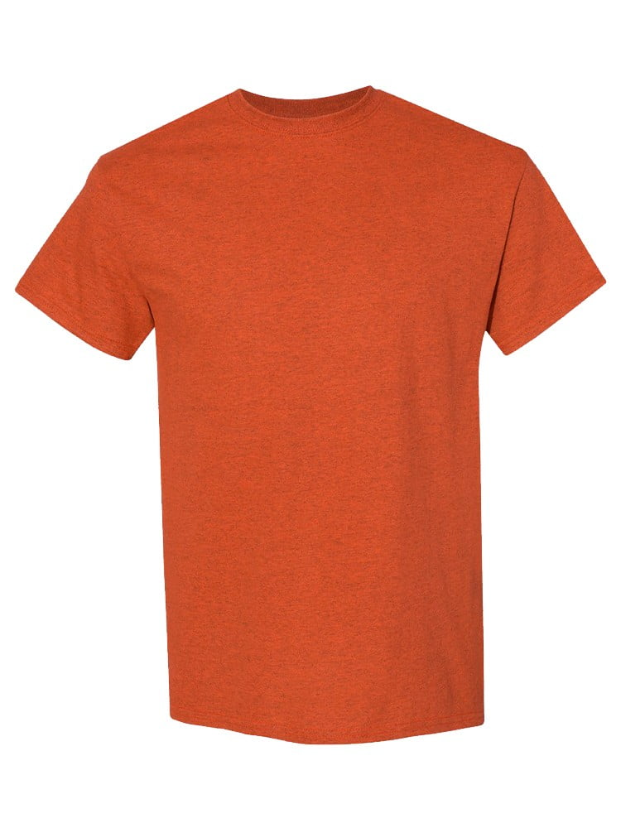
UNGT2K3XL | Gildan - Heavy Cotton Adult T-Shirt | 1
UNGT1B00S | Gildan - Heavy Cotton Adult T-Shirt | 1
UNGT3O3XL | Gildan - Heavy Cotton Adult T-Shirt | 1
UNGT3O00L | Gildan - Heavy Cotton Adult T-Shirt | 1
UNGT6P00M | Gildan - Heavy Cotton Adult T-Shirt | 1 | 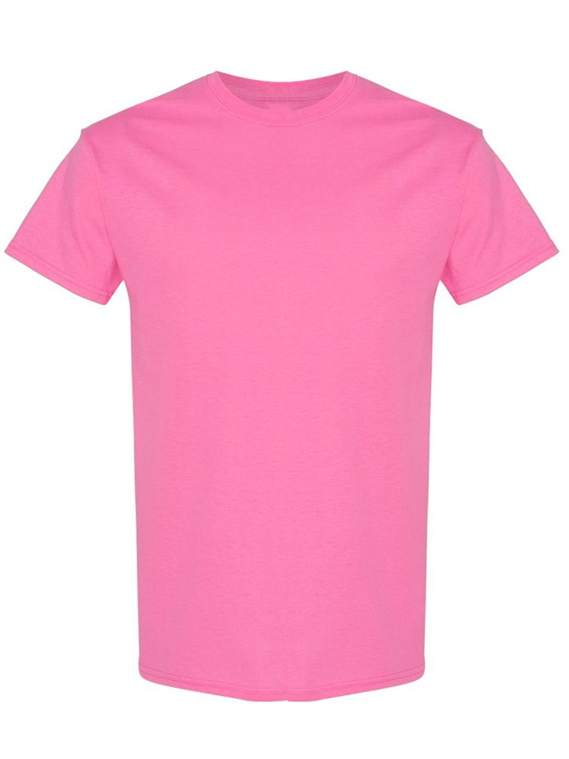
UNGT1D00M | Gildan - Heavy Cotton Adult T-Shirt | 1 | 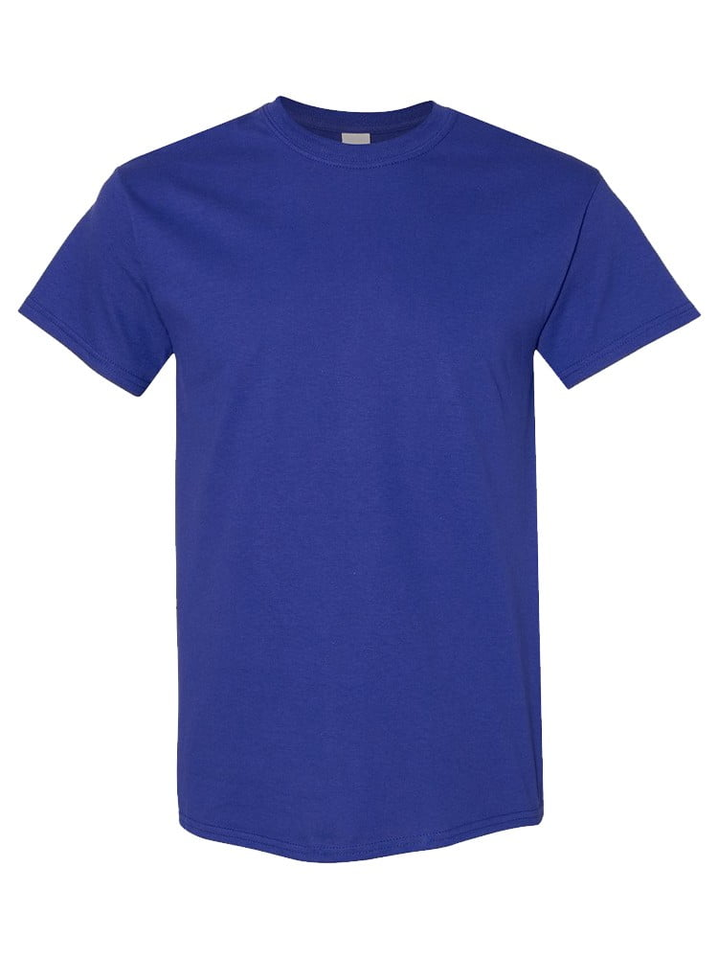
UNGT8C00M | Gildan - Heavy Cotton Adult T-Shirt | 1 | 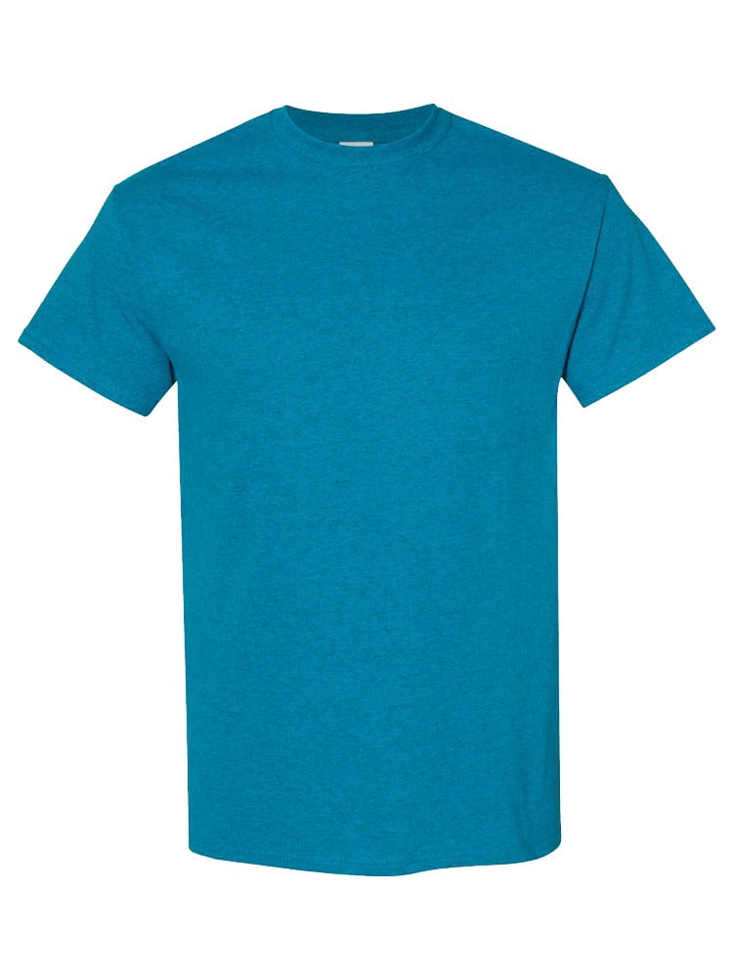
UNGT3S00M | Gildan - Heavy Cotton Adult T-Shirt | 1 | 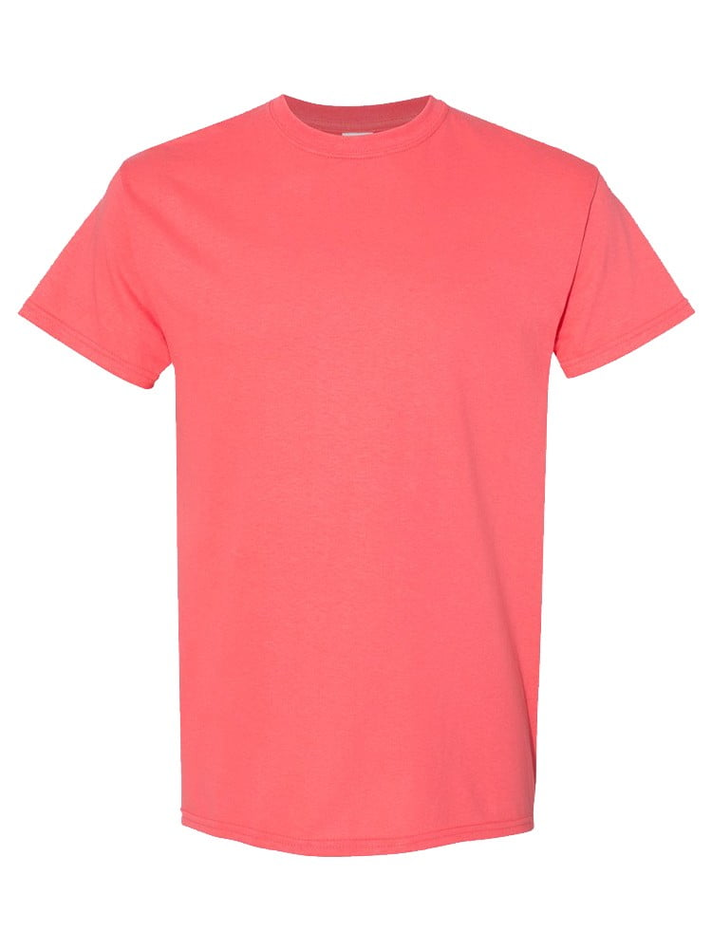
UNGT2S00M | Gildan - Heavy Cotton Adult T-Shirt | 1 | 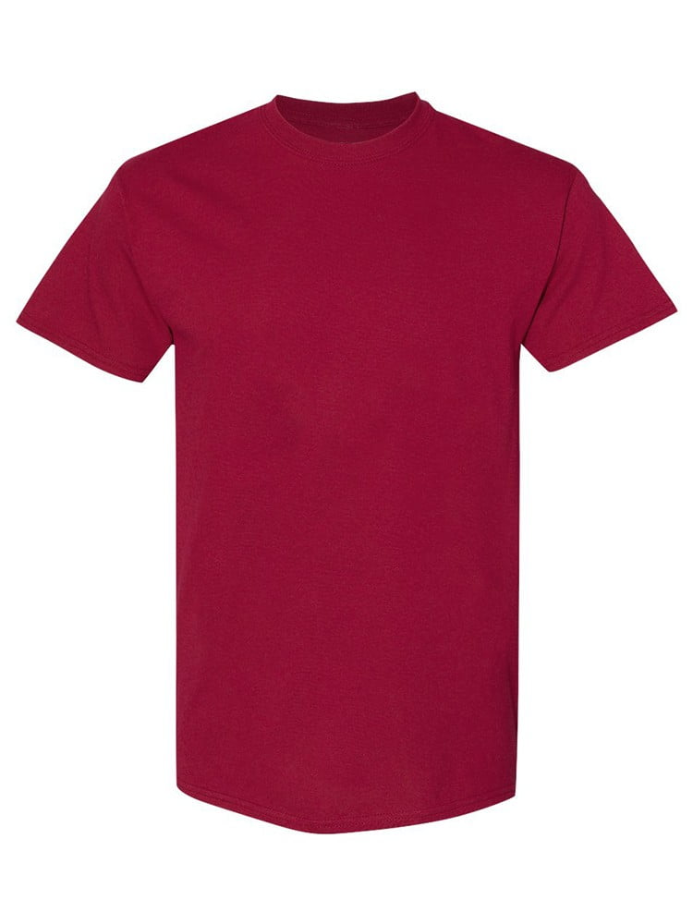
UNGT5B00M | Gildan - Heavy Cotton Adult T-Shirt | 1 | 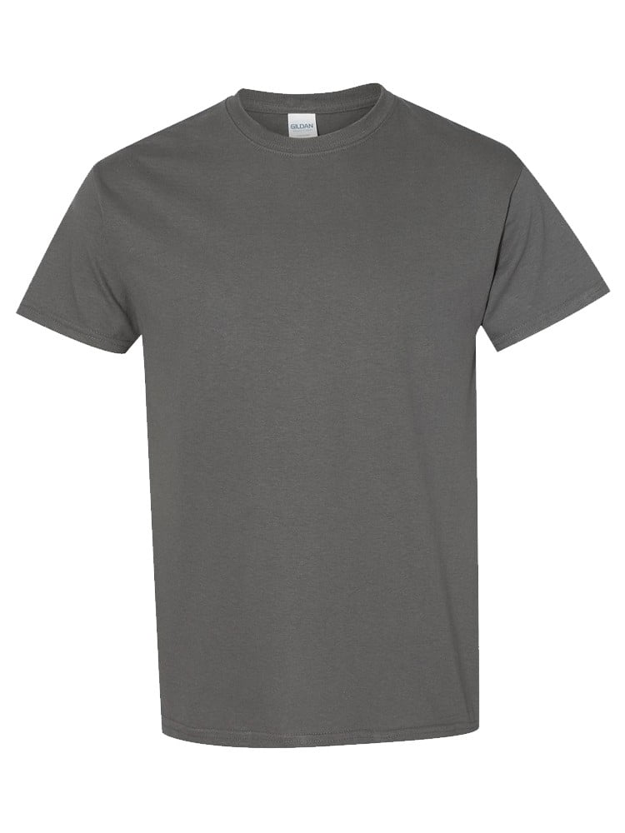
UNGT1E00M | Gildan - Heavy Cotton Adult T-Shirt | 1 | 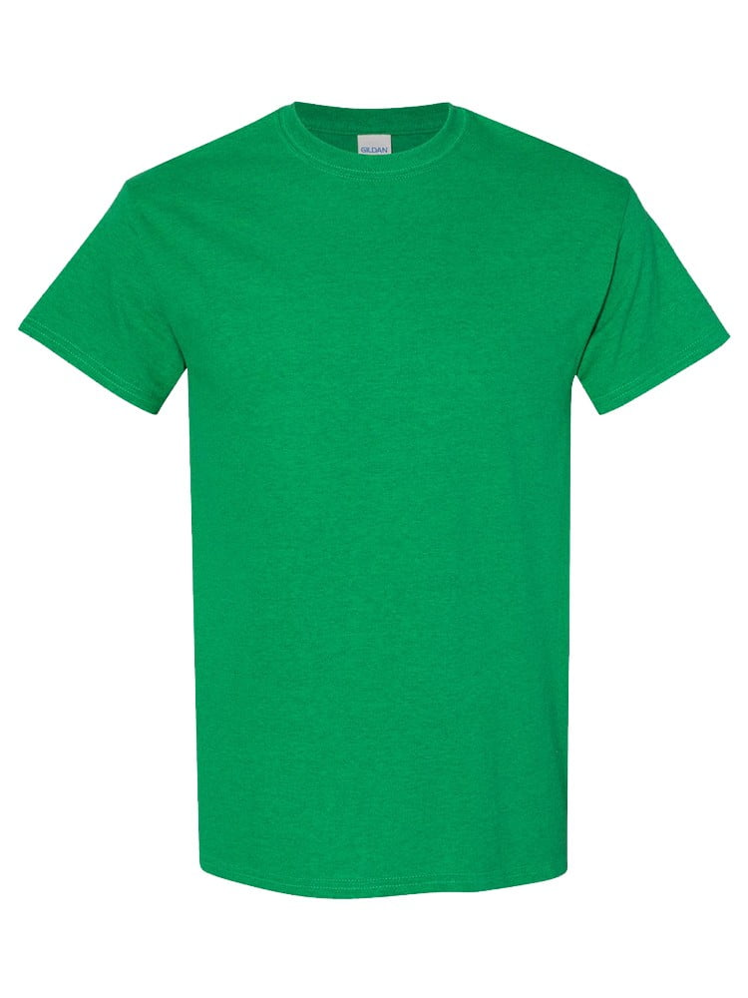
UNGT5N00M | Gildan - Heavy Cotton Adult T-Shirt | 1 | 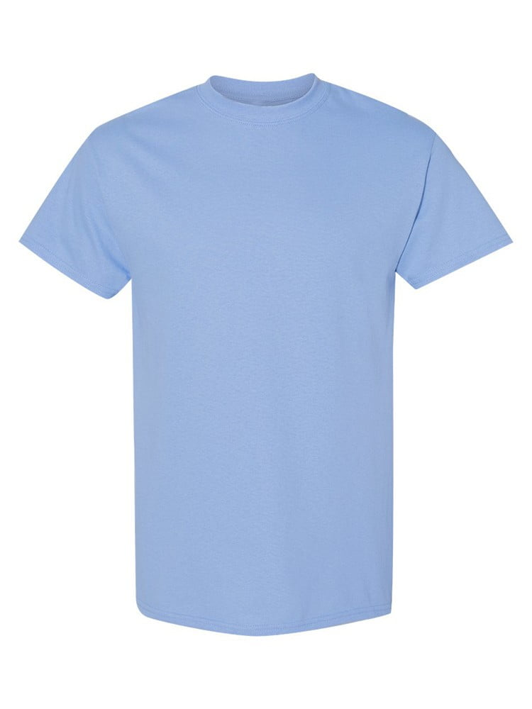
UNGT3W00M | Gildan - Heavy Cotton Adult T-Shirt | 1 | 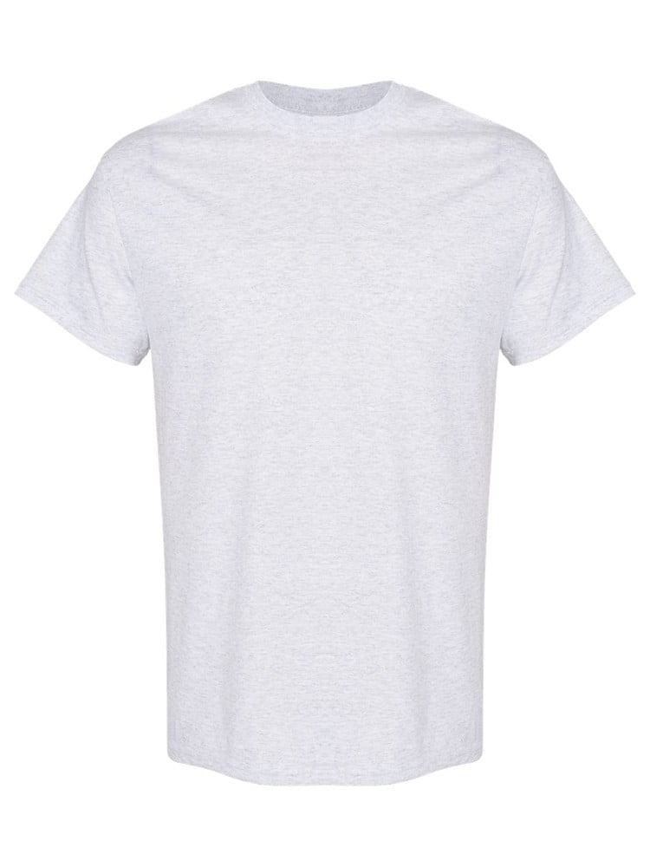
UNGT3S2XL | Gildan - Heavy Cotton Adult T-Shirt | 1
UNGT1B2XL | Gildan - Heavy Cotton Adult T-Shirt | 1
UNGT6P0XL | Gildan - Heavy Cotton Adult T-Shirt | 1 | 
UNGT1B4XL | Gildan - Heavy Cotton Adult T-Shirt | 1 | 
UNGT2S4XL | Gildan - Heavy Cotton Adult T-Shirt | 1 | 
UNGT5B4XL | Gildan - Heavy Cotton Adult T-Shirt | 1 | 

