Top Designs
SKU | Product Name | Quantity Sold | Image
UNGT1B2XL | Gildan - Heavy Cotton Adult T-Shirt | 1 | 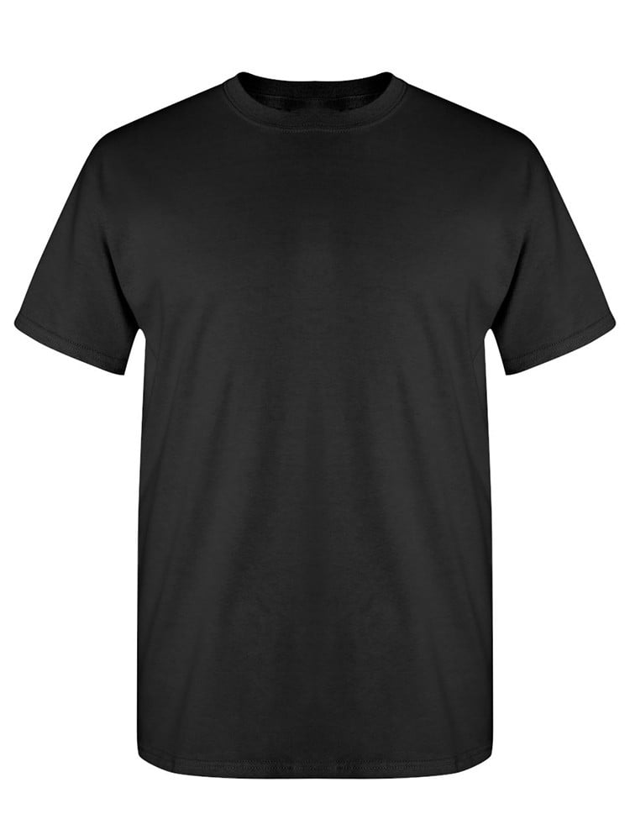
UNGT1B4XL | Gildan - Heavy Cotton Adult T-Shirt | 1

