Top Designs
SKU | Product Name | Quantity Sold | Image
UNGT1M00M | Gildan - Heavy Cotton Adult T-Shirt | 1 | 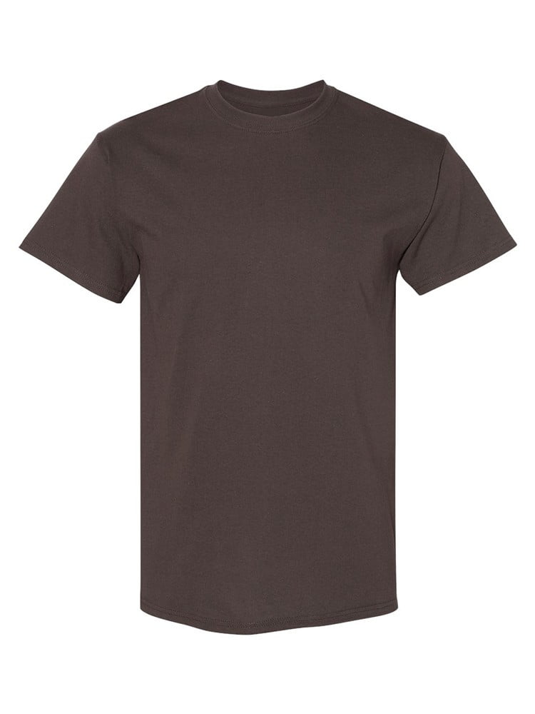
UNGT1M00L | Gildan - Heavy Cotton Adult T-Shirt | 1
UNGT1M5XL | Gildan - Heavy Cotton Adult T-Shirt | 1
UNGT1M0XL | Gildan - Heavy Cotton Adult T-Shirt | 1
UNGT5B0XL | Gildan - Heavy Cotton Adult T-Shirt | 1 | 
UNGT1B0XL | Gildan - Heavy Cotton Adult T-Shirt | 1 | 
UNGT8K0XL | Gildan - Heavy Cotton Adult T-Shirt | 1 | 
UNGT1B3XL | Gildan - Heavy Cotton Adult T-Shirt | 1
UNGT1B00M | Gildan - Heavy Cotton Adult T-Shirt | 1 | 

