Top Designs
SKU | Product Name | Quantity Sold | Image
UNGT6P00L | Gildan - Heavy Cotton Adult T-Shirt | 1 | 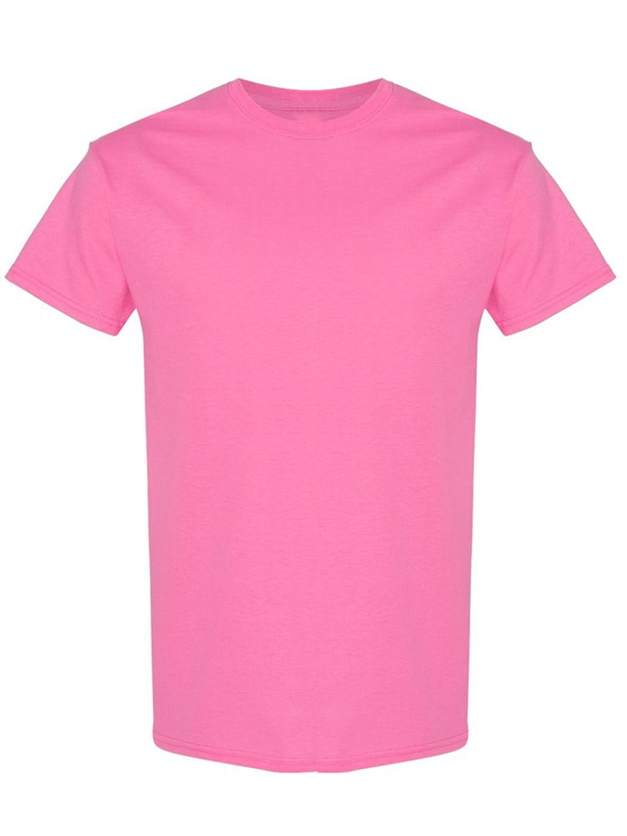
UNGT1B00L | Gildan - Heavy Cotton Adult T-Shirt | 1 | 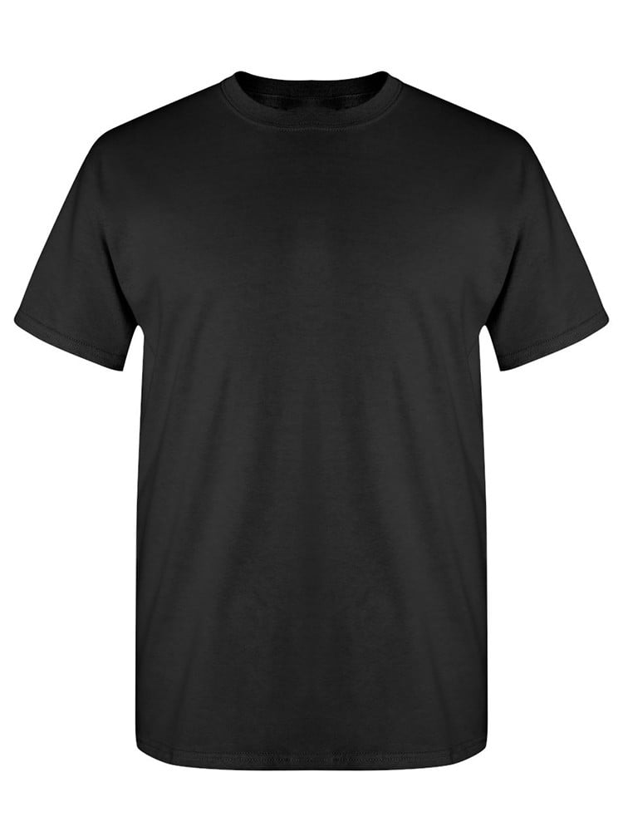
UNGT5P00L | Gildan - Heavy Cotton Adult T-Shirt | 1 | 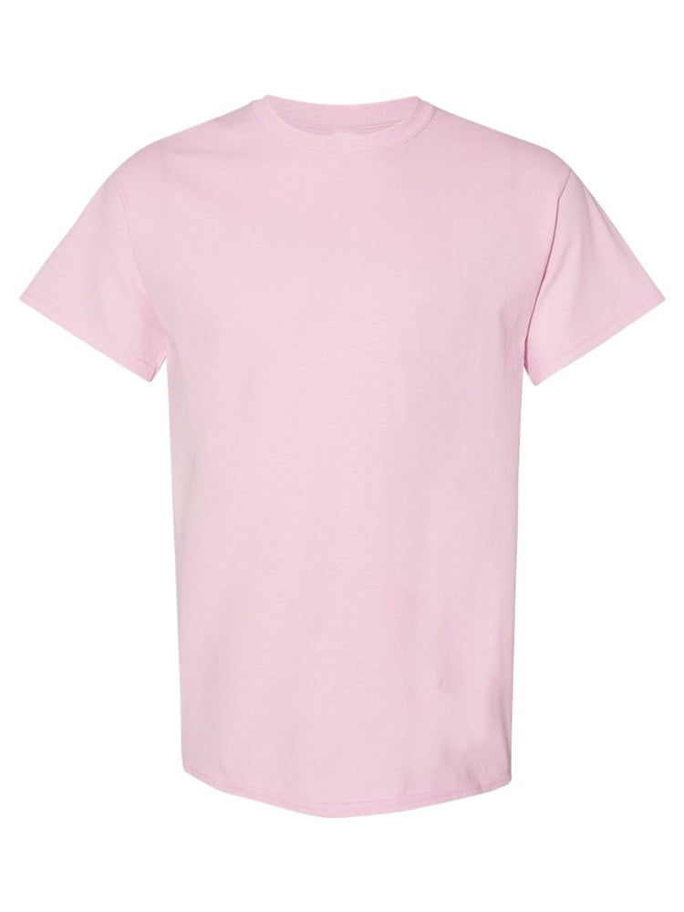
UNGT4Y00L | Gildan - Heavy Cotton Adult T-Shirt | 1 | 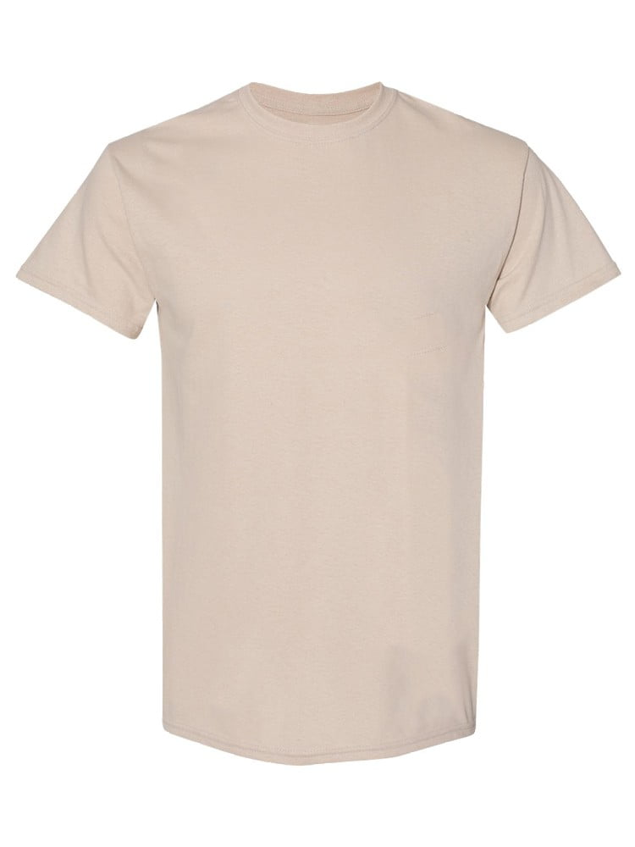
UNGT1R00L | Gildan - Heavy Cotton Adult T-Shirt | 1 | 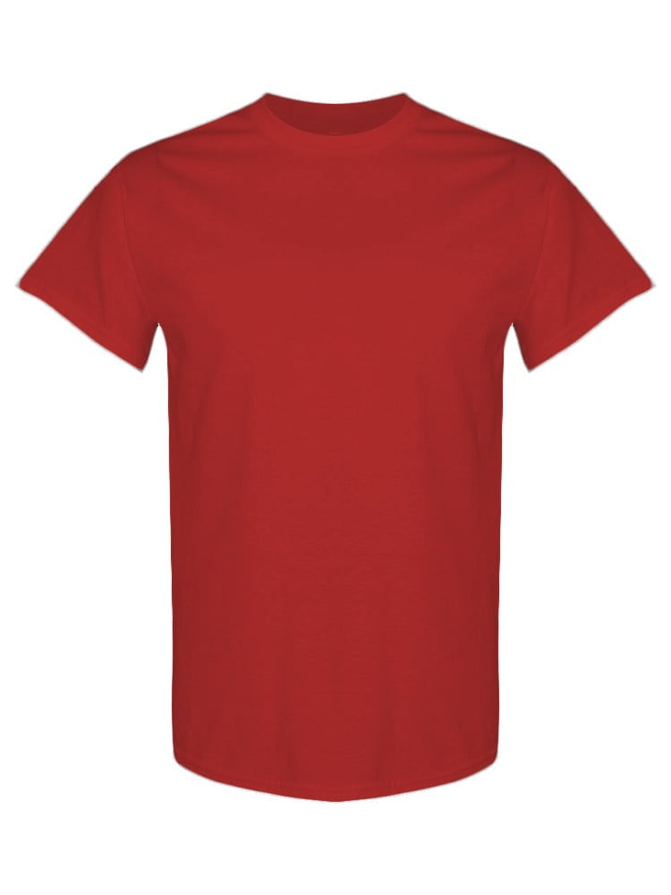
UNGT1M00L | Gildan - Heavy Cotton Adult T-Shirt | 1 | 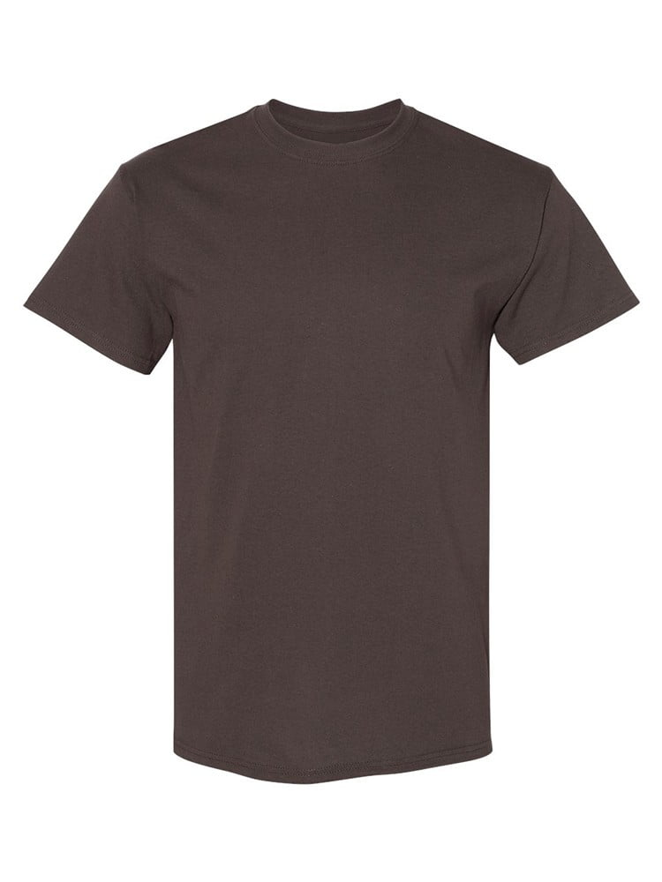
UNGT8C0XL | Gildan - Heavy Cotton Adult T-Shirt | 1 | 
UNGT6P0XL | Gildan - Heavy Cotton Adult T-Shirt | 1 | 
UNGT5N0XL | Gildan - Heavy Cotton Adult T-Shirt | 1 | 

