Top Designs
SKU | Product Name | Quantity Sold | Image
UNGT1B2XL | Gildan - Heavy Cotton Adult T-Shirt | 4 | 
UNGT1B00L | Gildan - Heavy Cotton Adult T-Shirt | 2 | 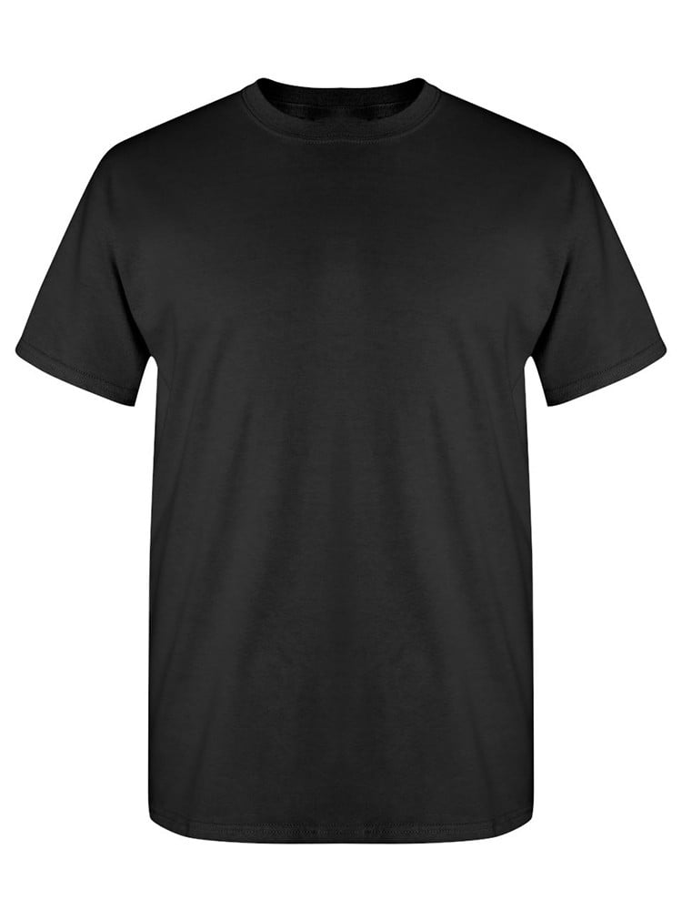
UNGT2Y5XL | Gildan - Heavy Cotton Adult T-Shirt | 1 | 
UNGT3D00S | Gildan - Heavy Cotton Adult T-Shirt | 1 | 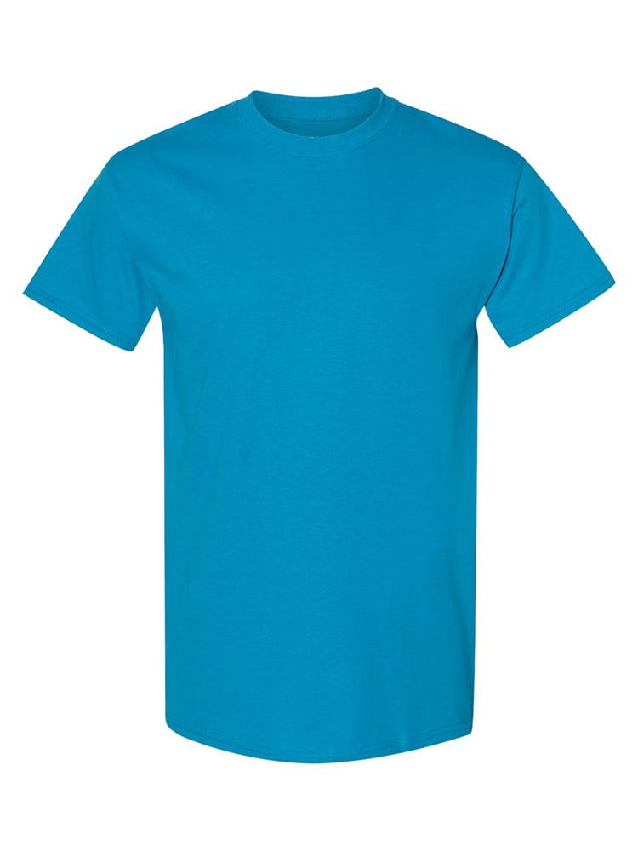
UNGT3D00M | Gildan - Heavy Cotton Adult T-Shirt | 1
UNGT1N3XL | Gildan - Heavy Cotton Adult T-Shirt | 1 | 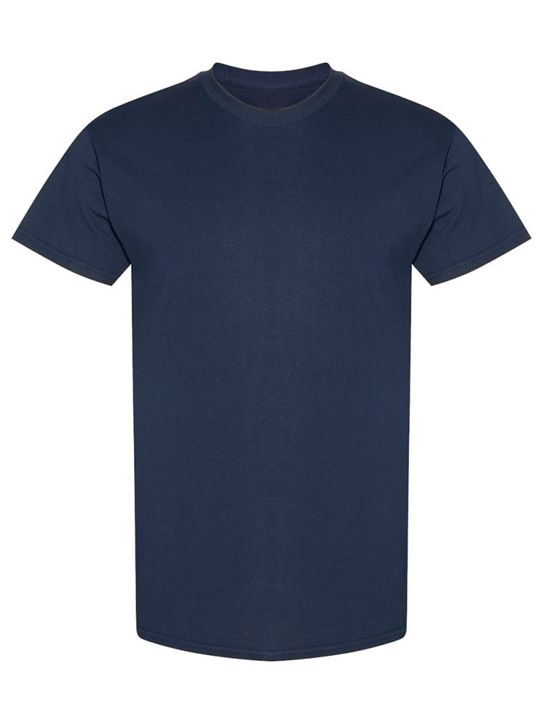
UNGT4G00M | Gildan - Heavy Cotton Adult T-Shirt | 1 | 
UNGT2Y00M | Gildan - Heavy Cotton Adult T-Shirt | 1
UNGT7Y00M | Gildan - Heavy Cotton Adult T-Shirt | 1 | 
UNGT1D00L | Gildan - Heavy Cotton Adult T-Shirt | 1 | 
UNGT6P2XL | Gildan - Heavy Cotton Adult T-Shirt | 1 | 
UNGT2F0XL | Gildan - Heavy Cotton Adult T-Shirt | 1 | 
UNGT1M0XL | Gildan - Heavy Cotton Adult T-Shirt | 1 | 
UNGT2K0XL | Gildan - Heavy Cotton Adult T-Shirt | 1 | 

